20250515
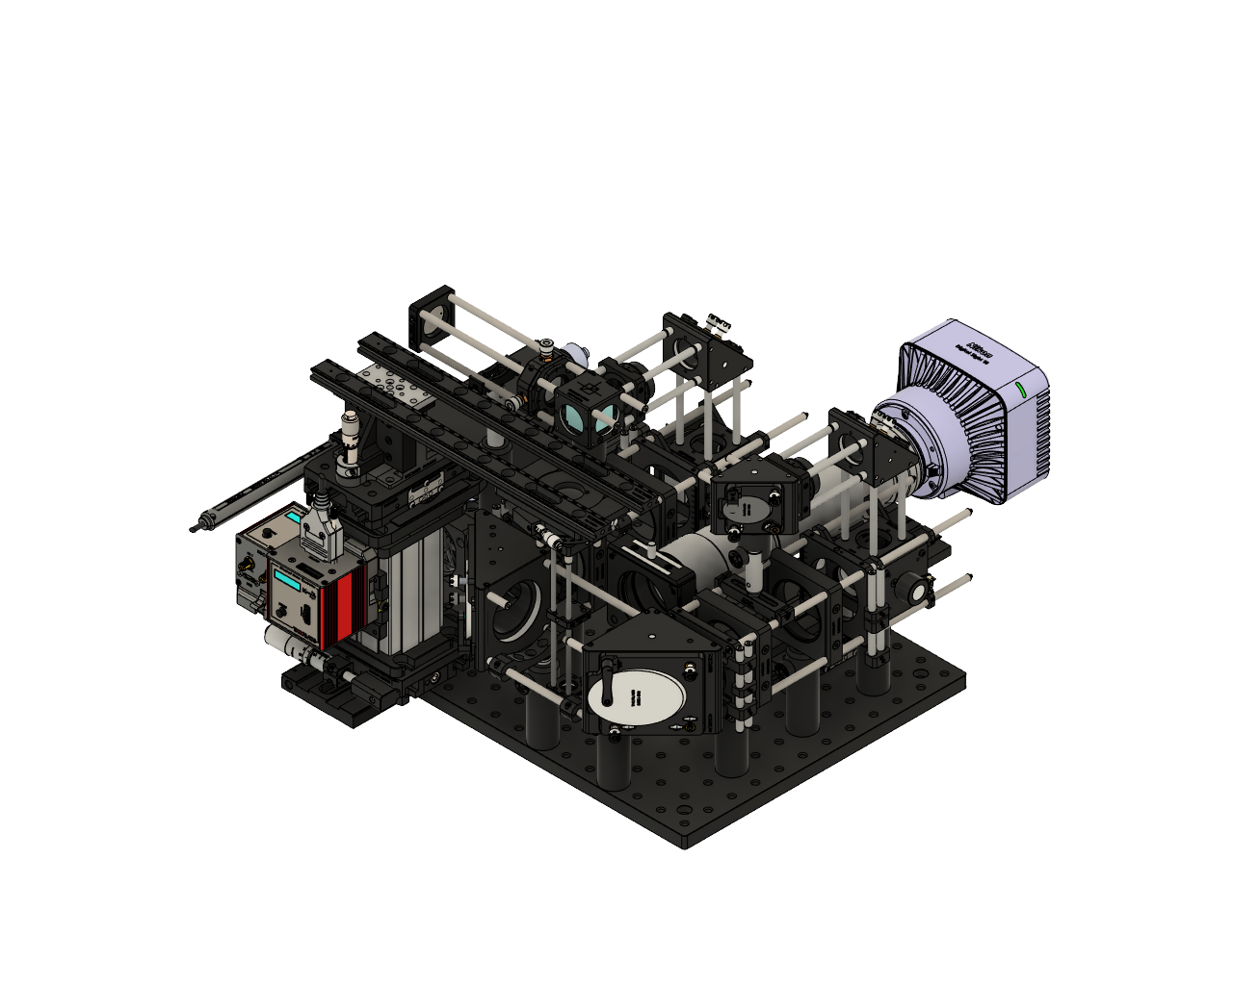
descSPIM-Fullmoon was provided by Department of Basic Veterinary Science, Joint Faculty of Veterinary Medicine, Kagoshima University,
 | descSPIM-Fullmoon ver. 260515 |  |  |  | Fullmoon
 | Det. Optics | Notes |  | Part Number | Quantity
 |  | CMOS camera ＊7 | Nikon | Digital Sight 50M | 1
 |  | CMOS camera software ＊8 | Nikon | NIS-Elements | ＊
 |  | 60 mm Cage Plate with Removable Filter Holder for Ø2" Optics, M4 Tap |  | LCFH2/M | 1
 |  | Extra Filter Holder Insert for Ø2" Optics for use with LCFH2(/M) |  | LCFH2-F | 2
 |  | 525nm CWL, 50mm Dia. Hard Coated OD 4.0 50nm Bandpass Filter ＊4-1 | Edmon | #86-963 | 1
 |  | 575nm 50mm Dia., High Performance Longpass Filter ＊4-1 | Edmon | #84-751 | 1
 |  | 675nm 50mm Dia., High Performance Longpass Filter ＊4-1 | Edmon | #84-753 | 1
 |  | SM2 (2.035"-40) Coupler, External Threads, 1/2" Long |  | SM2T2 | 1
 |  | Adapter with External SM2 Threads and Internal M52 x 0.75 Threads |  | SM2A52 | 1
 |  | Filter Ring Adapter: 9pcs Step Up Rings + 9pcs Step Down Rings | K&D Concept | SKU0629 | 1
 |  | 2x Telecentric Lens for Large Format, φ48mm ＊9 | Myutron | LSTL20H-F | ＊
 |  | 1x Telecentric Lens for Large Format, φ48mm ＊9 | Myutron | LSTL10H-F | ＊
 |  | 25 mm Travel Linear Translation Stage, Side-Mounted Micrometer, M6 x 1.0 Taps |  | XR25P/M | 1
 |  | 25 mm Motorized Actuator with Ø3/8" Barrel (0.5 m Cable) |  | Z825B(Z925B) | 1
 |  | K-Cube Brushed DC Servo Motor Controller (Power Supply Not Included) |  | KDC101 | 1
 |  | K-Cube Power Supply, 15V 2.4A, Japan |  | KPS201 | 1
 |  | Ø12.7 mm Optical Post, SS, M4 Setscrew, M6 Tap, L = 30 mm ＊10 |  | TR30/M | 2
 |  | Large V-Clamp with PM4/M Clamping Arm, 63.5 mm Long, Metric |  | VC3C/M | 1
 |  | 66 mm Single Dovetail Rail with Mounting Counterbores, L = 250 mm |  | XT66SD-250 | 1
 |  | Rail Carriage for 66 mm Rails with M4 & M6 Taps |  | XT66P2/M | 1
 |  | Ø1/2" Post Spacer, 2 mm Thick, Qty. 5 |  | TR2M | 1

 | Sample holder | Notes |  | Part Number | Quantity
 |  | 150mm Long Rail for XR25 |  | XR25DR2 | 1
 |  | Metric Linear Translation Platform, 25mm |  | XR25P/M | 2
 |  | 25 mm Motorized Actuator with Ø3/8" Barrel (0.5 m Cable) |  | Z825B(Z925B) | 1
 |  | K-Cube Brushed DC Servo Motor Controller (Power Supply Not Included) |  | KDC101 | 1
 |  | K-Cube Power Supply, 15V 2.4A, Japan |  | KPS201 | 1
 |  | 13mm Travel Manual Vertical Stage |  | MVS05/M | 1
 |  | Dovetail Optical Rail, 300 mm, Metric |  | RLA300/M | 2
 |  | High-Precision Rotation Stage, M6 and M4 Taps |  | PR01/M | 1
 |  | Cage Assembly Rod, 2" Long, Ø6 mm, 4 Pack |  | ER2-P4 | 1
 |  | Cage Assembly Rod, 4" Long, Ø6 mm, 4 Pack |  | ER4-P4 | 1
 |  | Compact Cage Assembly Rod, 1.5" Long, Ø4 mm, 4 Pack |  | SR1.5-P4 | 1
 |  | Blank 16 mm Cage Plate, 0.25" Thick, 4-40 and M3 Taps |  | SP01 | 1
 |  | 30 mm to 16 mm Cage Adapter Plate, M4 Tap |  | SP15/M | 1
 |  | 66 mm Construction Rail, L = 100 mm |  | XT66-100 | 1
 |  | Vertical Mounting Plate for 34 mm & 66 mm Optical Rails |  | XT66P1 | 2
 |  | Base Plate for Stages with 3" Dovetails, Metric Slot Spacing |  | XR25-B1/M | 1
 |  | Rail Carriage for 66 mm Rails with M4 & M6 Taps |  | XT66P2/M | 1

 | Ex. Optics | Notes |  | Part Number | Quantity
 |  | Metric Threaded Cage Plate |  | CP33/M | 1
 |  | SM1 to FC/APC Fiber Bulkhead Adapter ＊5 |  | SM1FCA | 1
 |  | High Precision Translating Lens Mount for 1" Optics |  | CXY1A | 1
 |  | f = 100 mm, Ø1" Achromatic Doublet, ARC: 400 - 700 nm |  | AC254-100-A | 1
 |  | Metric SM1 Right Angle Kinematic Mirror Mount |  | KCB1EC/M | 3
 |  | 1" Broadband Dielectric Elliptical Mirror, 400 - 750 nm |  | BBE1-E02 | 3
 |  | f = 500.0 mm, Ø1", N-BK7 Mounted Plano-Convex Round Cyl Lens, ARC 350-700 |  | LJ1144RM-A | 2
 |  | Ø12.7 mm Post Holder, Spring-Loaded Hex-Locking Thumbscrew, L=150 mm |  | PH150/M | 1
 |  | Cage Assembly Rod, 4" Long, Ø6 mm, 4 Pack |  | ER4-P4 | 4
 |  | Cage Assembly Rod, 2" Long, Ø6 mm, 4 Pack |  | ER2-P4 | 2
 |  | Cage Assembly Rod, 3" Long, Ø6 mm, 4 Pack |  | ER3-P4 | 2
 |  | Snap-On 30 mm Cage Mounting Bracket, #8 (M4) Slot |  | CPMA3 | 1
 |  | Cage Assembly Rod, 10" Long, Ø6 mm |  | ER10 | 6
 |  | Cage Assembly Rod, 6" Long, Ø6 mm, 4 Pack |  | ER6-P4 | 1
 |  | Cage Assembly Rod, 1.5" Long, Ø6 mm, 4 Pack |  | ER1.5-P4 | 2
 |  | Cage Assembly Rod, 1" Long, Ø6 mm, 4 Pack |  | ER1-P4 | 2
 |  | Cage Assembly Rod, 1/4" Long, Ø6 mm |  | ER025 | 10
 |  | 30 mm Cage Cube-Mounted Non-Polarizing Beamsplitter, 400 - 700 nm, M4 Tap |  | CCM1-BS013/M | 1
 |  | Cage Rotation Mount for Ø1" Optics, SM1 Threaded, M4 Tap |  | CRM1T/M | 2
 |  | SM1 Lens Tube, 0.30" Thread Depth, One Retaining Ring Included |  | SM1L03 | 2
 |  | Ø12.7 mm Optical Post, SS, M4 Setscrew, M6 Tap, L = 40 mm |  | TR40/M | 1
 |  | Ø12.7 mm Optical Post, SS, M4 Setscrew, M6 Tap, L = 50 mm |  | TR50/M | 7
 |  | Snap-On 60 mm Cage Mounting Bracket, M4 Tap |  | LCPMA4/M | 5
 |  | 60 mm Cage Mounting Bracket with M4 Captive Screw |  | LCP33C/M | 1
 |  | 60 mm Cage Mounting Bracket |  | LCP33B | 2
 |  | 1D Galvo 30 mm Cage System Mount |  | GCM001 | 2
 |  | 1D Galvo System, Silver-Coated Mirror, PSU Not Included |  | GVS001 | 2
 |  | 30 mm to 60 mm Cage Plate Adapter, 4 mm Thick |  | LCP4S | 4
 |  | 4-40 Stainless Steel Cap Screw, 5/16" Long, 50 Pack |  | SH4S031 | 1
 |  | 4-40 Stainless Steel Cap Screw, 3/16" Long, 50 Pack |  | SH4S019 | 1
 |  | Precision Cage Rotation Mount with Micrometer Drive, Ø1" Optics, M4 Tap |  | CRM1PT/M | 2
 |  | 60 mm Cage Mount for Cylindrical Lenses, M4 Tap |  | CYLCP/M(CYLCPA/M) | 2
 |  | Adapter with External SM1 Threads and Internal SM30 Threads, 0.29" Long |  | SM1A16 | 2
 |  | SM30 Lens Tube, 0.3" Thread Depth, One Retaining Ring Included |  | SM30L03 | 2
 |  | Standard Retaining Rings |  | SM30RR | 2
 |  | f = 29.99 mm, H = 20.00 mm, L = 22.0 mm, N-BK7 Plano-Convex Cylindrical Lens, Antireflection Coating: 350-700 nm |  | LJ1212L1-A | 2
 |  | f = 129.99 mm, H = 30.00 mm, L = 32.0 mm, N-BK7 Plano-Convex Cylindrical Lens, Antireflection Coating: 350-700 nm |  | LJ1640L1-A | 2
 |  | SM1 Series Alignment Disk |  | SM1A7 | 2
 |  | Ø12.7 mm Post Holder, Spring-Loaded Hex-Locking Thumbscrew, L=75 mm |  | PH75/M | 6
 |  | Right-Angle Kinematic Elliptical Mirror Mount with Smooth Cage Rod Bores, 60 mm Cage System and SM2 Compatible, M4 and M6 Mounting Holes |  | KCB2EC/M | 2
 |  | 2" Broadband Dielectric Elliptical Mirror, 400 - 750 nm |  | BBE2-E02 | 2

 | Others | Notes |  | Part Number | Quantity
 |  | Aluminum Breadboard, 300 mm x 450 mm x 12.7 mm, M6 Taps |  | MB3045/M | 1
 |  | Magnetic Laser Safety Screen, 200 mm x 75 mm, Metric Engraving |  | TPSM1/M | 1
 |  | 15-Piece Balldriver and Hex Key Kit with Stand, Metric |  | TC3/M | 1
 |  | M6 x 1.0 Stainless Steel Cap Screw, 10 mm Long, 25 Pack |  | SH6MS10 | 1
 |  | M4 x 0.7 Stainless Steel Cap Screw, 6 mm Long, 50 Pack |  | SH4MS06 | 1
 |  | M6 x 1.0 Stainless Steel Setscrew, 10 mm Long, 25 Pack |  | SS6MS10 | 1
 |  | M6 x 1.0 Stainless Steel Nut, 50 Pack |  | N6MS010 | 1
 |  | Cage Alignment Target | Sigmakoki | C30-TGP-17 | 2
 |  | Cage Alignment Target | Sigmakoki | C60-TGP-32 | 2

 | Besides Thorlabs | Multi-line laser ligh source (Cobolt skyra etc.) ＊6
 |  | Multi-line laser ligh source (Coherent OBIS, Cobolt 06 series etc.) ＊6
 |  | M6 cap screw (60 mm-length) |  | e.g. TRUSCO PRO TOOL B44-0660 | -
 |  | 4-side cleared BK7 cuvette (Opt. Length 10 mm or 20 mm; GL Science etc) |  | F10-G-10 or F10-G-20 (GL Science) | ＊
 |  | 4-side cleared disposable cuvette (Opt. Length 10 mm; Thermo Fisher Scientific, Bio-Rad etc) |  | 14-955-129 (Thermo Fischer) 1702415 (Bio-Rad)

 | ＊1 Other monochro cameras (Thorlabs or others) are acceptable accoding to desired FOV
 | ＊2 The tube lens of 200 mm focal length with additional SM1L35 can be set for 2X magnification.
 | ＊3 If you use the filter wheel (LTFW6; 50,755 JPY), SM1M05 should be exchange to SM1L05.
 | ＊4-1 Filters should be selected by users
 | ＊4−2 Filter holder is designed for >3.5 mm thickness. If thinner, SM1QU/SM1QTU can be used.
 | ＊5 If FC/PC fiber, SM1FC can be used.
 | ＊6 Sigle-mode fiber coupled laser light source

 | ＊7 Other monochrome cameras (Nikon or others) are acceptable depending on the desired FOV and resolution. A camera equipped with a large sensor is recommended.
 | ＊8 Required when using a NIKON camera. Any package that enables automated time-lapse imaging is acceptable.
 | ＊9 Select according to the sample size. A 1× lens combined with a full-frame sensor camera can capture an area of approximately 18 mm × 12 mm, while a 2× lens can capture approximately 36 mm × 24 mm.
 | ＊10 TR30/M-JP can also be used if modifying from descSPIM-basic.

