Sheet1
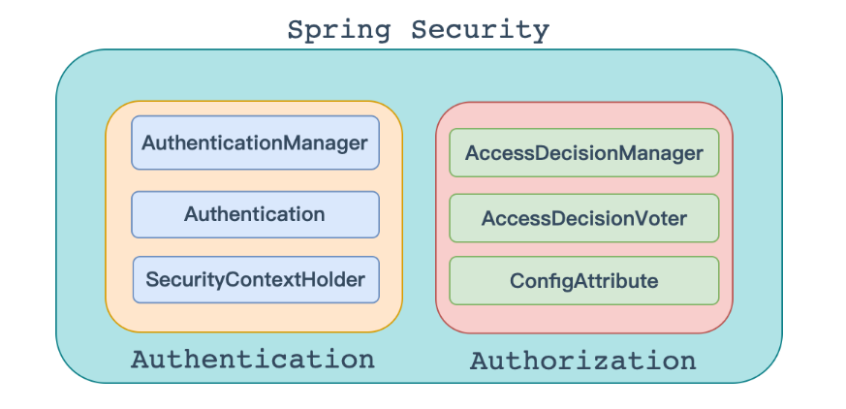
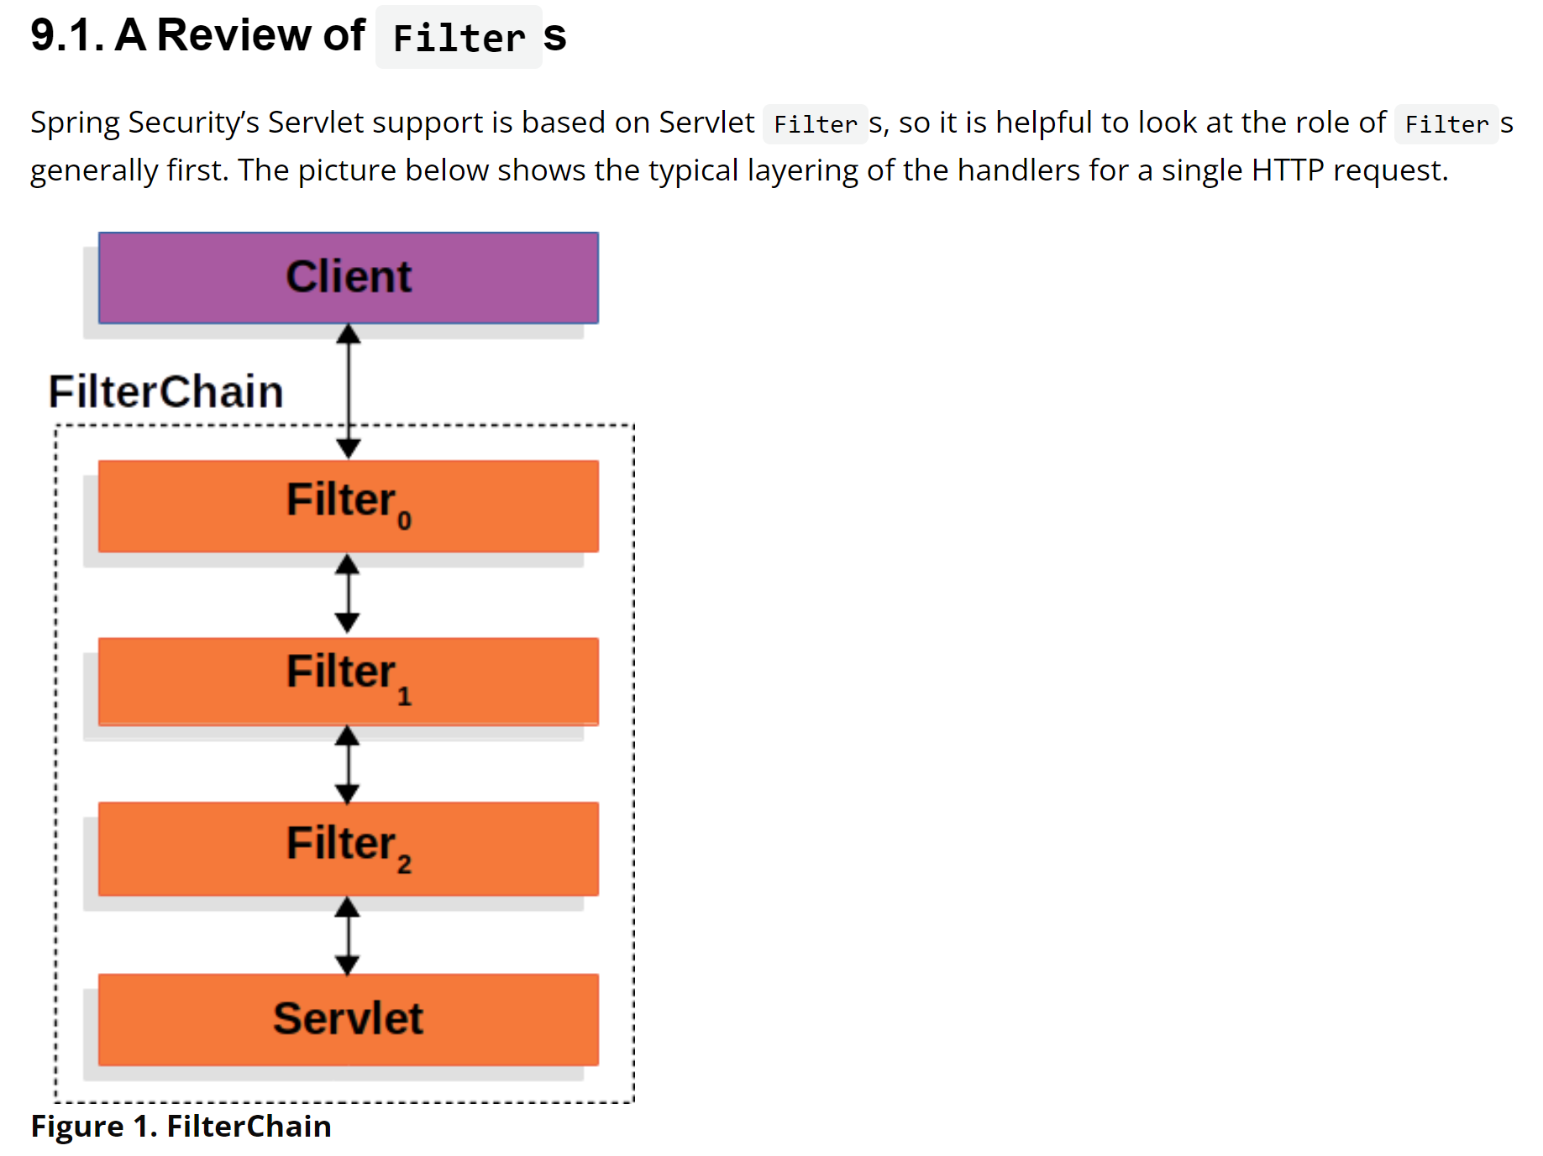
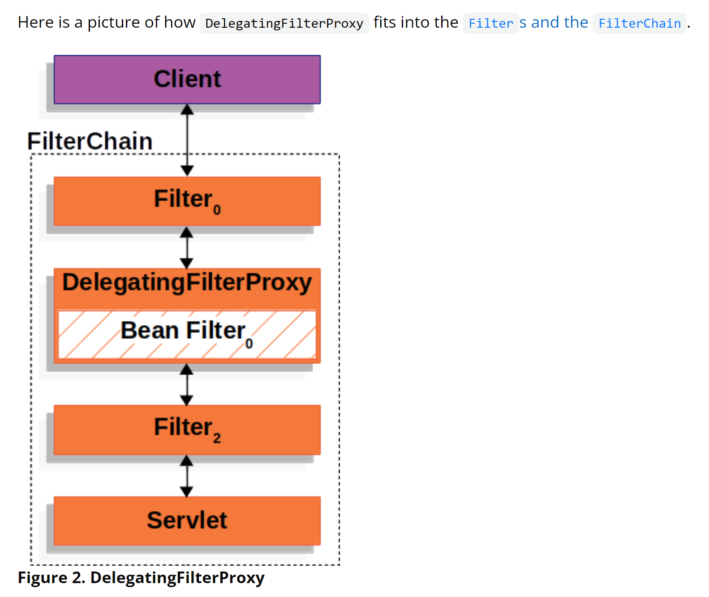
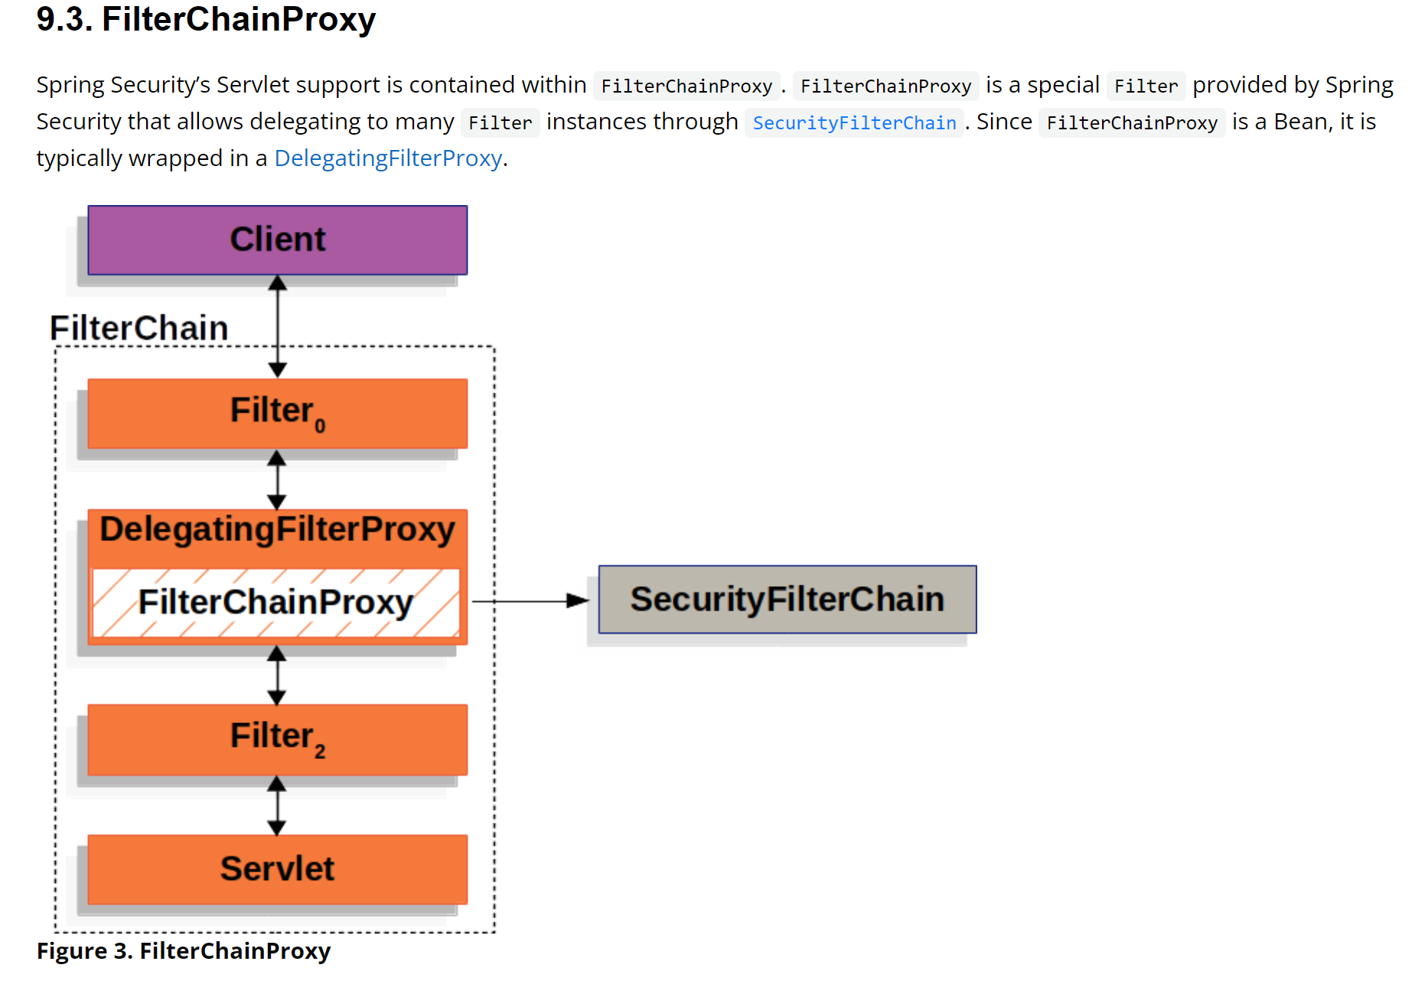
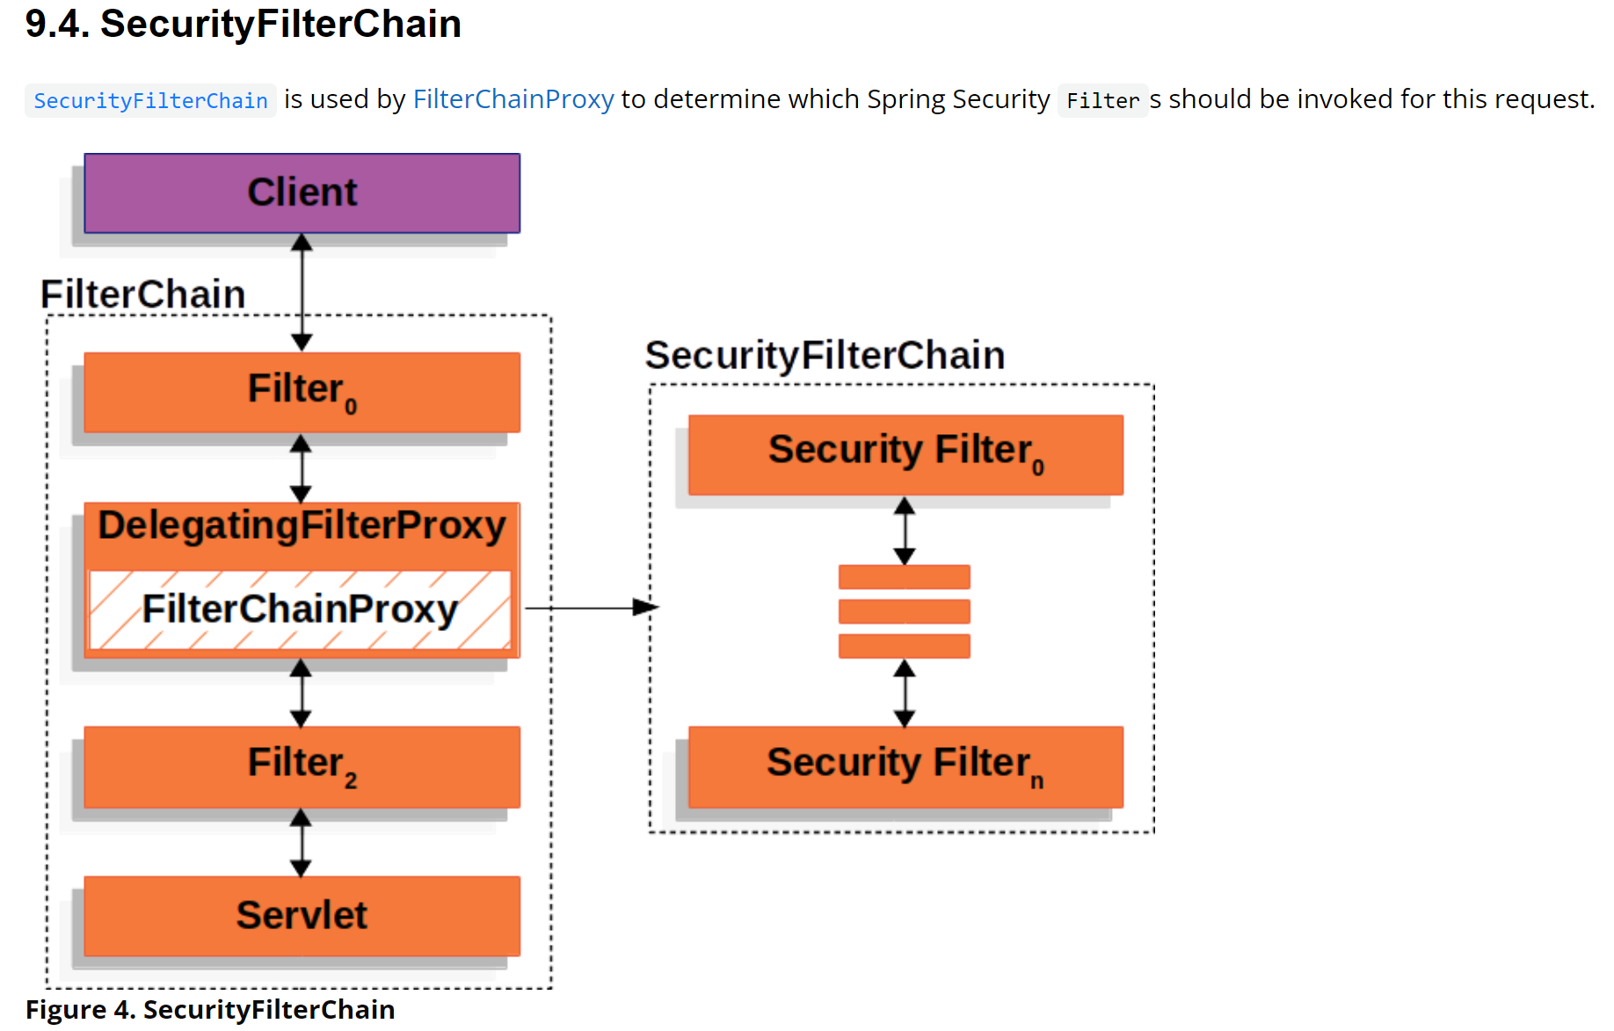
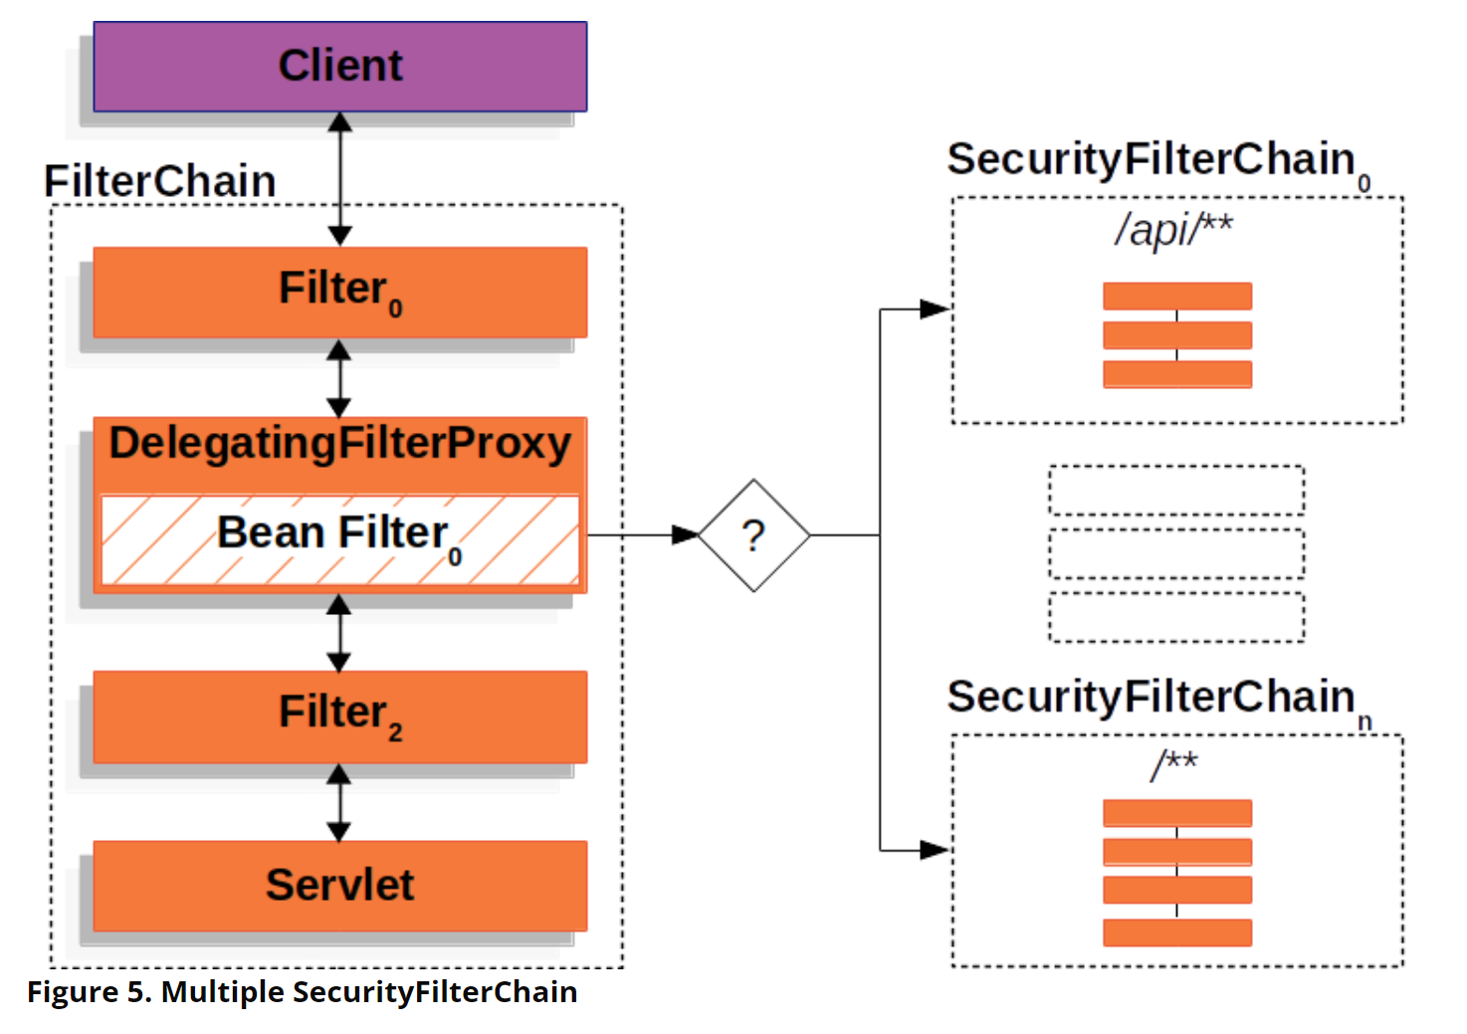
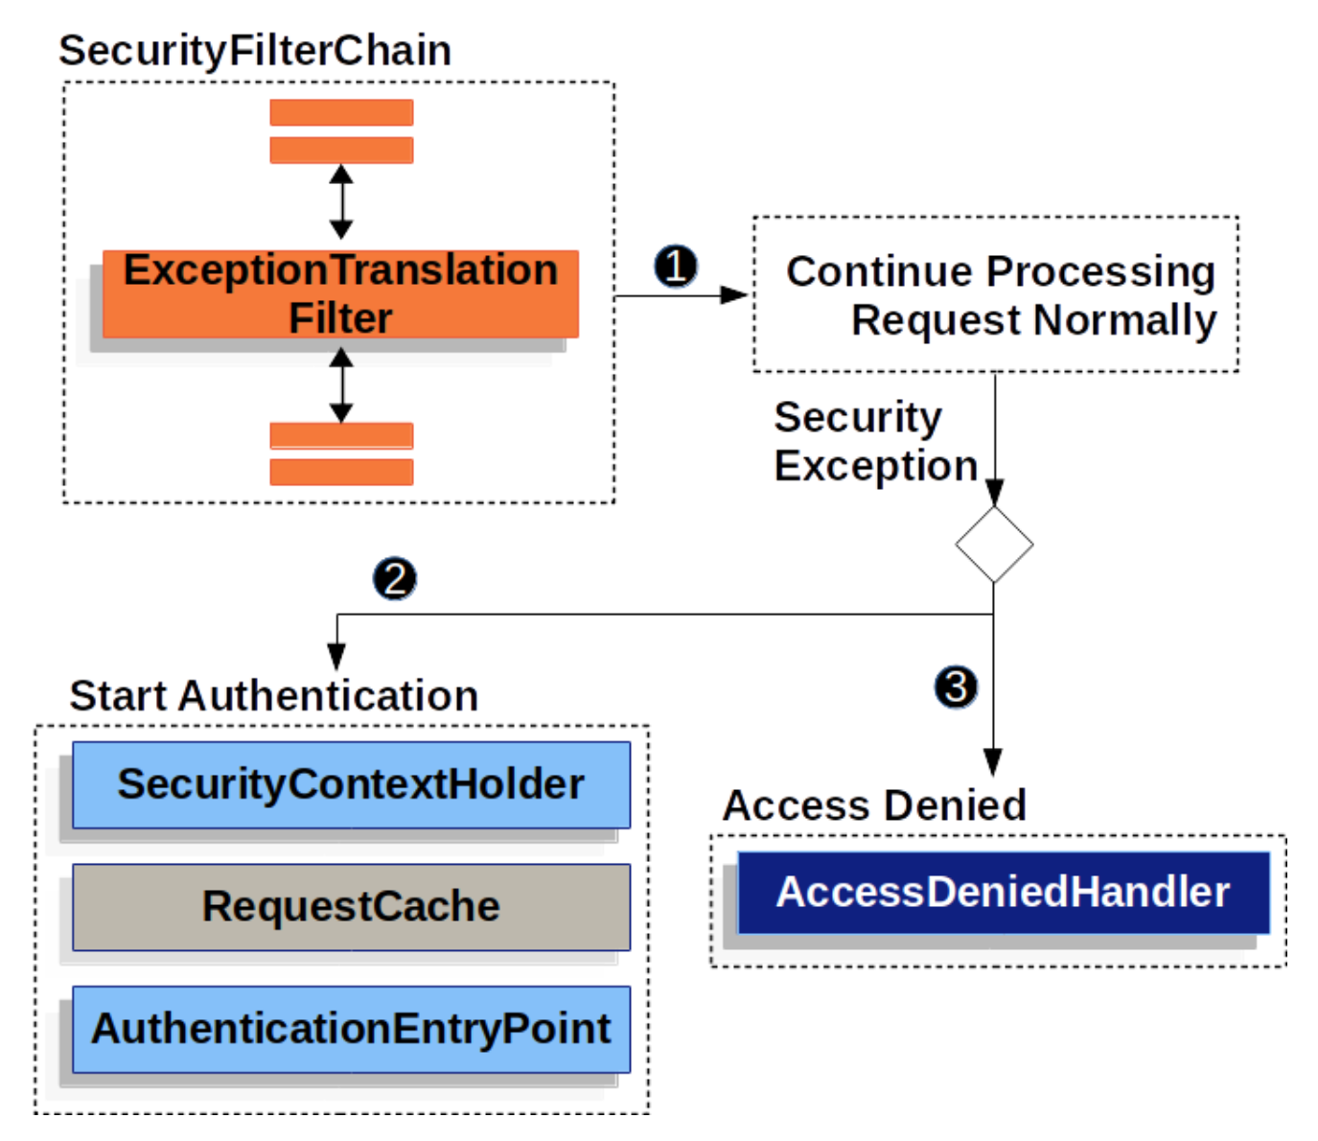
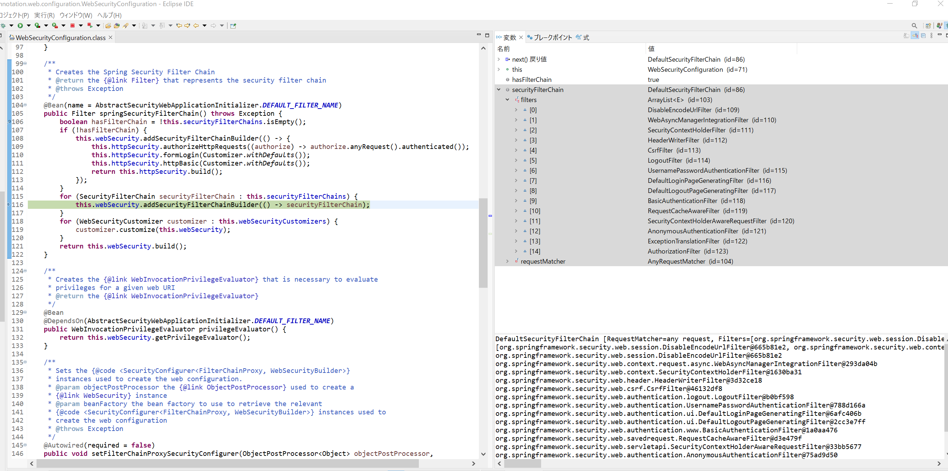

securityFilterChain | DefaultSecurityFilterChain (id=86)
 | filters | ArrayList<E> (id=103)
 |  | [0] | DisableEncodeUrlFilter (id=109)
 |  | [1] | WebAsyncManagerIntegrationFilter (id=110)
 |  | [2] | SecurityContextHolderFilter (id=111)
 |  | [3] | HeaderWriterFilter (id=112)
 |  | [4] | CsrfFilter (id=113)
 |  | [5] | LogoutFilter (id=114)
 |  | [6] | UsernamePasswordAuthenticationFilter (id=115)
 |  | [7] | DefaultLoginPageGeneratingFilter (id=116)
 |  | [8] | DefaultLogoutPageGeneratingFilter (id=117)
 |  | [9] | BasicAuthenticationFilter (id=118)
 |  | [10] | RequestCacheAwareFilter (id=119)
 |  | [11] | SecurityContextHolderAwareRequestFilter (id=120)
 |  | [12] | AnonymousAuthenticationFilter (id=121)
 |  | [13] | ExceptionTranslationFilter (id=122)
 |  | [14] | AuthorizationFilter (id=123)
 | requestMatcher | AnyRequestMatcher (id=104)

Sheet2
