数据准备
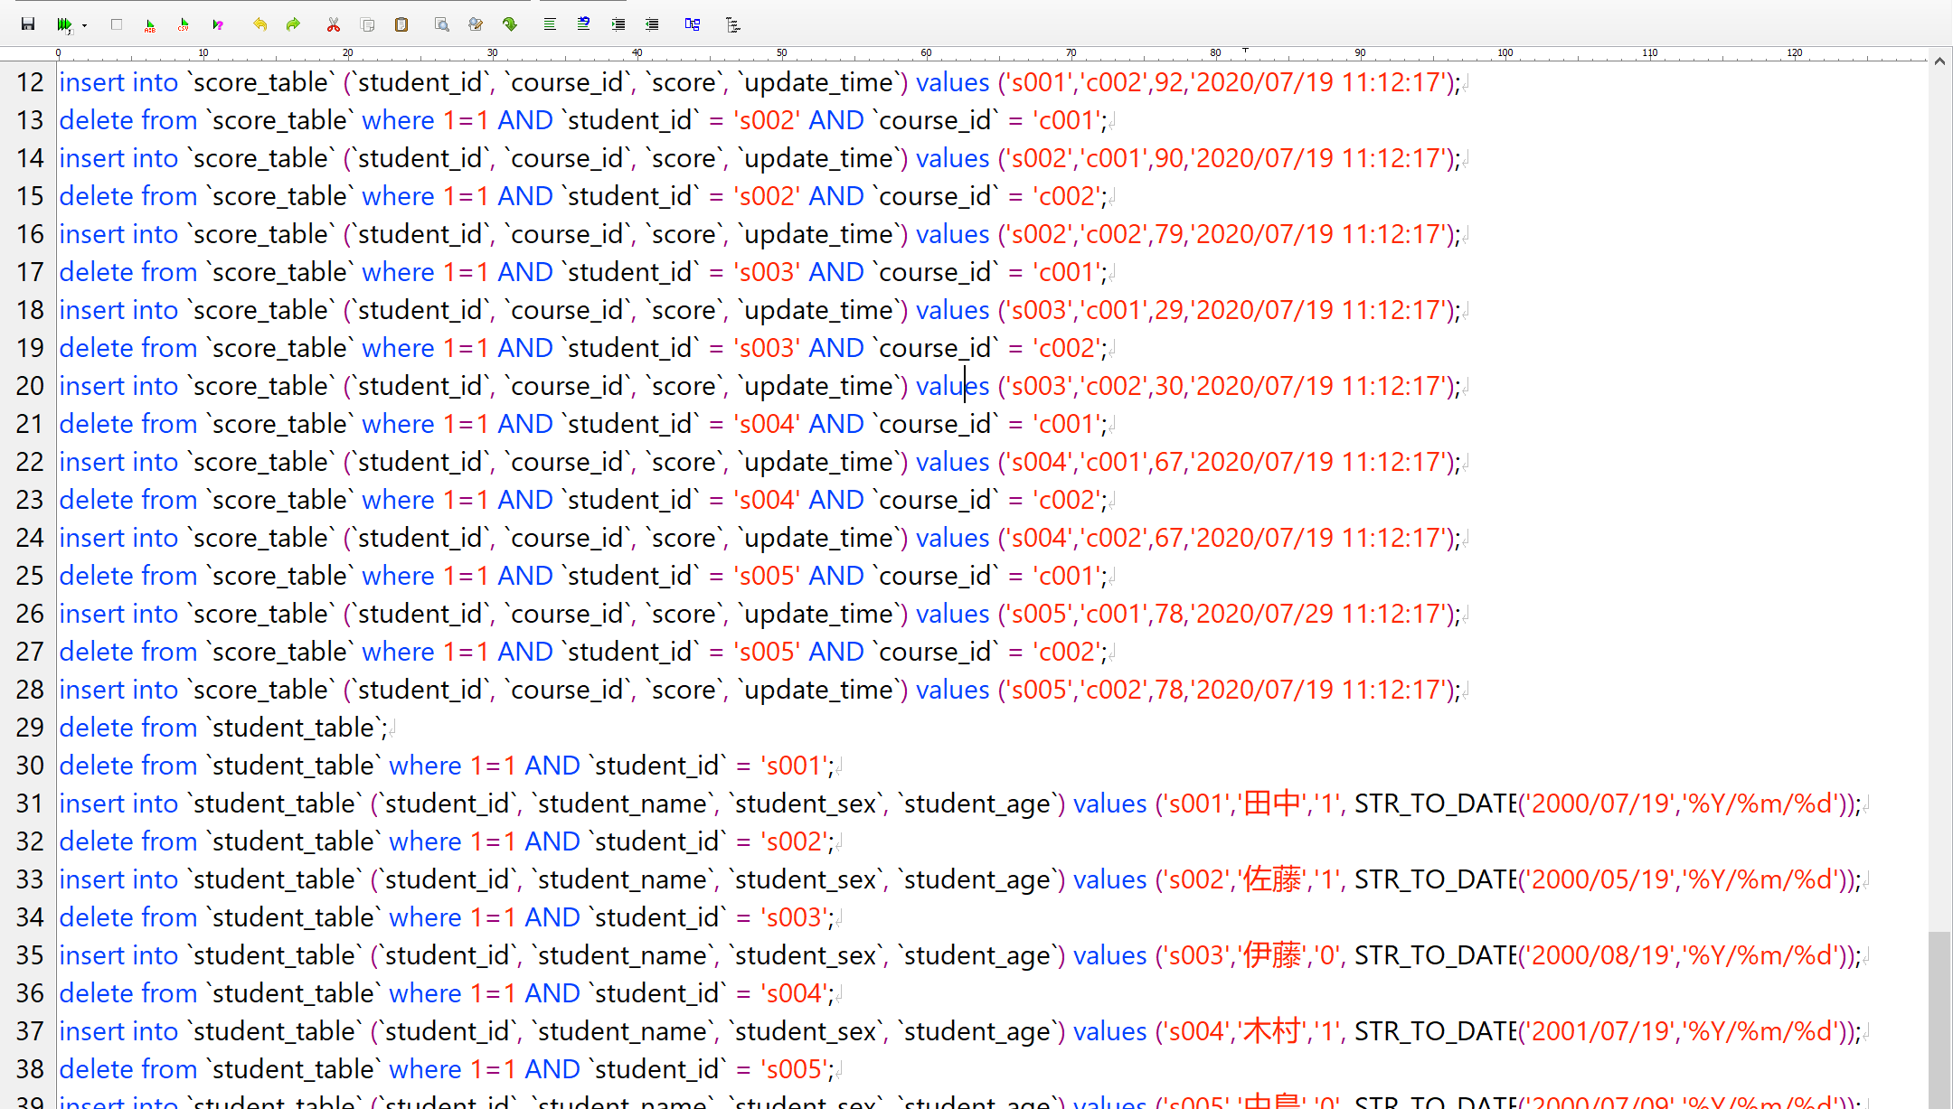
delete from `course_table`;
delete from `course_table` where 1=1 AND `course_id` = 'c001';
insert into `course_table` (`course_id`, `course_name`, `teacher_id`) values ('c001','日本語','t001');
delete from `course_table` where 1=1 AND `course_id` = 'c002';
insert into `course_table` (`course_id`, `course_name`, `teacher_id`) values ('c002','数学','t002');
delete from `course_table` where 1=1 AND `course_id` = 'c003';
insert into `course_table` (`course_id`, `course_name`, `teacher_id`) values ('c003','英語','t003');
delete from `score_table`;
delete from `score_table` where 1=1 AND `student_id` = 's001' AND `course_id` = 'c001';
insert into `score_table` (`student_id`, `course_id`, `score`, `update_time`) values ('s001','c001',80,'2020/07/19 11:12:17');
delete from `score_table` where 1=1 AND `student_id` = 's001' AND `course_id` = 'c002';
insert into `score_table` (`student_id`, `course_id`, `score`, `update_time`) values ('s001','c002',92,'2020/07/19 11:12:17');
delete from `score_table` where 1=1 AND `student_id` = 's002' AND `course_id` = 'c001';
insert into `score_table` (`student_id`, `course_id`, `score`, `update_time`) values ('s002','c001',90,'2020/07/19 11:12:17');
delete from `score_table` where 1=1 AND `student_id` = 's002' AND `course_id` = 'c002';
insert into `score_table` (`student_id`, `course_id`, `score`, `update_time`) values ('s002','c002',79,'2020/07/19 11:12:17');
delete from `score_table` where 1=1 AND `student_id` = 's003' AND `course_id` = 'c001';
insert into `score_table` (`student_id`, `course_id`, `score`, `update_time`) values ('s003','c001',29,'2020/07/19 11:12:17');
delete from `score_table` where 1=1 AND `student_id` = 's003' AND `course_id` = 'c002';
insert into `score_table` (`student_id`, `course_id`, `score`, `update_time`) values ('s003','c002',30,'2020/07/19 11:12:17');
delete from `score_table` where 1=1 AND `student_id` = 's004' AND `course_id` = 'c001';
insert into `score_table` (`student_id`, `course_id`, `score`, `update_time`) values ('s004','c001',67,'2020/07/19 11:12:17');
delete from `score_table` where 1=1 AND `student_id` = 's004' AND `course_id` = 'c002';
insert into `score_table` (`student_id`, `course_id`, `score`, `update_time`) values ('s004','c002',67,'2020/07/19 11:12:17');
delete from `score_table` where 1=1 AND `student_id` = 's005' AND `course_id` = 'c001';
insert into `score_table` (`student_id`, `course_id`, `score`, `update_time`) values ('s005','c001',78,'2020/07/29 11:12:17');
delete from `score_table` where 1=1 AND `student_id` = 's005' AND `course_id` = 'c002';
insert into `score_table` (`student_id`, `course_id`, `score`, `update_time`) values ('s005','c002',78,'2020/07/19 11:12:17');
delete from `student_table`;
delete from `student_table` where 1=1 AND `student_id` = 's001';
insert into `student_table` (`student_id`, `student_name`, `student_sex`, `student_age`) values ('s001','田中','1', STR_TO_DATE('2000/07/19','%Y/%m/%d'));
delete from `student_table` where 1=1 AND `student_id` = 's002';
insert into `student_table` (`student_id`, `student_name`, `student_sex`, `student_age`) values ('s002','佐藤','1', STR_TO_DATE('2000/05/19','%Y/%m/%d'));
delete from `student_table` where 1=1 AND `student_id` = 's003';
insert into `student_table` (`student_id`, `student_name`, `student_sex`, `student_age`) values ('s003','伊藤','0', STR_TO_DATE('2000/08/19','%Y/%m/%d'));
delete from `student_table` where 1=1 AND `student_id` = 's004';
insert into `student_table` (`student_id`, `student_name`, `student_sex`, `student_age`) values ('s004','木村','1', STR_TO_DATE('2001/07/19','%Y/%m/%d'));
delete from `student_table` where 1=1 AND `student_id` = 's005';
insert into `student_table` (`student_id`, `student_name`, `student_sex`, `student_age`) values ('s005','中島','0', STR_TO_DATE('2000/07/09','%Y/%m/%d'));
delete from `teacher_table`;
delete from `teacher_table` where 1=1 AND `teacher_id` = 't001';
insert into `teacher_table` (`teacher_id`, `teacher_name`, `teacher_sex`, `teacher_age`) values ('t001','安部','1', STR_TO_DATE('1978/07/19','%Y/%m/%d'));
delete from `teacher_table` where 1=1 AND `teacher_id` = 't002';
insert into `teacher_table` (`teacher_id`, `teacher_name`, `teacher_sex`, `teacher_age`) values ('t002','小林','0', STR_TO_DATE('1988/12/13','%Y/%m/%d'));

宿題
1.检索每门课程的平均分数

2.按照课程名和分数级别分组查询对应人数
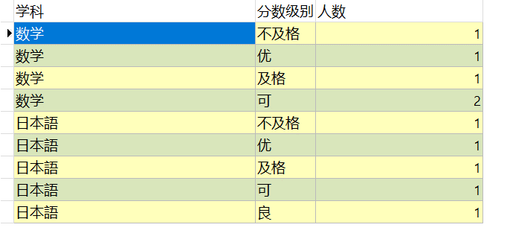

3.检索所有包含有’語’字的学科名称，和学科名称所对应的老师名称
如果没有所对应的老师姓名，老师姓名处用‘待定’来标记

4.检索出还没有被分配给老师的学科名称。

5.按年龄分组查询每个年龄段的学生人数。

6.检索出每门课程的最高分数，及所对应的学生姓名。

