数据准备
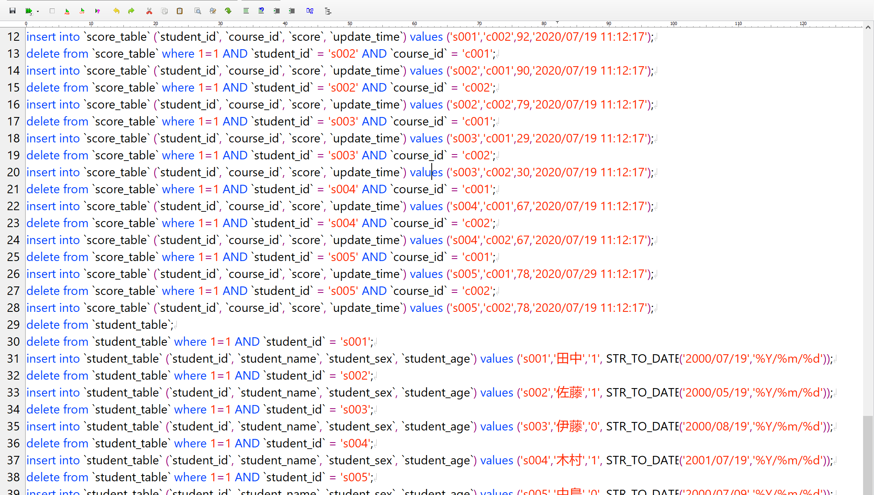
delete from `course_table`;
delete from `course_table` where 1=1 AND `course_id` = 'c001';
insert into `course_table` (`course_id`, `course_name`, `teacher_id`) values ('c001','日本語','t001');
delete from `course_table` where 1=1 AND `course_id` = 'c002';
insert into `course_table` (`course_id`, `course_name`, `teacher_id`) values ('c002','数学','t002');
delete from `course_table` where 1=1 AND `course_id` = 'c003';
insert into `course_table` (`course_id`, `course_name`, `teacher_id`) values ('c003','英語','t003');
delete from `score_table`;
delete from `score_table` where 1=1 AND `student_id` = 's001' AND `course_id` = 'c001';
insert into `score_table` (`student_id`, `course_id`, `score`, `update_time`) values ('s001','c001',80,'2020/07/19 11:12:17');
delete from `score_table` where 1=1 AND `student_id` = 's001' AND `course_id` = 'c002';
insert into `score_table` (`student_id`, `course_id`, `score`, `update_time`) values ('s001','c002',92,'2020/07/19 11:12:17');
delete from `score_table` where 1=1 AND `student_id` = 's002' AND `course_id` = 'c001';
insert into `score_table` (`student_id`, `course_id`, `score`, `update_time`) values ('s002','c001',90,'2020/07/19 11:12:17');
delete from `score_table` where 1=1 AND `student_id` = 's002' AND `course_id` = 'c002';
insert into `score_table` (`student_id`, `course_id`, `score`, `update_time`) values ('s002','c002',79,'2020/07/19 11:12:17');
delete from `score_table` where 1=1 AND `student_id` = 's003' AND `course_id` = 'c001';
insert into `score_table` (`student_id`, `course_id`, `score`, `update_time`) values ('s003','c001',29,'2020/07/19 11:12:17');
delete from `score_table` where 1=1 AND `student_id` = 's003' AND `course_id` = 'c002';
insert into `score_table` (`student_id`, `course_id`, `score`, `update_time`) values ('s003','c002',30,'2020/07/19 11:12:17');
delete from `score_table` where 1=1 AND `student_id` = 's004' AND `course_id` = 'c001';
insert into `score_table` (`student_id`, `course_id`, `score`, `update_time`) values ('s004','c001',67,'2020/07/19 11:12:17');
delete from `score_table` where 1=1 AND `student_id` = 's004' AND `course_id` = 'c002';
insert into `score_table` (`student_id`, `course_id`, `score`, `update_time`) values ('s004','c002',67,'2020/07/19 11:12:17');
delete from `score_table` where 1=1 AND `student_id` = 's005' AND `course_id` = 'c001';
insert into `score_table` (`student_id`, `course_id`, `score`, `update_time`) values ('s005','c001',78,'2020/07/29 11:12:17');
delete from `score_table` where 1=1 AND `student_id` = 's005' AND `course_id` = 'c002';
insert into `score_table` (`student_id`, `course_id`, `score`, `update_time`) values ('s005','c002',78,'2020/07/19 11:12:17');
delete from `student_table`;
delete from `student_table` where 1=1 AND `student_id` = 's001';
insert into `student_table` (`student_id`, `student_name`, `student_sex`, `student_age`) values ('s001','田中','1', STR_TO_DATE('2000/07/19','%Y/%m/%d'));
delete from `student_table` where 1=1 AND `student_id` = 's002';
insert into `student_table` (`student_id`, `student_name`, `student_sex`, `student_age`) values ('s002','佐藤','1', STR_TO_DATE('2000/05/19','%Y/%m/%d'));
delete from `student_table` where 1=1 AND `student_id` = 's003';
insert into `student_table` (`student_id`, `student_name`, `student_sex`, `student_age`) values ('s003','伊藤','0', STR_TO_DATE('2000/08/19','%Y/%m/%d'));
delete from `student_table` where 1=1 AND `student_id` = 's004';
insert into `student_table` (`student_id`, `student_name`, `student_sex`, `student_age`) values ('s004','木村','1', STR_TO_DATE('2001/07/19','%Y/%m/%d'));
delete from `student_table` where 1=1 AND `student_id` = 's005';
insert into `student_table` (`student_id`, `student_name`, `student_sex`, `student_age`) values ('s005','中島','0', STR_TO_DATE('2000/07/09','%Y/%m/%d'));
delete from `teacher_table`;
delete from `teacher_table` where 1=1 AND `teacher_id` = 't001';
insert into `teacher_table` (`teacher_id`, `teacher_name`, `teacher_sex`, `teacher_age`) values ('t001','安部','1', STR_TO_DATE('1978/07/19','%Y/%m/%d'));
delete from `teacher_table` where 1=1 AND `teacher_id` = 't002';
insert into `teacher_table` (`teacher_id`, `teacher_name`, `teacher_sex`, `teacher_age`) values ('t002','小林','0', STR_TO_DATE('1988/12/13','%Y/%m/%d'));

宿題
1.检索每门课程的平均分数 | 各コースの平均点数を検索する。

2.按照课程名和分数级别分组查询对应人数 | コース名と点数レベルでグループ化し、対応する人数を照会する。
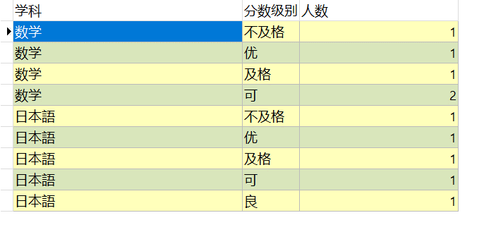

3.检索所有包含有’語’字的学科名称，和学科名称所对应的老师名称 | ‘語’の字を含むすべての学科名と、それに対応する教師の名前を検索する。
如果没有所对应的老师姓名，老师姓名处用‘待定’来标记 | 対応する教師の名前がない場合は、教師の名前の欄に「未定」と記載する。

 | まだ教師に割り当てられていない学科名を検索する。
4.检索出还没有被分配给老师的学科名称。

 | 年齢別にグループ化し、各年齢層の学生数を照会する。
5.按年龄分组查询每个年龄段的学生人数。

6.检索出每门课程的最高分数，及所对应的学生姓名。 | 各コースの最高点と、それに対応する学生の名前を検索する。

１
1.检索每门课程的平均分数
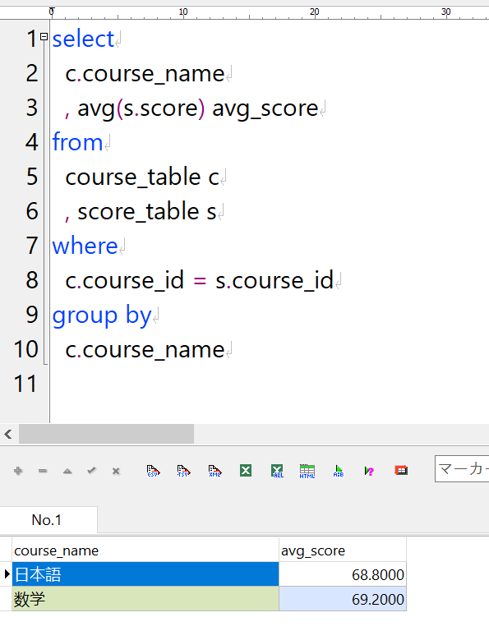
 |  |  | select
 |  |  | c.course_name
 |  |  | , avg(s.score) avg_score
 |  |  | from
 |  |  | course_table c
 |  |  | , score_table s
 |  |  | where
 |  |  | c.course_id = s.course_id
 |  |  | group by
 |  |  | c.course_name

 | 使用GROUP BY时，需要注意点

 |  | 正常情况GROUP BY里面的字段，在SELECT里面要有。

 |  | SELECT里面有的字段，在GROUP BY里一定要有。

2
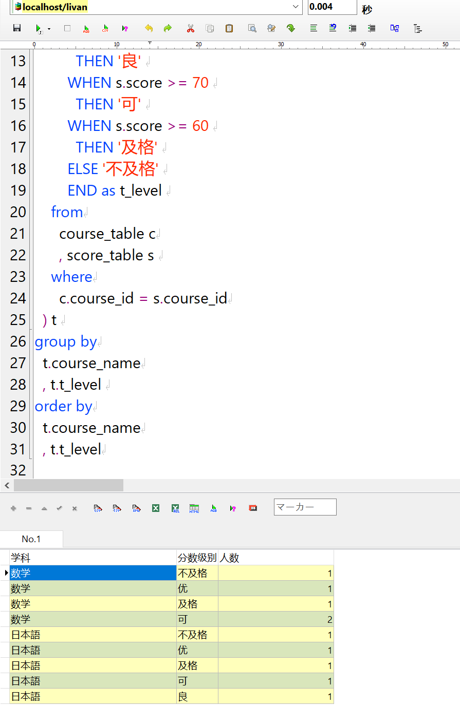
2.按照课程名和分数级别分组查询对应人数
 | select
 | t.course_name as '学科'
 | , t.t_level as '分数级别'
 | , count(1) as '人数'
 | from
 | (
 | select
 | c.course_name
 | , CASE
 | WHEN s.score >= 90
 | THEN '优'
 | WHEN s.score >= 80
 | THEN '良'
 | WHEN s.score >= 70
 | THEN '可'
 | WHEN s.score >= 60
 | THEN '及格'
 | ELSE '不及格'
 | END as t_level
 | from
 | course_table c
 | , score_table s
 | where
 | c.course_id = s.course_id
 | ) t
 | group by
 | t.course_name
 | , t.t_level
 | order by
 | t.course_name
 | , t.t_level

３
3.检索所有包含有’語’字的学科名称，和学科名称所对应的老师名称
如果没有所对应的老师姓名，老师姓名处用‘待定’来标记 | select
 | c.course_name
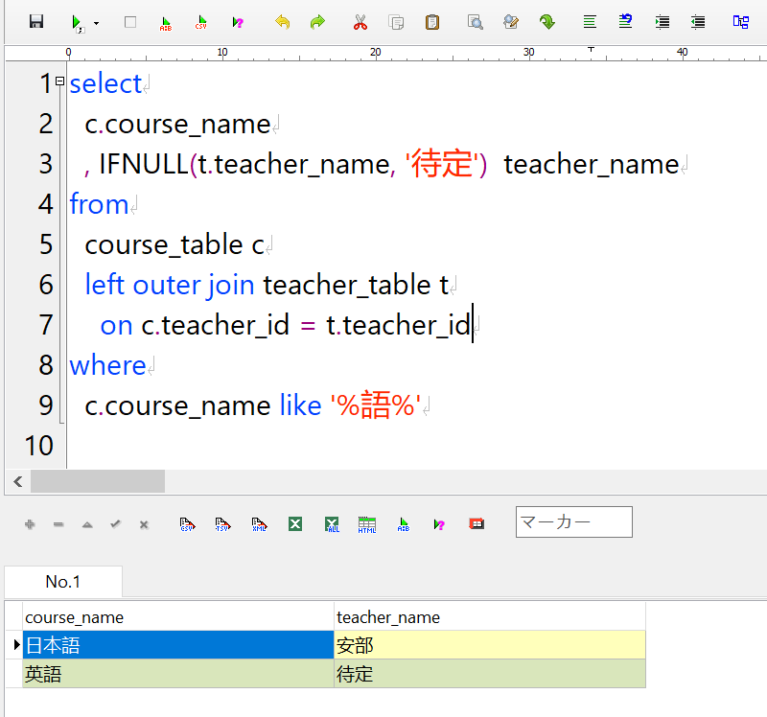
 | , IFNULL(t.teacher_name, '待定') teacher_name
 | from
 | course_table c
 | left outer join teacher_table t
 | on c.teacher_id = t.teacher_id
 | where
 | c.course_name like '%語%'

４
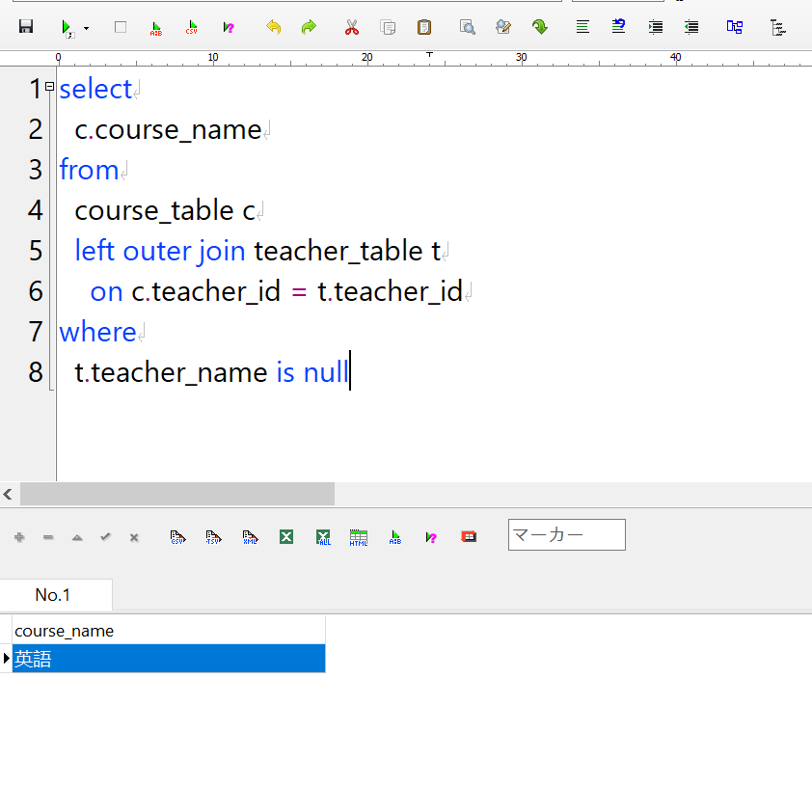
4.检索出还没有被分配给老师的学科名称。
 | select
 | c.course_name
 | from
 | course_table c
 | left outer join teacher_table t
 | on c.teacher_id = t.teacher_id
 | where
 | t.teacher_name is null

５
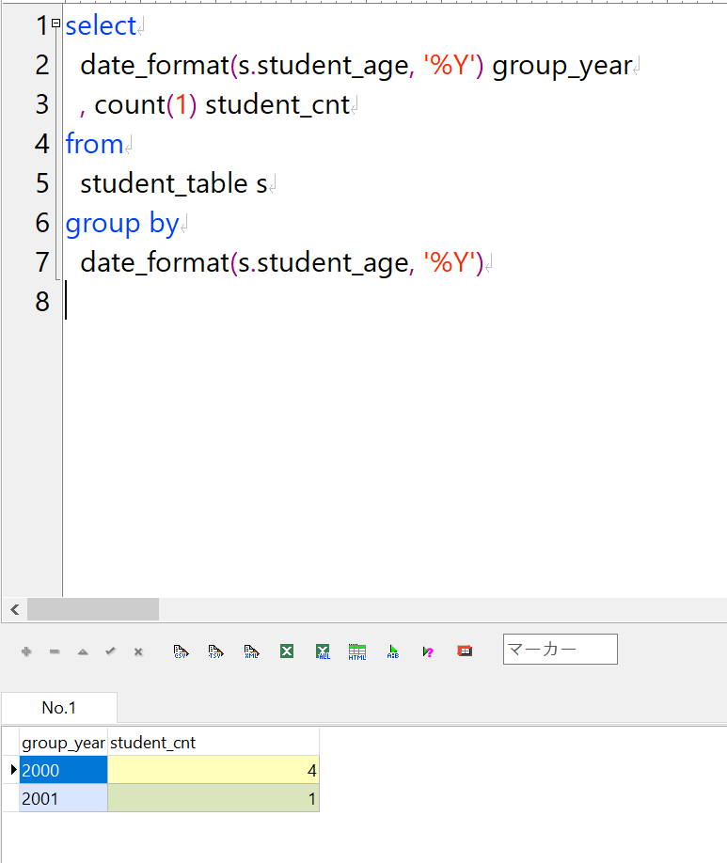
5.按年龄分组查询每个年龄段的学生人数。
 | select
 | date_format(s.student_age, '%Y') group_year
 | , count(1) student_cnt
 | from
 | student_table s
 | group by
 | date_format(s.student_age, '%Y')

6_1
6.检索出每门课程的最高分数，及所对应的学生姓名。

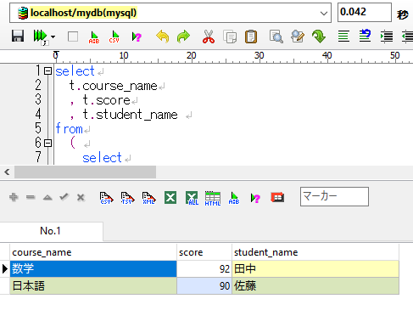
 | select
 | t.course_name
 | , t.score
 | , t.student_name
 | from
 | (
 | select
 | row_number() over (
 | partition by
 | c.course_name
 | order by
 | s.score DESC
 | ) as order_no
 | , c.course_name
 | , s.score
 | , st.student_name
 | from
 | course_table c
 | , score_table s
 | , student_table st
explain | where
+-PRIMARY <derived2> ref <auto_key0> const | c.course_id = s.course_id
+-DERIVED c ALL (Using temporary; Using filesort) | and s.student_id = st.student_id
+-DERIVED s ALL (Using where; Using join buffer (Block Nested Loop)) | ) t
+-DERIVED st eq_ref PRIMARY mydb01.s.student_id | where
 | order_no = 1

6_2
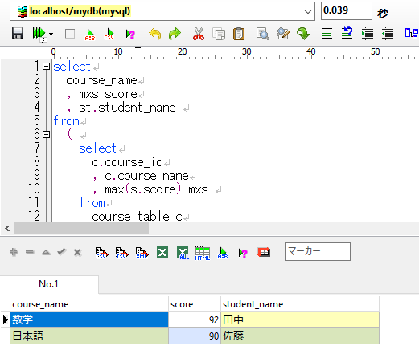
6.检索出每门课程的最高分数，及所对应的学生姓名。
 | select
 | course_name
 | , mxs score
 | , st.student_name
 | from
 | (
 | select
 | c.course_id
 | , c.course_name
 | , max(s.score) mxs
 | from
 | course_table c
 | , score_table s
 | where
 | c.course_id = s.course_id
 | group by
 | course_id
 | , course_name
 | ) t
 | , score_table s
 | , student_table st
 | where
 | t.course_id = s.course_id
 | and t.mxs = s.score
 | and s.student_id = st.student_id

explain
+-PRIMARY <derived2> ALL
| +-DERIVED c ALL (Using temporary)
| +-DERIVED s ALL (Using where; Using join buffer (Block Nested Loop))
+-PRIMARY s ALL (Using where; Using join buffer (Block Nested Loop))
+-PRIMARY st eq_ref PRIMARY mydb01.s.student_id

调优
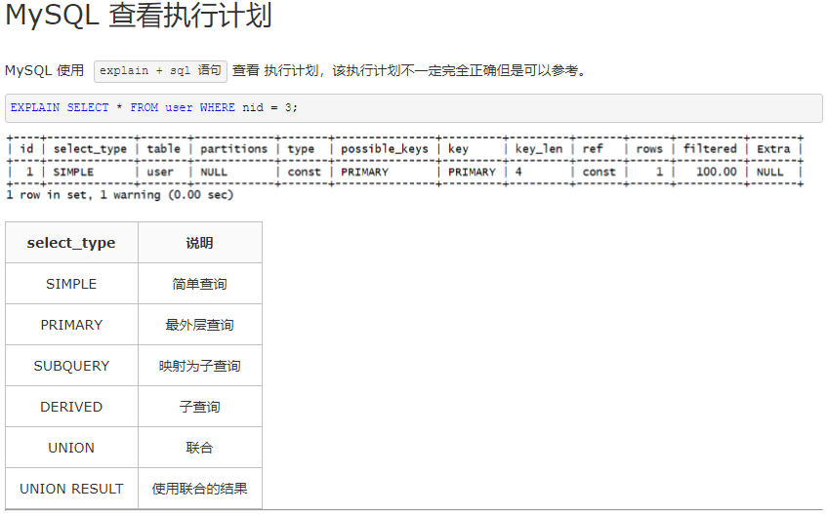
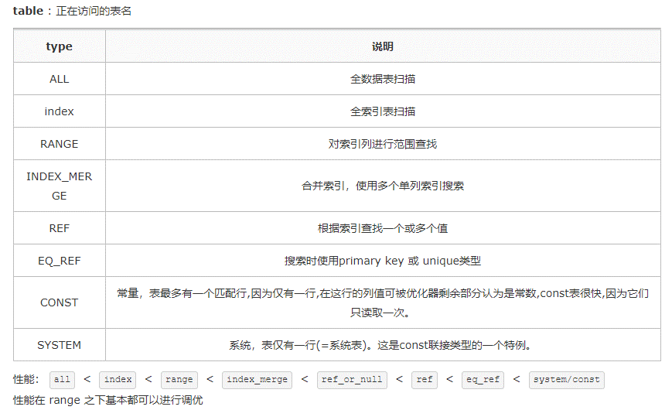
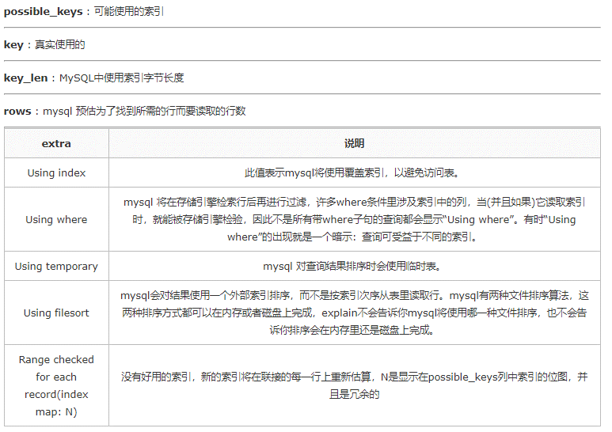
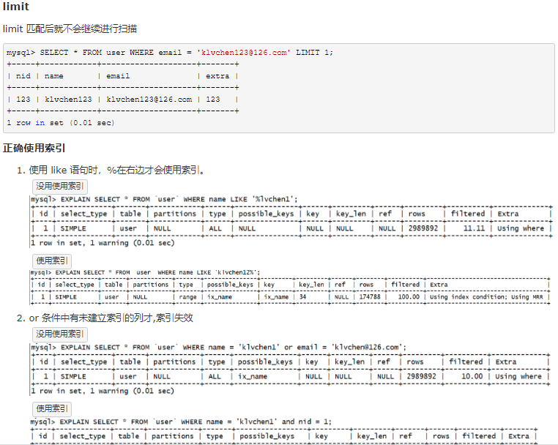
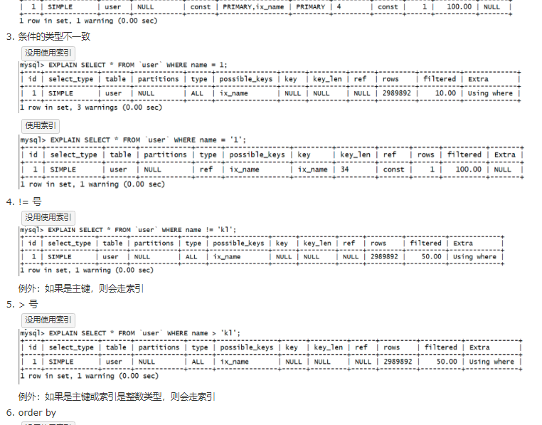
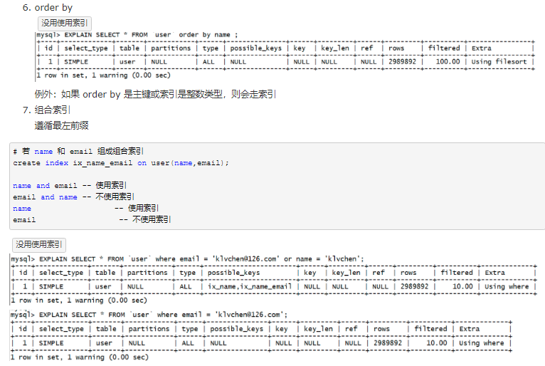
性能优化
https://www.cnblogs.com/klvchen/p/10137117.html

性能调优测试
チューニング

 | 1
 |  | e.sal > 500000 - 200000

 |  | create index sal_index on t_emp(sal);

 |  | 1。检索员式工资+20w后工资能超过50w的人的姓名。

 |  | select
 |  | e.first_nm
 |  | from
 |  | t_emp e
 |  | where
 |  | e.sal + 200000 > 500000

 |  | 会破坏索引 （优化规则1。 WHERE条件里，不要对字段做任何运算）
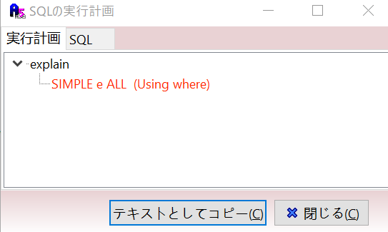

 |  | select
 |  | e.first_nm
 |  | from
 |  | t_emp e
 |  | where
 |  | e.sal > 500000 - 200000
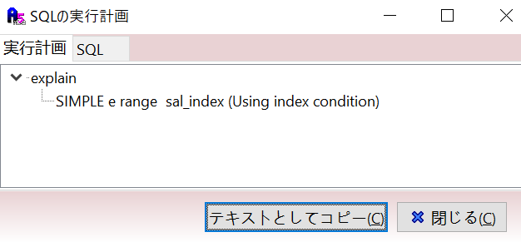

 | 2

 |  | S是小表 记录件数小
 |  | B是大表 记录件数大

 |  | SQL FROM 的顺序是从后向前，所以先加载小表，后加载大表更好，即小表放后面，性能更高

 |  | select
 |  | *
 |  | from | 慢
 |  | S
 |  | , B
 |  | WHERE
 |  | S.X = B.X

 |  | select
 |  | * | 快
 |  | from
 |  | B
 |  | , S
 |  | WHERE
 |  | S.X = B.X

