Sheet1
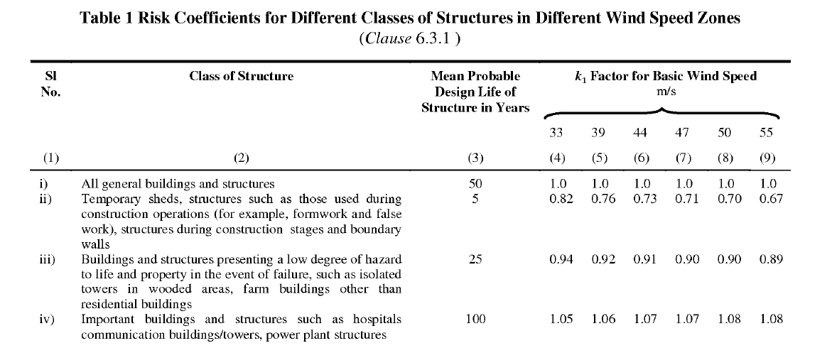
WIND LOAD CALCULATION |  |  |  |  |  | Note: | Put value on yellow background cell
 |  |  |  |  |  | H | 22 |  | Height of structure
Design wind speed (VZ) = Vb x K1 x K2 x K3 x K4 |  |  |  |  |  | W | 20 |  | Width of structure |  |  |  |  |  |  |  |  | City/Town | BasicWindSpeed(m/s) | DesignLife | Type | 33 | 39 | 44 | 47 | 50 | 55
 |  |  |  |  |  | L | 31.11 |  | Length of structure |  |  |  |  |  |  |  |  | Agra | 47 | 50 | General | 1 | 1 | 1 | 1 | 1 | 1
VZ = | 46.2 | m/s |  |  |  |  |  |  |  |  |  |  |  |  |  |  |  | Ahmedabad | 39 | 5 | Temporary | 0.82 | 0.76 | 0.73 | 0.71 | 0.7 | 0.67
 |  |  |  |  |  |  |  |  |  |  |  |  |  |  |  |  |  | Ajmer | 47 | 25 | Lowhazard | 0.94 | 0.92 | 0.91 | 0.9 | 0.9 | 0.89
Wind pressure (PZ) = 0.6 x VZ2 |  |  |  |  |  | Vb | 44 | m/s | Design wind speed as per Appendix A IS: 875 (Part-3) |  |  |  |  |  |  |  |  | Almora | 47 | 100 | Important | 1.05 | 1.06 | 1.07 | 1.07 | 1.08 | 1.08
 |  |  |  |  |  | K1 | 1 |  | Risk Coefficient as per Table 1 IS: 875 (Part-3) 2015 |  |  |  |  |  |  |  |  | Amritsar | 47
PZ = | 1.28 | kN/m2 |  |  |  | K2 | 1.05 |  | Terrain category factor as per Table 2 IS: 875 (Part-3) 2015 |  |  |  |  | H |  |  |  | Asansol | 47
 |  |  |  |  |  | K3 | 1 |  | Topography factor as per Cl.6.3.3. IS: 875 (Part-3) 2015 |  |  |  |  |  |  |  |  | Aurangabad | 39
Design wind pressure (Pd) = Kd x Ka x Kc x Pz |  |  |  |  |  | K4 | 1 |  | Importance factor as per C.6.3.4 IS: 875 (Part-3):2015 |  |  |  |  |  |  |  |  | Bahraich | 47
 |  |  |  |  |  | Kd | 0.9 |  | Wind directionary factor as per Cl.7.2.1 IS: 875 (Part-3) |  |  |  |  |  |  |  | L | Bengaluru | 33
Pd = | 0.896 | kN/m2 |  |  |  | Ka | 0.8 |  | Area averaging factor as per Table 4 IS: 875 (Part-3) |  |  |  |  |  | W |  |  | Barauni | 47
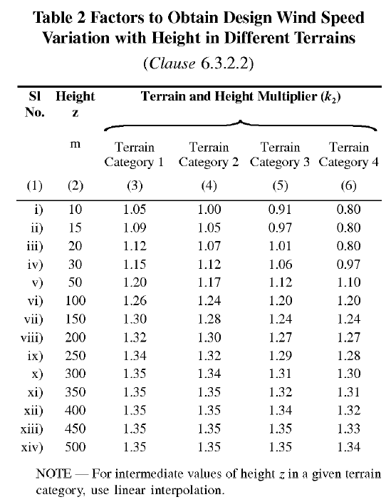
 |  |  |  |  |  | Kc | 0.9 |  | Combination factor as per Table 4 IS: 875 (Part-3) |  |  |  |  |  |  |  |  | Bareilly | 47
 |  |  |  |  |  |  |  |  |  |  |  |  |  |  |  |  |  | Bhatinda | 47
Internal Pressure Coefficient |  |  |  | As per Cl.7.3.2.2 IS:875-2015 |  |  |  |  |  |  |  |  |  |  |  |  |  | Bhilai | 39
 |  |  |  | Less than 5% opening |  | 0.2 |  |  |  |  |  |  |  |  |  |  |  | Bhopal | 39
Cpi | 0.7 |  |  | 5 to 20% opening |  | 0.5 |  |  |  |  |  |  |  |  |  |  |  | Bhubaneswar | 50
 |  |  |  | More than 20% |  | 0.7 |  |  |  |  |  |  |  |  |  |  |  | Bhuj | 50
 |  |  |  |  |  |  |  |  |  |  |  |  |  |  |  |  |  | Bikaner | 47
External Pressure Coefficient |  |  |  |  |  |  |  |  |  |  |  |  |  |  |  |  |  | Bokaro | 47
 |  |  |  |  |  |  |  |  |  |  |  |  |  |  |  |  |  | Bombay/Mumbai | 44
H/W | 1.10 |  |  |  |  |  |  |  |  |  |  |  |  |  |  |  |  | Calcutta/Kolkata | 50
L/W | 1.56 |  |  |  |  |  |  |  |  |  |  |  |  |  |  |  |  | Calicut/Kozhikode | 39
 |  |  |  |  |  |  |  |  |  |  |  |  |  |  |  |  |  | Chandigarh | 47
Coefficient during suction case |  |  |  |  |  |  |  |  |  |  |  |  |  |  |  |  |  | Coimbatore | 39
Note : Put value on yellow box as per table 5 IS: 875 Part-3 |  |  |  |  |  |  |  |  |  |  |  |  |  |  |  |  |  | Cuttack | 50
final pressure co-efficient = (cpe-cpi) in green box |  |  |  |  |  |  |  |  |  |  |  |  |  |  |  |  |  | Darbhanga | 55
+ve value denote towards the wall |  |  |  |  |  |  |  |  |  |  |  |  |  |  |  |  |  | Darjeeling | 47
-ve value denote away from the wall |  |  |  |  |  |  |  |  |  |  |  |  |  |  |  |  |  | Dehra Dun | 47
 |  | C |  |  |  |  |  |  |  |  | -0.3 |  |  |  | 0.7 |  |  | Delhi | 47
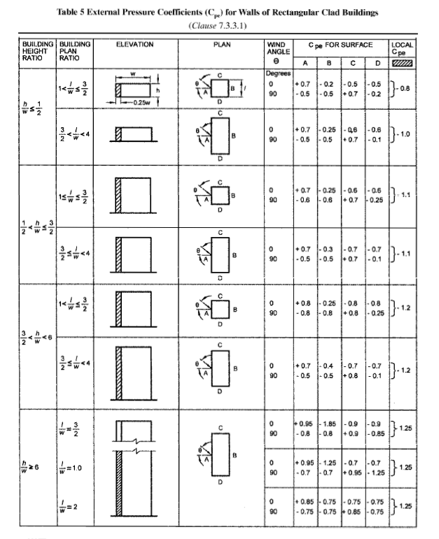
 |  | -0.7 |  |  |  | -0.7 |  |  |  |  | 0.4 |  |  |  | 1.4 |  |  | Durgapur | 47
 |  | 0 |  |  |  | 0 |  |  |  |  |  |  |  |  |  |  |  | Gangtok | 47
A |  |  | B |  |  |  |  |  |  |  |  |  |  |  |  |  |  | Guwahati | 50
0.7 |  |  | 0.4 | 0.4 |  |  | 1.4 |  | 0 |  |  | 0 | 0 |  |  | 0 |  | Gaya | 39
 |  | -0.7 |  |  | -0.7 |  |  |  |  | -0.7 |  |  |  | -0.7 |  |  |  | Gorakhpur | 47
1.4 |  |  | -0.3 | -0.3 |  |  | 0.7 |  | -0.7 |  |  | -0.7 | -0.7 |  |  | -0.7 |  | Hyderabad | 44
 |  |  |  |  |  |  |  |  |  |  |  |  |  |  |  |  |  | Imphal | 47
 |  |  |  |  |  |  |  |  |  |  |  |  |  |  |  |  |  | Jabalpur | 47
 |  | 0 |  |  |  | 0 |  |  |  |  | 0.7 |  |  |  | -0.3 |  |  | Jaipur | 47
 |  | -0.7 |  |  |  | -0.7 |  |  |  |  | 1.4 |  |  |  | 0.4 |  |  | Jamshedpur | 47
 |  | D |  |  |  |  |  |  |  |  |  |  |  |  |  |  |  | Jhansi | 47
 |  |  |  |  |  |  |  |  |  |  |  |  |  |  |  |  |  | Jodhpur | 47
Coefficient during pressure case |  |  |  |  |  |  |  |  |  |  |  |  |  |  |  |  |  | Kanpur | 47
 |  |  |  |  |  |  |  |  |  |  |  |  |  |  |  |  |  | Kohima | 44
 |  |  |  |  |  |  |  |  |  |  |  |  |  |  |  |  |  | Kurnool | 39
 |  |  |  |  |  |  |  |  |  |  | -0.3 |  |  |  | 0.7 |  |  | Lakshadweep | 39
 |  | -0.7 |  |  |  | -0.7 |  |  |  |  | -1 |  |  |  | 0 |  |  | Lucknow | 47
 |  | -1.4 |  |  |  | -1.4 |  |  |  |  |  |  |  |  |  |  |  | Ludhiana | 47
 |  |  |  |  |  |  |  |  |  |  |  |  |  |  |  |  |  | Madras/Chennai | 50
0.7 |  |  | -1 | -1 |  |  | 0 |  | -1.4 |  |  | -1.4 | -1.4 |  |  | -1.4 |  | Madurai | 39
 |  | 0.7 |  |  | 0.7 |  |  |  |  | 0.7 |  |  |  | 0.7 |  |  |  | Mandi | 39
0 |  |  | -0.3 | -0.3 |  |  | 0.7 |  | -0.7 |  |  | -0.7 | -0.7 |  |  | -0.7 |  | Mangalore | 39
 |  |  |  |  |  |  |  |  |  |  |  |  |  |  |  |  |  | Moradabad | 47
 |  |  |  |  |  |  |  |  |  |  |  |  |  |  |  |  |  | Mysore | 33
 |  | -1.4 |  |  |  | -1.4 |  |  |  |  | 0.7 |  |  |  | -0.3 |  |  | Nagpur | 44
 |  | -0.7 |  |  |  | -0.7 |  |  |  |  | 0 |  |  |  | -1 |  |  | Nainital | 47
 |  |  |  |  |  |  |  |  |  |  |  |  |  |  |  |  |  | Nasik | 39
 |  |  |  |  |  |  |  |  |  |  |  |  |  |  |  |  |  | Nellore | 50
 |  |  |  |  |  |  |  |  |  |  |  |  |  |  |  |  |  | Panjim(Goa) | 39
 |  |  |  |  |  |  |  |  |  |  |  |  |  |  |  |  |  | Patiala | 47
 |  |  |  |  |  |  |  |  |  |  |  |  |  |  |  |  |  | Patna | 47
 |  |  |  |  |  |  |  |  |  |  |  |  |  |  |  |  |  | Pondicherry | 50
 |  |  |  |  |  |  |  |  |  |  |  |  |  |  |  |  |  | PortBlair | 44
 |  |  |  |  |  |  |  |  |  |  |  |  |  |  |  |  |  | Rajkot | 39
 |  |  |  |  |  |  |  |  |  |  |  |  |  |  |  |  |  | Ranchi | 39
 |  |  |  |  |  |  |  |  |  |  |  |  |  |  |  |  |  | Roorkee | 39
 |  |  |  |  |  |  |  |  |  |  |  |  |  |  |  |  |  | Rourkela | 39
 |  |  |  |  |  |  |  |  |  |  |  |  |  |  |  |  |  | Shimla | 39
 |  |  |  |  |  |  |  |  |  |  |  |  |  |  |  |  |  | Srinagar | 39
 |  |  |  |  |  |  |  |  |  |  |  |  |  |  |  |  |  | Surat | 44
 |  |  |  |  |  |  |  |  |  |  |  |  |  |  |  |  |  | Tiruchirappalli | 47
 |  |  |  |  |  |  |  |  |  |  | s |  |  |  |  |  |  | Trivandrum | 39
 |  |  |  |  |  |  |  |  |  |  |  |  |  |  |  |  |  | Udaipur | 47
 |  |  |  |  |  |  |  |  |  |  |  |  |  |  |  |  |  | Vadodara | 44
 |  |  |  |  |  |  |  |  |  |  |  |  |  |  |  |  |  | Varanasi | 47
 |  |  |  |  |  |  |  |  |  |  |  |  |  |  |  |  |  | Vijayawada | 50
 |  |  |  |  |  |  |  |  |  |  |  |  |  |  |  |  |  | Visakhapatnam | 50

