Report-Colombia
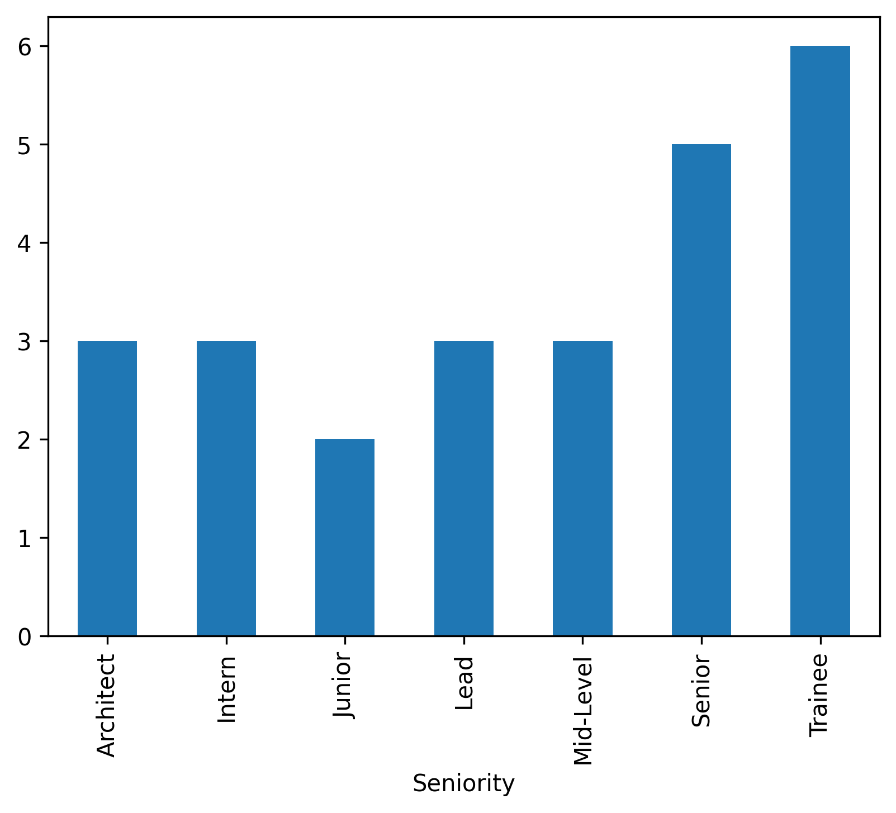
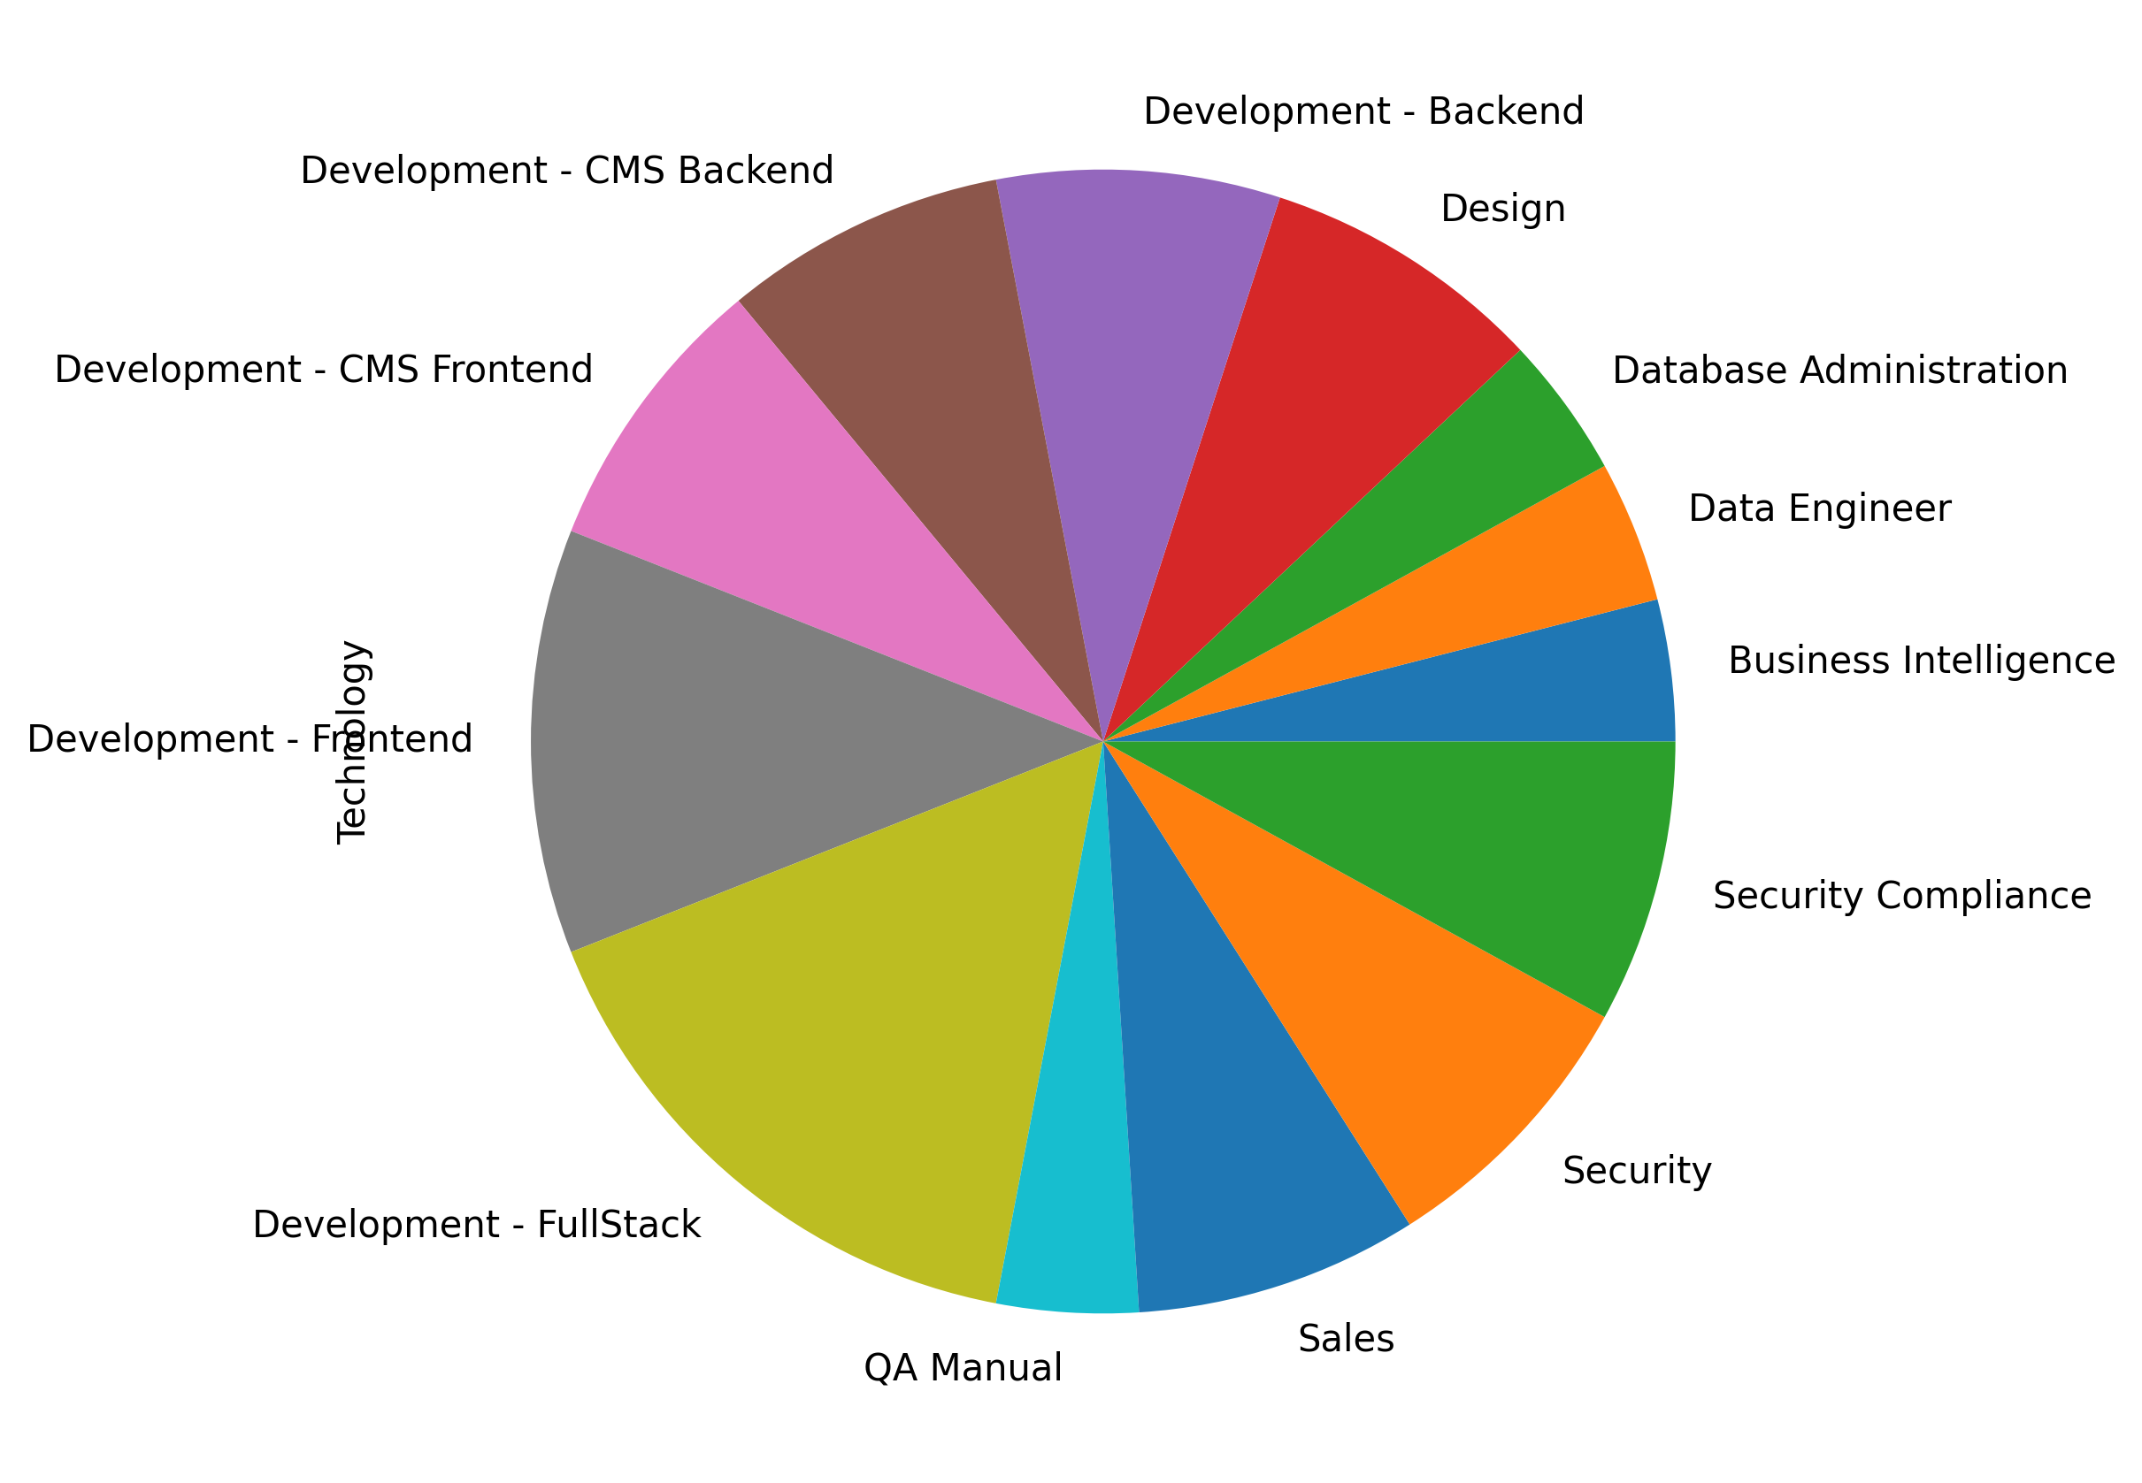
FirstName | LastName | Email | ApplicationDate | Country | YOE | Seniority | Technology | CodeChallengeScore | TechnicalInterviewScore
Khalid | Jenkins | cleo.mohr@gmail.com | 2018-10-05 | Colombia | 13 | Architect | Development - FullStack | 9 | 7
Otho | Stiedemann | shawn_carter@yahoo.com | 2018-04-22 | Colombia | 11 | Intern | Development - Frontend | 9 | 10
Valerie | Leffler | clarabelle.skiles96@hotmail.com | 2018-08-19 | Colombia | 3 | Senior | Sales | 9 | 7
Erica | Brakus | declan61@gmail.com | 2019-09-30 | Colombia | 20 | Architect | QA Manual | 8 | 10
Anibal | Kulas | deion.orn22@gmail.com | 2018-12-07 | Colombia | 17 | Lead | Development - CMS Backend | 7 | 7
Bailey | Lockman | fae_pacocha@yahoo.com | 2020-04-17 | Colombia | 4 | Lead | Development - FullStack | 9 | 10
Khalil | Torp | beverly_osinski26@hotmail.com | 2019-06-17 | Colombia | 15 | Trainee | Development - Frontend | 8 | 9
Amina | Shanahan | maximo.mraz55@gmail.com | 2018-11-06 | Colombia | 26 | Trainee | Development - Backend | 7 | 8
Felix | Boyle | emanuel_daugherty@hotmail.com | 2018-01-09 | Colombia | 18 | Mid-Level | Design | 7 | 10
Kasey | Raynor | ryan_lynch43@yahoo.com | 2020-02-01 | Colombia | 15 | Mid-Level | Development - FullStack | 10 | 8
Cleora | Kunde | aisha_roob@hotmail.com | 2019-02-28 | Colombia | 16 | Trainee | Business Intelligence | 8 | 9
Alexanne | Wintheiser | heidi_lowe38@yahoo.com | 2020-03-07 | Colombia | 26 | Junior | Development - CMS Frontend | 8 | 8
Hudson | Kautzer | eleazar74@yahoo.com | 2019-11-16 | Colombia | 28 | Intern | Sales | 7 | 7
Julius | Batz | merle_stokes@hotmail.com | 2022-03-10 | Colombia | 3 | Senior | Development - CMS Frontend | 10 | 9
Camille | Gerhold | rashad71@hotmail.com | 2020-06-20 | Colombia | 8 | Senior | Security | 10 | 9
Christine | Graham | jaquan70@gmail.com | 2019-10-20 | Colombia | 20 | Lead | Development - Frontend | 9 | 7
Michael | Ruecker | jarrell.kreiger@hotmail.com | 2020-09-10 | Colombia | 28 | Trainee | Security | 7 | 7
Retta | Quitzon | nikita_feest@hotmail.com | 2020-01-01 | Colombia | 3 | Trainee | Development - FullStack | 9 | 7
Emil | Koepp | angus48@yahoo.com | 2020-12-27 | Colombia | 15 | Intern | Development - Backend | 9 | 8
Alberta | Schuppe | kyra.wehner70@gmail.com | 2019-10-07 | Colombia | 28 | Senior | Security Compliance | 10 | 8
Caesar | Gleason | leonora84@yahoo.com | 2018-01-24 | Colombia | 30 | Trainee | Data Engineer | 7 | 10
Toy | Zemlak | dorothea_herzog@gmail.com | 2019-05-10 | Colombia | 24 | Mid-Level | Database Administration | 7 | 7
Kennedi | Heathcote | favian_witting@hotmail.com | 2020-04-26 | Colombia | 7 | Architect | Security Compliance | 9 | 8
Sam | Jacobs | thurman.hand@hotmail.com | 2019-03-12 | Colombia | 11 | Senior | Design | 9 | 9
Kim | Lebsack | rubie21@gmail.com | 2021-11-14 | Colombia | 19 | Junior | Development - CMS Backend | 7 | 9

