Evaluacion de herramientas con
Evaluation of Tools according to evaluation criteria. |  |  |  | Tool 1 | Tool 2
Category | Evaluation Items | Evaluation Criteria | Evaluation Sub-criteria | Automation Anywhere | Power Automate
Customer deployment strategy | Economic validity (Non- Technical) | Costs | Licences/ Solution Pricing | Licencias basadas en usuarios: Licencia de Bot Creator Licencia de Bot Runner no supervisado Licencia de Bot Runner supervisado Licencia Citizen Developer Licencia basada en volumen: se utiliza para comprar licencias en gran volumen dependiendo los requisitos de la organizacion https://docs.automationanywhere.com/es-ES/bundle/enterprise-v2019/page/enterprise-cloud/topics/control-room/dashboards/cloud-administration-licenses.html | Tres modalidades: Por usuario Por proceso Por bot al mes full cloud También cuenta con otras opciones como: Power Automate Premium Power Automate Process Power Automate Hosted Process Power Automate Process Mining https://www.microsoft.com/es-es/power-platform/products/power-automate/pricing
 |  |  | Rpa tool updates | El costo de las actualizaciones varia en funcion de la implementacion: En las version Cloud es gratuito En la version On-Premises los costos varias en caso de que la intervencion del equipo de TI de la empresa sea necesario y segun el servicio contratado. Como se actualiza Automation 360? : https://docs.automationanywhere.com/es-ES/bundle/enterprise-v2019/page/enterprise-cloud/topics/release-notes/cloud-A2019-faq.html | Las actualizaciones periódicas están incluidas para las cuentas activas, son gratuitas. https://apps.microsoft.com/detail/9nftch6j7fhv?gl=PA&hl=es-ES
 |  |  | Technical support | DIferentes Planes de soporte: https://www.automationanywhere.com/customer-support | Tres modalidades: Soporte Gratuito incluido con una hora de demora como maximo para los casos mas criticos. Soporte Directo: $10.80 user/month Soporte unificado: Precio variable https://www.microsoft.com/en/power-platform/products/power-automate/support?market=af
 |  | Pricing flexibility (for different types of organizations)
 |  | Investment value (ROI, EVA, TCO, EVS, TEI, BSC, etc.)
 | Capabilities of solution suppliers (Non- Technical) | Vendor maturity | With reference client case
 |  |  | Product vision
 |  |  | Existing performance in the same field
 |  |  | Partner ecosystem (active community)
 |  |  | Time in the market
 |  | Product and service support capabilities | The vendor has multiple communication channels for support
 |  |  | The vendor has an incident management system (Ticketing System)
 |  |  | The vendor provides user manuals and guides
 |  |  | The vendor offers Frequently Asked Questions (FAQs)
 |  |  | The vendor provides specialized technical support (technical consultants and advisory services)
 |  |  | Multilingual support team
 |  |  | 24/7 support availability
 |  | Availability of the product in a free or trial version |  | Si, community Edition. Version limitada, para version de prueba con funciones avanzadas se debe contatar a equipo de ventas. https://www.automationanywhere.com/products/enterprise/community-edition | Si, versión de prueba gratuita de 30 dias. https://www.microsoft.com/en-us/power-platform/products/power-automate/pricing
 |  | Tool documentation available
 |  | Supported languages
 | Technology policy conformity | Hardware/software requirement, technological elements (technology and ability for fulfilling OS/hardware requirements and RPA deployment and operations) |  | Control room: -Procesador 64 bits 2.5 Ghz -16 GB RAM Requerimientos de Maquina con agente de Bot: - CPU (Intel Core i3 de 2,6 GHz) con 4 núcleos múltiples o superior (vCPU) 64 bits - 8 Gb RAM recomendado - 32 GB de almacenamiento https://docs.automationanywhere.com/es-ES/bundle/enterprise-v2019/page/enterprise-cloud/topics/deployment-planning/on-prem-install/device-req-for-bot-agent.html | Requisitos de Hardware: Procesador: Mínimo: 1.00 GHz o más rápido, con dos o más núcleos. Para el modo desatendido, se requieren cuatro o más núcleos.​ Recomendado: 1.60 GHz o más rápido, con dos o más núcleos. Para el modo desatendido, cuatro o más núcleos.​ Memoria RAM: Mínimo: 2 GB​ Recomendado: 4 GB​ Almacenamiento: Mínimo: 1 GB de espacio disponible​ Recomendado: 2 GB de espacio disponible​ Aceleración de GPU: Recomendada para un rendimiento óptimo.​ Requisitos de Software: Sistemas Operativos Compatibles: Windows 10 (Home, Pro, Enterprise)​ Windows 11 (Home, Pro, Enterprise)​ Windows Server 2016​ Windows Server 2019​ Windows Server 2022​ Nota: Los dispositivos con procesadores ARM no son compatibles.​ .NET Framework: Versión 4.7.2 o superior.​ Conexión a Internet: Se requiere una conexión activa para la instalación y el funcionamiento de Power Automate.​ https://learn.microsoft.com/es-es/power-automate/desktop-flows/requirements
 |  | Performance
 |  | Product roadmap (future capabilities planned by the vendor)
 |  | Automation process development and evaluation methodology
 |  | System interaction and integration
 |  | Portfolio (Collection of automated processes that an organization plans to implement using RPA)
 | Security policy conformity | Personal information protection | System/application line
 |  |  | Capability and user review
 |  |  | User permission mechanism
 |  |  | Role definition
 |  |  | Issue management strategies
 |  |  | Interactive data types
 |  | Account/personal identification management (service/network and system/application-level access management)
 |  | Consistency with customer security architecture
Development and operability | Robot management and operability | Scalability
 |  | Reliability
 |  | Customization
 |  | Bot platform model and security
 |  | Quality analysis (quality transition graph provided)
 |  | Centralised deployment management (Orchestrator/Control Panel)
 |  | Robot management functions | Includes processes for deployment in a production environment and configuration | El Control Room permite gestionar los bots tanto para publicarlos como para configurarlos https://docs.automationanywhere.com/es-ES/bundle/enterprise-v2019/page/enterprise-cloud/topics/aae-architecture-implementation/cloud-control-room-overview.html | Si, el Centro de Administración de Power Platform: Ofrece herramientas para gestionar, supervisar y analizar el rendimiento de los bots, asegurando su correcto funcionamiento y permitiendo ajustes según sea necesario https://learn.microsoft.com/es-es/power-platform/admin/admin-documentation
 |  |  | Strategies to scale the number of bots according to process needs | Si https://www.automationanywhere.com/products/automation-360 https://docs.automationanywhere.com/es-ES/bundle/enterprise-v2019/page/enterprise-cloud/topics/aae-architecture-implementation/bot-agent-control-room-resiliency.html https://docs.automationanywhere.com/es-ES/bundle/enterprise-v2019/page/enterprise-cloud/topics/control-room/dashboards/cloud-administration-licenses.html | Si, tanto en el modo full cloud como en la version on premise. https://learn.microsoft.com/es-es/power-platform/admin/powerapps-flow-licensing-faq
 |  |  | Allows real-time bot monitoring | Si https://docs.automationanywhere.com/es-ES/bundle/enterprise-v2019/page/v33-release-coe-manager.html https://docs.automationanywhere.com/es-ES/bundle/enterprise-v2019/page/enterprise-cloud/topics/aae-client/bot-creator/using-the-workbench/cloud-analyze.html | Si, a través de panel de monitoreo y tambien permite integrar con herramientas externas https://learn.microsoft.com/es-es/power-apps/maker/canvas-apps/working-with-flows
 |  |  | Exception management | Si, utilizando Workload Management en las opciones del control room https://www.youtube.com/watch?v=HNFeM_N2D-c https://docs.automationanywhere.com/es-ES/bundle/enterprise-v2019/page/enterprise-cloud/topics/aae-client/bot-creator/commands/cloud-error-handling-command.html https://docs.automationanywhere.com/bundle/enterprise-v2019/page/enterprise-cloud/topics/control-room/workload/cloud-workload-an-overview.html | No, el manejo de excepciones se realiza dentro de la lógica del bot. No desde el menú de ejecución
 |  |  | Allows automatic bot updates and security enhancements/updates | Si https://docs.automationanywhere.com/es-ES/bundle/enterprise-v2019/page/enterprise-cloud/topics/control-room/administration/settings/auto-update-bot-agent.html | Si https://community.powerplatform.com/forums/thread/details/?threadid=92c00d48-6daf-427d-b9fd-8d2b32274c7a
 |  |  | Access management for bot system entry | Si https://docs.automationanywhere.com/es-ES/bundle/enterprise-v2019/page/enterprise-cloud/topics/security-architecture/cloud-rbac-on-roles-and-permissions-management.html | Si, a través de definición de permisos y accesos especificos para cada bot https://learn.microsoft.com/es-es/power-automate/desktop-flows/desktop-flows-security
 |  |  | Protection of communication between bots | Si https://www.automationanywhere.com/la/products/security | Si
 |  |  | Self-Healing: Ability to retry in case of failures | Si, utilizando Workload Management distribuye tareas a otros bots si un bot falla https://www.youtube.com/watch?v=HNFeM_N2D-c | Permite configurar reintentos en caso de fallas https://learn.microsoft.com/es-es/power-automate/guidance/planning/reducing-risk
 |  |  | Self-learning capability | Si, con IQ Bot que es una tecnologia de ML pero su lienciamiento se paga por separado de la licencia o con AARI que utiliza AI https://docs.automationanywhere.com/es-ES/bundle/enterprise-v2019/page/enterprise-cloud/topics/iq-bot/cloud-iqb-process-overview.html | Si, pero ambas formas requieren gastos adicionales: -AI Builder capacidad de Microsoft Power Platform que permite agregar inteligencia a los procesos automatizados, predecir resultados y mejorar el rendimiento empresarial. https://learn.microsoft.com/en-us/power-automate/use-ai-builder -Power Automate con Azure Machine Learning https://learn.microsoft.com/en-us/microsoft-cloud/dev/tutorials/aml-powerapps-powerautomate
 |  |  | Scheduling | Si https://docs.automationanywhere.com/es-ES/bundle/enterprise-v2019/page/enterprise-cloud/topics/control-room/activity/cloud-schedule-a-bot.html | Si https://learn.microsoft.com/es-es/power-automate/guidance/automation-kit/control-center-desktop-flow-scheduler
 |  |  | Load balancing | SI, con Workload Management https://www.youtube.com/watch?v=HNFeM_N2D-c | Si https://learn.microsoft.com/es-es/power-automate/desktop-flows/run-desktop-flows-best-practices
 |  |  | Monitoring | Si https://docs.automationanywhere.com/es-ES/bundle/enterprise-v2019/page/enterprise-cloud/topics/control-room/administration/monitor-automation-360.html | Si https://learn.microsoft.com/en-us/power-automate/guidance/coding-guidelines/monitoring-and-alerting
 |  | Availability | Disaster recovery strategies
 |  |  | Allows viewing the execution time of a task
 |  |  | Allows viewing the number of successfully completed tasks
 |  |  | Allows viewing system resource usage
 |  | Dashboard capability.
 |  | Robot operation status aggregation function
 |  | Performance management
 |  | Average implementation time
 |  | Portability | Allows separate environments (development/testing/production)
 |  |  | Ease of integrations
 |  |  | Ease of setup/installation
 |  | Usability | Ease of use
 |  |  | Ease of deployment
 |  |  | User Interface (UI)
 |  |  | Learning curve
 |  | Allows unattended automation
 |  | Allows attended automation
 |  | Maintainability
 |  | Multi-tenancy
 | Automation process development and convenience | API and Other Integration |  | Si https://docs.automationanywhere.com/es-ES/bundle/integrations/page/enterprise/topics/aae-client/bot-creator/customizing-an-automation-client/integrations.html | Si https://learn.microsoft.com/es-es/power-apps/maker/data-platform/sharepoint-onedrive-onenote-intro https://www.microsoft.com/en-us/power-platform/blog/power-automate/manage-your-power-automate-desktop-flows-using-web-apis/
 |  | Command library
 |  | Security enhancement site response
 |  | Security character recognition
 |  | Security and Compliance
 |  | Tool capability to automate complex processes
 |  | Bot design |  | No contiene una herramienta especifica, se suele realizar donde se desarrollan los bots. https://docs.automationanywhere.com/es-ES/bundle/enterprise-v11.3/page/enterprise/topics/aae-architecture-implementation/bot-creator-overview.html | Si, con creación de flujos en la nube y flujos de escritorio, cuenta tambien con variedad de plantillas predefinidas y conectrores que facilitan integraciones. https://learn.microsoft.com/en-us/connectors/powervirtualagents/
 |  | Bot development |  | 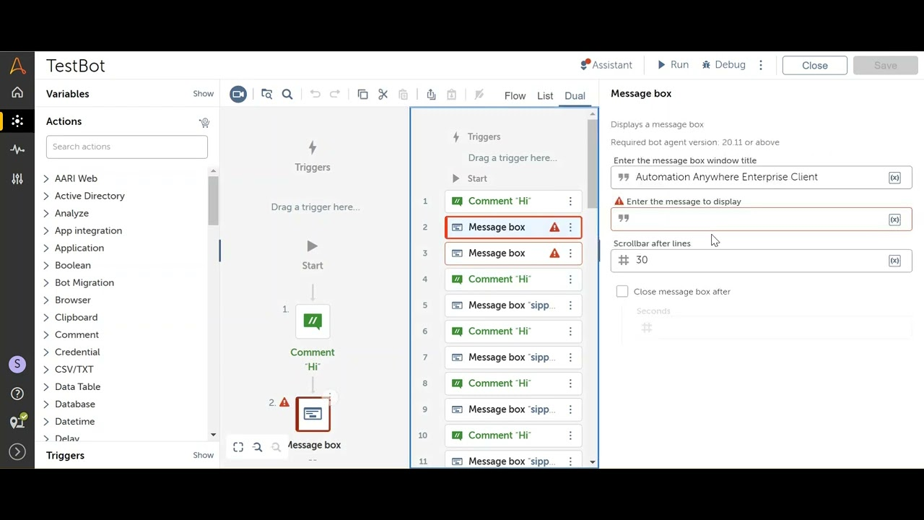 El diseño y desarrollo de bots en Automation Anywhere A360 es visual, basado en flujos de trabajo y sin necesidad de código, pero también permite el uso de scripts avanzados para personalización https://docs.automationanywhere.com/es-ES/bundle/enterprise-v2019/page/enterprise-cloud/topics/aae-client/bot-creator/using-the-workbench/cloud-work-area.html https://i.ytimg.com/vi/oTZ-_wTfzWI/maxresdefault.jpg | 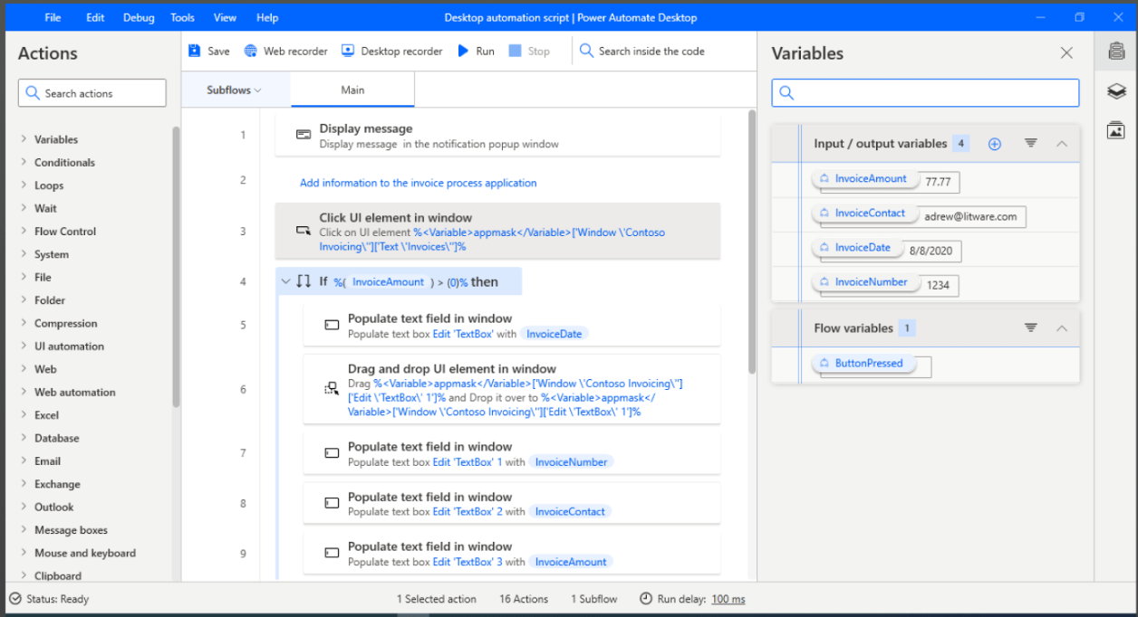 Fácil desarrollo arrastrando comandos y configurables https://abakion.dk/power-automate/#funktioner
 |  | Atypical GUI-based program automation (X-Internet, Active X, Flash)
 |  | Performance ability under standardised GUI environment
 |  | Full/partial automation capabilities | Full / partial
 |  | Convenient and intuitive creation | Direct rpogramming
 |  |  | Flowchart
 |  |  | Visual Designer
 |  |  | Other
 |  | Component sharing
 |  | Test/debug control methods
 |  | Testing (test management and reporting)
 |  | RPA program service distribution/operation model conformity
 |  | Application functions | Basic Activities (Assign Variable, Write Line, Message Box) | Si https://docs.automationanywhere.com/es-ES/bundle/enterprise-v11.3/page/enterprise/topics/aae-client/bot-creator/commands/commands.html | SI https://learn.microsoft.com/es-es/power-automate/desktop-flows/actions-pane https://learn.microsoft.com/es-es/power-automate/desktop-flows/custom-actions
 |  |  | Flow Control (If, Switch, While, Do While, For Each, Break) | Si | Si
 |  |  | Data Management (Add Data Row, Add Data Column, Read Range, Write Range, Filter Data Table) | Si | Si
 |  |  | File Interaction (Read Text File, Write Text File, Append Line) | Si | Si
 |  |  | Application Interaction (Click, Type Into, Select Item, Send Hotkey, Get Text, Take Screenshot) | Si | Si
 |  |  | Email Activities (Send Outlook Mail Message, Get Outlook Mail Messages, Send SMTP Mail Message, Get IMAP Mail Messages) | Si | Si
 |  |  | Database Activities (Execute Query, Insert, Update) | Si | Si
 |  |  | Error handling (Try Catch, Throw, Rethrow) | Si | Si
 |  |  | Excel Activities (Excel Application Scope, Read Cell, Write Cell, Read Range, Write Range, Database Activities.) | Si | Si
 |  |  | Web and Browser (Open Browser, Navigate To, Click, Type Into.) | Si | Si
 |  |  | API and Web Services (HTTP Request, SOAP Request, etc.) | Si | Si
 |  |  | Screen Scraping (Extract information from an application’s graphical user interface (GUI)) | Si | Si
 |  |  | Excel API Support | Si | Si
 |  |  | SAP API Support (solución ERP) | Si | Si
 |  |  | Screen Recording and Playback (Ability to record a task and replay it) | Si | Si
 |  | Workflow
 |  | Customer’s existing business performance procedures (manual, automation)
 |  | Usability (Development) | User Interface (UI)
 |  |  | Required programming skill level
 |  | Website automation essential security enhancements (HOMETAX, GOV24, Court, e-car)
 |  | Development convenience
 |  | Offers certification and/or training
 |  | Offers Steps/tools required to automate from RPA suppliers
 | Collaboration and expansion of AI technology | AI/ML optimisation level, process mining and scalability for cognitive automation | AI-augmented Capabilities | - IQ Bot Procesamiento inteligente de documentos -Process Discovery - AARI Ai powered digital assistant https://docs.automationanywhere.com/bundle/enterprise-v2019/page/enterprise-cloud/topics/iq-bot/cloud-iqb-process-overview.html?utm_source=chatgpt.com https://www.automationanywhere.com/la/products/process-discovery?utm_source=chatgpt.com https://www.automationanywhere.com/products/automation-co-pilot | AI Builder:característica integrada en Microsoft Power Platform que permite agregar inteligencia a los procesos automatizados. https://learn.microsoft.com/es-es/power-automate/use-ai-builder Integración con Azure Cognitive Services. Power automate + IA Generativa (GPT) https://learn.microsoft.com/es-es/power-automate/use-ai-builder
 |  |  | Machine Learning | Si https://docs.automationanywhere.com/es-ES/bundle/enterprise-v2019/page/generative-ai-packages.html | Ai Builder (ML sin codigo) Integración con Azure Machine Learning Utilizando Power Bi https://learn.microsoft.com/en-us/power-automate/use-ai-builder https://learn.microsoft.com/es-es/power-bi/collaborate-share/service-flow-integration
 |  |  | Process Mining and Task Mining | Si , Process Discovery https://www.automationanywhere.com/company/blog/rpa-thought-leadership/what-is-process-intelligence | Si Power automate Process Mining es parte de Microsoft Power Plataform, cada licencia tiene 50 mb de capacidad de mineria, en caso de necesitar mas hay que adquirir el complemento Process Mining https://learn.microsoft.com/en-us/power-automate/process-mining-overview
 |  | Auto-NLP (Automated Natural Language Processing)
 |  | OCR (printed)
 |  | OCR (written)
Technical Architecture | Security management | Confidentiality | Compliance with legal systems such as personal information protection
 |  |  | Protection against injections and script attacks
 |  |  | Authentication (Multi-factor authentication (MFA), etc.)
 |  |  | Secure authorization (Security roles)
 |  |  | Privileges/permissions
 |  |  | Credential management
 |  |  | Data encryption/protection (Secure transmission (secure communication protocols like HTTPS), Data encryption at rest (protection of sensitive information handled by the bot))
 |  | Authenticity | Data authenticity
 |  |  | Account and personal identification management
 |  | Integrity / Application security | Data Integrity Control Data and transaction validation
 |  |  | Data protection
 |  | Risk/security evaluation
 |  | Accountability | Security testing and evaluations
 |  |  | Access control to applications and systems
 |  |  | Updates and maintenance
 |  |  | Process traceability
 |  |  | Process monitoring and auditing
 | Architecture | Local capabilities | Operating system support (Windows/Linux) | En windows el soporte es completo, pero para Linux solo el control Room, no la ejecucion de bots https://docs.automationanywhere.com/es-ES/bundle/enterprise-v2019/page/enterprise-cloud/topics/deployment-planning/on-prem-install/cloud-onprem-req-operating-system-compatibility.html | En windows el soporte es completo, pero en linux es limitado https://learn.microsoft.com/en-us/power-automate/desktop-flows/requirements
 |  |  | Ease of installation
 |  |  | Allows distributed installation | Si https://docs.automationanywhere.com/es-ES/bundle/enterprise-v2019/page/enterprise-cloud/topics/security-architecture/cloud-distributed-architecture.html | Si https://learn.microsoft.com/en-us/power-automate/gateway-reference https://learn.microsoft.com/en-us/power-automate/desktop-flows/install
 |  |  | Support for local databases (SQL Server, Oracle) | Si https://docs.automationanywhere.com/es-ES/bundle/enterprise-v2019/page/enterprise-cloud/topics/aae-client/bot-creator/commands/cloud-database-command.html | Si https://learn.microsoft.com/en-us/connectors/oracle/
 |  |  | Capability to function offline | Si, pero solamente las funcionalidades que no requieran conexión a internet. https://community.automationanywhere.com/developers-forum-36/can-you-use-automation-anywhere-without-internet-85764 | Si, es la instalación on-premise puede ejecutar flujos sin conexión, pero algunas funciones requieren internet https://learn.microsoft.com/es-es/power-automate/gateway-reference
 |  |  | Ability to work fully within the local network | Si https://docs.automationanywhere.com/es-ES/bundle/enterprise-v2019/page/enterprise-cloud/topics/deployment-planning/on-prem-install/cloud-prerequisites-control-room.html | Si
 |  |  | Ease of applying patches or performing local software updates
 |  | Cloud capabilities | On-Premise | Si. Plataforma completa alojada de forma Local https://docs.automationanywhere.com/es-ES/bundle/enterprise-v2019/page/enterprise-cloud/topics/deployment-planning/on-prem-install/cloud-prerequisites-control-room.html https://docs.automationanywhere.com/bundle/enterprise-v2019/page/enterprise-cloud/topics/deployment-planning/on-prem-install/cloud-on-prem-install.html | No es full On-Premise. El despliegue local requiere de algún nivel de conexión con los servicios de Microsoft, sin embargo, puede conectarse de forma segura a sus propios servicios locales a través de su puerta de enlace de datos local. (On-Premise Data Gateway) https://learn.microsoft.com/es-mx/power-automate/gateway-reference https://www.microsoft.com/es-es/power-platform/products/power-automate#FAQ
 |  |  | Full Cloud | Posee versión Cloud que se utiliza para la gestión y el diseño de los bots, pero para la ejecución de los bots se necesitan dispositivos locales que deben tener instalado un sistema operativo compatible, como Windows. https://docs.automationanywhere.com/es-ES/bundle/enterprise-v2019/page/enterprise-cloud/topics/cloud-service-status-topics/cloud-secure-access-connectivity.html https://docs.automationanywhere.com/es-ES/bundle/enterprise-v2019/page/enterprise-cloud/topics/control-room/getting-started/cloud-getting-started.html https://docs.automationanywhere.com/bundle/enterprise-v2019/page/enterprise-cloud/topics/deployment-planning/cloud-requirements-operating-system-compatibility.html | Si. Power Automate es un servicio en la nube (SaaS) dentro de la Microsoft Power Platform, puede utilizarse full cloud siempre que no se requieran recursos on-premise. https://www.microsoft.com/es-es/power-platform/products/power-automate#tabs-pill-bar-ocb9d4_tab2
 |  |  | Híbrido | Si. Opciones adicionales de alojamiento en la nube disponibles: Se puede alojar en AWS, Microsoft Azure, Google Cloud, IBM y cualquier servicio de nube pública, privada o híbrida. https://docs.automationanywhere.com/es-ES/bundle/enterprise-v2019/page/enterprise-cloud/topics/security-architecture/cloud-automation-anywhere-enterprise-overview.html | Si. Es posible utilizar la plataforma online de Power Automate en combinacion con la plataforma local de Power Automate Desktop https://learn.microsoft.com/es-es/power-automate/overview-cloud
 |  | Virtualisation support using VM/container technology
 |  | High Availability
 |  | Availability/disaster recovery capabilities
 |  | Network capacity
 |  | Performance management capabilities
 |  | Dual configuration availability
 |  | Collaboration structure with customer internal systems
 |  | Cloud architecture deployment standards (customer versus supplier)
Operation and management systems | Automation process operation systems | SDLC (Software Development Life Cycle)
 |  | Flexibility
 |  | Governance
 |  | Privacy and Regulatory Compliance | GDPR compliance
 |  |  | ISO 27001 compliance
 |  |  | CCPA compliance
 |  | Operational management | Supports versioning | Si https://docs.automationanywhere.com/es-ES/bundle/enterprise-v2019/page/enterprise-cloud/topics/control-room/administration/configuring-version-control.html | Si https://learn.microsoft.com/en-us/power-automate/drafts-versioning
 |  |  | Control room
 |  |  | Analytics | Si con Bot Insight https://docs.automationanywhere.com/es-ES/bundle/enterprise-v2019/page/enterprise-cloud/topics/aae-client/bot-creator/using-the-workbench/cloud-analyze.html | Si, Power Automate ofrece informes analíticos integrados para evaluar el estado y rendimiento de los flujos en la nube y RPA. https://learn.microsoft.com/en-us/power-platform/admin/analytics-flow
 |  |  | Dashboard | Si, personalizables https://docs.automationanywhere.com/es-ES/bundle/enterprise-v2019/page/enterprise-cloud/topics/bot-insight/user/cloud-operation-dashboard.html | Si, personalizables https://learn.microsoft.com/en-us/power-bi/create-reports/power-bi-automate-visual?tabs=powerbi-desktop
 |  |  | Workflow
 |  |  | Data security
 |  | Product operational policy (Manage the lifecycle and usage of RPA products or solutions within an organization) | Guidelines for preventive and corrective maintenance of bots
 |  |  | Change management process
 |  | Operational standard | Ease of integration with existing systems
 |  |  | Ability to automate complex processes
 |  |  | Exception management
 |  |  | Scalability
 |  |  | Robustness in terms of security and compliance
 |  |  | Support for monitoring
 |  |  | Continuous bot maintenance
 |  | Automation scheduling
 |  | Automation interruption accident response
 |  | All generated bots must comply with the company's rules and controls

