Forecasting
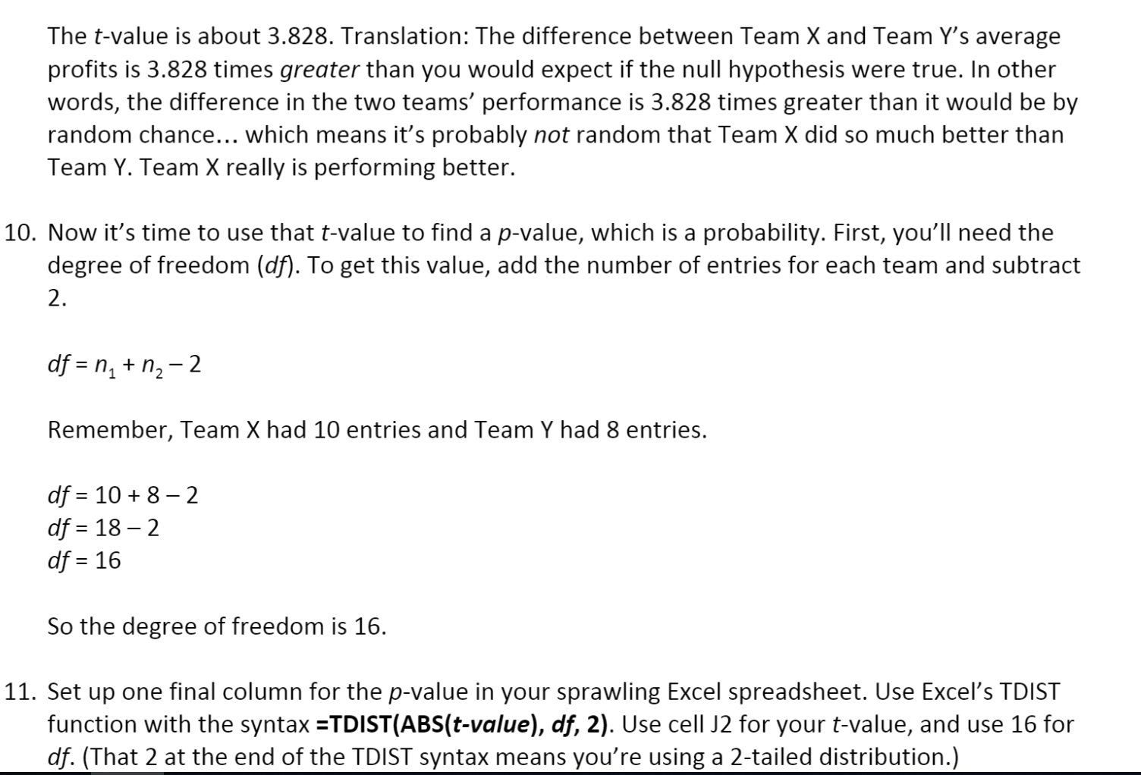
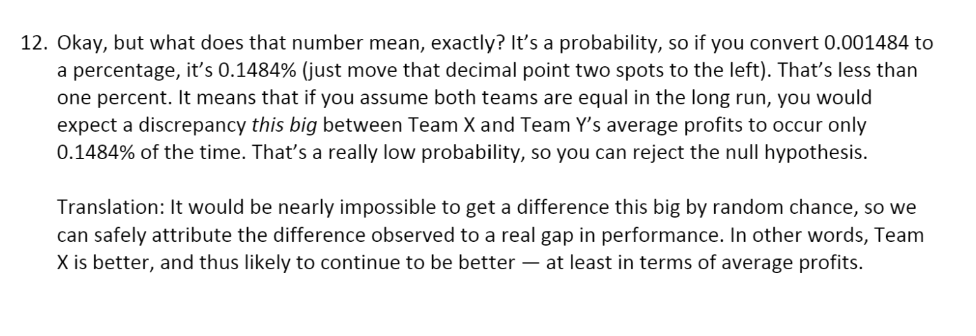
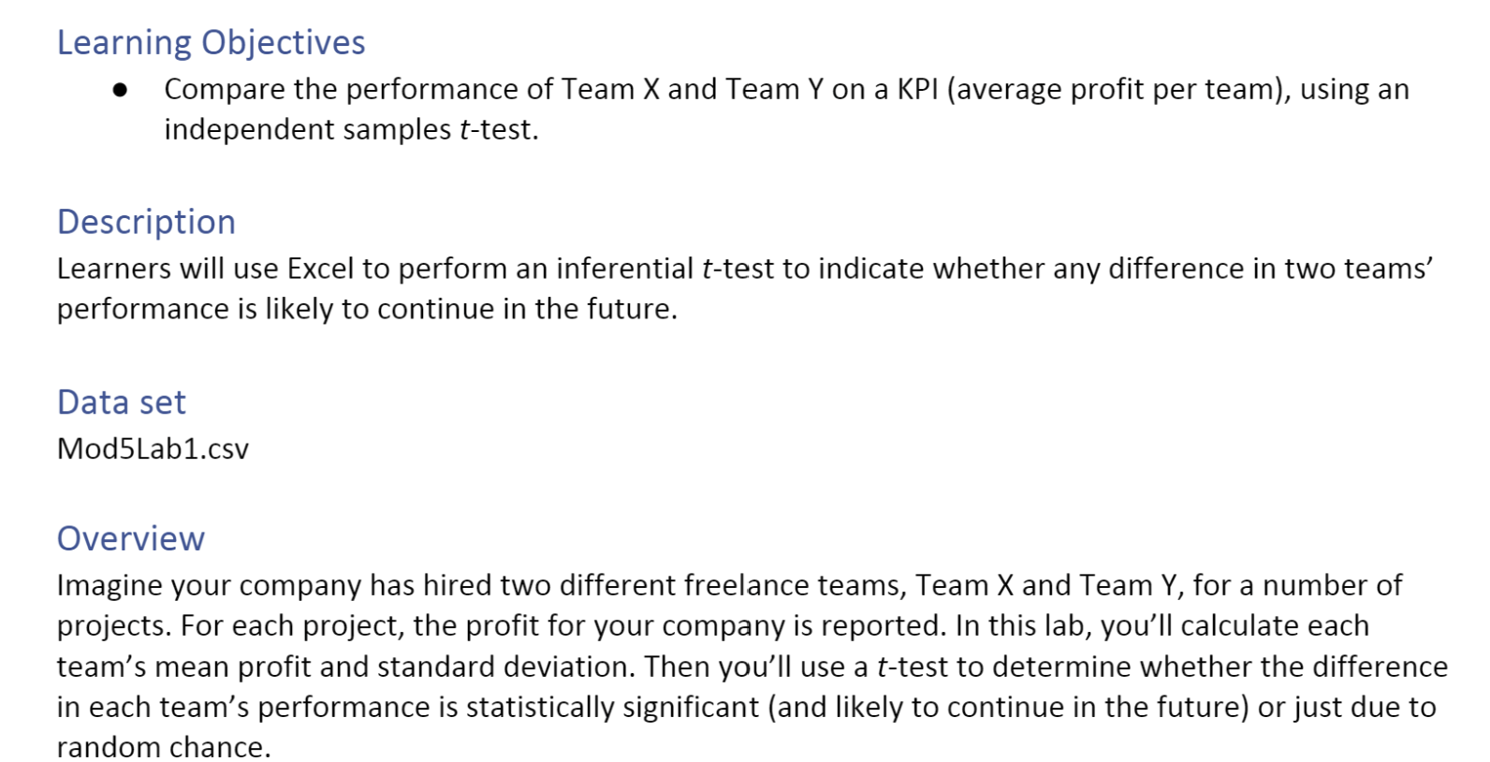
T-test
projetid | team | profit.earned.for.company | Team X Avg. | Team Y Avg.
MF3688S | Team X | $1,590.56 | $1,121.83 | $650.22
EQ7342V | Team X | $1,142.64 | Stdev X | Stdev Y
PQ2146C | Team X | $989.90 | 200.9829 | 319.8181
NR2174R | Team X | $1,030.48 | # of X | # of Y
HF4826R | Team X | $818.83 | 10 | 8
GV2691H | Team X | $1,150.00 | T-Score | P-value
DG6685N | Team X | $1,026.49 | 3.8277 | 0.15%
RS6664Z | Team X | $1,230.89
SB4945B | Team X | $1,164.28
CK6143K | Team X | $1,074.21
SD4157X | Team Y | $289.01
OG7194I | Team Y | $457.82
XI3380I | Team Y | $887.38
RR9444Q | Team Y | $471.54
RM2073W | Team Y | $552.92
XP7023E | Team Y | $1,313.18
AL3024B | Team Y | $681.48
ZX1975Y | Team Y | $548.42

Time Series Forecasting Result
 | output | Forecast(output) | Lower Confidence Bound(output) | Upper Confidence Bound(output)
 | 20.052144019
 | 21.303923752
 | 19.200001883
 | 19.264847502
 | 22.530335795
 | 22.238137327
 | 22.853008579
 | 22.442477169
 | 21.545496473
 | 20.938252145
 | 22.36233166
 | 22.111232043
 | 21.860925761
 | 23.30748983
 | 20.383737681
 | 22.844824919
 | 22.890572756
 | 22.943316483
 | 22.119143641
 | 25.883372196
 | 22.492127402
 | 25.639567729
 | 24.774925545
 | 22.958769782
 | 21.467522786
 | 21.544120109
 | 22.529785796
 | 21.423252537
 | 21.638189934
 | 24.693083785
 | 24.301727365
 | 25.626152366
 | 21.854893259
 | 24.150030192
 | 23.850432299
 | 22.438554227
 | 22.377393022
 | 24.19105212
 | 21.254215819
 | 22.37772404
 | 21.979076146
 | 21.159456994
 | 25.060639154
 | 26.140035891
 | 26.383833372
 | 26.347250797
 | 25.758644647
 | 24.088913667
 | 22.756456181
 | 24.507213235
...
time | output | Forecast(output) | Lower Confidence Bound(output) | Upper Confidence Bound(output)
1 | 20.052144019
2 | 21.303923752
3 | 19.200001883
4 | 19.264847502
5 | 22.530335795
6 | 22.238137327
7 | 22.853008579
8 | 22.442477169
9 | 21.545496473
10 | 20.938252145
11 | 22.36233166
12 | 22.111232043
13 | 21.860925761
14 | 23.30748983
15 | 20.383737681
16 | 22.844824919
17 | 22.890572756
18 | 22.943316483
19 | 22.119143641
20 | 25.883372196
21 | 22.492127402
22 | 25.639567729
23 | 24.774925545
24 | 22.958769782
25 | 21.467522786
26 | 21.544120109
27 | 22.529785796
28 | 21.423252537
29 | 21.638189934
30 | 24.693083785
31 | 24.301727365
32 | 25.626152366
33 | 21.854893259
34 | 24.150030192
35 | 23.850432299
36 | 22.438554227
37 | 22.377393022
38 | 24.19105212
39 | 21.254215819
40 | 22.37772404
41 | 21.979076146
42 | 21.159456994
43 | 25.060639154
44 | 26.140035891
45 | 26.383833372
46 | 26.347250797
47 | 25.758644647
48 | 24.088913667
49 | 22.756456181
50 | 24.507213235
51 | 26.189105603
52 | 26.052135557
53 | 25.802765983
54 | 26.370672582
55 | 22.022369603
56 | 24.868383659
57 | 26.276738741
58 | 27.269117975
59 | 28.899760038
60 | 25.89295562
61 | 27.215140073
62 | 26.19340887
63 | 26.961661303
64 | 25.75934866
65 | 25.165753399
66 | 26.430595454
67 | 22.885907139
68 | 24.702496963
69 | 26.52249809
70 | 26.415021948
71 | 27.349799804
72 | 26.790668982
73 | 27.802321502
74 | 26.539752604
75 | 25.965137475
76 | 28.155584323
77 | 27.987048363
78 | 30.34562797
79 | 25.814159202
80 | 27.711711027
81 | 25.550468868
82 | 27.350631482
83 | 25.113438058
84 | 25.605906681
85 | 29.662700662
86 | 27.964185608
87 | 28.566878322
88 | 27.40240047
89 | 29.381417592
90 | 29.31604821
91 | 31.57787589
92 | 28.07613011
93 | 27.797022403
94 | 28.29472918
95 | 27.741404298
96 | 29.764057639
97 | 29.252875341
98 | 28.288376511
99 | 28.192254602
100 | 30.843713516 | 30.843713516 | 30.84 | 30.84
101 |  | 30.19434948 | 27.47 | 32.92
102 |  | 29.911852982 | 27.19 | 32.64
103 |  | 29.351335912 | 26.63 | 32.08
104 |  | 30.32845775 | 27.60 | 33.05
105 |  | 30.163869459 | 27.44 | 32.89
106 |  | 30.248427619 | 27.52 | 32.97
107 |  | 29.445626792 | 26.72 | 32.17
108 |  | 29.702376453 | 26.98 | 32.43
109 |  | 28.401162304 | 25.68 | 31.13
110 |  | 29.266781415 | 26.54 | 31.99
111 |  | 28.856808051 | 26.13 | 31.58
112 |  | 28.920592453 | 26.19 | 31.65
113 |  | 29.876482914 | 27.15 | 32.60
114 |  | 31.290822769 | 28.56 | 34.02
115 |  | 31.385305926 | 28.63 | 34.14
116 |  | 31.102809428 | 28.35 | 33.86
117 |  | 30.542292358 | 27.79 | 33.30
118 |  | 31.519414196 | 28.76 | 34.27
119 |  | 31.354825905 | 28.60 | 34.11
120 |  | 31.439384065 | 28.68 | 34.20
121 |  | 30.636583238 | 27.88 | 33.39
122 |  | 30.893332899 | 28.14 | 33.65
123 |  | 29.59211875 | 26.83 | 32.35
124 |  | 30.457737861 | 27.70 | 33.22
125 |  | 30.047764496 | 27.29 | 32.81
126 |  | 30.111548899 | 27.35 | 32.87
127 |  | 31.06743936 | 28.31 | 33.83
128 |  | 32.481779215 | 29.72 | 35.25
129 |  | 32.576262371 | 29.78 | 35.37
130 |  | 32.293765874 | 29.50 | 35.09
131 |  | 31.733248804 | 28.94 | 34.53
132 |  | 32.710370641 | 29.91 | 35.51
133 |  | 32.545782351 | 29.74 | 35.35
134 |  | 32.630340511 | 29.83 | 35.43
135 |  | 31.827539684 | 29.02 | 34.63
136 |  | 32.084289345 | 29.28 | 34.89
137 |  | 30.783075196 | 27.98 | 33.59
138 |  | 31.648694307 | 28.84 | 34.46
139 |  | 31.238720942 | 28.43 | 34.05
140 |  | 31.302505344 | 28.49 | 34.12
141 |  | 32.258395806 | 29.44 | 35.08
142 |  | 33.67273566 | 30.85 | 36.49
143 |  | 33.767218817 | 30.91 | 36.62
144 |  | 33.484722319 | 30.63 | 36.34
145 |  | 32.92420525 | 30.06 | 35.79
146 |  | 33.901327087 | 31.04 | 36.77
147 |  | 33.736738797 | 30.87 | 36.60
148 |  | 33.821296956 | 30.95 | 36.69
149 |  | 33.01849613 | 30.14 | 35.89
150 |  | 33.275245791 | 30.40 | 36.15
151 |  | 31.974031642 | 29.09 | 34.85
152 |  | 32.839650752 | 29.96 | 35.72
153 |  | 32.429677388 | 29.54 | 35.32
154 |  | 32.49346179 | 29.60 | 35.39
155 |  | 33.449352251 | 30.55 | 36.35
156 |  | 34.863692106 | 31.96 | 37.76
157 |  | 34.958175263 | 32.02 | 37.90
158 |  | 34.675678765 | 31.73 | 37.62
159 |  | 34.115161696 | 31.16 | 37.07
160 |  | 35.092283533 | 32.14 | 38.05
161 |  | 34.927695243 | 31.97 | 37.89
162 |  | 35.012253402 | 32.05 | 37.98
163 |  | 34.209452575 | 31.24 | 37.18
164 |  | 34.466202236 | 31.49 | 37.44
165 |  | 33.164988087 | 30.18 | 36.15
166 |  | 34.030607198 | 31.04 | 37.02
167 |  | 33.620633834 | 30.63 | 36.61
168 |  | 33.684418236 | 30.69 | 36.68
169 |  | 34.640308697 | 31.63 | 37.65
170 |  | 36.054648552 | 33.04 | 39.07
171 |  | 36.149131709 | 33.09 | 39.21
172 |  | 35.866635211 | 32.80 | 38.93
173 |  | 35.306118141 | 32.23 | 38.38
174 |  | 36.283239979 | 33.20 | 39.36
175 |  | 36.118651688 | 33.03 | 39.20
176 |  | 36.203209848 | 33.11 | 39.30
177 |  | 35.400409021 | 32.30 | 38.50
178 |  | 35.657158682 | 32.55 | 38.77
179 |  | 34.355944533 | 31.24 | 37.47
180 |  | 35.221563644 | 32.10 | 38.34
181 |  | 34.811590279 | 31.68 | 37.94
182 |  | 34.875374682 | 31.74 | 38.01
183 |  | 35.831265143 | 32.68 | 38.98
184 |  | 37.245604998 | 34.09 | 40.40
185 |  | 37.340088154 | 34.13 | 40.55
186 |  | 37.057591657 | 33.84 | 40.27
187 |  | 36.497074587 | 33.27 | 39.72
188 |  | 37.474196425 | 34.24 | 40.71
189 |  | 37.309608134 | 34.07 | 40.55
190 |  | 37.394166294 | 34.14 | 40.65
191 |  | 36.591365467 | 33.33 | 39.85
192 |  | 36.848115128 | 33.57 | 40.12
193 |  | 35.546900979 | 32.26 | 38.83
194 |  | 36.41252009 | 33.12 | 39.71
195 |  | 36.002546725 | 32.70 | 39.31
196 |  | 36.066331128 | 32.75 | 39.38
197 |  | 37.022221589 | 33.70 | 40.35
198 |  | 38.436561443 | 35.10 | 41.77
199 |  | 38.5310446 | 35.14 | 41.92
200 |  | 38.248548102 | 34.85 | 41.65

