Combined_Charts
Top 10 Leading Causes of Death
 | Total
Cholera | 1250
Cold | 427
Complication | 750
Consumption | 1774
Flux | 475
Old Age | 610
Pneumonia | 618
Still Born | 982
Teething | 412
Unknown | 1913
Number of burials per year
 | Total
1846 | 246
1847 | 476
1848 | 447
1849 | 745
1850 | 809
1851 | 385
1852 | 552
1853 | 429
1854 | 596
1855 | 476
1856 | 428
1857 | 402
1858 | 415
1859 | 482
1860 | 575
1861 | 455
1862 | 627
1863 | 836
1864 | 1372
1865 | 1366
1866 | 1354
1867 | 542
1868 | 504
1869 | 209
1870 | 312
1871 | 285
1872 | 283
1873 | 559
1874 | 337
1875 | 159
1876 | 148
1877 | 155
1878 | 118
1879 | 138
1880 | 204
1881 | 156
1882 | 111
1883 | 128
1884 | 99
1885 | 69
1886 | 70
1887 | 67
1888 | 50
1889 | 50
1890 | 46
1891 | 58
1892 | 48
1893 | 51
1894 | 55
1895 | 47
...

1864 shows the hightest number of burials -1372. The top three (3) reasons for deaths in 1864 are attributed to measles (112), consumption (108) and the cold (79), respectively. Of note, this was also during the time of the Civil War (1861-1865).

Male/Female Death Changes Over Time
 | F | M
1850s | 2245 | 2631
1860S | 3744 | 4063
1870s | 1227 | 1208
1880s | 507 | 467
1890s | 245 | 230
1900s | 169 | 157
1910s | 129 | 108
1920s | 95 | 81
1930s | 72 | 70
1940s | 38 | 40
1950s | 16 | 11
1960s | 8 | 7
1970s | 11 | 3
(blank) | 1 | 1

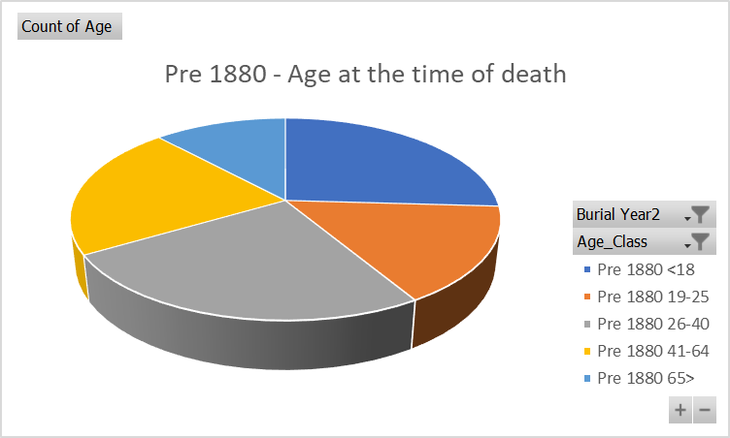
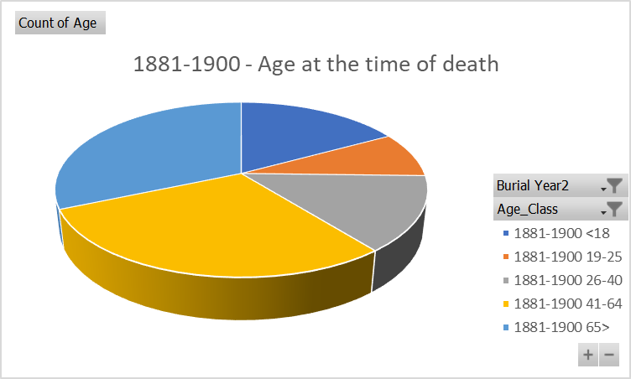

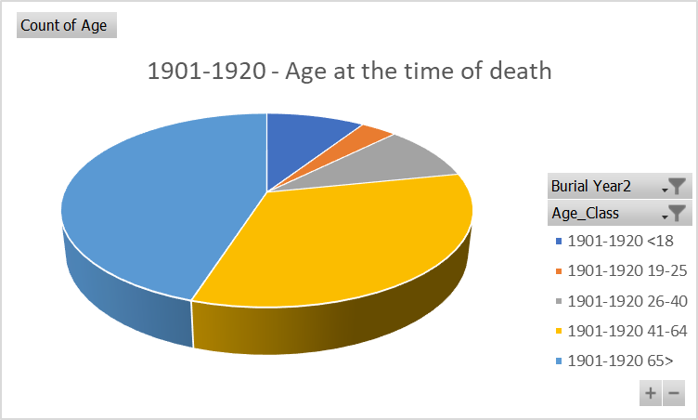
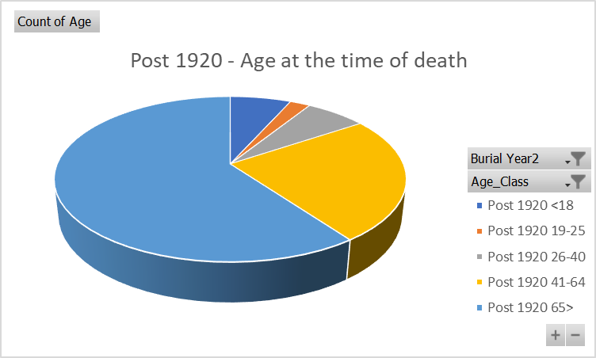

Deaths/Burials per month
 | Total
Cold | 71
Consumption | 162
Pneumonia | 94
Still Born | 92
Unknown | 174
Complication | 54
Consumption | 125
Pneumonia | 84
Still Born | 59
Unknown | 158
Consumption | 175
Old Age | 58
Pneumonia | 114
Still Born | 93
Unknown | 198
Cold | 61
Consumption | 161
Pneumonia | 100
Still Born | 89
Unknown | 148
Cholera | 50
Consumption | 162
Old Age | 47
Still Born | 82
Unknown | 137
Cholera | 427
Complication | 95
Consumption | 140
Still Born | 95
Unknown | 167
Cholera | 300
Complication | 120
Consumption | 156
Flux | 91
Unknown | 218
Consumption | 140
Flux | 76
Still Born | 85
Teething | 85
Unknown | 148
Cholera | 329
Consumption | 136
Flux | 71
Still Born | 66
Unknown | 139
Complication | 63
Consumption | 122
Flux | 73
Still Born | 82
Unknown | 143
...

Top_10
Top 10 Leading Causes of Death
Row Labels | Count of Cause of Death/Burial
Cholera | 1250
Cold | 427
Complication | 750
Consumption | 1774
Flux | 475
Old Age | 610
Pneumonia | 618
Still Born | 982
Teething | 412
Unknown | 1913
Grand Total | 9211

Burials_per_year
Number of burials per year
 | Total
1846 | 246
1847 | 476
1848 | 447
1849 | 745
1850 | 809
1851 | 385
1852 | 552
1853 | 429
1854 | 596
1855 | 476
1856 | 428
1857 | 402
1858 | 415
1859 | 482
1860 | 575
1861 | 455
1862 | 627
1863 | 836
1864 | 1372
1865 | 1366
1866 | 1354
1867 | 542
1868 | 504
1869 | 209
1870 | 312
1871 | 285
1872 | 283
1873 | 559
1874 | 337
1875 | 159
1876 | 148
1877 | 155
1878 | 118
1879 | 138
1880 | 204
1881 | 156
1882 | 111
1883 | 128
1884 | 99
1885 | 69
1886 | 70
1887 | 67
1888 | 50
1889 | 50
1890 | 46
1891 | 58
1892 | 48
1893 | 51
1894 | 55
1895 | 47
...
Row Labels | Count of Burial Year
1846 | 246
1847 | 476
1848 | 447
1849 | 745
1850 | 809
1851 | 385
1852 | 552
1853 | 429
1854 | 596
1855 | 476
1856 | 428
1857 | 402
1858 | 415
1859 | 482
1860 | 575
1861 | 455
1862 | 627
1863 | 836
1864 | 1372
1865 | 1366
1866 | 1354 | 1864 shows the highest number of burials -1372. The top three (3) reasons for deaths in 1864 are attributed to measles (112), consumption (108) and the cold (79), respectively. Of note, this was also during the time of the Civil War (1861-1865).
1867 | 542
1868 | 504
1869 | 209
1870 | 312
1871 | 285
1872 | 283
1873 | 559
1874 | 337
1875 | 159
1876 | 148
1877 | 155
1878 | 118
1879 | 138
1880 | 204
1881 | 156
1882 | 111
1883 | 128
1884 | 99
1885 | 69
1886 | 70
1887 | 67
1888 | 50
1889 | 50
1890 | 46
1891 | 58
1892 | 48
1893 | 51
1894 | 55
1895 | 47
1896 | 42
1897 | 52
1898 | 37
1899 | 53
1900 | 37
1901 | 36
1902 | 37
1903 | 40
1904 | 41
1905 | 26
1906 | 31
1907 | 18
1908 | 35
1909 | 29
1910 | 28
1911 | 35
1912 | 22
1913 | 19
1914 | 30
1915 | 29
1916 | 25
1917 | 14
1918 | 24
1919 | 18
1920 | 12
1921 | 13
1922 | 24
1923 | 18
1924 | 22
1925 | 14
1926 | 19
1927 | 10
1928 | 16
1929 | 28
1930 | 12
1931 | 16
1932 | 19
1933 | 14
1934 | 22
1935 | 18
1936 | 10
1937 | 13
1938 | 12
1939 | 7
1940 | 11
1941 | 10
1942 | 4
1943 | 10
1944 | 11
1945 | 8
1946 | 11
1947 | 7
1948 | 4
1949 | 3
1950 | 4
1951 | 5
1952 | 2
1953 | 3
1954 | 1
1955 | 4
1956 | 2
1957 | 2
1958 | 3
1959 | 1
1960 | 4
1961 | 1
1962 | 4
1964 | 2
1966 | 2
1968 | 1
1969 | 1
1970 | 1
1971 | 2
1972 | 2
1974 | 1
1977 | 3
1978 | 2
1979 | 3
(blank)
Grand Total | 19743

M_F_death_change
Gender Count | Column Labels
Row Labels | F | M | Grand Total
1850s | 2245 | 2631 | 4876
1860S | 3744 | 4063 | 7807
1870s | 1227 | 1208 | 2435
1880s | 507 | 467 | 974
1890s | 245 | 230 | 475
1900s | 169 | 157 | 326
1910s | 129 | 108 | 237
1920s | 95 | 81 | 176
1930s | 72 | 70 | 142
1940s | 38 | 40 | 78
1950s | 16 | 11 | 27
1960s | 8 | 7 | 15
1970s | 11 | 3 | 14
(blank) | 1 | 1 | 2
Male/Female Death Changes Over Time
Grand Total | 8507 | 9077 | 17584

Age_death_change
1901-1920 - Age at the time of death
Row Labels | Count of Age
Pre 1880 | 9395
<18 | 2435
19-25 | 1454
26-40 | 2361
41-64 | 2027
65> | 1118
Grand Total | 9395

Burials_by_mo
Cause of death by month
Row Labels | Count of Cause of Death/Burial
Jan | 593
Cold | 71
Consumption | 162
Pneumonia | 94
Still Born | 92
Unknown | 174
Feb | 480
Complication | 54
Consumption | 125
Pneumonia | 84
Still Born | 59
Unknown | 158
Mar | 638
Consumption | 175
Old Age | 58
Pneumonia | 114
Still Born | 93
Unknown | 198
Apr | 559
Cold | 61
Consumption | 161
Pneumonia | 100
Still Born | 89
Unknown | 148
May | 478
Cholera | 50
Consumption | 162
Old Age | 47
Still Born | 82
Unknown | 137
Jun | 924
Cholera | 427
Complication | 95
Consumption | 140
Still Born | 95
Unknown | 167
Jul | 885
Cholera | 300
Complication | 120
Consumption | 156
Flux | 91
Unknown | 218
Aug | 534
Consumption | 140
Flux | 76
Still Born | 85
Teething | 85
Unknown | 148
Sep | 741
Cholera | 329
Consumption | 136
Flux | 71
Still Born | 66
Unknown | 139
Oct | 483
Complication | 63
Consumption | 122
Flux | 73
Still Born | 82
Unknown | 143
Nov | 433
Consumption | 127
Flux | 53
Old Age | 47
Still Born | 77
Unknown | 129
Dec | 508
Complication | 53
Consumption | 164
Old Age | 56
Still Born | 81
Unknown | 154
Grand Total | 7256

