Sheet1
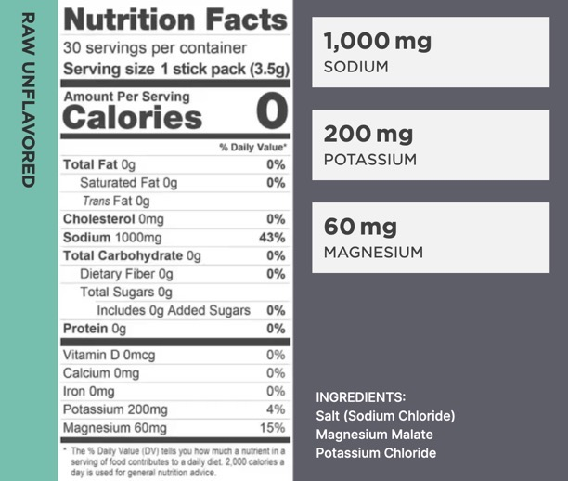
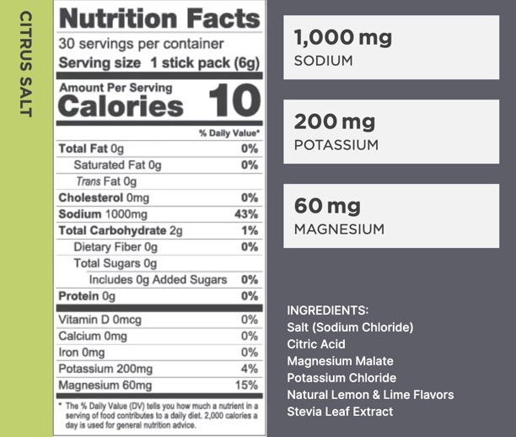
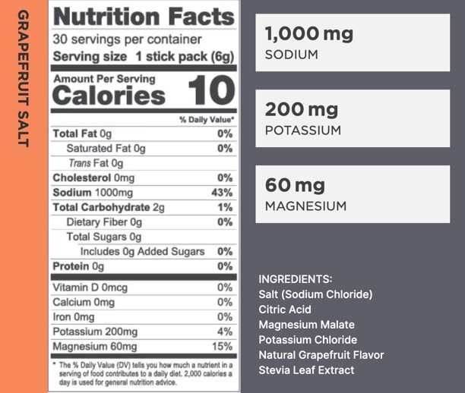
From https://dcblack.github.io/FabulousFasters/Resources/index.html
See https://dcblack.github.io/FabulousFasters/Resources/How_to_make_LMNT_drink_electrolyte_mix_at_home.html

Ingredient name | Chemical | Serving | Product name | Amazon | Serving2 | Bag | Price | Servings | $/serving | Flavor | Notes
Potassium Chloride | KCl | 0.200 g | Alpha Chemicals KCl 5lbs | https://a.co/d/eaQ1SQM |  | 2,267.960 g | $22.99 | 11,339.80 | 0.0020273726168
Magnesium malate | C4H4MgO5 | 0.060 g | Bulk Supplements 1kg | https://a.co/d/3NXJpxZ | 0.15 tsp | 1,000.000 g | $40.97 | 2,666.67 | 0.01536375
Sodium Chloride | NaCl | 1.000 g | Redmond Real Salt 10 lbs | https://a.co/d/f6TI4wW | 0.2 tsp | 4,535.920 g | $50.99 | 4,535.92 | 0.011241379919
 |  |  |  |  |  |  |  |  | $0.03 | Raw LMNT

Citric Acid Powder | C6H8O7 | 1.000 g | Bulk Supplements 1 kg | https://a.co/d/6WGlsEU | 1 g | 1,000.000 g | $18.87 | 1,000.00 | 0.01887 | Citrus
 |  |  |  |  |  |  |  |  | $0.05 | Citrus salt
 |  |  |  |  |  |  |  |  | $0.07 | Citrus LMNT

Ascorbic Acid Powder |  | 1.100 g | Now Vitamin C Crystals 1 lb | https://a.co/d/fA0KQJB | 0.25 tsp | 454.300 g | $16.90 | 413.00 | 0.040920096852 | Vit. C
 |  |  |  |  |  |  |  |  | $0.07 | Vit. C salt
 |  |  |  |  |  |  |  |  | $0.09 | Vit. C LMNT

Pure Stevia Powder |  |  | Stevia Extract 18 oz | https://a.co/d/hh4yR7J | 1 scoop | 510.291 g | $29.95 | 1,418.00 | 0.021121297602 | Sweetner | Add if needed

