Arkusz1
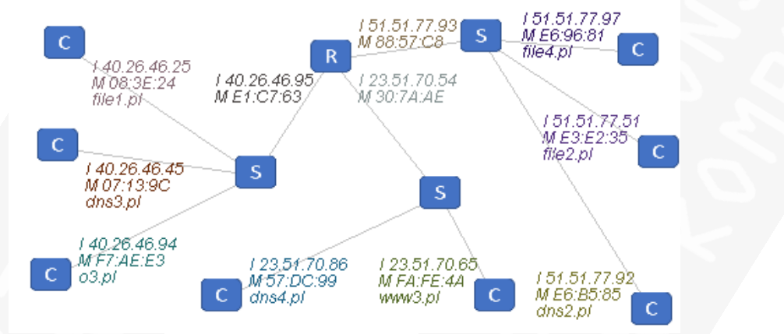
ICMP |  |  | Krok | protokol | ip nad | mac nad | ip odb | mac odb | opis
DNS |  |  | 1 -> | DNS | 223.1.1.1 | 12 | 223.1.2.1 | 11 | O IP YAH
ARP |  |  | 2 -> | DNS | 223.1.1.2 | 13 | 223.1.2.1 | 10 | O IP YAH
 |  |  | 3 <- | DNS | 223.1.2.1 | 10 | 223.1.1.2 | 13 | REPLY
 |  |  | 4 <- | DNS | 223.1.2.1 | 11 | 223.1.1.1 | 12 | REPLY
 |  |  |  | ICMP | 223.1.1.1 | 12 | 223.1.2.1 | 11
 |  |  |  | ICMP | 223.1.1.2 | 13 | 223.1.2.1 | 10
 |  |  |  | ICMP | 223.1.2.1 | 10 | 223.1.1.2 | 13
 |  |  |  | ICMP | 223.1.2.1 | 11 | 223.1.1.1 | 12

 |  |  |  |  |  |  |  | ICMP | 223.1.2.1 | 10 | 223.1.1.2 | 13
ICMP | NADAWCA | ODBIORCA |  |  |  |  |  | ICMP | 223.1.2.1 | 11 | 223.1.1.1 | 12
MAC | 12 | 11
IP | 223.1.1.1
DANE

Krok | protokol | ip nad | mac nad | ip odb | mac odb | opis
1 -> | DNS | 51.51.77.51 | 35 | 51.51.77.25 | C8 | POPROSZE O IP DNS3.PL
2 -> | ARP | 51.51.77.93 | C8 | 23.51.70.54 | FF | POPROSZE O MACA TEGO IP
3 <- | ARP | 23.51.70.54 | AE | 51.51.77.93 | C8 | REPLY MAC = AE
4 -> | DNS | 51.51.77.51 | C8 | 51.51.77.25 | AE | POPROSZE O IP DNS3.PL
5 -> | ARP | 23.51.70.54 | AE | 40.26.46.95 | FF | POPROSZE O MACA TEGO IP
6 <- | ARP | 40.26.46.95 | 63 | 23.51.70.54 | AE | REPLY MAC = 63
7 -> | DNS | 51.51.77.51 | AE | 51.51.77.25 | 63 | POPROSZE O IP DNS3.PL
8 -> | ARP | 40.26.46.95 | 63 | 40.26.46.25 | FF | POPROSZE O MACA TEGO IP
9 <- | ARP | 40.26.46.25 | 24 | 40.26.46.95 | 63 | REPLY MAC = 24
7 -> | DNS | 51.51.77.51 | 63 | 51.51.77.25 | 24 | POPROSZE O IP DNS3.PL
8 <- | DNS | 51.51.77.25 | 24 | 51.51.77.51 | 63 | REPLY IP = 40.26.46.45
9 <- | DNS | 51.51.77.25 | 63 | 51.51.77.51 | AE | REPLY IP = 40.26.46.46
10 <- | DNS | 51.51.77.25 | AE | 51.51.77.51 | C8 | REPLY IP = 40.26.46.47
11 <- | DNS | 51.51.77.25 | C8 | 51.51.77.51 | 35 | REPLY IP = 40.26.46.48

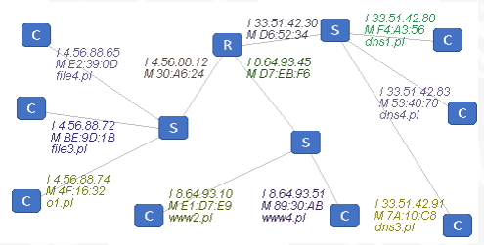

Krok | protokol | ip nad | mac nad | ip odb | mac odb | opis
1 -> | ARP | 33.51.42.91 | C8 | 33.51.42.30 | FF | POPROSZE MAC TEGO IP
2 <- | ARP | 33.51.42.30 | 34 | 33.51.42.91 | C8 | PROSZE MAC = 34
3 -> | DNS | 33.51.42.91 | C8 | 8.64.93.51 | 34 | POPROSZE IP O1.PL
4 -> | ARP | 8.64.93.45 | F6 | 8.64.93.51 | FF | POPRZOSZE MAC TEGO IP
5 <- | ARP | 8.64.93.51 | AB | 8.64.93.45 | F6 | PROSZE MOJ MAC = AB
6 -> | DNS | 33.51.42.91 | F6 | 8.64.93.51 | AB | POPROSZE IP O1.PL
7 <- | DNS | 8.64.93.51 | AB | 33.51.42.91 | F6 | PROSZE IP DNSA = 4.56.88.74
8 <- | DNS | 8.64.93.51 | 34 | 33.51.42.91 | C8 | PROSZE IP DNSA = 4.56.88.74
9 -> | ICMP | 33.51.42.91 | C8 | 4.56.88.74 | 34 | PING
10 -> | ICMP | 33.51.42.91 | 24 | 4.56.88.74 | 32 | PING
11 <- | ICMP | 4.56.88.74 | 32 | 33.51.42.91 | 24 | RESPOND
12 <- | ICMP | 4.56.88.74 | 34 | 33.51.42.91 | C8 | RESPOND

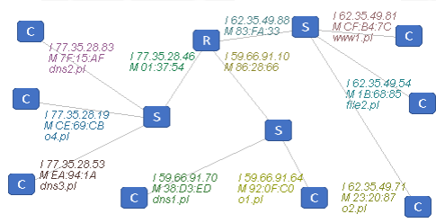

Krok | protokol | ip nad | mac nad | ip odb | mac odb | opis
1 -> | ARP | 62.35.49.71 | 87 | 62.35.49.88 | FF | POPROSZE TWOJ MAC
2 <- | ARP | 62.35.49.88 | 33 | 62.35.49.71 | 87 | PROSZE MAC = 33
3 -> | DNS | 62.35.49.71 | 87 | 59.66.91.70 | 33 | POPROSZE IP DNS3.PL
4 -> | ARP | 59.66.91.10 | 66 | 59.66.91.70 | FF | PORPOSZE TWOJ MAC
5 <- | ARP | 59.66.91.70 | ED | 59.66.91.10 | 66 | PROSZE MAC = ED
6 -> | DNS | 62.35.49.71 | 66 | 59.66.91.70 | ED | POPROSZE IP DNS3.PL
7 <- | DNS | 59.66.91.70 | ED | 62.35.49.71 | 66 | PROSZE IP = 77.35.28.53
8 <- | DNS | 59.66.91.70 | 33 | 62.35.49.71 | 87 | PROSZE IP = 77.35.28.53 |  | 0.02991865685
9 -> | ICMP | 62.35.49.71 | 87 | 77.35.28.53 | 33 | PING |  | 0.049864428083
10 -> | ICMP | 62.35.49.71 | 54 | 77.35.28.53 | 1A | PING |  | 0.075470485747
11 <- | ICMP | 77.35.28.53 | 1A | 62.35.49.71 | 54 | RESPOND |  | 0.10327540155
12 <- | ICMP | 77.35.28.53 | 33 | 62.35.49.71 | 87 | RESPOND |  | 0.12710818652
 |  |  |  |  |  |  |  | 0.034718069631
 |  |  |  |  |  |  |  | 0.02991865685
 |  |  |  |  |  |  |  | 0.049864428083
 |  |  |  |  |  |  |  | 0.075470485747
 |  |  |  |  |  |  |  | 0.02991865685

