PilotCoding
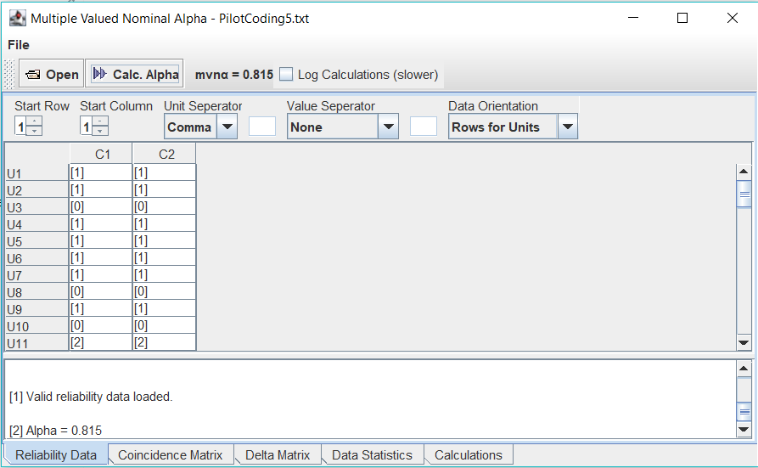
PILOT1
 |  |  |  | Protocol |  | Approach |  | Security Goal |  | Type of Attack |  | Type of Control |  | Broad Domain
ID | Authors | Year | Title | Evaluator1 | Evaluator2 | Evaluator1 | Evaluator2 | Evaluator1 | Evaluator2 | Evaluator1 | Evaluator2 | Evaluator1 | Evaluator2 | Evaluator1 | Evaluator2
ID1731 | Kitamura et al. | 2009 | A lightweight application-layer signaling protocol | Standardized | Standardized | Hybrid | Hybrid | Availability | Accounting | Impact | Remote Service Effects | Recovery | Response | Enterprise | Mobile
ID3569 | Raza et al. | 2013 | Lithe: Lightweight secure CoAP for the internet of things | Standardized | Standardized | Dependent | Built-in | Integrity | Confidentiality | Collection | Credential Access | Protection | Detection | Mobile | Mobile
ID3491 | Nam and Djuraev | 2014 | Defending HTTP web servers against DDoS attacks through busy period-based attack flow detection | Proposed | Standardized | Built-in | Hybrid | Availability | Availability | Remote Service Effects | Remote Service Effects | Detection | Detection | Mobile | Mobile
ID3411 | Pereira et al. | 2015 | BlinkToSCoAP: An end-to-end security framework for the Internet of Things | Standardized | Standardized | Built-in | Dependent | Confidentiality | Privacy | Impact | Network Effects | Detection | Protection | Mobile | Mobile
ID3096 | Albalas et al. | 2018 | Security-aware CoAP application layer protocol for the internet of things using elliptic-curve cryptography | Standardized | Standardized | Built-in | Built-in | Confidentiality | Confidentiality | Collection | Impact | Protection | Protection | Mobile | Enterprise
ID2765 | Elemam et al. | 2019 | A secure MQTT protocol, telemedicine IoT case study | Standardized | Standardized | Built-in | Hybrid | Privacy | Confidentiality | Command and Control | Command and Control | Protection | Detection | Mobile | Mobile
ID2702 | Perez et al. | 2020 | Application Layer Key Establishment for End-to-End Security in IoT | Standardized | Proposed | Hybrid | Built-in | Confidentiality | Confidentiality | Lateral Movement | Persistence | Protection | Protection | Mobile | Mobile
ID2724 | Wang et al. | 2020 | Blockchain-based data storage mechanism for industrial internet of things | Proposed | Proposed | Built-in | Hybrid | Confidentiality | Confidentiality | Credential Access | Initial Access | Response | Protection | Industrial Control Systems | Industrial Control Systems
ID2373 | Bashir and Mir | 2021 | Lightweight secure MQTT for mobility enabled e-health internet of things | Standardized | Standardized | Built-in | Built-in | Integrity | Confidentiality | Collection | Collection | Protection | Protection | Mobile | Mobile
ID2296 | Beitollah et al. | 2022 | Application Layer DDoS Attack Detection Using Cuckoo Search Algorithm-Trained Radial Basis Function | Proposed | Proposed | Built-in | Dependent | Availability | Availability | Lateral Movement | Remote Service Effects | Response | Recovery | Enterprise | Mobile

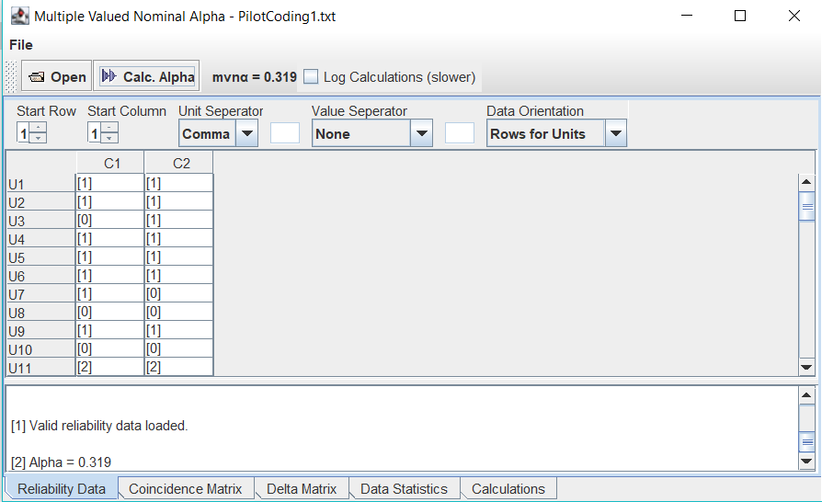

PILOT2
 |  |  |  | Protocol |  | Approach |  | Security Goal |  | Type of Attack |  | Type of Control |  | Broad Domain
ID | Authors | Year | Title | Evaluator1 | Evaluator2 | Evaluator1 | Evaluator2 | Evaluator1 | Evaluator2 | Evaluator1 | Evaluator2 | Evaluator1 | Evaluator2 | Evaluator1 | Evaluator2
ID1731 | Kitamura et al. | 2009 | A lightweight application-layer signaling protocol | Standardized | Standardized | Hybrid | Hybrid | Availability | Accounting | Remote Service Effects | Remote Service Effects | Recovery | Response | Enterprise | Enterprise
ID3569 | Raza et al. | 2013 | Lithe: Lightweight secure CoAP for the internet of things | Standardized | Standardized | Dependent | Built-in | Confidentiality | Confidentiality | Collection | Credential Access | Protection | Protection | Mobile | Mobile
ID3491 | Nam and Djuraev | 2014 | Defending HTTP web servers against DDoS attacks through busy period-based attack flow detection | Proposed | Standardized | Built-in | Hybrid | Availability | Availability | Remote Service Effects | Remote Service Effects | Detection | Detection | Mobile | Mobile
ID3411 | Pereira et al. | 2015 | BlinkToSCoAP: An end-to-end security framework for the Internet of Things | Standardized | Standardized | Built-in | Dependent | Confidentiality | Privacy | Impact | Network Effects | Detection | Protection | Mobile | Mobile
ID3096 | Albalas et al. | 2018 | Security-aware CoAP application layer protocol for the internet of things using elliptic-curve cryptography | Standardized | Standardized | Built-in | Built-in | Confidentiality | Confidentiality | Collection | Collection | Protection | Protection | Mobile | Enterprise
ID2765 | Elemam et al. | 2019 | A secure MQTT protocol, telemedicine IoT case study | Standardized | Standardized | Built-in | Built-in | Privacy | Confidentiality | Command and Control | Command and Control | Protection | Detection | Mobile | Mobile
ID2702 | Perez et al. | 2020 | Application Layer Key Establishment for End-to-End Security in IoT | Standardized | Proposed | Hybrid | Built-in | Confidentiality | Confidentiality | Lateral Movement | Persistence | Protection | Protection | Mobile | Mobile
ID2724 | Wang et al. | 2020 | Blockchain-based data storage mechanism for industrial internet of things | Proposed | Proposed | Built-in | Hybrid | Confidentiality | Confidentiality | Credential Access | Initial Access | Response | Protection | Industrial Control Systems | Industrial Control Systems
ID2373 | Bashir and Mir | 2021 | Lightweight secure MQTT for mobility enabled e-health internet of things | Standardized | Standardized | Built-in | Built-in | Integrity | Confidentiality | Collection | Collection | Protection | Protection | Mobile | Mobile
ID2296 | Beitollah et al. | 2022 | Application Layer DDoS Attack Detection Using Cuckoo Search Algorithm-Trained Radial Basis Function | Proposed | Proposed | Built-in | Dependent | Availability | Availability | Lateral Movement | Remote Service Effects | Response | Recovery | Enterprise | Mobile
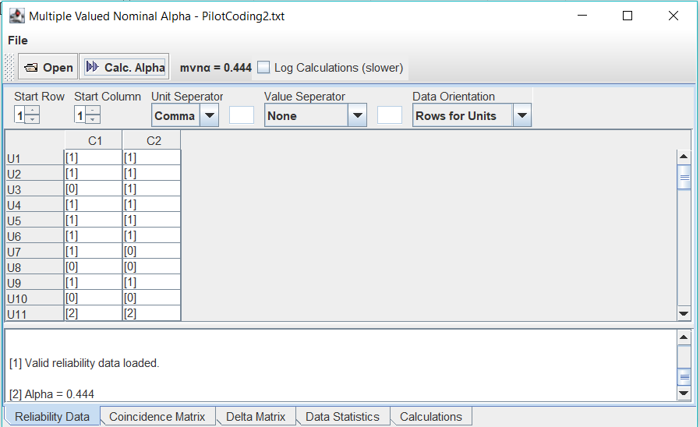

PILOT3
 |  |  |  | Protocol |  | Approach |  | Security Goal |  | Type of Attack |  | Type of Control |  | Broad Domain
ID | Authors | Year | Title | Evaluator1 | Evaluator2 | Evaluator1 | Evaluator2 | Evaluator1 | Evaluator2 | Evaluator1 | Evaluator2 | Evaluator1 | Evaluator2 | Evaluator1 | Evaluator2
ID1731 | Kitamura et al. | 2009 | A lightweight application-layer signaling protocol | Standardized | Standardized | Hybrid | Hybrid | Availability | Accounting | Remote Service Effects | Remote Service Effects | Recovery | Recovery | Enterprise | Enterprise
ID3569 | Raza et al. | 2013 | Lithe: Lightweight secure CoAP for the internet of things | Standardized | Standardized | Built-in | Built-in | Confidentiality | Confidentiality | Collection | Credential Access | Protection | Protection | Mobile | Mobile
ID3491 | Nam and Djuraev | 2014 | Defending HTTP web servers against DDoS attacks through busy period-based attack flow detection | Proposed | Proposed | Built-in | Hybrid | Availability | Availability | Remote Service Effects | Remote Service Effects | Detection | Detection | Mobile | Mobile
ID3411 | Pereira et al. | 2015 | BlinkToSCoAP: An end-to-end security framework for the Internet of Things | Standardized | Standardized | Built-in | Dependent | Confidentiality | Confidentiality | Impact | Network Effects | Detection | Protection | Mobile | Mobile
ID3096 | Albalas et al. | 2018 | Security-aware CoAP application layer protocol for the internet of things using elliptic-curve cryptography | Standardized | Standardized | Built-in | Built-in | Confidentiality | Confidentiality | Collection | Collection | Protection | Protection | Mobile | Mobile
ID2765 | Elemam et al. | 2019 | A secure MQTT protocol, telemedicine IoT case study | Standardized | Standardized | Built-in | Built-in | Privacy | Confidentiality | Command and Control | Command and Control | Protection | Detection | Mobile | Mobile
ID2702 | Perez et al. | 2020 | Application Layer Key Establishment for End-to-End Security in IoT | Standardized | Proposed | Hybrid | Built-in | Confidentiality | Confidentiality | Lateral Movement | Persistence | Protection | Protection | Mobile | Mobile
ID2724 | Wang et al. | 2020 | Blockchain-based data storage mechanism for industrial internet of things | Proposed | Proposed | Built-in | Hybrid | Confidentiality | Confidentiality | Initial Access | Initial Access | Response | Protection | Industrial Control Systems | Industrial Control Systems
ID2373 | Bashir and Mir | 2021 | Lightweight secure MQTT for mobility enabled e-health internet of things | Standardized | Standardized | Built-in | Built-in | Confidentiality | Confidentiality | Collection | Collection | Protection | Protection | Mobile | Mobile
ID2296 | Beitollah et al. | 2022 | Application Layer DDoS Attack Detection Using Cuckoo Search Algorithm-Trained Radial Basis Function | Proposed | Proposed | Built-in | Dependent | Availability | Availability | Lateral Movement | Remote Service Effects | Response | Response | Enterprise | Mobile

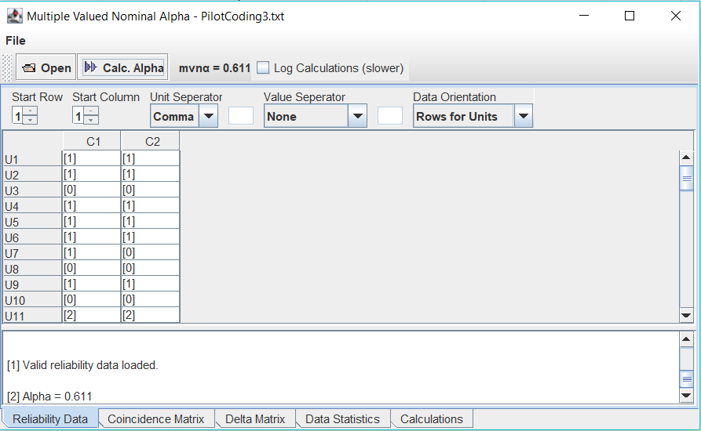

PILOT4
 |  |  |  | Protocol |  | Approach |  | Security Goal |  | Type of Attack |  | Type of Control |  | Broad Domain
ID | Authors | Year | Title | Evaluator1 | Evaluator2 | Evaluator1 | Evaluator2 | Evaluator1 | Evaluator2 | Evaluator1 | Evaluator2 | Evaluator1 | Evaluator2 | Evaluator1 | Evaluator2
ID1731 | Kitamura et al. | 2009 | A lightweight application-layer signaling protocol | Standardized | Standardized | Hybrid | Hybrid | Availability | Availability | Remote Service Effects | Remote Service Effects | Recovery | Recovery | Enterprise | Enterprise
ID3569 | Raza et al. | 2013 | Lithe: Lightweight secure CoAP for the internet of things | Standardized | Standardized | Built-in | Built-in | Confidentiality | Confidentiality | Collection | Credential Access | Protection | Protection | Mobile | Mobile
ID3491 | Nam and Djuraev | 2014 | Defending HTTP web servers against DDoS attacks through busy period-based attack flow detection | Proposed | Proposed | Built-in | Hybrid | Availability | Availability | Remote Service Effects | Remote Service Effects | Detection | Detection | Mobile | Mobile
ID3411 | Pereira et al. | 2015 | BlinkToSCoAP: An end-to-end security framework for the Internet of Things | Standardized | Standardized | Built-in | Built-in | Confidentiality | Confidentiality | Network Effects | Network Effects | Protection | Protection | Mobile | Mobile
ID3096 | Albalas et al. | 2018 | Security-aware CoAP application layer protocol for the internet of things using elliptic-curve cryptography | Standardized | Standardized | Built-in | Built-in | Confidentiality | Confidentiality | Collection | Collection | Protection | Protection | Mobile | Mobile
ID2765 | Elemam et al. | 2019 | A secure MQTT protocol, telemedicine IoT case study | Standardized | Standardized | Built-in | Built-in | Privacy | Confidentiality | Command and Control | Command and Control | Protection | Detection | Mobile | Mobile
ID2702 | Perez et al. | 2020 | Application Layer Key Establishment for End-to-End Security in IoT | Standardized | Standardized | Hybrid | Built-in | Confidentiality | Confidentiality | Lateral Movement | Persistence | Protection | Protection | Mobile | Mobile
ID2724 | Wang et al. | 2020 | Blockchain-based data storage mechanism for industrial internet of things | Proposed | Proposed | Built-in | Built-in | Confidentiality | Confidentiality | Initial Access | Initial Access | Response | Protection | Industrial Control Systems | Industrial Control Systems
ID2373 | Bashir and Mir | 2021 | Lightweight secure MQTT for mobility enabled e-health internet of things | Standardized | Standardized | Built-in | Built-in | Confidentiality | Confidentiality | Collection | Collection | Protection | Protection | Mobile | Mobile
ID2296 | Beitollah et al. | 2022 | Application Layer DDoS Attack Detection Using Cuckoo Search Algorithm-Trained Radial Basis Function | Proposed | Proposed | Built-in | Dependent | Availability | Availability | Lateral Movement | Remote Service Effects | Response | Response | Enterprise | Mobile

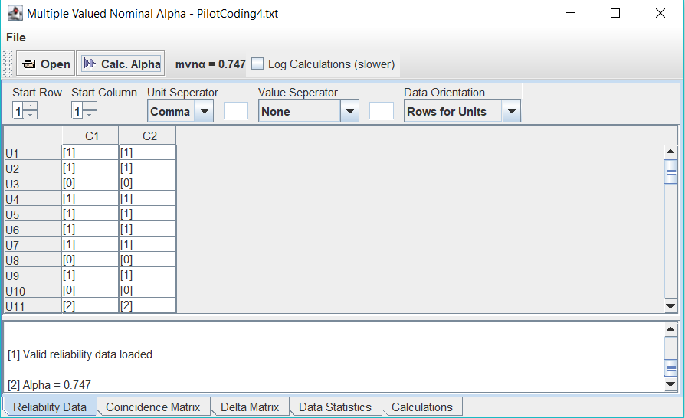

PILOT 5
 |  |  |  | Protocol |  | Approach |  | Security Goal |  | Type of Attack |  | Type of Control |  | Broad Domain
ID | Authors | Year | Title | Evaluator1 | Evaluator2 | Evaluator1 | Evaluator2 | Evaluator1 | Evaluator2 | Evaluator1 | Evaluator2 | Evaluator1 | Evaluator2 | Evaluator1 | Evaluator2
ID1731 | Kitamura et al. | 2009 | A lightweight application-layer signaling protocol | Standardized | Standardized | Hybrid | Hybrid | Availability | Availability | Remote Service Effects | Remote Service Effects | Recovery | Recovery | Enterprise | Enterprise
ID3569 | Raza et al. | 2013 | Lithe: Lightweight secure CoAP for the internet of things | Standardized | Standardized | Built-in | Built-in | Confidentiality | Confidentiality | Collection | Credential Access | Protection | Protection | Mobile | Mobile
ID3491 | Nam and Djuraev | 2014 | Defending HTTP web servers against DDoS attacks through busy period-based attack flow detection | Proposed | Proposed | Built-in | Hybrid | Availability | Availability | Remote Service Effects | Remote Service Effects | Detection | Detection | Mobile | Mobile
ID3411 | Pereira et al. | 2015 | BlinkToSCoAP: An end-to-end security framework for the Internet of Things | Standardized | Standardized | Built-in | Built-in | Confidentiality | Confidentiality | Network Effects | Network Effects | Protection | Protection | Mobile | Mobile
ID3096 | Albalas et al. | 2018 | Security-aware CoAP application layer protocol for the internet of things using elliptic-curve cryptography | Standardized | Standardized | Built-in | Built-in | Confidentiality | Confidentiality | Collection | Collection | Protection | Protection | Mobile | Mobile
ID2765 | Elemam et al. | 2019 | A secure MQTT protocol, telemedicine IoT case study | Standardized | Standardized | Built-in | Built-in | Confidentiality | Confidentiality | Command and Control | Command and Control | Protection | Protection | Mobile | Mobile
ID2702 | Perez et al. | 2020 | Application Layer Key Establishment for End-to-End Security in IoT | Standardized | Standardized | Hybrid | Built-in | Confidentiality | Confidentiality | Lateral Movement | Persistence | Protection | Protection | Mobile | Mobile
ID2724 | Wang et al. | 2020 | Blockchain-based data storage mechanism for industrial internet of things | Proposed | Proposed | Built-in | Built-in | Confidentiality | Confidentiality | Initial Access | Initial Access | Protection | Protection | Industrial Control Systems | Industrial Control Systems
ID2373 | Bashir and Mir | 2021 | Lightweight secure MQTT for mobility enabled e-health internet of things | Standardized | Standardized | Built-in | Built-in | Confidentiality | Confidentiality | Collection | Collection | Protection | Protection | Mobile | Mobile
ID2296 | Beitollah et al. | 2022 | Application Layer DDoS Attack Detection Using Cuckoo Search Algorithm-Trained Radial Basis Function | Proposed | Proposed | Built-in | Dependent | Availability | Availability | Lateral Movement | Remote Service Effects | Response | Response | Enterprise | Enterprise

