TitleScreening
TITLE SCREENING PILOTS

ID | Authors | Year | Title | Reviewer 1 | Reviewer 2
ID1803 | Sorbe | 2008 | A partial-distribution-fault-aware protocol for consistent updates in distributed storage systems | I | I
ID1764 | Abbasi et al. | 2009 | A model and design of a security provider for Java applications | E | E
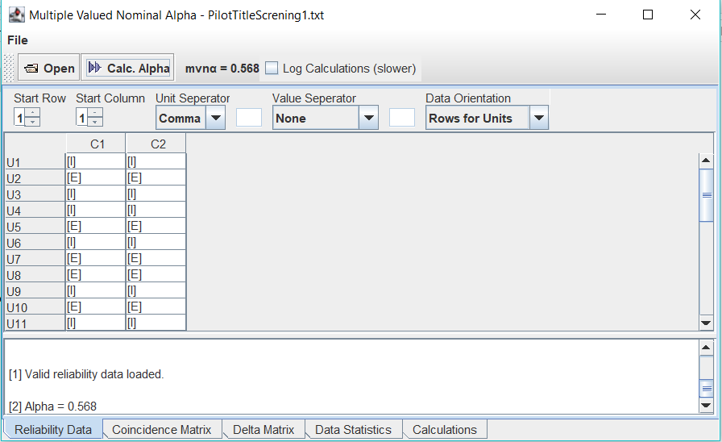
ID1719 | Wang et al. | 2009 | A hierarchical reliability model of service-based software system | I | I
ID3798 | Yu et al. | 2010 | Mitigating application layer distributed denial of service attacks via effective trust management | I | I
ID3723 | Archibald et al. | 2011 | Disambiguating HTTP: Classifying web Applications | E | E
ID3706 | Yang et al. | 2011 | The application layer protocol identification method based on semisupervised learning | I | I
ID3672 | Ramassamy et al. | 2012 | Impact of Application Layers over Wireless Sensor Networks | E | E
ID3574 | Khairkar et al. | 2013 | Ontology for detection of web attacks | E | E
ID3540 | Winter et al. | 2013 | ScrambleSuit: A polymorphic network protocol to circumvent censorship | I | I
ID3373 | Tegenaw and Kifle | 2015 | Application aware firewall architecture to enhance performance of enterprise network | E | E
ID3349 | Chavan and Nighot | 2016 | Secure and Cost-effective Application Layer Protocol with Authentication Interoperability for IOT | I | I
ID3309 | Saxena et al. | 2016 | Application layer encryption for cloud | I | I
ID3247 | Tanasiev et al. | 2016 | Web service-based monitoring system for smart management of the buildings | U | I
ID3128 | Bao et al. | 2017 | A Method of Signal Scrambling to Secure Data Storage for Healthcare Applications | U | U
ID3172 | Gao et al. | 2017 | Research on the Security of Microsoft's Two-Layer Captcha | E | U
ID3062 | Al-Hammouri et al. | 2018 | ReCAP: A distributed CAPTCHA service at the edge of the network to handle server overload | U | I
ID2987 | Ding et al. | 2018 | ID Hopping CAN controller design with obfuscated priority assignment | U | U
ID2980 | Luo et al. | 2018 | IoT application-layer protocol vulnerability detection using reverse engineering | I | I
ID2799 | Alihamidi et al. | 2019 | Proposed architecture of e-health IOT | U | I
ID2777 | Dedeoglu et al. | 2019 | A trust architecture for blockchain in IoT | U | I
ID2770 | Fotiou et al. | 2019 | Exploiting satellite broadcast despite HTTPS | U | U
ID2696 | Ghazanfar et al. | 2020 | IoT-Flock: An Open-source Framework for IoT Traffic Generation | U | I
ID2565 | Tabassum and Mahmood | 2020 | A Multi-Layer Data Encryption and Decryption Mechanism Employing Cryptography and Steganography | I | I
ID2396 | Ahmed and Agunsoye | 2021 | A real-time network traffic classifier for online applications using machine learning | I | I
ID2430 | Da Cruz et al. | 2021 | In.IoT - A New Middleware for Internet of Things | I | I
ID2517 | Qian et al. | 2021 | Secrecy Rate Maximization for Intelligent Reflecting Surface-Assisted Device-to-Device Communications System | U | E
ID2331 | Jung et al. | 2022 | Layer-based examination of cyber-attacks in IoT | E | E
ID2302 | Ozalp et al. | 2022 | Layer-based examination of cyber-attacks in IoT | I | U
ID2173 | Saqib et al. | 2022 | A lightweight three factor authentication framework for IoT based critical applications | I | I
ID2237 | Su et al. | 2022 | Toward Architectural and Protocol-Level Foundation for End-to-End Trustworthiness in Cloud/Fog Computing | I | I

PILOT 2

ID | Authors | Year | Title | Reviewer 1 | Reviewer 2
ID1803 | Sorbe | 2008 | A partial-distribution-fault-aware protocol for consistent updates in distributed storage systems | I | I
ID1764 | Abbasi et al. | 2009 | A model and design of a security provider for Java applications | E | E
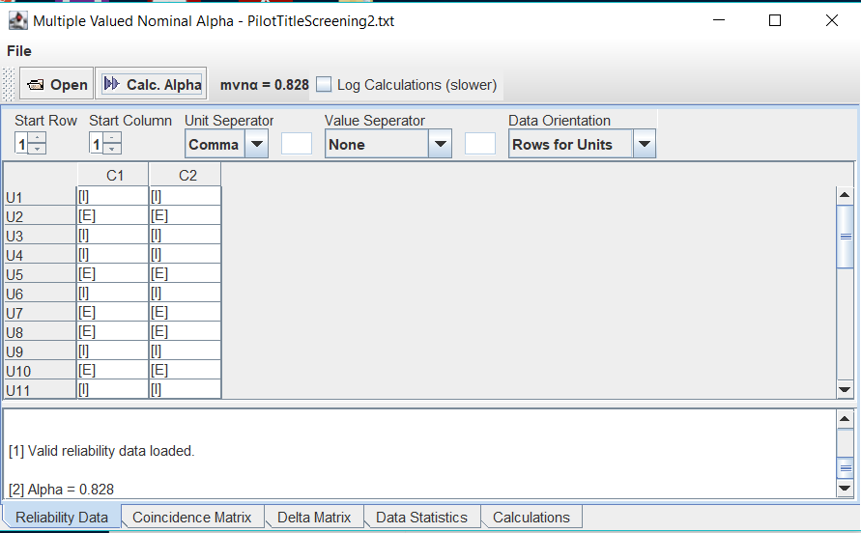
ID1719 | Wang et al. | 2009 | A hierarchical reliability model of service-based software system | I | I
ID3798 | Yu et al. | 2010 | Mitigating application layer distributed denial of service attacks via effective trust management | I | I
ID3723 | Archibald et al. | 2011 | Disambiguating HTTP: Classifying web Applications | E | E
ID3706 | Yang et al. | 2011 | The application layer protocol identification method based on semisupervised learning | I | I
ID3672 | Ramassamy et al. | 2012 | Impact of Application Layers over Wireless Sensor Networks | E | E
ID3574 | Khairkar et al. | 2013 | Ontology for detection of web attacks | E | E
ID3540 | Winter et al. | 2013 | ScrambleSuit: A polymorphic network protocol to circumvent censorship | I | I
ID3373 | Tegenaw and Kifle | 2015 | Application aware firewall architecture to enhance performance of enterprise network | E | E
ID3349 | Chavan and Nighot | 2016 | Secure and Cost-effective Application Layer Protocol with Authentication Interoperability for IOT | I | I
ID3309 | Saxena et al. | 2016 | Application layer encryption for cloud | I | I
ID3247 | Tanasiev et al. | 2016 | Web service-based monitoring system for smart management of the buildings | I | I
ID3128 | Bao et al. | 2017 | A Method of Signal Scrambling to Secure Data Storage for Healthcare Applications | U | U
ID3172 | Gao et al. | 2017 | Research on the Security of Microsoft's Two-Layer Captcha | E | E
ID3062 | Al-Hammouri et al. | 2018 | ReCAP: A distributed CAPTCHA service at the edge of the network to handle server overload | I | I
ID2987 | Ding et al. | 2018 | ID Hopping CAN controller design with obfuscated priority assignment | U | U
ID2980 | Luo et al. | 2018 | IoT application-layer protocol vulnerability detection using reverse engineering | I | I
ID2799 | Alihamidi et al. | 2019 | Proposed architecture of e-health IOT | I | I
ID2777 | Dedeoglu et al. | 2019 | A trust architecture for blockchain in IoT | U | I
ID2770 | Fotiou et al. | 2019 | Exploiting satellite broadcast despite HTTPS | U | U
ID2696 | Ghazanfar et al. | 2020 | IoT-Flock: An Open-source Framework for IoT Traffic Generation | U | I
ID2565 | Tabassum and Mahmood | 2020 | A Multi-Layer Data Encryption and Decryption Mechanism Employing Cryptography and Steganography | I | I
ID2396 | Ahmed and Agunsoye | 2021 | A real-time network traffic classifier for online applications using machine learning | I | I
ID2430 | Da Cruz et al. | 2021 | In.IoT - A New Middleware for Internet of Things | I | I
ID2517 | Qian et al. | 2021 | Secrecy Rate Maximization for Intelligent Reflecting Surface-Assisted Device-to-Device Communications System | U | U
ID2331 | Jung et al. | 2022 | Layer-based examination of cyber-attacks in IoT | E | E
ID2302 | Ozalp et al. | 2022 | Layer-based examination of cyber-attacks in IoT | I | U
ID2173 | Saqib et al. | 2022 | A lightweight three factor authentication framework for IoT based critical applications | I | I
ID2237 | Su et al. | 2022 | Toward Architectural and Protocol-Level Foundation for End-to-End Trustworthiness in Cloud/Fog Computing | I | I

AbstractScreening
ABSTRACT SCREENING PILOTS

PILOT 1

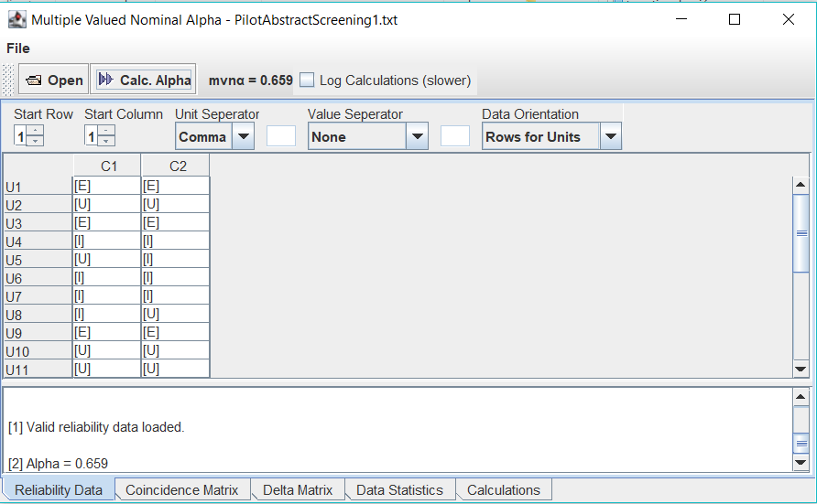
ID | Authors | Year | Title | Reviewer 1 | Reviewer 2
ID1803 | Sorbe | 2008 | A partial-distribution-fault-aware protocol for consistent updates in distributed storage systems | E | E
ID1719 | Wang et al. | 2009 | A hierarchical reliability model of service-based software system | U | U
ID3798 | Yu et al. | 2010 | Mitigating application layer distributed denial of service attacks via effective trust management | E | E
ID3706 | Yang et al. | 2011 | The application layer protocol identification method based on semisupervised learning | I | I
ID3540 | Winter et al. | 2013 | ScrambleSuit: A polymorphic network protocol to circumvent censorship | U | I
ID3349 | Chavan and Nighot | 2016 | Secure and Cost-effective Application Layer Protocol with Authentication Interoperability for IOT | I | I
ID3309 | Saxena et al. | 2016 | Application layer encryption for cloud | I | I
I3247 | Tanasiev et al. | 2016 | Web service-based monitoring system for smart management of the buildings | I | U
ID3128 | Bao et al. | 2017 | A Method of Signal Scrambling to Secure Data Storage for Healthcare Applications | E | E
ID3062 | Al-Hammouri et al. | 2018 | ReCAP: A distributed CAPTCHA service at the edge of the network to handle server overload | U | U
ID2987 | Ding et al. | 2018 | ID Hopping CAN controller design with obfuscated priority assignment | U | U
ID2980 | Luo et al. | 2018 | IoT application-layer protocol vulnerability detection using reverse engineering | I | I
ID2799 | Alihamidi et al. | 2019 | Proposed architecture of e-health IOT | I | U
ID2777 | Dedeoglu et al. | 2019 | A trust architecture for blockchain in IoT | E | E
ID2770 | Fotiou et al. | 2019 | Exploiting satellite broadcast despite HTTPS | U | I
ID2696 | Ghazanfar et al. | 2020 | IoT-Flock: An Open-source Framework for IoT Traffic Generation | U | I
ID2565 | Tabassum and Mahmood | 2020 | A Multi-Layer Data Encryption and Decryption Mechanism Employing Cryptography and Steganography | I | I
ID2396 | Ahmed and Agunsoye | 2021 | A real-time network traffic classifier for online applications using machine learning | U | U
ID2430 | Da Cruz et al. | 2021 | In.IoT - A New Middleware for Internet of Things | I | I
ID2517 | Qian et al. | 2021 | Secrecy Rate Maximization for Intelligent Reflecting Surface-Assisted Device-to-Device Communications System | E | E
ID2302 | Ozalp et al. | 2022 | Layer-based examination of cyber-attacks in IoT | I | I
ID2173 | Saqib et al. | 2022 | A lightweight three factor authentication framework for IoT based critical applications | I | I
ID2237 | Su et al. | 2022 | Toward Architectural and Protocol-Level Foundation for End-to-End Trustworthiness in Cloud/Fog Computing | I | I

PILOT 2

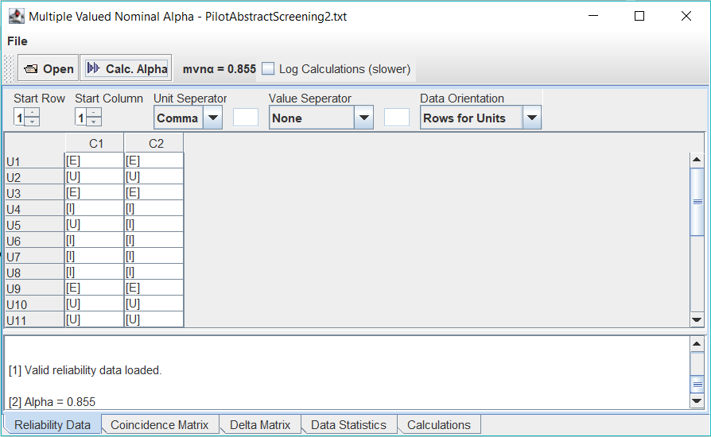
ID | Authors | Year | Title | Reviewer 1 | Reviewer 2
1803 | Sorbe | 2008 | A partial-distribution-fault-aware protocol for consistent updates in distributed storage systems | E | E
1719 | Wang et al. | 2009 | A hierarchical reliability model of service-based software system | U | U
3798 | Yu et al. | 2010 | Mitigating application layer distributed denial of service attacks via effective trust management | E | E
3706 | Yang et al. | 2011 | The application layer protocol identification method based on semisupervised learning | I | I
3540 | Winter et al. | 2013 | ScrambleSuit: A polymorphic network protocol to circumvent censorship | U | I
3349 | Chavan and Nighot | 2016 | Secure and Cost-effective Application Layer Protocol with Authentication Interoperability for IOT | I | I
3309 | Saxena et al. | 2016 | Application layer encryption for cloud | I | I
3247 | Tanasiev et al. | 2016 | Web service-based monitoring system for smart management of the buildings | I | I
3128 | Bao et al. | 2017 | A Method of Signal Scrambling to Secure Data Storage for Healthcare Applications | E | E
3062 | Al-Hammouri et al. | 2018 | ReCAP: A distributed CAPTCHA service at the edge of the network to handle server overload | U | U
2987 | Ding et al. | 2018 | ID Hopping CAN controller design with obfuscated priority assignment | U | U
2980 | Luo et al. | 2018 | IoT application-layer protocol vulnerability detection using reverse engineering | I | I
2799 | Alihamidi et al. | 2019 | Proposed architecture of e-health IOT | I | I
2777 | Dedeoglu et al. | 2019 | A trust architecture for blockchain in IoT | E | E
2770 | Fotiou et al. | 2019 | Exploiting satellite broadcast despite HTTPS | I | I
2696 | Ghazanfar et al. | 2020 | IoT-Flock: An Open-source Framework for IoT Traffic Generation | U | I
2565 | Tabassum and Mahmood | 2020 | A Multi-Layer Data Encryption and Decryption Mechanism Employing Cryptography and Steganography | I | I
2396 | Ahmed and Agunsoye | 2021 | A real-time network traffic classifier for online applications using machine learning | U | U
2430 | Da Cruz et al. | 2021 | In.IoT - A New Middleware for Internet of Things | I | I
2517 | Qian et al. | 2021 | Secrecy Rate Maximization for Intelligent Reflecting Surface-Assisted Device-to-Device Communications System | E | E
2302 | Ozalp et al. | 2022 | Layer-based examination of cyber-attacks in IoT | I | I
2173 | Saqib et al. | 2022 | A lightweight three factor authentication framework for IoT based critical applications | I | I
2237 | Su et al. | 2022 | Toward Architectural and Protocol-Level Foundation for End-to-End Trustworthiness in Cloud/Fog Computing | I | I

FullPaperScreening
FULL PAPER SCREENING PILOTS

PILOT 1


ID | Authors | Year | Title | Reviewer 1 | Reviewer 2
ID1719 | Wang et al. | 2009 | A hierarchical reliability model of service-based software system | E | E
ID3706 | Yang et al. | 2011 | The application layer protocol identification method based on semisupervised learning | E | I
ID3540 | Winter et al. | 2013 | ScrambleSuit: A polymorphic network protocol to circumvent censorship | E | E
ID3349 | Chavan and Nighot | 2016 | Secure and Cost-effective Application Layer Protocol with Authentication Interoperability for IOT | I | I
ID3309 | Saxena et al. | 2016 | Application layer encryption for cloud | E | I
ID3247 | Tanasiev et al. | 2016 | Web service-based monitoring system for smart management of the buildings | I | I
ID3062 | Al-Hammouri et al. | 2018 | ReCAP: A distributed CAPTCHA service at the edge of the network to handle server overload | E | E
ID2987 | Ding et al. | 2018 | ID Hopping CAN controller design with obfuscated priority assignment | E | E
ID2980 | Luo et al. | 2018 | IoT application-layer protocol vulnerability detection using reverse engineering | I | I
ID2799 | Alihamidi et al. | 2019 | Proposed architecture of e-health IOT | E | I
ID2770 | Fotiou et al. | 2019 | Exploiting satellite broadcast despite HTTPS | I | E
ID2696 | Ghazanfar et al. | 2020 | IoT-Flock: An Open-source Framework for IoT Traffic Generation | E | I
ID2565 | Tabassum and Mahmood | 2020 | A Multi-Layer Data Encryption and Decryption Mechanism Employing Cryptography and Steganography | I | I
ID2396 | Ahmed and Agunsoye | 2021 | A real-time network traffic classifier for online applications using machine learning | E | E
ID2430 | Da Cruz et al. | 2021 | In.IoT - A New Middleware for Internet of Things | I | I
ID2302 | Ozalp et al. | 2022 | Layer-based examination of cyber-attacks in IoT | E | E
ID2173 | Saqib et al. | 2022 | A lightweight three factor authentication framework for IoT based critical applications | I | I
ID2237 | Su et al. | 2022 | Toward Architectural and Protocol-Level Foundation for End-to-End Trustworthiness in Cloud/Fog Computing | I | I


PILOT 2

ID | Authors | Year | Title | Reviewer 1 | Reviewer 2
ID1719 | Wang et al. | 2009 | A hierarchical reliability model of service-based software system | E | E
ID3706 | Yang et al. | 2011 | The application layer protocol identification method based on semisupervised learning | I | I
ID3540 | Winter et al. | 2013 | ScrambleSuit: A polymorphic network protocol to circumvent censorship | E | E
ID3349 | Chavan and Nighot | 2016 | Secure and Cost-effective Application Layer Protocol with Authentication Interoperability for IOT | I | I
ID3309 | Saxena et al. | 2016 | Application layer encryption for cloud | E | I
ID3247 | Tanasiev et al. | 2016 | Web service-based monitoring system for smart management of the buildings | I | I
ID3062 | Al-Hammouri et al. | 2018 | ReCAP: A distributed CAPTCHA service at the edge of the network to handle server overload | E | E
ID2987 | Ding et al. | 2018 | ID Hopping CAN controller design with obfuscated priority assignment | E | E
ID2980 | Luo et al. | 2018 | IoT application-layer protocol vulnerability detection using reverse engineering | I | I
ID2799 | Alihamidi et al. | 2019 | Proposed architecture of e-health IOT | E | I
ID2770 | Fotiou et al. | 2019 | Exploiting satellite broadcast despite HTTPS | I | E
ID2696 | Ghazanfar et al. | 2020 | IoT-Flock: An Open-source Framework for IoT Traffic Generation | E | E
ID2565 | Tabassum and Mahmood | 2020 | A Multi-Layer Data Encryption and Decryption Mechanism Employing Cryptography and Steganography | I | I
ID2396 | Ahmed and Agunsoye | 2021 | A real-time network traffic classifier for online applications using machine learning | E | E
ID2430 | Da Cruz et al. | 2021 | In.IoT - A New Middleware for Internet of Things | I | I
ID2302 | Ozalp et al. | 2022 | Layer-based examination of cyber-attacks in IoT | E | E
ID2173 | Saqib et al. | 2022 | A lightweight three factor authentication framework for IoT based critical applications | I | I
ID2237 | Su et al. | 2022 | Toward Architectural and Protocol-Level Foundation for End-to-End Trustworthiness in Cloud/Fog Computing | I | I

PILOT 3

ID | Authors | Year | Title | Reviewer 1 | Reviewer 2
ID1719 | Wang et al. | 2009 | A hierarchical reliability model of service-based software system | E | E
ID3706 | Yang et al. | 2011 | The application layer protocol identification method based on semisupervised learning | I | I
ID3540 | Winter et al. | 2013 | ScrambleSuit: A polymorphic network protocol to circumvent censorship | E | E
ID3349 | Chavan and Nighot | 2016 | Secure and Cost-effective Application Layer Protocol with Authentication Interoperability for IOT | I | I
ID3309 | Saxena et al. | 2016 | Application layer encryption for cloud | E | I
ID3247 | Tanasiev et al. | 2016 | Web service-based monitoring system for smart management of the buildings | I | I
ID3062 | Al-Hammouri et al. | 2018 | ReCAP: A distributed CAPTCHA service at the edge of the network to handle server overload | E | E
ID2987 | Ding et al. | 2018 | ID Hopping CAN controller design with obfuscated priority assignment | E | E
ID2980 | Luo et al. | 2018 | IoT application-layer protocol vulnerability detection using reverse engineering | I | I
ID2799 | Alihamidi et al. | 2019 | Proposed architecture of e-health IOT | I | I
ID2770 | Fotiou et al. | 2019 | Exploiting satellite broadcast despite HTTPS | E | E
ID2696 | Ghazanfar et al. | 2020 | IoT-Flock: An Open-source Framework for IoT Traffic Generation | E | E
ID2565 | Tabassum and Mahmood | 2020 | A Multi-Layer Data Encryption and Decryption Mechanism Employing Cryptography and Steganography | I | I
ID2396 | Ahmed and Agunsoye | 2021 | A real-time network traffic classifier for online applications using machine learning | E | E
ID2430 | Da Cruz et al. | 2021 | In.IoT - A New Middleware for Internet of Things | I | I
ID2302 | Ozalp et al. | 2022 | Layer-based examination of cyber-attacks in IoT | E | E
ID2173 | Saqib et al. | 2022 | A lightweight three factor authentication framework for IoT based critical applications | I | I
ID2237 | Su et al. | 2022 | Toward Architectural and Protocol-Level Foundation for End-to-End Trustworthiness in Cloud/Fog Computing | I | I

