TitlePilots
TITLE SCREENING PILOTS

PILOT 1

ID | Authors | Year | Title | Reviewer 1 | Reviewer 2 | Reviewer 3
14 | Salah, Z. and Abu Elsoud, E. | 2023 | Enhancing Network Security: A Machine Learning-Based Approach for Detecting and Mitigating Krack and Kr00k Attacks in IEEE 802.11 | I | I | I
35 | Xiao, H. and Devadas, S. | 2023 | PAC Privacy: Automatic Privacy Measurement and Control of Data Processing | I | E | I
46 | Gong, Y.H. et al. | 2023 | Privacy Measurement Based on Social Network Properties and Structure | I | I | I
52 | Medková, J. and Hynek, J. | 2023 | Application-Oriented Anonymization Framework for Social Network Datasets and IoT Environments | I | I | I
61 | Ahangama, S. | 2023 | Relating Social Media Diffusion, Education Level and Cybersecurity Protection Mechanisms to E-Participation Initiatives: Insights from a Cross-Country Analysis | I | I | I
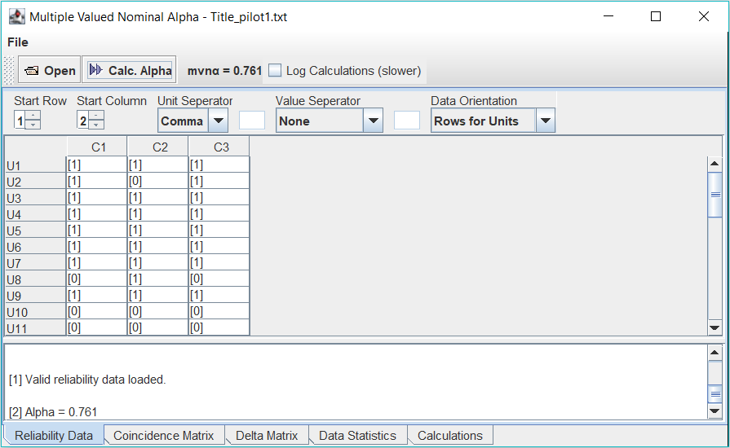
76 | Al-Shaarani, F. and Gutub, A. | 2022 | Securing matrix counting-based secret-sharing involving crypto steganography | I | I | I
77 | Ye, Q. et al. | 2022 | LF-GDPR: A Framework for Estimating Graph Metrics With Local Differential Privacy | I | I | I
83 | Khan, M.F.F. and Sakamura, K. | 2022 | Design and Implementation of a Secure and Distributed Electronic Voucher Management System | E | I | E
98 | Shariatnasab, M. et al. | 2022 | Fundamental Privacy Limits in Bipartite Networks Under Active Attacks | I | I | I
105 | Lercher, A. et al. | 2022 | Context-aware Community Evolution Prediction in Online Social Networks | E | E | E
155 | Agrawal, S. et al. | 2021 | Tag embedding based personalized point of interest recommendation system | E | E | E
161 | Heigl, M. et al. | 2021 | Exploiting the outcome of outlier detection for novel attack pattern recognition on streaming data | I | I | I
177 | Jueckstock, J. et al. | 2021 | Towards realistic and reproducible web crawl measurements | I | I | I
188 | Zhang, W. et al. | 2021 | PAPRIKA: Private Online False Discovery Rate Control | I | I | I
217 | Liu, D. and Simeone, O. | 2021 | Privacy for Free: Wireless Federated Learning via Uncoded Transmission with Adaptive Power Control | I | I | I
231 | Muralidhar, S. et al. | 2020 | Understanding Applicants' Reactions to Asynchronous Video Interviews through Self-reports and Nonverbal Cues | I | I | I
251 | Huang, H. et al. | 2020 | Privacy-Preserving Approach PBCN in Social Network with Differential Privacy | I | I | I
261 | Boursier, E. and Perchet, V. | 2020 | Utility/Privacy Trade-off through the lens of Optimal Transport | I | I | I
299 | Abedi, F. et al. | 2019 | Developing regulatory standards for the concept of security in online dispute resolution systems | E | E | E
320 | Hu, H. et al. | 2019 | Characterizing pixel tracking through the lens of disposable email services | I | I | I
330 | Terlizzi, M.A. et al. | 2019 | Replication of Internet Privacy Concerns in the Mobile Banking Context | I | I | I
338 | Ali, A. et al. | 2019 | Privacy concerns in online social networks: A users' perspective | I | I | I
341 | Solomos, K. et al. | 2019 | Automated Measurements of Cross-Device Tracking | I | I | I
358 | Xu, H. et al. | 2018 | Privacy Risk Assessment on Email Tracking | I | I | E
368 | Nagaraj, K. et al. | 2018 | Identification of Network Communities and Assessment of Privacy Using Hybrid Algorithm | I | I | I
377 | Nakajima, K. et al. | 2018 | Estimating Top-k betweenness centrality nodes in online social networks | I | I | I
403 | Jeong, H.-D.J. et al. | 2017 | Anomalous traffic detection and self-similarity analysis in the environment of atmsim | E | E | E
405 | Steppe, R. | 2017 | Online price discrimination and personal data: A General Data Protection Regulation perspective | I | I | I
430 | al-Khateeb, H.M. et al. | 2017 | Cyberstalking: Investigating formal intervention and the role of Corporate Social Responsibility | I | I | I
470 | Jeong, H.-D.J. et al. | 2016 | Analysis and detection of anomalous network traffic | E | E | E
537 | Yang, M. et al. | 2015 | Adaptive sharing for online social networks: A trade-off between privacy risk and social benefit | E | E | E
564 | Fernández-Berni, J. et al. | 2014 | Focal-plane sensing-processing: A power-efficient approach for the implementation of privacy-Aware networked visual sensors | I | I | I
580 | Liu, P. and Li, X. | 2014 | An improved privacy preserving algorithm for publishing social network data | I | I | I
594 | Alayed, H. et al. | 2013 | Behavioral-based cheating detection in online first person shooters using machine learning techniques | E | E | E
686 | Chen, Y. and Liginlal, D. | 2007 | An empirical investigation of knowledgebased authentication | E | I | E

PILOT 2

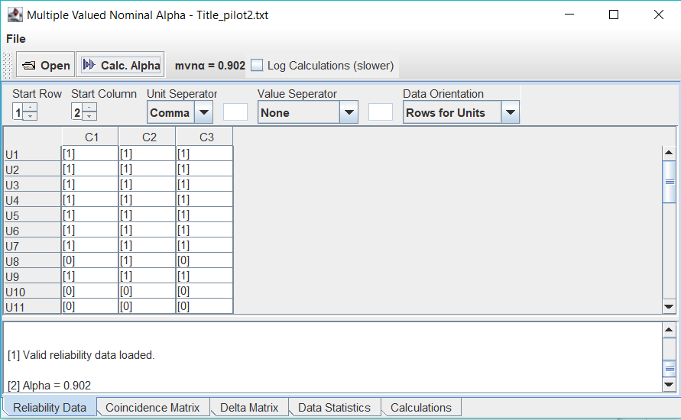
ID | Authors | Year | Title | Reviewer 1 | Reviewer 2 | Reviewer 3
14 | Salah, Z. and Abu Elsoud, E. | 2023 | Enhancing Network Security: A Machine Learning-Based Approach for Detecting and Mitigating Krack and Kr00k Attacks in IEEE 802.11 | I | I | I
35 | Xiao, H. and Devadas, S. | 2023 | PAC Privacy: Automatic Privacy Measurement and Control of Data Processing | I | I | I
46 | Gong, Y.H. et al. | 2023 | Privacy Measurement Based on Social Network Properties and Structure | I | I | I
52 | Medková, J. and Hynek, J. | 2023 | Application-Oriented Anonymization Framework for Social Network Datasets and IoT Environments | I | I | I
61 | Ahangama, S. | 2023 | Relating Social Media Diffusion, Education Level and Cybersecurity Protection Mechanisms to E-Participation Initiatives: Insights from a Cross-Country Analysis | I | I | I
76 | Al-Shaarani, F. and Gutub, A. | 2022 | Securing matrix counting-based secret-sharing involving crypto steganography | I | I | I
77 | Ye, Q. et al. | 2022 | LF-GDPR: A Framework for Estimating Graph Metrics With Local Differential Privacy | I | I | I
83 | Khan, M.F.F. and Sakamura, K. | 2022 | Design and Implementation of a Secure and Distributed Electronic Voucher Management System | E | I | E
98 | Shariatnasab, M. et al. | 2022 | Fundamental Privacy Limits in Bipartite Networks Under Active Attacks | I | I | I
105 | Lercher, A. et al. | 2022 | Context-aware Community Evolution Prediction in Online Social Networks | E | E | E
155 | Agrawal, S. et al. | 2021 | Tag embedding based personalized point of interest recommendation system | E | E | E
161 | Heigl, M. et al. | 2021 | Exploiting the outcome of outlier detection for novel attack pattern recognition on streaming data | I | I | I
177 | Jueckstock, J. et al. | 2021 | Towards realistic and reproducible web crawl measurements | I | I | I
188 | Zhang, W. et al. | 2021 | PAPRIKA: Private Online False Discovery Rate Control | I | I | I
217 | Liu, D. and Simeone, O. | 2021 | Privacy for Free: Wireless Federated Learning via Uncoded Transmission with Adaptive Power Control | I | I | I
231 | Muralidhar, S. et al. | 2020 | Understanding Applicants' Reactions to Asynchronous Video Interviews through Self-reports and Nonverbal Cues | I | I | I
251 | Huang, H. et al. | 2020 | Privacy-Preserving Approach PBCN in Social Network with Differential Privacy | I | I | I
261 | Boursier, E. and Perchet, V. | 2020 | Utility/Privacy Trade-off through the lens of Optimal Transport | I | I | I
299 | Abedi, F. et al. | 2019 | Developing regulatory standards for the concept of security in online dispute resolution systems | E | E | E
320 | Hu, H. et al. | 2019 | Characterizing pixel tracking through the lens of disposable email services | I | I | I
330 | Terlizzi, M.A. et al. | 2019 | Replication of Internet Privacy Concerns in the Mobile Banking Context | I | I | I
338 | Ali, A. et al. | 2019 | Privacy concerns in online social networks: A users' perspective | I | I | I
341 | Solomos, K. et al. | 2019 | Automated Measurements of Cross-Device Tracking | I | I | I
358 | Xu, H. et al. | 2018 | Privacy Risk Assessment on Email Tracking | I | I | I
368 | Nagaraj, K. et al. | 2018 | Identification of Network Communities and Assessment of Privacy Using Hybrid Algorithm | I | I | I
377 | Nakajima, K. et al. | 2018 | Estimating Top-k betweenness centrality nodes in online social networks | I | I | I
403 | Jeong, H.-D.J. et al. | 2017 | Anomalous traffic detection and self-similarity analysis in the environment of atmsim | E | E | E
405 | Steppe, R. | 2017 | Online price discrimination and personal data: A General Data Protection Regulation perspective | I | I | I
430 | al-Khateeb, H.M. et al. | 2017 | Cyberstalking: Investigating formal intervention and the role of Corporate Social Responsibility | I | I | I
470 | Jeong, H.-D.J. et al. | 2016 | Analysis and detection of anomalous network traffic | E | E | E
537 | Yang, M. et al. | 2015 | Adaptive sharing for online social networks: A trade-off between privacy risk and social benefit | E | E | E
564 | Fernández-Berni, J. et al. | 2014 | Focal-plane sensing-processing: A power-efficient approach for the implementation of privacy-Aware networked visual sensors | I | I | I
580 | Liu, P. and Li, X. | 2014 | An improved privacy preserving algorithm for publishing social network data | I | I | I
594 | Alayed, H. et al. | 2013 | Behavioral-based cheating detection in online first person shooters using machine learning techniques | E | E | E
686 | Chen, Y. and Liginlal, D. | 2007 | An empirical investigation of knowledgebased authentication | E | E | E

AbstractPilots
ABSTRACT SCREENING PILOTS

PILOT 1

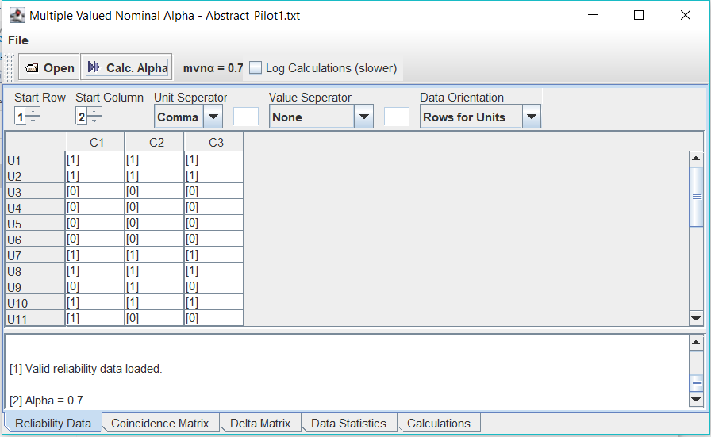
ID | Authors | Year | Title | Reviewer 1 | Reviewer 2 | Reviewer 3
14 | Salah, Z. and Abu Elsoud, E. | 2023 | Enhancing Network Security: A Machine Learning-Based Approach for Detecting and Mitigating Krack and Kr00k Attacks in IEEE 802.11 | I | I | I
35 | Xiao, H. and Devadas, S. | 2023 | PAC Privacy: Automatic Privacy Measurement and Control of Data Processing | I | I | I
46 | Gong, Y.H. et al. | 2023 | Privacy Measurement Based on Social Network Properties and Structure | E | E | E
52 | Medková, J. and Hynek, J. | 2023 | Application-Oriented Anonymization Framework for Social Network Datasets and IoT Environments | E | E | E
61 | Ahangama, S. | 2023 | Relating Social Media Diffusion, Education Level and Cybersecurity Protection Mechanisms to E-Participation Initiatives: Insights from a Cross-Country Analysis | E | E | E
76 | Al-Shaarani, F. and Gutub, A. | 2022 | Securing matrix counting-based secret-sharing involving crypto steganography | E | E | E
77 | Ye, Q. et al. | 2022 | LF-GDPR: A Framework for Estimating Graph Metrics With Local Differential Privacy | I | I | I
98 | Shariatnasab, M. et al. | 2022 | Fundamental Privacy Limits in Bipartite Networks Under Active Attacks | I | I | I
161 | Heigl, M. et al. | 2021 | Exploiting the outcome of outlier detection for novel attack pattern recognition on streaming data | E | I | E
177 | Jueckstock, J. et al. | 2021 | Towards realistic and reproducible web crawl measurements | I | I | I
188 | Zhang, W. et al. | 2021 | PAPRIKA: Private Online False Discovery Rate Control | I | E | E
217 | Liu, D. and Simeone, O. | 2021 | Privacy for Free: Wireless Federated Learning via Uncoded Transmission with Adaptive Power Control | I | I | I
231 | Muralidhar, S. et al. | 2020 | Understanding Applicants' Reactions to Asynchronous Video Interviews through Self-reports and Nonverbal Cues | I | I | I
251 | Huang, H. et al. | 2020 | Privacy-Preserving Approach PBCN in Social Network with Differential Privacy | I | I | I
261 | Boursier, E. and Perchet, V. | 2020 | Utility/Privacy Trade-off through the lens of Optimal Transport | E | I | I
320 | Hu, H. et al. | 2019 | Characterizing pixel tracking through the lens of disposable email services | I | I | I
330 | Terlizzi, M.A. et al. | 2019 | Replication of Internet Privacy Concerns in the Mobile Banking Context | E | E | E
338 | Ali, A. et al. | 2019 | Privacy concerns in online social networks: A users' perspective | I | I | I
341 | Solomos, K. et al. | 2019 | Automated Measurements of Cross-Device Tracking | E | E | E
358 | Xu, H. et al. | 2018 | Privacy Risk Assessment on Email Tracking | E | E | I
368 | Nagaraj, K. et al. | 2018 | Identification of Network Communities and Assessment of Privacy Using Hybrid Algorithm | E | E | E
377 | Nakajima, K. et al. | 2018 | Estimating Top-k betweenness centrality nodes in online social networks | E | E | E
405 | Steppe, R. | 2017 | Online price discrimination and personal data: A General Data Protection Regulation perspective | I | E | I
430 | al-Khateeb, H.M. et al. | 2017 | Cyberstalking: Investigating formal intervention and the role of Corporate Social Responsibility | E | E | E
564 | Fernández-Berni, J. et al. | 2014 | Focal-plane sensing-processing: A power-efficient approach for the implementation of privacy-Aware networked visual sensors | I | I | I
580 | Liu, P. and Li, X. | 2014 | An improved privacy preserving algorithm for publishing social network data | I | I | I

PILOT 2

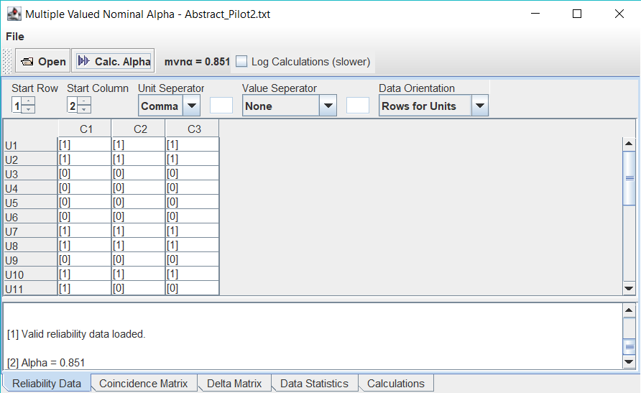
ID | Authors | Year | Title | Reviewer 1 | Reviewer 2 | Reviewer 3
14 | Salah, Z. and Abu Elsoud, E. | 2023 | Enhancing Network Security: A Machine Learning-Based Approach for Detecting and Mitigating Krack and Kr00k Attacks in IEEE 802.11 | I | I | I
35 | Xiao, H. and Devadas, S. | 2023 | PAC Privacy: Automatic Privacy Measurement and Control of Data Processing | I | I | I
46 | Gong, Y.H. et al. | 2023 | Privacy Measurement Based on Social Network Properties and Structure | E | E | E
52 | Medková, J. and Hynek, J. | 2023 | Application-Oriented Anonymization Framework for Social Network Datasets and IoT Environments | E | E | E
61 | Ahangama, S. | 2023 | Relating Social Media Diffusion, Education Level and Cybersecurity Protection Mechanisms to E-Participation Initiatives: Insights from a Cross-Country Analysis | E | E | E
76 | Al-Shaarani, F. and Gutub, A. | 2022 | Securing matrix counting-based secret-sharing involving crypto steganography | E | E | E
77 | Ye, Q. et al. | 2022 | LF-GDPR: A Framework for Estimating Graph Metrics With Local Differential Privacy | I | I | I
98 | Shariatnasab, M. et al. | 2022 | Fundamental Privacy Limits in Bipartite Networks Under Active Attacks | I | I | I
161 | Heigl, M. et al. | 2021 | Exploiting the outcome of outlier detection for novel attack pattern recognition on streaming data | E | E | E
177 | Jueckstock, J. et al. | 2021 | Towards realistic and reproducible web crawl measurements | I | I | I
188 | Zhang, W. et al. | 2021 | PAPRIKA: Private Online False Discovery Rate Control | I | E | E
217 | Liu, D. and Simeone, O. | 2021 | Privacy for Free: Wireless Federated Learning via Uncoded Transmission with Adaptive Power Control | I | I | I
231 | Muralidhar, S. et al. | 2020 | Understanding Applicants' Reactions to Asynchronous Video Interviews through Self-reports and Nonverbal Cues | I | I | I
251 | Huang, H. et al. | 2020 | Privacy-Preserving Approach PBCN in Social Network with Differential Privacy | I | I | I
261 | Boursier, E. and Perchet, V. | 2020 | Utility/Privacy Trade-off through the lens of Optimal Transport | I | I | I
320 | Hu, H. et al. | 2019 | Characterizing pixel tracking through the lens of disposable email services | I | I | I
330 | Terlizzi, M.A. et al. | 2019 | Replication of Internet Privacy Concerns in the Mobile Banking Context | E | E | E
338 | Ali, A. et al. | 2019 | Privacy concerns in online social networks: A users' perspective | I | I | I
341 | Solomos, K. et al. | 2019 | Automated Measurements of Cross-Device Tracking | E | E | E
358 | Xu, H. et al. | 2018 | Privacy Risk Assessment on Email Tracking | E | E | E
368 | Nagaraj, K. et al. | 2018 | Identification of Network Communities and Assessment of Privacy Using Hybrid Algorithm | E | E | E
377 | Nakajima, K. et al. | 2018 | Estimating Top-k betweenness centrality nodes in online social networks | E | E | E
405 | Steppe, R. | 2017 | Online price discrimination and personal data: A General Data Protection Regulation perspective | I | E | I
430 | al-Khateeb, H.M. et al. | 2017 | Cyberstalking: Investigating formal intervention and the role of Corporate Social Responsibility | E | E | E
564 | Fernández-Berni, J. et al. | 2014 | Focal-plane sensing-processing: A power-efficient approach for the implementation of privacy-Aware networked visual sensors | I | I | I
580 | Liu, P. and Li, X. | 2014 | An improved privacy preserving algorithm for publishing social network data | I | I | I

FullPaperPilots
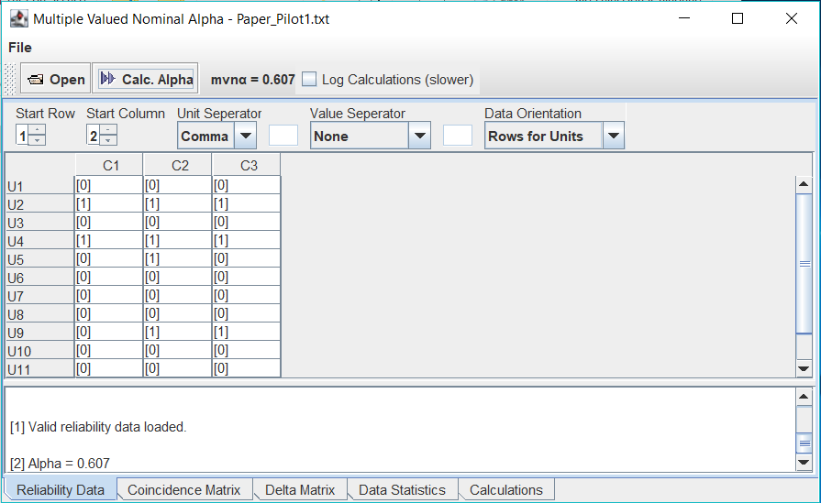
FULL-PAPER SCREENING PILOTS

PILOT 1

ID | Authors | Year | Title | Reviewer 1 | Reviewer 2 | Reviewer 3
14 | Salah, Z. and Abu Elsoud, E. | 2023 | Enhancing Network Security: A Machine Learning-Based Approach for Detecting and Mitigating Krack and Kr00k Attacks in IEEE 802.11 | E | E | E
35 | Xiao, H. and Devadas, S. | 2023 | PAC Privacy: Automatic Privacy Measurement and Control of Data Processing | I | I | I
77 | Ye, Q. et al. | 2022 | LF-GDPR: A Framework for Estimating Graph Metrics With Local Differential Privacy | E | E | E
98 | Shariatnasab, M. et al. | 2022 | Fundamental Privacy Limits in Bipartite Networks Under Active Attacks | I | I | I
177 | Jueckstock, J. et al. | 2021 | Towards realistic and reproducible web crawl measurements | E | I | E
217 | Liu, D. and Simeone, O. | 2021 | Privacy for Free: Wireless Federated Learning via Uncoded Transmission with Adaptive Power Control | E | E | E
231 | Muralidhar, S. et al. | 2020 | Understanding Applicants' Reactions to Asynchronous Video Interviews through Self-reports and Nonverbal Cues | E | E | E
251 | Huang, H. et al. | 2020 | Privacy-Preserving Approach PBCN in Social Network with Differential Privacy | E | E | E
261 | Boursier, E. and Perchet, V. | 2020 | Utility/Privacy Trade-off through the lens of Optimal Transport | E | I | I
320 | Hu, H. et al. | 2019 | Characterizing pixel tracking through the lens of disposable email services | E | E | E
405 | Steppe, R. | 2017 | Online price discrimination and personal data: A General Data Protection Regulation perspective | E | E | E
564 | Fernández-Berni, J. et al. | 2014 | Focal-plane sensing-processing: A power-efficient approach for the implementation of privacy-Aware networked visual sensors | E | E | I
580 | Liu, P. and Li, X. | 2014 | An improved privacy preserving algorithm for publishing social network data | E | E | E

PILOT 2
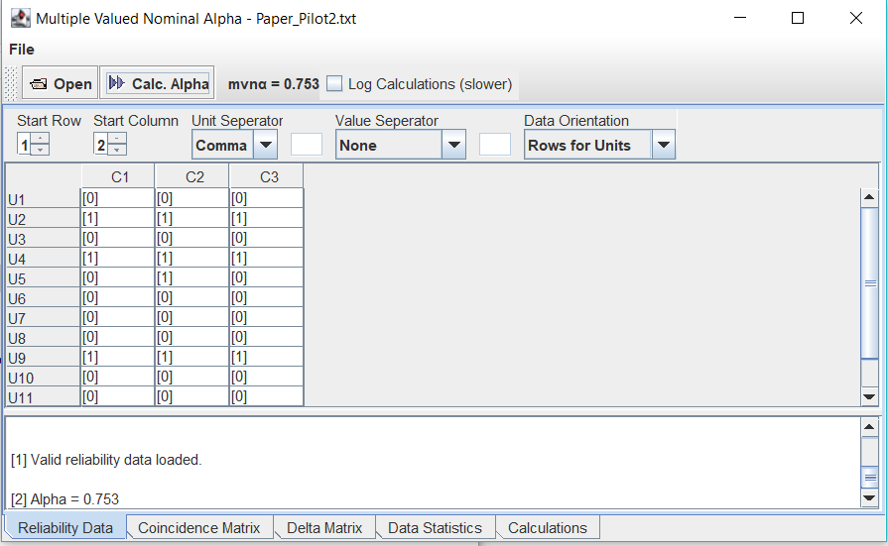
ID | Authors | Year | Title | Reviewer 1 | Reviewer 2 | Reviewer 3
14 | Salah, Z. and Abu Elsoud, E. | 2023 | Enhancing Network Security: A Machine Learning-Based Approach for Detecting and Mitigating Krack and Kr00k Attacks in IEEE 802.11 | E | E | E
35 | Xiao, H. and Devadas, S. | 2023 | PAC Privacy: Automatic Privacy Measurement and Control of Data Processing | I | I | I
77 | Ye, Q. et al. | 2022 | LF-GDPR: A Framework for Estimating Graph Metrics With Local Differential Privacy | E | E | E
98 | Shariatnasab, M. et al. | 2022 | Fundamental Privacy Limits in Bipartite Networks Under Active Attacks | I | I | I
177 | Jueckstock, J. et al. | 2021 | Towards realistic and reproducible web crawl measurements | E | I | E
217 | Liu, D. and Simeone, O. | 2021 | Privacy for Free: Wireless Federated Learning via Uncoded Transmission with Adaptive Power Control | E | E | E
231 | Muralidhar, S. et al. | 2020 | Understanding Applicants' Reactions to Asynchronous Video Interviews through Self-reports and Nonverbal Cues | E | E | E
251 | Huang, H. et al. | 2020 | Privacy-Preserving Approach PBCN in Social Network with Differential Privacy | E | E | E
261 | Boursier, E. and Perchet, V. | 2020 | Utility/Privacy Trade-off through the lens of Optimal Transport | I | I | I
320 | Hu, H. et al. | 2019 | Characterizing pixel tracking through the lens of disposable email services | E | E | E
405 | Steppe, R. | 2017 | Online price discrimination and personal data: A General Data Protection Regulation perspective | E | E | E
564 | Fernández-Berni, J. et al. | 2014 | Focal-plane sensing-processing: A power-efficient approach for the implementation of privacy-Aware networked visual sensors | E | E | I
580 | Liu, P. and Li, X. | 2014 | An improved privacy preserving algorithm for publishing social network data | E | E | E


PILOT 3

 |  |  |  | Reviewer 1 | Reviewer 2 | Reviewer 3
14 | Salah, Z. and Abu Elsoud, E. | 2023 | Enhancing Network Security: A Machine Learning-Based Approach for Detecting and Mitigating Krack and Kr00k Attacks in IEEE 802.11 | E | E | E
35 | Xiao, H. and Devadas, S. | 2023 | PAC Privacy: Automatic Privacy Measurement and Control of Data Processing | I | I | I
77 | Ye, Q. et al. | 2022 | LF-GDPR: A Framework for Estimating Graph Metrics With Local Differential Privacy | E | E | E
98 | Shariatnasab, M. et al. | 2022 | Fundamental Privacy Limits in Bipartite Networks Under Active Attacks | I | I | I
177 | Jueckstock, J. et al. | 2021 | Towards realistic and reproducible web crawl measurements | E | I | E
217 | Liu, D. and Simeone, O. | 2021 | Privacy for Free: Wireless Federated Learning via Uncoded Transmission with Adaptive Power Control | E | E | E
231 | Muralidhar, S. et al. | 2020 | Understanding Applicants' Reactions to Asynchronous Video Interviews through Self-reports and Nonverbal Cues | E | E | E
251 | Huang, H. et al. | 2020 | Privacy-Preserving Approach PBCN in Social Network with Differential Privacy | E | E | E
261 | Boursier, E. and Perchet, V. | 2020 | Utility/Privacy Trade-off through the lens of Optimal Transport | I | I | I
320 | Hu, H. et al. | 2019 | Characterizing pixel tracking through the lens of disposable email services | E | E | E
405 | Steppe, R. | 2017 | Online price discrimination and personal data: A General Data Protection Regulation perspective | E | E | E
564 | Fernández-Berni, J. et al. | 2014 | Focal-plane sensing-processing: A power-efficient approach for the implementation of privacy-Aware networked visual sensors | E | E | E
580 | Liu, P. and Li, X. | 2014 | An improved privacy preserving algorithm for publishing social network data | E | E | E

CodingPilots

CODING PILOTS

PILOT 1
 |  |  |  | Reviewer 1 |  |  |  |  | Reviewer 2 |  |  |  |  | Reviewer 3
ID | Authors | Year | Title | Technique | MeasurementLevel | AutomatizationLevel | TypeOfProtectionMechanism | Domain | Technique | MeasurementLevel | AutomatizationLevel | TypeOfProtectionMechanism | Domain | Technique | MeasurementLevel | AutomatizationLevel | TypeOfProtectionMechanism | Domain
29 | Alhalabi, W. et al. | 2023 | Distinctive Measurement Scheme for Security and Privacy in Internet of Things Applications Using Machine Learning Algorithms | Machine Learning Testing-Classification | Interval | Automatic | Detection | Mobile | Counting | Interval | Automatic | Detection | Mobile | Machine Learning Testing-Classification | Interval | Automatic | Detection | Mobile
92 | Gabrielli, S. et al. | 2022 | Multidimensional Study on Users’ Evaluation of the KRAKEN Personal Data Sharing Platform | Perception Estimation | Ordinal | Manual |  | Enterprise | Perception Estimation | Nominal | Manual |  | Enterprise | Perception Estimation | Ordinal | Manual |  | Enterprise
115 | Perazzo, P. et al. | 2022 | Post-Quantum Attribute-Based Encryption: Performance Evaluation and Improvement for Embedded Systems | Counting | Interval | Automatic | Detection | Mobile | Perception Estimation | Ratio | Automatic | Protection | Mobile | Counting | Interval | Automatic | Response | Mobile
253 | Luceri, L. et al. | 2020 | Measurement and control of geo-location privacy on Twitter | Similarity Measurement-Distance | Interval | Automatic | Protection | Enterprise | Similarity Measurement-Distance | Ratio | Semi-automatic | Protection | Enterprise | Similarity Measurement-Distance | Interval | Automatic | Detection | Enterprise
261 | Boursier, E. and Perchet, V. | 2020 | Utility/Privacy Trade-off through the lens of Optimal Transport | Information Measurement-Differentiation | Interval | Semi-automatic |  | Enterprise | Information Measurement-Differentiation | Ratio | Manual |  | Enterprise | Information Measurement-Differentiation | Ratio | Automatic |  | Enterprise
346 | Hu, D. et al. | 2019 | Intelligent digital image firewall system for filtering privacy or sensitive images | Counting | Interval | Automatic | Detection | Enterprise | Perception Estimation | Interval | Automatic | Response | Enterprise | Counting | Ratio | Automatic | Protection | Enterprise
473 | Viejo, A. and Sánchez, D. | 2016 | Enforcing transparent access to private content in social networks by means of automatic sanitization | Information Measurement-Entropy | Ratio | Automatic | Detection | Enterprise | Information Measurement-Differentiation | Interval | Automatic | Response | Enterprise | Information Measurement-Entropy | Interval | Automatic | Detection | Enterprise
527 | Arampatzis, A. et al. | 2015 | Versatile Query Scrambling for Private Web Search | SimilarityMeasurement-Aggregation | Interval | Automatic | Protection | Mobile | Counting | Ratio | Automatic | Protection | Enterprise | SimilarityMeasurement-Distance | Ordinal | Automatic | Detection | Enterprise
546 | Wang, Y. et al. | 2015 | LIP3: A lightweighted fine-grained privacy-preserving profile matching mechanism for mobile social networks in proximity | Similarity Measurement-Distance | Interval | Semi-automatic | Protection | Mobile | Similarity Measurement-Distance | Interval | Automatic | Detection | Mobile | Similarity Measurement-Distance | Interval | Automatic | Protection | Mobile
660 | Mano, M. and Ishikawa, Y. | 2010 | Anonymizing user location and profile information for privacy-aware mobile services | Similarity Measurement-Distance | Interval | Automatic | Protection | Mobile | Similarity Measurement-Distance | Interval | Automatic | Detection | Mobile | Similarity Measurement-Distance | Interval | Automatic | Response | Mobile


PILOT 2
 |  |  |  | Reviewer 1 |  |  |  |  | Reviewer 2 |  |  |  |  | Reviewer 3
ID | Authors | Year | Title | Technique | MeasurementLevel | AutomatizationLevel | TypeOfProtectionMechanism | Domain | Technique | MeasurementLevel | AutomatizationLevel | TypeOfProtectionMechanism | Domain | Technique | MeasurementLevel | AutomatizationLevel | TypeOfProtectionMechanism | Domain
29 | Alhalabi, W. et al. | 2023 | Distinctive Measurement Scheme for Security and Privacy in Internet of Things Applications Using Machine Learning Algorithms | Machine Learning Testing-Classification | Interval | Automatic | Detection | Mobile | Counting | Interval | Automatic | Detection | Mobile | Machine Learning Testing-Classification | Interval | Automatic | Detection | Mobile
92 | Gabrielli, S. et al. | 2022 | Multidimensional Study on Users’ Evaluation of the KRAKEN Personal Data Sharing Platform | Perception Estimation | Ordinal | Manual |  | Enterprise | Perception Estimation | Nominal | Manual |  | Enterprise | Perception Estimation | Nominal | Manual |  | Enterprise
115 | Perazzo, P. et al. | 2022 | Post-Quantum Attribute-Based Encryption: Performance Evaluation and Improvement for Embedded Systems | Counting | Interval | Automatic | Detection | Mobile | Perception Estimation | Ratio | Automatic | Protection | Mobile | Counting | Interval | Automatic | Protection | Mobile
253 | Luceri, L. et al. | 2020 | Measurement and control of geo-location privacy on Twitter | Similarity Measurement-Distance | Interval | Automatic | Protection | Enterprise | Similarity Measurement-Distance | Ratio | Semi-automatic | Protection | Enterprise | Similarity Measurement-Distance | Interval | Automatic | Detection | Enterprise
261 | Boursier, E. and Perchet, V. | 2020 | Utility/Privacy Trade-off through the lens of Optimal Transport | Information Measurement-Differentiation | Interval | Semi-automatic |  | Enterprise | Information Measurement-Differentiation | Ratio | Semi-automatic |  | Enterprise | Information Measurement-Differentiation | Ratio | Automatic |  | Enterprise
346 | Hu, D. et al. | 2019 | Intelligent digital image firewall system for filtering privacy or sensitive images | Counting | Interval | Automatic | Detection | Enterprise | Counting | Interval | Automatic | Response | Enterprise | Counting | Interval | Automatic | Protection | Enterprise
473 | Viejo, A. and Sánchez, D. | 2016 | Enforcing transparent access to private content in social networks by means of automatic sanitization | Information Measurement-Entropy | Ratio | Automatic | Protection | Enterprise | Information Measurement-Differentiation | Interval | Automatic | Response | Enterprise | Information Measurement-Entropy | Ratio | Automatic | Detection | Enterprise
527 | Arampatzis, A. et al. | 2015 | Versatile Query Scrambling for Private Web Search | SimilarityMeasurement-Aggregation | Interval | Automatic | Protection | Mobile | SimilarityMeasurement-Aggregation | Ratio | Automatic | Protection | Enterprise | SimilarityMeasurement-Distance | Ordinal | Automatic | Detection | Enterprise
546 | Wang, Y. et al. | 2015 | LIP3: A lightweighted fine-grained privacy-preserving profile matching mechanism for mobile social networks in proximity | Similarity Measurement-Distance | Interval | Semi-automatic | Protection | Mobile | Similarity Measurement-Distance | Interval | Automatic | Detection | Mobile | Similarity Measurement-Distance | Interval | Automatic | Protection | Mobile
660 | Mano, M. and Ishikawa, Y. | 2010 | Anonymizing user location and profile information for privacy-aware mobile services | Similarity Measurement-Distance | Interval | Automatic | Protection | Mobile | Similarity Measurement-Distance | Interval | Automatic | Protection | Mobile | Similarity Measurement-Distance | Interval | Automatic | Protection | Mobile



PILOT 3

 |  |  |  | Reviewer 1 |  |  |  |  | Reviewer 2 |  |  |  |  | Reviewer 3
ID | Authors | Year | Title | Technique | MeasurementLevel | AutomatizationLevel | TypeOfProtectionMechanism | Domain | Technique | MeasurementLevel | AutomatizationLevel | TypeOfProtectionMechanism | Domain | Technique | MeasurementLevel | AutomatizationLevel | TypeOfProtectionMechanism | Domain
29 | Alhalabi, W. et al. | 2023 | Distinctive Measurement Scheme for Security and Privacy in Internet of Things Applications Using Machine Learning Algorithms | Machine Learning Testing-Classification | Interval | Automatic | Detection | Mobile | Counting | Interval | Automatic | Detection | Mobile | Machine Learning Testing-Classification | Interval | Automatic | Detection | Mobile
92 | Gabrielli, S. et al. | 2022 | Multidimensional Study on Users’ Evaluation of the KRAKEN Personal Data Sharing Platform | Perception Estimation | Ordinal | Manual |  | Enterprise | Perception Estimation | Nominal | Manual |  | Enterprise | Perception Estimation | Nominal | Manual |  | Enterprise
115 | Perazzo, P. et al. | 2022 | Post-Quantum Attribute-Based Encryption: Performance Evaluation and Improvement for Embedded Systems | Counting | Interval | Automatic | Detection | Mobile | Counting | Interval | Automatic | Protection | Mobile | Counting | Interval | Automatic | Protection | Mobile
253 | Luceri, L. et al. | 2020 | Measurement and control of geo-location privacy on Twitter | Similarity Measurement-Distance | Interval | Automatic | Protection | Enterprise | Similarity Measurement-Distance | Interval | Semi-automatic | Protection | Enterprise | Similarity Measurement-Distance | Interval | Automatic | Protection | Enterprise
261 | Boursier, E. and Perchet, V. | 2020 | Utility/Privacy Trade-off through the lens of Optimal Transport | Information Measurement-Differentiation | Interval | Semi-automatic |  | Enterprise | Information Measurement-Differentiation | Ratio | Semi-automatic |  | Enterprise | Information Measurement-Differentiation | Ratio | Automatic |  | Enterprise
346 | Hu, D. et al. | 2019 | Intelligent digital image firewall system for filtering privacy or sensitive images | Counting | Interval | Automatic | Detection | Enterprise | Counting | Interval | Automatic | Response | Enterprise | Counting | Interval | Automatic | Protection | Enterprise
473 | Viejo, A. and Sánchez, D. | 2016 | Enforcing transparent access to private content in social networks by means of automatic sanitization | Information Measurement-Entropy | Ratio | Automatic | Protection | Enterprise | Information Measurement-Differentiation | Ratio | Automatic | Response | Enterprise | Information Measurement-Entropy | Ratio | Automatic | Protection | Enterprise
527 | Arampatzis, A. et al. | 2015 | Versatile Query Scrambling for Private Web Search | SimilarityMeasurement-Aggregation | Interval | Automatic | Protection | Mobile | SimilarityMeasurement-Aggregation | Ratio | Automatic | Protection | Enterprise | SimilarityMeasurement-Distance | Interval | Automatic | Detection | Enterprise
546 | Wang, Y. et al. | 2015 | LIP3: A lightweighted fine-grained privacy-preserving profile matching mechanism for mobile social networks in proximity | Similarity Measurement-Distance | Interval | Semi-automatic | Protection | Mobile | Similarity Measurement-Distance | Interval | Automatic | Detection | Mobile | Similarity Measurement-Distance | Interval | Automatic | Protection | Mobile
660 | Mano, M. and Ishikawa, Y. | 2010 | Anonymizing user location and profile information for privacy-aware mobile services | Similarity Measurement-Distance | Interval | Automatic | Protection | Mobile | Similarity Measurement-Distance | Interval | Automatic | Protection | Mobile | Similarity Measurement-Distance | Interval | Automatic | Protection | Mobile

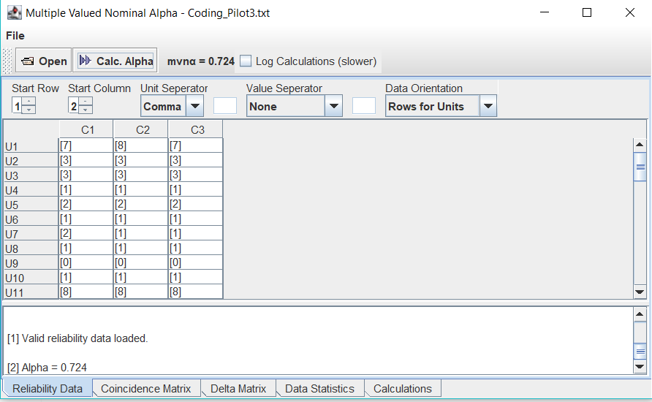

PILOT 4

 |  |  |  | Reviewer 1 |  |  |  |  | Reviewer 2 |  |  |  |  | Reviewer 3
ID | Authors | Year | Title | Technique | MeasurementLevel | AutomatizationLevel | TypeOfProtectionMechanism | Domain | Technique | MeasurementLevel | AutomatizationLevel | TypeOfProtectionMechanism | Domain | Technique | MeasurementLevel | AutomatizationLevel | TypeOfProtectionMechanism | Domain
29 | Alhalabi, W. et al. | 2023 | Distinctive Measurement Scheme for Security and Privacy in Internet of Things Applications Using Machine Learning Algorithms | Machine Learning Testing-Classification | Interval | Automatic | Detection | Mobile | Counting | Interval | Automatic | Detection | Mobile | Machine Learning Testing-Classification | Interval | Automatic | Detection | Mobile
92 | Gabrielli, S. et al. | 2022 | Multidimensional Study on Users’ Evaluation of the KRAKEN Personal Data Sharing Platform | Perception Estimation | Ordinal | Manual |  | Enterprise | Perception Estimation | Nominal | Manual |  | Enterprise | Perception Estimation | Nominal | Manual |  | Enterprise
115 | Perazzo, P. et al. | 2022 | Post-Quantum Attribute-Based Encryption: Performance Evaluation and Improvement for Embedded Systems | Counting | Interval | Automatic | Protection | Mobile | Counting | Interval | Automatic | Protection | Mobile | Counting | Interval | Automatic | Protection | Mobile
253 | Luceri, L. et al. | 2020 | Measurement and control of geo-location privacy on Twitter | Similarity Measurement-Distance | Interval | Automatic | Protection | Enterprise | Similarity Measurement-Distance | Interval | Semi-automatic | Protection | Enterprise | Similarity Measurement-Distance | Interval | Automatic | Protection | Enterprise
261 | Boursier, E. and Perchet, V. | 2020 | Utility/Privacy Trade-off through the lens of Optimal Transport | Information Measurement-Differentiation | Ratio | Semi-automatic |  | Enterprise | Information Measurement-Differentiation | Ratio | Semi-automatic |  | Enterprise | Information Measurement-Differentiation | Ratio | Automatic |  | Enterprise
346 | Hu, D. et al. | 2019 | Intelligent digital image firewall system for filtering privacy or sensitive images | Counting | Interval | Automatic | Detection | Enterprise | Counting | Interval | Automatic | Response | Enterprise | Counting | Interval | Automatic | Protection | Enterprise
473 | Viejo, A. and Sánchez, D. | 2016 | Enforcing transparent access to private content in social networks by means of automatic sanitization | Information Measurement-Entropy | Ratio | Automatic | Protection | Enterprise | Information Measurement-Differentiation | Ratio | Automatic | Protection | Enterprise | Information Measurement-Entropy | Ratio | Automatic | Protection | Enterprise
527 | Arampatzis, A. et al. | 2015 | Versatile Query Scrambling for Private Web Search | SimilarityMeasurement-Aggregation | Interval | Automatic | Protection | Mobile | SimilarityMeasurement-Aggregation | Ratio | Automatic | Protection | Enterprise | SimilarityMeasurement-Distance | Interval | Automatic | Protection | Enterprise
546 | Wang, Y. et al. | 2015 | LIP3: A lightweighted fine-grained privacy-preserving profile matching mechanism for mobile social networks in proximity | Similarity Measurement-Distance | Interval | Semi-automatic | Protection | Mobile | Similarity Measurement-Distance | Interval | Automatic | Detection | Mobile | Similarity Measurement-Distance | Interval | Automatic | Protection | Mobile
660 | Mano, M. and Ishikawa, Y. | 2010 | Anonymizing user location and profile information for privacy-aware mobile services | Similarity Measurement-Distance | Interval | Automatic | Protection | Mobile | Similarity Measurement-Distance | Interval | Automatic | Protection | Mobile | Similarity Measurement-Distance | Interval | Automatic | Protection | Mobile



PILOT 5

 |  |  |  | Reviewer 1 |  |  |  |  | Reviewer 2 |  |  |  |  | Reviewer 3
ID | Authors | Year | Title | Technique | MeasurementLevel | AutomatizationLevel | TypeOfProtectionMechanism | Domain | Technique | MeasurementLevel | AutomatizationLevel | TypeOfProtectionMechanism | Domain | Technique | MeasurementLevel | AutomatizationLevel | TypeOfProtectionMechanism | Domain
29 | Alhalabi, W. et al. | 2023 | Distinctive Measurement Scheme for Security and Privacy in Internet of Things Applications Using Machine Learning Algorithms | Machine Learning Testing-Classification | Interval | Automatic | Detection | Mobile | Machine Learning Testing-Classification | Interval | Automatic | Detection | Mobile | Machine Learning Testing-Classification | Interval | Automatic | Detection | Mobile
92 | Gabrielli, S. et al. | 2022 | Multidimensional Study on Users’ Evaluation of the KRAKEN Personal Data Sharing Platform | Perception Estimation | Ordinal | Manual |  | Enterprise | Perception Estimation | Nominal | Manual |  | Enterprise | Perception Estimation | Nominal | Manual |  | Enterprise
115 | Perazzo, P. et al. | 2022 | Post-Quantum Attribute-Based Encryption: Performance Evaluation and Improvement for Embedded Systems | Counting | Interval | Automatic | Protection | Mobile | Counting | Interval | Automatic | Protection | Mobile | Counting | Interval | Automatic | Protection | Mobile
253 | Luceri, L. et al. | 2020 | Measurement and control of geo-location privacy on Twitter | Similarity Measurement-Distance | Interval | Automatic | Protection | Enterprise | Similarity Measurement-Distance | Interval | Automatic | Protection | Enterprise | Similarity Measurement-Distance | Interval | Automatic | Protection | Enterprise
261 | Boursier, E. and Perchet, V. | 2020 | Utility/Privacy Trade-off through the lens of Optimal Transport | Information Measurement-Differentiation | Ratio | Semi-automatic |  | Enterprise | Information Measurement-Differentiation | Ratio | Semi-automatic |  | Enterprise | Information Measurement-Differentiation | Ratio | Automatic |  | Enterprise
346 | Hu, D. et al. | 2019 | Intelligent digital image firewall system for filtering privacy or sensitive images | Counting | Interval | Automatic | Detection | Enterprise | Counting | Interval | Automatic | Response | Enterprise | Counting | Interval | Automatic | Protection | Enterprise
473 | Viejo, A. and Sánchez, D. | 2016 | Enforcing transparent access to private content in social networks by means of automatic sanitization | Information Measurement-Entropy | Ratio | Automatic | Protection | Enterprise | Information Measurement-Entropy | Ratio | Automatic | Protection | Enterprise | Information Measurement-Entropy | Ratio | Automatic | Protection | Enterprise
527 | Arampatzis, A. et al. | 2015 | Versatile Query Scrambling for Private Web Search | SimilarityMeasurement-Aggregation | Interval | Automatic | Protection | Enterprise | SimilarityMeasurement-Aggregation | Ratio | Automatic | Protection | Enterprise | SimilarityMeasurement-Aggregation | Interval | Automatic | Protection | Enterprise
546 | Wang, Y. et al. | 2015 | LIP3: A lightweighted fine-grained privacy-preserving profile matching mechanism for mobile social networks in proximity | Similarity Measurement-Distance | Interval | Automatic | Protection | Mobile | Similarity Measurement-Distance | Interval | Automatic | Detection | Mobile | Similarity Measurement-Distance | Interval | Automatic | Protection | Mobile
660 | Mano, M. and Ishikawa, Y. | 2010 | Anonymizing user location and profile information for privacy-aware mobile services | Similarity Measurement-Distance | Interval | Automatic | Protection | Mobile | Similarity Measurement-Distance | Interval | Automatic | Protection | Mobile | Similarity Measurement-Distance | Interval | Automatic | Protection | Mobile

