cancer_cell_type_summary
UniCell TDE: Cancer Subtype Distribution

1,656,550
Cancer Cells

metrics
Single Cells Per Study Over Time

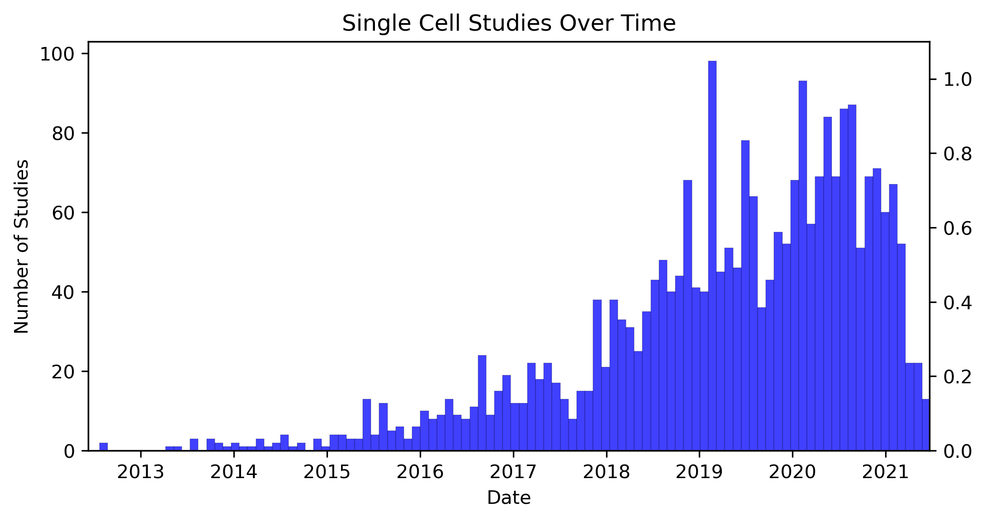

79,308,988
Single Cells In Database

