Sheet1
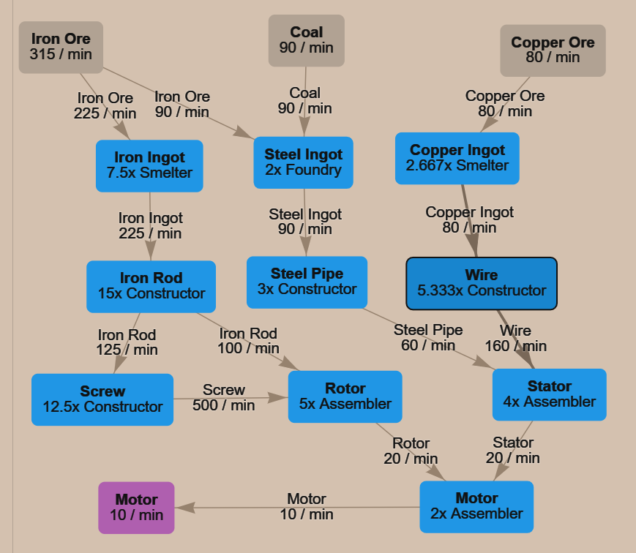
Motor | 10/min

Iron | Miner |  | 315 | Coal | Miner |  | 90 | Copper | Miner |  | 80

Iron ingot | Smelter | 8 | 225 | Steel ingot | Foundry | 2 | 90 | Copper ingot | Smelter | 3 | 80
Iron rod | Constructor | 15 | 225 | Steel pipe | Constructor | 3 | 60 | Wire | Constructor | 6 | 160
Screw | Constructor | 13 | 500 | Rotor | Assembler | 5 | 20 | Stator | Assembler | 4 | 20

 |  |  |  | Motor | Assembler | 2 | 10

 |  |  |  |  | Smelter | 10
 |  |  |  |  | Foundry | 2
 |  |  |  |  | Constructor | 36
 |  |  |  |  | Assembler | 11

