Bug3
Bug | Picture of a product is not matching the real image of a product

Environment | TEST
Browser | All

Repro steps | 1.User is signed in
 | 2.Navigate to | JPetStore main page
 | 3. Populate "Search" label: | bulldog
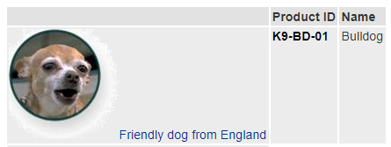
Actual result | Picture of a product is not matching the real image of a product

Expected result | Picture of a product is matching the real image of a product

Priority | 3
Severity | 3

