Dates
Main menu
 | TimeStamp is equivalent of python's Datetime and it's interchangeable with it in most cases
 | When passed in a date as a number, it represents the number of seconds from 1970-01-01 00:00:00
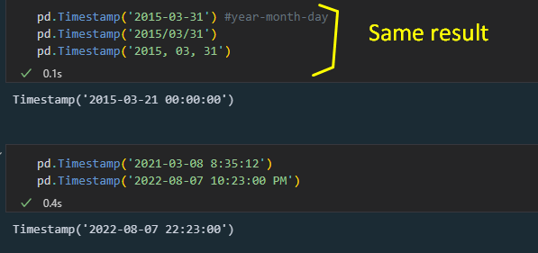

 | Descriptor | Description | syntax | additional args | Tips | Examples
 | Objects | It stores a list of Timestamp objects | pd.DatetimeIndex(_listDates)
 | Objects | It stores a time span(duration).You can perform any operation with this and Timestamp object | pd.Timedelta(days=#, hours = #,minutes=#, seconds=#)
 | Range of dates | To create a range of dates | pd.date_range(start=_date,end=_date, freq ='#[datePart]') | D': day; 'B': business day;"W" :week;'H':hour
 | Range of dates | To create a range of dates |  | M': return last day of month
 | Range of dates | To create a range of dates |  | MS": return the start of each month
 | Range of dates | To create a range of dates |  | A': end year; "AS": start of each year
 | Range of dates | To create a range of dates |  | "W-FRI": return all Friday days
 | Range of dates | To create a range of dates |  | "W-monday": return all Friday days
 | Range of dates | To create a range of dates by especifying start and period | pd.date_range(start=_date,period=#, date, freq ='#[datePart]')
 | Range of dates | To create a range of dates by especifying end and period | pd.date_range(end=_date,period= #, freq ='#[datePart]')
 | Access data | To get time in a certain format. | SeriesObj.dt.day |dayofyear | dayofweek |month_name()|day_name() …
 | Operations | To add/substract datetime objects | dataObject +|- np.DateOffset([days = # | weeks = #]) | months=# | years = #| minutes = # | seconds=#

Importing and reading
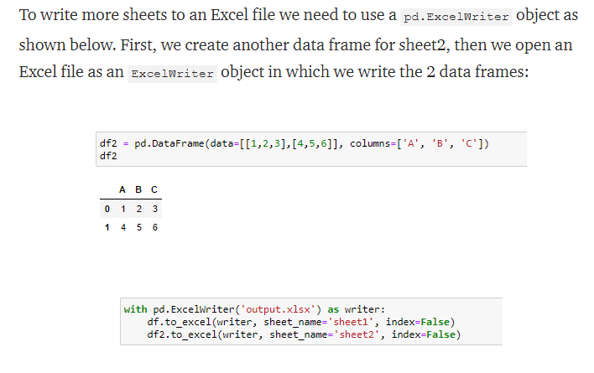
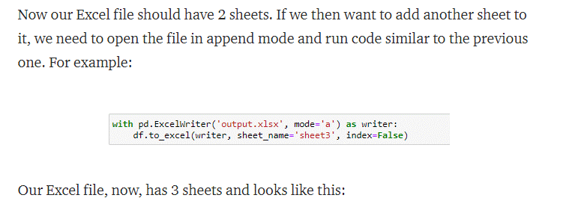
Main menu |  |  |  |  | Main menu

 |  |  |  |  |  | Object conversions | Initial object | To this object | Syntax | Examples
 |  |  |  |  |  |  | Series | Dataframe | ser.to_frame()
 |  | Reading |  |  |  |  | Series | List | ser.tolist()
 | CSV | Series | s = pd.read_csv(<path>,index_col = <name>, usecols=[<col name>],squeeze = True ) |  |  |  | Series | Dictionary | ser.todict()
 |  | Dataframes | s = pd.read_csv(<path>,index_col = <name>, usecols=[<col name>] ) |  |  |  | Series | String | ",".join(ser)
 |  | Args |  |  |  |  | List | Dataframe | pd.Dataframe(dict) | {column_name:data,…}}
 |  | sep =_str | Separator
 |  | nrows =_int | Include in a certain number of rows
 |  | na_values=str|list | pd.read_csv('file_name.csv',na_values=['a','b']) # a and b values will be treated as NaN after importing into dataframe.

 |  | Importing
 | CSV | df.to_csv(<file>,index=_bool, columns=[], encoding='utf-8')
 |  | Args
 |  | sep =_str | Separator
 |  | float_format="%.#f" | Digits of precision

 |  | Reading
 | EXCEL
 |  | Dataframes | s = pd.read_excel(<path>,sheet_name = <name>, usecols=[<col name>] )
 |  | Args
 |  | sheet_name | None | All the data from different sheets will be returned in a dictionary where the keys are its name and its values dataframes
 |  | header | _int | It is specified the position of the header in terms of the numbers of rows(starts from 0)
 |  | index_col | _int,_list[_int] | It is specified the relative position of the column with respect to the table as to form the index of the dataframe

 |  | Importing
 | CSV | df.to_excel(<file>, sheet_name=_str,)
 |  | Args

