Main
The File Setup Calculator can be used to get precise measurements for your interior and cover. This tool will provide margins (gutter), bleed and spine measurements
Instructions:
1. Input your Ink & Paper Choice, Trim Size and Number of pages below.
2. Click the button for the calculations relevant to the part of the book
 | Maximum Page Counts for Ink & Paper Choice and Trim Size

Black Ink & Cream Paper

6” x 9” (15.24 x 22.86 cm)

333

Manuscript w/Bleed
Manuscript w/No Bleed
Cover

Interior-Bleed
Manuscript w/Bleed
Cover
Manuscript w/No Bleed
Main Menu
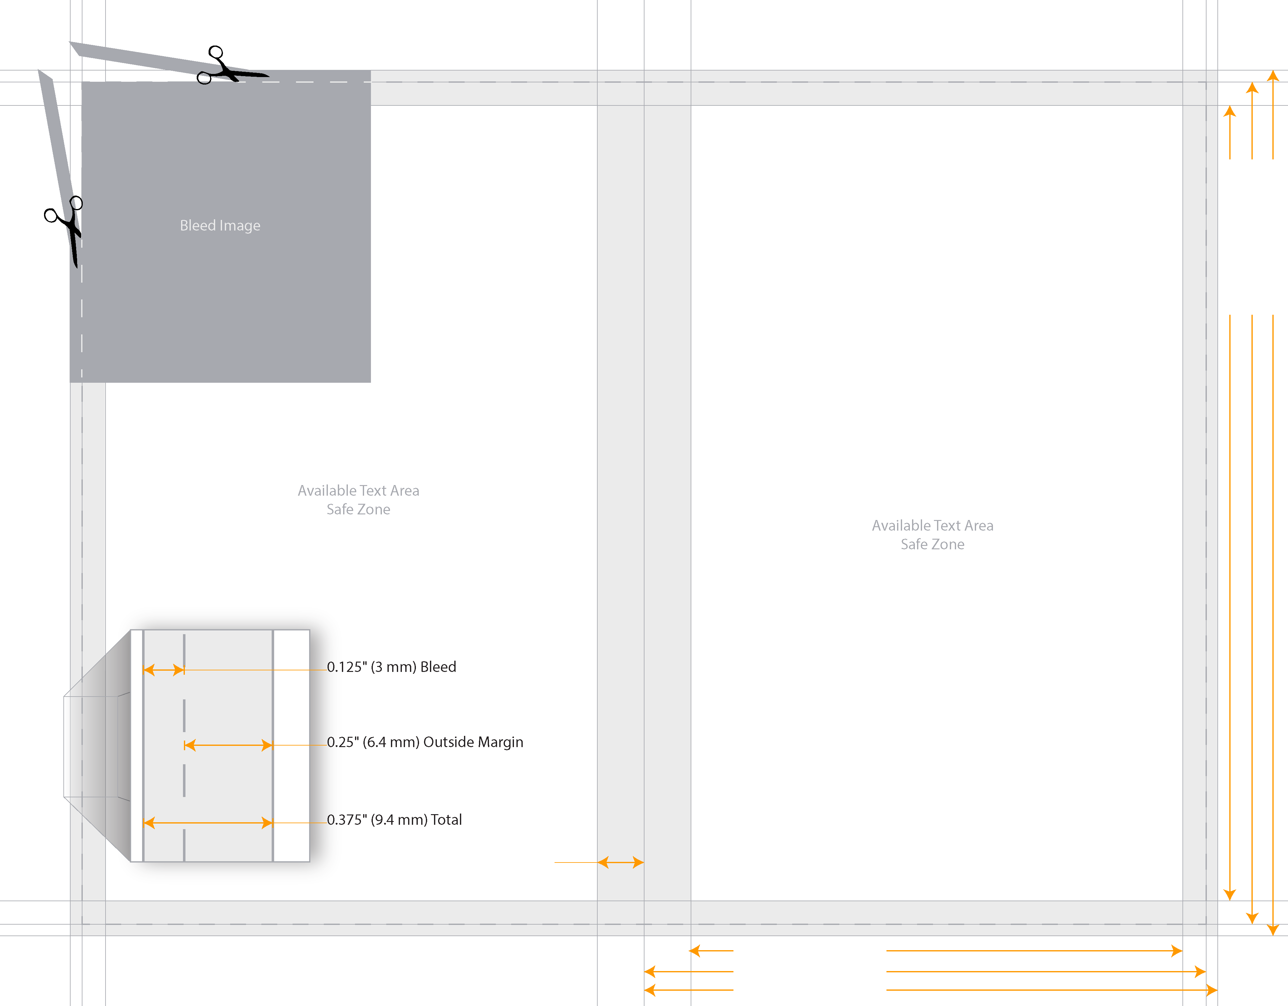
0.625" (15.875 mm) Gutter Margin
5.375" (13.6525 cm) Safe Zone
6" (15.24 cm) Trim Size
6.125" (15.5575 cm) Trim Size + Bleed
9" (22.86 cm) Trim Size
8.5" (21.59 cm) Safe Zone
9.25" (23.495 cm) Trim Size + Bleed
6” x 9” (15.24 x 22.86 cm) Trim Size with Bleed Manuscript @ 333 Pages

0.125" (3.175 mm) Bleed

0.25" (6.35 mm) Outside Margin

0.375" (9.525 mm) Total

Interior-NoBleed
Manuscript w/No Bleed
Cover
Manuscript w/ Bleed
Main Menu

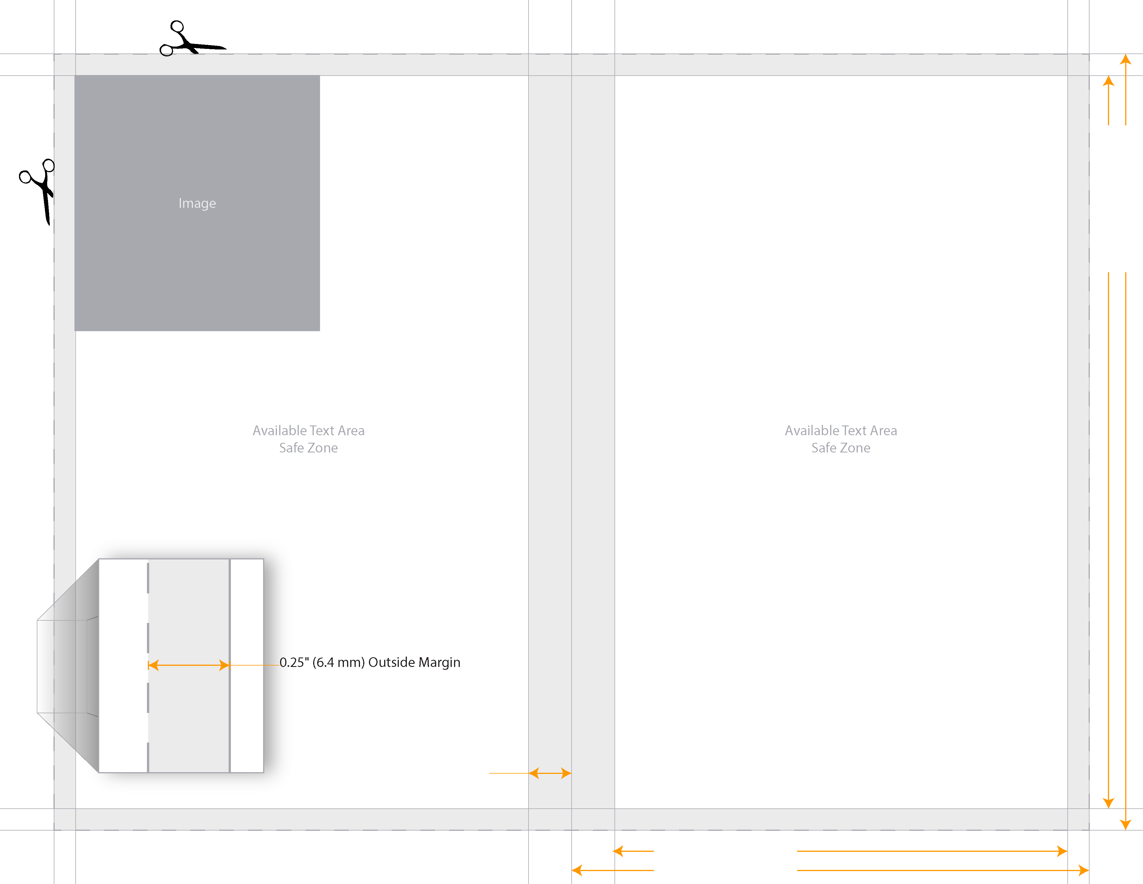
0.625" (15.875 mm) Gutter Margin
5.375" (13.6525 cm) Safe Zone
6" (15.24 cm) Trim Size
6” x 9” (15.24 x 22.86 cm) Trim Size Manuscript @ 333 Pages
9" (22.86 cm) Trim Size
8.5" (21.59 cm) Safe Zone

0.25" (6.35 mm) Outside Margin

Cover-LTR
Manuscript w/Bleed
Manuscript w/No Bleed
Main Menu
Cover

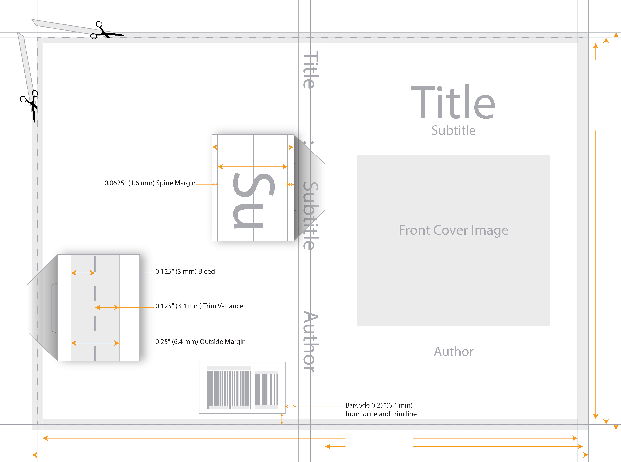
0.8325" (21.1455 mm) Spine Width
0.7075" (17.9705 mm) Spine Text Width
12.5825" (31.95955 cm) Safe Zone
6" (15.24 cm) Trim Size
13.0825" (33.22955 cm) Cover Width
9" (22.86 cm) Trim Size
8.75" (22.225 cm) Safe Zone
9.25" (23.495 cm) Cover Height

0.0625" (1.588 mm) Spine Margin

0.125" (3.175 mm) Bleed

0.125" (3.175 mm) Trim Variance

0.25" (6.35 mm) Outside Margin

0.25" (6.35 mm)

6” x 9” (15.24 x 22.86 cm) Trim Size @ 333 Pages

