Sheet1
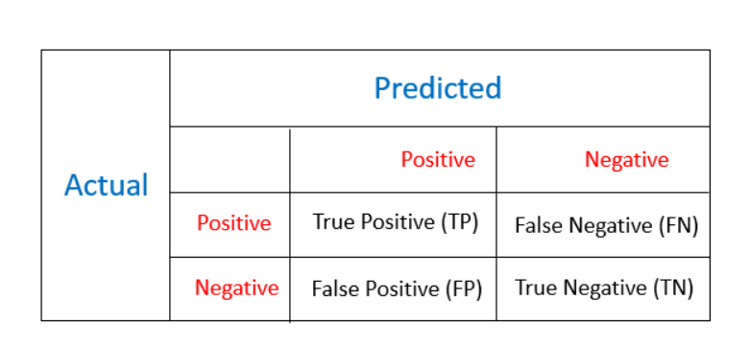
Model | About Model | With Sampling |  |  |  | Without Sampling
 |  | Accuracy | Precision | Recall | F1-Score | Accuracy | Precision | Recall | F1-Score | Confusion Matrix

Logistic Regression | p>0.9 | 88.67 | 0.04 | 3.24 | 0.08 | 0 frauds detected |  |  |  |  | Predicted
Random Forest Classifier | trees=100, depth=10 | 93.50 | 0.06 | 2.65 | 0.11 | 0 frauds detected |  |  |  | Actual |  | 0 | 1
XG-Boost | p>0.8, | 96.65 | 0.11 | 2.63 | 0.21 | 99.86 | 78.82 | 1.95 | 3.80 |  | 0 | 3200002 | 73067
Naïve Bayes |  | 93.44 | 0.09 | 4.43 | 0.18 | 99.59 | 0.99 | 2.04 | 1.33 |  | 1 | 4338 | 112
Neural Network? |  |  |  |  |  |  |  |  |  |  |  |  |  | 2*Precision*Recall/(Precision + Recall)
PCA?

 |  |  |  |  |  |  |  |  |  |  | Accuracy: | 97.64
 |  |  |  |  |  |  |  |  |  |  | Precision | 0.15
 |  |  |  |  |  |  |  |  |  |  | Recall | 2.52
 |  |  |  |  |  |  |  |  |  |  | F-1 Score | 0.29

 |  |  |  |  |  |  |  |  |  |  |  | 100.60
*** customer experience *** | Precision | Out of total predicted frauds, how many were actually Frauds
*** Fraud Detection capability *** | Recall | Out of total frauds how many frauds were captured

