Sheet1
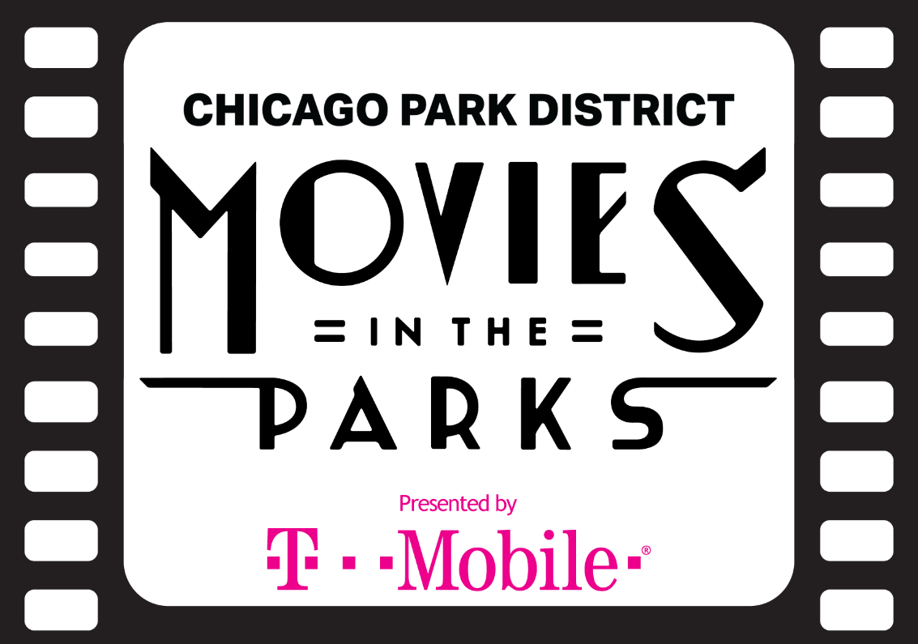

All movie screenings begin at dusk. Estimate 8:30 pm from June-July 15, 8:15 pm from July 16-August 15, and 8:00 pm after August 16.

Day | Date | Park | Title | Park Address | Park Phone | CC | Rating | Underwriter
Fri | 2019-06-07 | Berger Park Cultural Center | Some Like It Hot | 6205 N. Sheridan Rd. | (773) 761-0376 | Y | NR
Mon | 2019-06-10 | Belmont Harbor | The 39 Steps | 3200 N. Lake Shore Dr. | (312) 742-1134 | Y | NR
Tue | 2019-06-11 | Donovan Playground Park | Goosebumps 2 | 3620 S.Lituanica Ave. | (312) 747-6111 | Y | PG
Tue | 2019-06-11 | Ward (A. Montgomery) Park | Crazy Rich Asians | 630 N. Kingsbury St. | (312) 742-7895 | Y | PG-13 | The River North Resident's Association
Wed | 2019-06-12 | Brands Park | Moana | 3259 N. Elston Ave. | (773) 478-2414 | Y | PG
Wed | 2019-06-12 | Union Park | Black Panther | 1501 W. Randolph St. | (312) 746-5494 | Y | PG-13
Thu | 2019-06-13 | Bartelme (Mary) Park | Adventures in Babysitting | 115 S. Sangamon St. | (312) 746-5962 | Y | PG-13 | The Mary Bartelme Park Advisory Council
Thu | 2019-06-13 | Wicker Park | Stardust | 1425 N. Damen Avenue | (312) 742-7553 | Y | PG-13 | The Wicker Park Bucktown Chamber of Commerce Members and the Wicker Park Advisory Council
Fri | 2019-06-14 | Eugene Field Park | Great Outdoors | 5100 N. Ridgeway Ave. | (773) 478-9744 | Y | PG
Fri | 2019-06-14 | Lindblom Park | Creed II | 6054 S. Damen Ave. | (312) 747-6443 | Y | PG-13
Fri | 2019-06-14 | Pottawattomie Park | Ghostbusters (1984) | 7340 N. Rogers Ave. | (773) 262-5835 | Y | PG
Fri | 2019-06-14 | Shedd Park | Night School | 3660 W. 23rd St. | (773) 762-3168 | Y | PG-13
Sat | 2019-06-15 | DuSable Museum of African American History | Freedom Song | 740 E. 56th Pl. | (312) 742-1134 | Y | NR | Produced by the DuSable Museum of African American History
Sat | 2019-06-15 | Oz Park | The Sandlot 2 | 2021 N. Burling St. | (312) 742-7898 | Y | PG | The Oz Park Baseball Association
Sat | 2019-06-15 | Tuley Park | Night School | 501 E. 90th Pl. | (312) 747-6763 | Y | PG-13
Sat | 2019-06-15 | Winnemac Park | Aquaman | 5100 N. Leavitt St | (312) 742-5101 | Y | PG-13
Mon | 2019-06-17 | Grant Park: Logan Monument | Chicago | 900 S. Michigan Ave. | (312) 742-1134 | Y | PG-13
Tue | 2019-06-18 | Kedvale Park | Spider-Man: Into the Spider-Verse | 4134 W. Hirsch St. | (312) 742-7543 | Y | PG
Tue | 2019-06-18 | Roberts Square Playlot Park | The Rugrats Movie (1998) | 5230 W. Argyle St. | (773) 685-3316 | Y | G
Wed | 2019-06-19 | Chicago History Museum | To Wong Foo, Thanks for Everything, Julie Newmar | 1601 N. Clark St. | (312) 742-1134 | Y | PG-13 | The Chicago History Museum
Wed | 2019-06-19 | Green Briar Park | Alice in Wonderland | 2650 W. Peterson Ave. | (773) 761-0582 | Y | G
Wed | 2019-06-19 | Museum of Science and Industry | Back to the Future Part II | 5700 S. Lake Shore Dr. | (312) 742-1134 | Y | PG | The Museum of Science & Industry

Day | Date | Park | Title | Park Address | Park Phone | CC | Rating | Underwriter
Thu | 2019-06-20 | Edgebrook Park | Aquaman | 6525 N. Hiawatha Ave. | (773) 631-7461 | Y | PG-13
Thu | 2019-06-20 | Maggie Daley Park | Ralph Breaks the Internet | 337 E. Randolph St. | (312) 742-3918 | Y | PG
Thu | 2019-06-20 | McKiernan Playground Park | Avengers: Infinity War | 10714 S. Sawyer Ave. | (312) 747-2883 | Y | PG-13
Thu | 2019-06-20 | Wilson (John P.) Park | The LEGO Movie 2 | 1122 W. 34th Pl. | (312) 747-7002 | Y | PG
Thu | 2019-06-21 | Archer Park | Smallfoot | 4901 S.Kilbourn Ave. | (773) 284-7029 | Y | PG
Fri | 2019-06-21 | Gladstone Park | Ralph Breaks the Internet | 5421 N. Menard Ave. | (773) 631-7859 | Y | PG
Fri | 2019-06-21 | Independence Park | The Sandlot | 3945 N. Springfield Ave. | (773) 478-3538 | Y | PG
Fri | 2019-06-21 | Mandrake Park | Spider-Man: Into the Spider-Verse | 900 E. Pershing Rd. | (312) 747-6446 | Y | PG
Fri | 2019-06-21 | Osterman Beach | French Cancan | 5800 N. Lake Shore Dr. | (312) 742-1134 | Y | NR | The Cultural Service at the Consulate General of France
Sat | 2019-06-22 | Pulaski Park | Guardians of the Galaxy | 1419 W. Blackhawk St. | (312) 742-7559 | Y | PG-13 | The Museum of Science and Industry
Sat | 2019-06-22 | Sauganash Park | Ralph Breaks the Internet | 5861 N. Kostner Ave. | (773) 685-6122 | Y | PG | The Edgebrook Sauganash Athletic Association
Sat | 2019-06-22 | West Chatham Park | Black Panther | 8223 S. Princeton Ave. | (317) 747-6998 | Y | PG-13
Sun | 2019-06-23 | Brooks Park | Mary Poppins Returns | 7100 N. Harlem Ave. | (773) 631-4401 | Y | PG | The Edison Park Chamber of Commerce
Sun | 2019-06-23 | Jonquil Playlot Park | Guardians of the Galaxy | 1001 W. Wrightwood Ave. | (312) 742-7816 | Y | PG-13 | The Wrightwood Neighbors Association
Mon | 2019-06-24 | Cotton Tail Park | The LEGO Movie 2 | 44 W. 15th St. | (312) 747-7640 | Y | PG | The Greater South Loop Association
Mon | 2019-06-24 | Harold Washington Playlot Park | Cabaret | 5200 S. Hyde Park Blvd. | (312) 747-6620 | Y | PG
Tue | 2019-06-25 | Bartelme (Mary) Park | Wayne's World | 115 S. Sangamon St. | (312) 746-5962 | Y | PG-13 | The Mary Bartelme Park Advisory Council
Tue | 2019-06-25 | Hamilton Park | Jurassic World: Fallen Kingdom | 513 W. 72nd St. | (312) 747-6174 | Y | PG-13
Tue | 2019-06-25 | Ward (A. Montgomery) Park | Black Panther | 630 N. Kingsbury St. | (312) 742-7895 | Y | PG-13 | The River North Resident's Association
Wed | 2019-06-26 | Blackhawk Park | Spider-Man: Into the Spider-Verse | 2318 N. Lavergne Ave. | (312) 746-5014 | Y | PG
Wed | 2019-06-26 | Horner Park | Wonder | 2741 W. Montrose Ave. | (773) 478-3499 | Y | PG | JCC Chicago
Wed | 2019-06-26 | La Villita Park | The House with a Clock in its Walls | 2800 S. Sacramento Blvd. | (312) 747-6608 | Y | PG
Wed | 2019-06-26 | Lincoln Park Cultural Center | Galaxy Quest | 2045 N. Lincoln Park West | (312) 742-7726 | Y | PG
Thu | 2019-06-27 | Austin Town Hall | Black Panther | 5610 W. Lake St. | (773) 287-7658 | Y | PG-13
Thu | 2019-06-27 | Gross Park | Mary Poppins Returns | 2708 W. Lawrence Ave. | (312) 742-7528 | Y | PG
Thu | 2019-06-27 | Vittum Park | Ralph Breaks the Internet | 5010 W. 50th St. | (773) 284-6022 | Y | PG
Thu | 2019-06-27 | Wicker Park | Romeo + Juliet | 1425 N. Damen Avenue | (312) 742-7553 | Y | PG-13 | The Wormhole Coffee
Fri | 2019-06-28 | Carver Park | Spider-Man: Into the Spider-Verse | 939 E. 132nd St. | (312) 747-6047 | Y | PG | The Forest Preserve District of Cook County
Fri | 2019-06-28 | Osterman Beach | That Thing You Do! | 5800 N. Lake Shore Dr. | (312) 742-1134 | Y | PG
Fri | 2019-06-28 | Owens Park | Bumble Bee | 8800 S. Clyde | (312) 747-6709 | Y | PG-13
Fri | 2019-06-28 | Portage Park | Dirty Dancing | 4100 N. Long Ave. | (773) 685-7235 | Y | PG-13
Fri | 2019-06-28 | Wentworth Park | Ralph Breaks the Internet | 5625 S. Mobile Ave. | (312) 747-6993 | Y | PG
Sat | 2019-06-29 | Belmont Harbor | Breathless / A Bout De Souffle | 3200 N. Lake Shore Dr. | (312) 742-1134 | Y | NR | The Cultural Service at the Consulate General of France
Sat | 2019-06-29 | Grand Crossing Park | Smallfoot | 7655 S. Ingleside Ave. | (312) 747-6158 | Y | PG
Sat | 2019-06-29 | Rowan Park | Aquaman | 11546 S. Avenue L | (773) 646-3180 | Y | PG-13 | The Forest Preserve District of Cook County
Sun | 2019-06-30 | Chicago Women's Park and Gardens | Dunkirk | 1801 S. Indiana Ave. | (312) 328-0821 | Y | PG-13 | The Prairie District Neighborhood Alliance
Sun | 2019-06-30 | Holstein Park | The LEGO Movie 2 | 2200 N. Oakley Ave. | (312) 742-7554 | Y | PG | The Bucktown Community Organization
Mon | 2019-07-01 | Calumet Park | Spider-Man: Into the Spider-Verse | 9801 S. Ave G | (312) 747-6039 | Y | PG
Mon | 2019-07-01 | Oakwood Beach | Grease | 3900 S. Lake Shore Dr. | (312) 742-1134 | Y | PG
Tue | 2019-07-02 | Harold Washington Playlot Park | Leap! | 5200 S. Hyde Park Blvd. | (312) 747-6620 | Y | PG | The Cultural Service at the Consulate General of France
Tue | 2019-07-02 | Kells Playground Park | Aquaman | 3201 W. Chicago Ave. | (312) 742-7544 | Y | PG-13
Tue | 2019-07-02 | Ridge Park | Jaws | 1817 W. 96th Street | (312) 747-6640 | Y | PG

Day | Date | Park | Title | Park Address | Park Phone | CC | Rating | Underwriter
Fri | 2019-07-05 | Augusta Park | Aquaman | 4433 W. Augusta Blvd. | (312) 742-7544 | Y | PG-13
Fri | 2019-07-05 | Indian Boundary Park and Cultural Center | Yankee Doodle Dandy | 2500 W. Lunt Ave. | (773) 764-0338 | N | NR
Fri | 2019-07-05 | Kelly Park | Ralph Breaks the Internet | 2725 W. 41st St. | (312) 747-6197 | Y | PG
Sat | 2019-07-06 | O'Hallaren Park | Mary Poppins | 8335 S. Honore St. | (312) 747-6573 | Y | PG
Sat | 2019-07-06 | Walsh Playground Park | Cleo from 5 to 7 / Cleo de 5 a 7 | 1722 N. Ashland Ave. | (312) 742-7769 | Y | NR | The Cultural Service at the Consulate General of France
Mon | 2019-07-08 | Calumet Park | The Wizard of Oz | 9801 S. Ave G | (312) 747-6039 | Y | G
Mon | 2019-07-08 | Chippewa Park | Bee Movie | 6748 N. Sacramento Ave. | (773) 731-0380 | Y | PG | JCC Chicago
Mon | 2019-07-08 | Daniel Webster Park | Peter Rabbit | 1357 S. Indiana Ave. | (312) 745-1479 | Y | PG | The Greater South Loop Association
Tue | 2019-07-09 | Kells Playground Park | Spider-Man: Into the Spider-Verse | 3201 W. Chicago Ave. | (312) 742-7544 | Y | PG | Bickerdike Redevelopment Corp.
Tue | 2019-07-09 | Trebes Park | La Bolduc | 2250 N. Clifton Ave. | (312) 742-7769 | Y | NR | The Quebec Government Office in Chicago
Tue | 2019-07-09 | Ward (A. Montgomery) Park | Mary Poppins Returns | 630 N. Kingsbury St. | (312) 742-7895 | Y | PG | The River North Resident's Association
Wed | 2019-07-10 | Kelvyn Park | Bumble Bee | 4438 W. Wrightwood Ave. | (312) 742-7547 | Y | PG-13
Wed | 2019-07-10 | La Follette Park | Spider-Man: Into the Spider-Verse | 1333 N. Laramie Ave. | (773) 287-0541 | Y | PG
Wed | 2019-07-10 | Loyola Park | The Gazelle's Dance / El Baile de la Gacela | 1230 W. Greenleaf Ave. | (773) 262-8605 | Y | NR | The International Latino Cultural Center
Thu | 2019-07-11 | Dunbar Park | Black Panther | 300 E. 31st St. | (312) 747-6287 | Y | PG-13
Thu | 2019-07-11 | Normandy Playground Park | Mary Poppins Returns | 6660 W. 52nd St. | (773) 229-1421 | Y | PG
Thu | 2019-07-11 | Wicker Park | Les Miserables (1998) | 1425 N. Damen Avenue | (312) 742-7553 | Y | PG-13 | The Wormhole Coffee
Fri | 2019-07-12 | Adams Playground Park | Mary Poppins Returns | 1919 N. Seminary Ave. | (312) 742-7787 | Y | PG
Fri | 2019-07-12 | Gill Park | The Sandlot | 825 W. Sheridan Rd. | (312) 742-7802 | Y | PG
Fri | 2019-07-12 | Meyering Playground Park | Night School | 7140 S. Martin Luther King Dr. | (312) 747-6545 | Y | PG-13
Fri | 2019-07-12 | Moore Park | Creed II | 5085 W. Adams | (773) 287-0561 | Y | PG-13
Sat | 2019-07-13 | Buttercup Playlot Park | Napoleon Dynamite | 4901 N. Sheridan Rd. | (312) 742-7502 | Y | PG
Sat | 2019-07-13 | Chicago Women's Park and Gardens | The Incredibles 2 | 1801 S. Indiana Ave. | (312) 328-0821 | Y | PG | The Prairie District Neighborhood Alliance
Sat | 2019-07-13 | Oz Park | Ghostbusters (1984) | 2021 N. Burling St. | (312) 742-7898 | Y | PG | The Oz Park Advisory Council
Sat | 2019-07-13 | Skinner Park | Big Hero 6 | 1331 W. Monroe St. | (312) 746-5560 | Y | PG | The Museum of Science and Industry
Sun | 2019-07-14 | Jonquil Playlot Park | Spider-Man: Homecoming | 1001 W. Wrightwood Ave. | (312) 742-7816 | Y | PG-13 | The Wrightwood Neighbors Association
Mon | 2019-07-15 | Chippewa Park | Ralph Breaks the Internet | 6748 N. Sacramento Ave. | (773) 731-0380 | Y | PG | Alderman Debra Silverstein
Mon | 2019-07-15 | Harold Washington Playlot Park | Isle of Dogs | 5200 S. Hyde Park Blvd. | (312) 747-6620 | Y | PG-13
Mon | 2019-07-15 | Osterman Beach | Singin' in the Rain | 5800 N. Lake Shore Dr. | (312) 742-1134 | Y | G
Tue | 2019-07-16 | Beverly Park | Cars (2006) | 2460 W. 102nd St. | (312) 747-6024 | Y | G
Tue | 2019-07-16 | Ward (A. Montgomery) Park | The 400 Blows | 630 N. Kingsbury St. | (312) 742-7895 | Y | NR | The Cultural Service at the Consulate General of France
Tue | 2019-07-16 | West Lawn Park | Mary Poppins Returns | 4233 W. 65th St. | (773) 284-2803 | Y | PG | St. Nicholas of Tolentine School
Wed | 2019-07-17 | Brainerd Park | Creed II | 1246 W. 92nd St. | (312) 747-6027 | Y | PG-13
Wed | 2019-07-17 | Harrison Park | Not Quite Adults / Tampoco Tan Grandes | 1824 S. Wood St. | (312) 746-5491 | Y | NR | The International Latino Cultural Center
Wed | 2019-07-17 | Kilbourn Park | Goonies | 3501 N. Kilbourn Ave. | (773) 685-3351 | Y | PG
Thu | 2019-07-18 | Bartelme (Mary) Park | Space Jam | 115 S. Sangamon St. | (312) 746-5962 | Y | PG | The Mary Bartelme Park Advisory Council
Thu | 2019-07-18 | Commercial Club Playground | The Incredibles 2 | 1845 W. Rice St. | (312) 742-7558 | Y | PG
Thu | 2019-07-18 | Hoard Playground Park | Black Panther | 7201 S. Dobson Ave. | (773) 256-1903 | Y | PG-13

Day | Date | Park | Title | Park Address | Park Phone | CC | Rating | Underwriter
Fri | 2019-07-19 | Douglas Park Cultural and Community Center | Little Shop of Horrors (1986) | 1401 S. Sacramento Dr. | (773) 762-2842 | Y | PG-13
Fri | 2019-07-19 | Independence Park | Spider-Man: Into the Spider-Verse | 3945 N. Springfield Ave. | (773) 478-3538 | Y | PG
Fri | 2019-07-19 | Paschen Park | Ant-Man and the Wasp | 1932 W. Lunt Ave. | (773) 262-5871 | Y | PG-13
Fri | 2019-07-19 | Piotrowski Park | Spider-Man: Into the Spider-Verse | 4247 W. 31st St. | (312) 745-4801 | Y | PG
Sat | 2019-07-20 | Bradley Park | Black Panther | 9729 S.Yates Ave. | (312) 747-6022 | Y | PG-13
Sat | 2019-07-20 | DuSable Museum of African American History | Spider-Man: Into the Spider-Verse | 740 E. 56th Pl. | (312) 742-1134 | Y | PG | The DuSable Museum of African American History
...

