Left
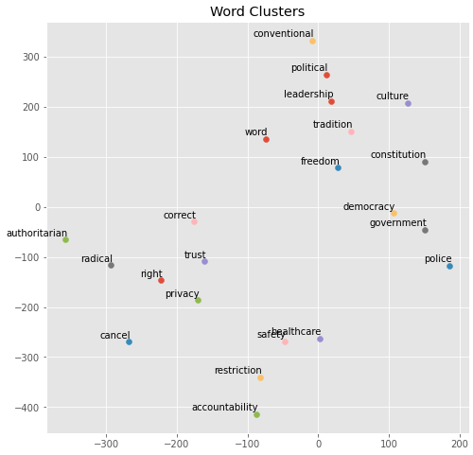
 | Hillary Skipgram
 | word | freedom | trust | radical | democracy | privacy | safety | right | police | healthcare | government | restriction | accountability | correct | political | cancel | culture | constitution | conventional | authoritarian | tradition | leadership
0 | phrase | abridge | tell | extremist | republic | curtail | environment | accelerationists | brutality | universal | govt | marijuana | zimbabwe | link | expediency | monday | patriarchal | clause | wisdom | fascist | vestige | leader
1 | context | liberty | xyz | extremism | institution | autonomy | pollution | righters | officer | childcare | goverment | recreational | downpayment | item | undermining | postpone | oppression | amend | realism | totalitarian | tribe | aspiration
2 | rambling | sanctity | believe | islamist | society | compulsory | homelessness | whacko | cop | health | institution | prohibition | reconstruction | disappear | transcend | tomorrow | ingrain | constitutional | inline | autocratic | monarch | loyalty
3 | sentence | infringe | divulge | hardline | civilization | infringe | welfare | leave | enforcement | schip | federal | medicinal | measles | grammatically | alignment | friday | society | uphold | tory | demagogue | norm | undermining
4 | dickish | unrestricted | beleive | islam | safeguard | sanctity | contraception | fourteenth | mosque | payer | framer | legalization | simplification | error | correctness | delay | subculture | framer | regression | nazism | aforementioned | resistance
5 | scripture | enshrine | ordinarily | militant | majoritarian | reproductive | healthcare | interchangeable | mistreatment | education | sovereignty | provision | wrongful | mistaken | prevailing | disinvited | zeitgeist | cu | vigor | dictatorship | sanctity | shared
6 | statement | autonomy | dissapointed | uncompromising | weimar | protectee | autonomy | reproductive | tenant | insurance | entity | importation | fha | review | amok | wednesday | feminism | emolument | leftward | theocracy | institution | governing
7 | catchphrase | protect | testy | islamic | nation | commenting | infastructure | supremes | perpetrator | tuition | assistance | regulation | prevention | incorrect | novice | saturday | dogma | honduran | forecasting | proto | enshrine | toughness
8 | retort | restoration | disagrees | zealot | federalism | disbelieve | medicare | now | pd | affordable | apparatus | sentencing | methamphetamine | below | dogma | tommorow | groupthink | tyranny | overconfidence | facist | bedrock | ascendant
9 | misquote | pillar | know | centre | system | perpetrator | health | nascent | civilian | marketplace | governmental | homelessness | promotion | spelling | guiding | attend | puritan | enshrine | favourable | extremist | longstanding | courting

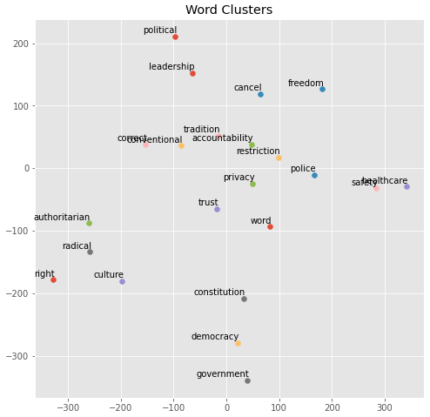
 | Hillary CBOW
 | word | freedom | trust | radical | democracy | privacy | safety | right | police | healthcare | government | restriction | accountability | correct | political | cancel | culture | constitution | conventional | authoritarian | tradition | leadership
0 | phrase | liberty | tell | extremist | society | taxation | welfare | righters | officer | universal | govt | marijuana | autonomy | incorrect | discourse | schedule | oppression | law | visceral | isolationist | britain | leader
1 | statement | equality | believe | islamic | republic | morality | healthcare | righter | civilian | education | entity | legalization | prevention | link | science | drop | society | clause | realism | extremist | republic | coalition
2 | sentence | destruction | convince | communist | institution | conviction | education | reich | mosque | medicaid | institution | regulation | airstrikes | wrong | ideological | delay | cultural | constitutional | profound | intellectual | citizens | opposition
3 | remark | infringe | bother | fringe | nation | infringe | environment | reichers | deportation | insurance | authority | provision | lawful | remove | major | skip | persecution | emolument | lenchon | unstable | norm | norm
4 | context | liberalism | inform | islam | country | limitation | environmental | left | iranian | medicare | corporation | protection | prohibition | original | governance | release | feminism | statute | concentrated | outsider | eu | compromise
5 | language | morality | forgive | religious | system | sacred | regulation | leave | brutality | welfare | military | initiative | nepotism | invalid | correctness | break | racial | oath | dynamic | ideologue | institution | institution
6 | criticism | religious | recognize | socialist | fascism | protection | prescription | unrest | militia | medical | power | prohibition | provision | true | failed | finish | diversity | unconstitutional | noticeable | communist | tribe | challenger
7 | logic | tolerance | offend | extremism | america | usage | expansion | dial | armed | debt | agency | accountability | cleansing | definitively | purely | announce | cleansing | limitation | wisdom | uprising | scotland | position
8 | name | religion | harm | leftist | norm | impose | medication | disobedience | iraqi | health | system | vaccination | fha | shadowbanned | loyalty | postpone | ethnic | amend | persistent | anarchist | spain | cabinet
9 | accusation | stability | hurt | christian | world | restriction | legalization | liberty | genocide | obamacare | regulatory | recreational | doctrine | inaccurate | spectrum | tomorrow | civilization | violation | consequential | environmentalist | independence | obstruction

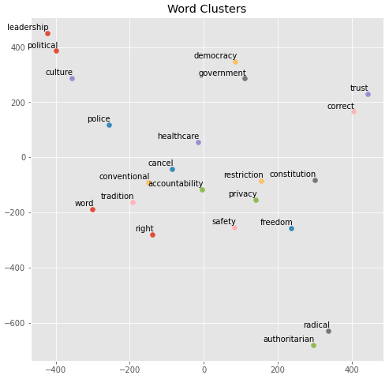
 | Sanders Skipgram
 | word | freedom | trust | radical | democracy | privacy | safety | right | police | healthcare | government | restriction | accountability | correct | political | cancel | culture | constitution | conventional | authoritarian | tradition | leadership
0 | judgment | dignity | believe | fundamentalist | republic | copyright | fda | leave | brutality | universal | govt | prohibit | transparency | untrue | alignment | donated | pc | constitutional | crippling | communist | marx | position
1 | colleague | lgbtq | disqualify | leftism | socialism | citizens | drug | suffrage | officer | health | governmental | usc | recourse | disprove | organizing | conceivably | oppression | clause | aftermath | proto | gm | party
2 | twist | liberty | scrutinize | nationalism | society | sedition | importation | wing | militarization | payer | functioning | regulatory | substitute | indicate | landscape | revoke | sjws | emolument | disorganize | anarchist | multimillionaire | leader
3 | context | indigenous | respect | militant | nordic | exclusion | consumer | now | armed | tuition | goverment | firearm | shortage | misinterpret | pernicious | singlepayer | ghetto | law | wisdom | revolutionary | doj | contender
4 | cuck | infringe | briefing | islam | ours | infringement | regulation | wrong | totalitarian | socialize | collectively | patent | bribery | demonstrate | profound | botch | wider | ammendment | irreparable | fascist | legalized | defacto
5 | image | religious | disclose | extreme | fabric | settlement | protection | contravention | protector | insurance | sovereignty | unapproved | repercussion | factually | poise | unexpectedly | cultural | reconciliation | shockingly | existential | jewishness | backing
6 | quote | bodily | forgive | extremist | proletariat | dismantling | prescription | briebart | riot | ubi | sovereign | importation | trustworthiness | wrong | governance | repay | intolerance | waiver | competence | nationalist | trivialize | democratic
7 | gospel | marginalized | tarnish | extremism | capitalistic | militarization | certification | reproductive | transit | marketplace | monopoly | reimportation | nefarious | incorrect | sphere | scamming | intersectionality | prohibit | recieved | sunni | comma | chair
8 | phrase | divine | skeptical | authoritarian | capitalism | infringe | import | indigenous | chinese | singlepayer | federal | copyright | organizational | unclear | polarization | layoff | militant | framework | nothingburger | dictatorship | buts | figurehead
9 | pedantic | cornerstone | faith | tolerant | imperialism | protection | procedure | drift | bismarck | plan | institution | vetting | pertinent | definitive | polarized | finalize | ethnic | homeland | punitive | oppressive | affront | outreach

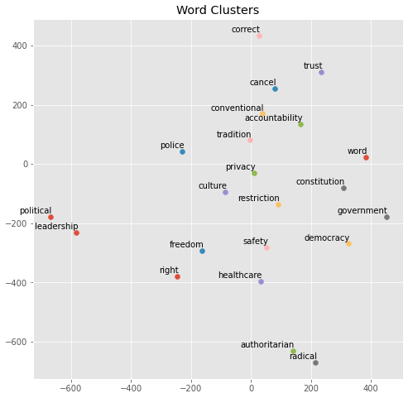
 | Sanders CBOW
 | word | freedom | trust | radical | democracy | privacy | safety | right | police | healthcare | government | restriction | accountability | correct | political | cancel | culture | constitution | conventional | authoritarian | tradition | leadership
0 | context | sexual | accept | liberalism | society | environmental | protection | leave | chinese | education | govt | regulatory | appetite | incorrect | root | phase | economics | law | terry | communist | regulated | leader
1 | statement | citizens | judge | leftist | socialism | bureau | importation | righters | mass | medicare | power | protection | motive | wrong | shape | baron | aspect | intelligence | pervasive | anarchist | frank | chair
2 | advice | liberty | listen | regressive | environment | biological | immigration | left | officer | universal | federal | monopoly | downside | untrue | grassroots | nih | racial | clause | laughably | revolutionary | federation | outreach
3 | hypocrisy | ownership | acknowledge | socially | capitalism | transaction | consumer | liberty | incarceration | medicaid | economy | prohibit | oversight | logical | loyalty | spiral | injustice | violation | korean | nationalist | mobil | faction
4 | phrase | protection | believe | extreme | economic | geopolitical | environmental | disobedience | transit | wage | law | patent | physical | disprove | democratic | allegedly | concept | irs | tort | reactionary | marx | party
5 | logic | equality | expose | leaning | republic | considers | regulation | marriage | weapon | medication | branch | immigration | punishment | present | within | watson | oppression | agency | houston | regressive | wasteful | strategy
6 | image | punishment | forgive | neo | movement | copyright | neutrality | being | turkey | program | institution | importation | curriculum | irrelevant | messaging | plunge | european | treaty | unintentional | nationalism | eric | affiliation
7 | comment | dignity | criticize | extremist | structure | execution | pricing | wrong | armed | tuition | citizen | procedure | expressly | proven | fringe | doling | ethnic | emolument | expedite | oppressive | erik | root
8 | rhetoric | oppression | hide | revolutionary | economy | diplomatic | patent | progressivism | shooting | aca | corporation | expansion | pesticide | claim | labour | drought | nationalism | nsa | guru | socialists | academy | platform
9 | quote | religious | recognize | authoritarian | government | migrant | provision | fetch | abroad | insurance | agency | carbon | component | refute | our | afaik | philosophy | eu | duhn | dictatorship | duncan | position

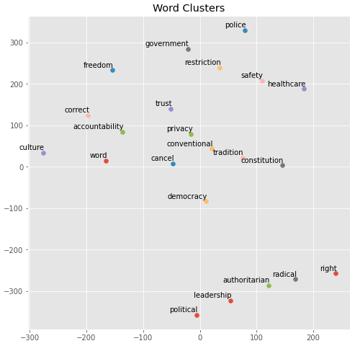
 | Progressive Skipgram
 | word | freedom | trust | radical | democracy | privacy | safety | right | police | healthcare | government | restriction | accountability | correct | political | cancel | culture | constitution | conventional | authoritarian | tradition | leadership
0 | quote | liberty | criticize | populist | republic | guaranteed | consumption | wing | officer | universal | seize | citizenship | immune | irrelevant | affiliation | rip | pc | authority | pursuit | tendency | ferguson | caucus
1 | character | religion | believe | leaning | principle | reckless | educational | winger | armed | education | entity | purpose | academic | assertion | correctness | delay | planet | violate | expenditure | susceptible | baltimore | abandon
2 | phrase | protect | condone | extreme | oligarchy | infringe | compensation | marriage | violence | medicaid | overreach | impose | physical | controversial | landscape | bleed | conservatism | legislative | spiral | extreme | intact | identical
3 | disingenuous | injustice | interpret | reactionary | socialism | thief | privatization | leave | firearm | medicare | agency | entity | ethnicity | anecdotal | integrity | wipe | root | united | hegemony | neo | historic | wave
4 | thought | infringe | implicate | winger | broken | prioritize | institution | left | gang | privatize | governmental | restrict | identification | relevant | opposition | toss | cultural | agency | robust | extremist | massacre | faction
5 | meaning | accountability | offend | leftist | system | outlaw | dismantle | preach | shooting | abolish | corporation | liberty | injustice | dunno | spectrum | chip | tribal | bible | teaching | oligarchy | pb | tent
6 | dishonest | being | object | socially | root | catastrophe | environmental | paradise | injury | subsidy | institution | advancement | philosophical | obvious | principle | rub | identity | unconstitutional | milwaukee | radical | foremost | unify
7 | backbone | intellectual | admit | tendency | liberalism | parental | net | lgbt | killing | medical | sovereign | sovereign | unintended | suspect | fascism | forgive | liberalism | shall | facilitate | philosophy | motherhood | retake
8 | genuine | eu | harmful | lean | mindset | slime | regs | ashamed | oppress | reform | property | collective | abstract | speculate | root | tune | earth | precedent | americas | differentiate | feature | constituency
9 | viewpoint | human | dare | extremist | libertarianism | miner | sustainable | radical | abroad | expand | transparency | engagement | infer | possibility | fringe | pat | divide | potentially | manifest | fascist | saddle | affiliation

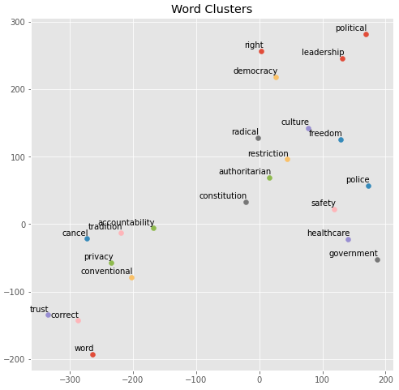
 | Progressive CBOW
 | word | freedom | trust | radical | democracy | privacy | safety | right | police | healthcare | government | restriction | accountability | correct | political | cancel | culture | constitution | conventional | authoritarian | tradition | leadership
0 | statement | violence | admit | extreme | revolution | deflection | environmental | left | criminal | education | market | relies | analyst | shock | economic | va | specie | universe | constrain | solidarity | massachusetts | caucus
1 | quote | border | bother | diversity | usa | drink | growth | leave | protection | regulation | law | trained | dependent | answer | affiliation | demagoguery | racial | registry | regulatory | intellectual | spent | legislation
2 | comment | planet | bet | backlash | system | exclude | destabilize | righters | weapon | labor | labor | hydro | genetically | truly | current | bleed | importance | producer | entitlement | explosion | kansa | congressional
3 | stuff | mental | wish | reactionary | europe | geopolitical | industrial | move | resource | reduce | system | engagement | associate | okay | system | disappear | pc | fbi | ethno | corp | detroit | stronghold
4 | video | nature | expect | difficulty | nation | spew | net | center | drug | program | company | aspect | volume | surprise | major | nj | mental | uk | americas | characteristic | region | faction
5 | argument | criminal | pretend | occupy | direction | default | fuel | issue | service | structure | society | european | hydro | suggest | structure | royal | cultural | religion | retail | boundary | neocon | legislature
6 | truth | protection | insist | activist | construct | evolve | laboratory | democracy | private | energy | power | region | application | irrelevant | spectrum | drag | robbery | reputation | hostility | awareness | decrease | committee
7 | answer | legal | implicate | leaning | exist | forum | tobacco | suppose | industry | spending | healthcare | enormously | db | ok | tea | column | international | ocean | primarily | french | germany | governor
8 | context | islam | listen | neoliberalism | instant | hail | export | wing | oil | universal | union | sovereignty | reflection | discuss | composition | declare | atlantic | riot | namely | found | hall | gerrymandering
9 | slightest | culture | prove | increasingly | eu | protectionism | security | marriage | mass | institution | military | decrease | alien | ridiculous | construct | trip | nature | possibility | collective | natural | classical | independent

Wikipedia
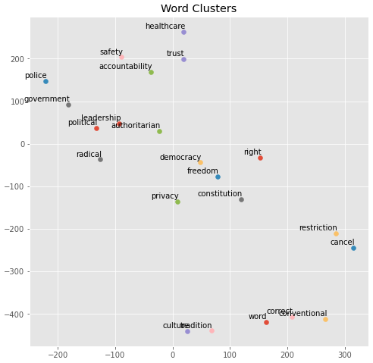
 | Wikipedia
 | word | freedom | trust | radical | democracy | privacy | safety | right | police | healthcare | government | restriction | accountability | correct | political | cancel | culture | constitution | conventional | authoritarian | tradition | leadership
0 | phrase | freedoms | mutual | militant | freedom | protections | protection | if | officers | health | administration | restrictions | transparency | incorrect | politics | postpone | cultural | constitutional | types | autocratic | traditions | political
1 | meaning | rights | fund | extremist | unity | liberties | security | back | policemen | care | governments | limitation | oversight | fix | leadership | canceling | cultures | amendment | sophisticated | dictatorial | traditional | leaders
2 | words | democracy | trusts | islamist | independence | confidentiality | health | left | authorities | services | officials | restricting | governance | wrong | social | canceled | traditions | rule | use | repressive | history | support
3 | name | liberty | foundation | movement | political | protection | standards | way | arrested | medicare | authorities | limiting | fairness | corrected | democratic | cancellation | tradition | law | standard | totalitarian | culture | party
4 | language | independence | public | islamic | movement | rights | environmental | put | guards | medical | opposition | requirement | integrity | appropriate | opposition | reschedule | religion | amendments | modern | regime | religious | position
5 | literally | equality | funds | fundamentalist | opposition | workplace | problems | out | policeman | insurance | saying | limits | compliance | correcting | party | suspend | history | amended | unlike | regimes | religion | leader
6 | names | dignity | property | radicals | peace | copyright | control | but | officials | education | official | prohibitions | discipline | explain | legal | cancelling | society | amend | using | despotic | faith | administration
7 | text | liberties | investment | hardline | freedoms | laws | personnel | n't | soldiers | provider | country | limit | reform | change | influence | cancelled | civilization | laws | type | oppressive | ancient | responsibility
8 | means | respect | insurance | leftist | peaceful | protected | quality | just | riot | providers | promised | prohibited | standards | answer | policy | plans | art | legislation | expensive | tyrannical | belief | policy
9 | simply | free | institution | left-wing | pluralism | disclosure | inspection | not | armed | medicaid | military | bans | judicial | determine | leaders | defer | politics | legislature | existing | lukashenko | beliefs | coalition

Right
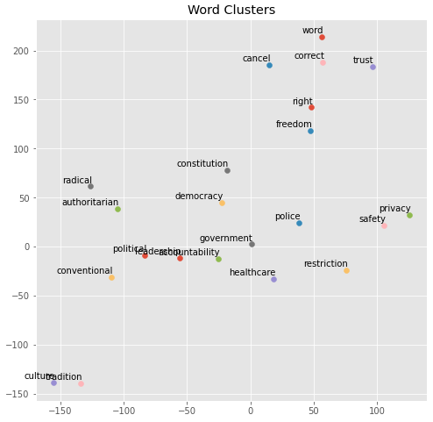
 | Trump Skigram
 | word | freedom | trust | radical | democracy | privacy | safety | right | police | healthcare | government | restriction | accountability | correct | political | cancel | culture | constitution | conventional | authoritarian | tradition | leadership
0 | phrase | liberty | believe | extremist | republic | anonymity | saftey | now | officer | medicare | govt | restricting | ethic | incorrect | politcal | cancelled | multiculturalism | consitution | dogfight | totalitarian | judeo | leader
1 | meaning | freedoms | unknow | fundamentalist | tyranny | personal | protection | winger | policeman | nhs | goverment | regulation | responsibility | misunderstand | poltical | cancellation | cultural | fourteenth | capability | statist | observance | position
2 | quotation | individuality | belive | islamist | dictatorship | stripping | impinge | rightalt | cop | socialized | governement | restrict | transparency | wrong | politicial | announce | western | framer | deterrence | illiberal | bastardisation | cabel
3 | phrasing | feee | trustworthy | extremism | sovereignty | pii | service | infringes | pd | medicaid | governemt | limitation | competence | misread | correctness | tix | subculture | amendments | multirole | collectivist | piety | administration
4 | adjectives | liberties | convince | islamic | pluralist | eula | security | roght | lapd | health | goverments | provision | ethical | misinterpret | poltiical | subscription | bastardisation | amendment | firepower | authoritarians | judaic | transition
5 | verbiage | free | tell | islamism | autocracy | greycoder | wellbeing | adays | cpd | childcare | governmental | prohibition | integrity | clarify | ideological | canceling | passivity | constitutional | weaponry | fascistic | liturgy | statesmanship
6 | vocabulary | autonomy | doubt | extremists | soverignty | impinge | personal | inalienable | enforcement | aca | govenrment | stringent | oversight | eludes | politcial | cancelling | society | enshrine | geopolitically | autocracy | heritage | appointee
7 | declarative | persuit | confide | islam | pasok | safety | privacy | riiiight | cops | socialize | govts | prioritization | boundary | grammatically | politics | canceled | homogeny | preamble | warheads | authoritarianism | traditional | competence
8 | mincing | sovereignty | utahns | radicalism | indepence | opennic | recognizance | liberties | firefighter | obamacare | bureaucracy | gca | obligation | gramatically | expediency | expire | homogeneity | uphold | fission | neoliberal | chivalry | functionary
9 | idiom | sacredness | peitions | islamics | tyrany | tutanota | property | freedoms | guardsman | insurance | federal | rollback | governmental | declarative | polarise | postpone | cultureless | constitutionally | counterinsurgency | dictatorial | catholicism | governance

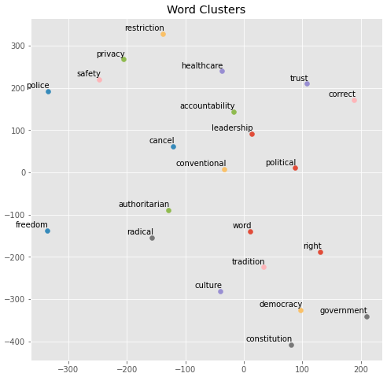
 | Trump CBOW
 | word | freedom | trust | radical | democracy | privacy | safety | right | police | healthcare | government | restriction | accountability | correct | political | cancel | culture | constitution | conventional | authoritarian | tradition | leadership
0 | phrase | liberty | believe | fundamentalist | tyranny | anonymity | wellbeing | righters | cop | medicaid | govt | limitation | transparency | incorrect | politcal | announce | society | framer | deterrence | totalitarian | precept | leader
1 | verbiage | individuality | inform | extremist | republic | safety | protection | righter | officer | medicare | goverment | regulation | integrity | correctin | poltical | finish | multiculturalism | preamble | asymmetric | illiberal | judeo | position
2 | context | freedoms | tell | islamism | dictatorship | tld | privacy | righ | pd | childcare | governement | moratorium | responsibility | wrong | politicial | suspend | religion | consitution | fission | individualist | observance | governance
3 | wording | sovereignty | convince | fundamentalism | sovereignty | personal | service | rightist | cpd | education | system | provision | ethic | expedient | purely | postpone | ideology | decree | strategic | autocratic | doctrine | strategist
4 | language | tolerance | belive | extremism | communism | protocol | saftey | roght | policeman | subsidy | goverments | nfa | obligation | misunderstand | activism | delay | civilization | law | guerrilla | oppressive | theology | entanglement
5 | title | patriotism | begrudge | salafism | socialism | pii | duty | hussar | lapd | nhs | bureaucracy | prohibition | competence | disprove | incorrectness | finalize | demography | clause | firepower | statist | fatherland | strengthening
6 | buzzword | free | recognize | militant | society | tos | livelihood | leave | firefighter | aca | corporation | temporary | oversight | fallacious | expediency | expire | civilisation | constitutional | potent | autocracy | individualism | statesman
7 | adjective | individualism | forgive | theocrats | monarchy | apos | responsibility | boundary | arson | voucher | governmental | imposition | recourse | inaccurate | ideological | scheduled | cultural | doctrine | counterinsurgency | collectivist | secularism | ambition
8 | terminology | jailer | underestimate | theocratic | nation | guideline | autonomy | adays | emts | hsas | govts | regs | repercussion | misinterpret | undermines | defund | degeneracy | federalism | guerilla | dictatorial | enlightenment | figurehead
9 | quotation | conformity | reassure | salafist | civilization | protocols | vigilance | cruzmissile | usss | tax | entity | decriminalization | ethical | correcting | partisan | skip | imperialism | ndaa | geopolitical | authoritarianism | orthodoxy | competence

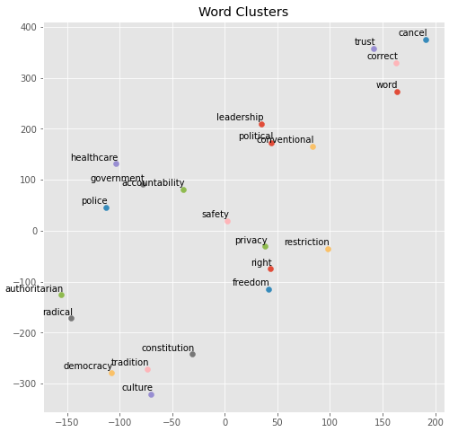
 | Conservative SG
 | word | freedom | trust | radical | democracy | privacy | safety | right | police | healthcare | government | restriction | accountability | correct | political | cancel | culture | constitution | conventional | authoritarian | tradition | leadership
0 | phrase | liberty | vouch | extremist | republic | protection | shared | inalienable | officer | socialize | govt | prohibition | responsibility | incorrect | correctness | skip | cultural | framer | diplomatically | nationalistic | christianity | elites
1 | dictionary | abridge | believe | islamist | monarchy | hazard | compliance | monstrosity | cop | privatize | federal | infringement | assistance | wrong | expediency | bail | civilization | amendment | wreak | anarchist | doctrine | bipartisanship
2 | weasel | expression | disbelieve | jihadist | dictatorship | violation | adequate | antiquate | brutality | payer | centralized | restrictive | input | misunderstand | ideological | rescind | whiteness | enumerate | fractured | totalitarian | judeo | obstructionism
3 | twist | speech | confirm | militant | parliamentary | parental | rehabilitation | righters | shooting | ration | bureaucracy | gutting | necessity | grammatically | politic | bid | multiculturalism | amend | armament | authoritarianism | religion | entrenched
4 | phrasing | individualism | briefed | islam | exceptionalism | violate | hazard | furthest | perpetrator | socialized | fed | restrict | fitness | facetious | affiliation | schedule | ethnicity | constitutional | disarmament | neocon | monarchy | discontent
5 | meaning | free | bidding | islamic | monarch | hippa | incentivizing | nap | violence | health | purview | limitation | breadth | untrue | persuasion | rake | society | originalism | diminished | reactionary | orthodoxy | leader
6 | quotation | happiness | accountable | extremism | weimar | restricted | malpractice | winger | civilian | nationalized | bloated | awb | secrecy | true | consequentialism | announce | nationalism | preamble | brink | oligarchy | acceptance | party
7 | buzz | principle | beholden | nutjobs | sovereignty | infringement | licensing | trample | rioter | insurance | governmental | confiscation | reliability | misread | existentialism | briefly | western | ratify | foment | statist | secularism | politician
8 | joking | pursuit | assure | terrorism | individualism | relinquish | intrude | now | crime | unaffordable | citizenry | regulation | abdicate | yes | perceived | skewer | religion | uphold | rightward | fascist | enlightenment | fp
9 | mince | enshrine | satisfied | repulse | benevolent | bodily | hippa | abolishment | blm | universal | unaccountable | concealed | consideration | infallible | posturing | tweak | feminism | constrain | weakened | isolationist | tenant | gop

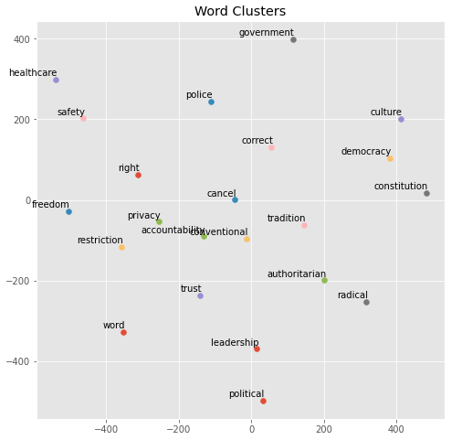
 | Conservative CBOW
 | word | freedom | trust | radical | democracy | privacy | safety | right | police | healthcare | government | restriction | accountability | correct | political | cancel | culture | constitution | conventional | authoritarian | tradition | leadership
0 | phrase | liberty | inform | extremist | republic | autonomy | necessity | righters | officer | education | govt | prohibition | integrity | incorrect | ideological | bail | civilization | amendment | tactical | anarchist | dictatorship | leader
1 | context | free | dislike | islamist | dictatorship | violation | facility | righter | brutality | subsidy | fed | ownership | responsibility | wrong | opposition | drop | society | founder | thorium | anarcho | enlightenment | coalition
2 | statement | expression | believe | marxist | tradition | property | employment | leave | cop | medicaid | gov | sale | enrichment | misunderstand | divisive | pull | nationalism | constitutional | fusion | statist | dominant | opposition
3 | quote | happiness | criticize | jihadist | tyranny | protection | capacity | liberty | shooting | medicare | corporation | firearm | input | refute | affiliation | lay | norm | clause | seljuk | socialist | christianity | caucus
4 | logic | pursuit | reveal | islam | communism | infringe | consumption | freedom | civilian | insurance | bureaucracy | regulation | reliance | untrue | perceived | wipe | religion | authority | wildlife | ideologue | western | gop
5 | bible | protection | support | fascist | nation | bodily | taxation | reich | violence | universal | military | handgun | necessity | factually | stated | figure | ideology | law | shipping | isolationist | civilization | nominee
6 | language | individualism | tell | christianity | sovereignty | ownership | procedure | left | crime | medicine | federal | unlimited | obligation | confuse | partisan | pan | cultural | rule | modernize | nationalistic | marxist | party
7 | definition | autonomy | expose | extremism | socialism | firearm | capital | disobedience | suicide | consumer | funding | conceal | collective | disprove | bipartisan | skip | diversity | statute | regional | interventionist | colony | establishment
8 | wording | protect | confirm | islamic | usa | ivf | transportation | autonomy | robbery | tuition | power | exemption | commitment | invalid | dissent | flesh | mindset | militia | sever | authoritarianism | secular | democratic
9 | comment | constitutionally | respect | fundamentalist | society | happiness | provider | forfeiture | riot | welfare | citizenry | legalization | clout | logical | losing | drown | identity | hyde | diplomatically | fascist | roman | weakness

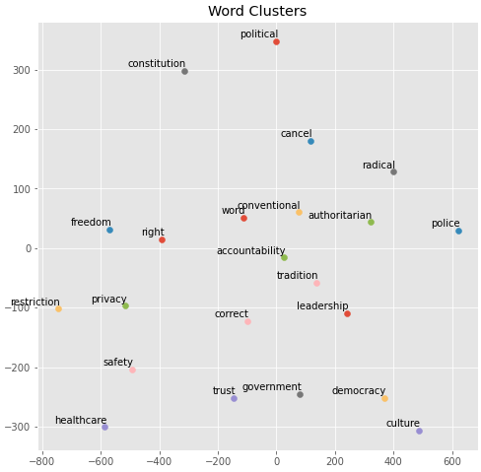
 | Republican SG
 | word | freedom | trust | radical | democracy | privacy | safety | right | police | healthcare | government | restriction | accountability | correct | political | cancel | culture | constitution | conventional | authoritarian | tradition | leadership
0 | logic | liberty | confident | islam | republic | infringe | environmental | inalienable | cop | universal | federal | regulation | occurrence | helpful | correctness | shortly | communism | constitutional | nro | globalist | restore | coalition
1 | meaning | religion | usurp | bigoted | nation | possess | component | left | officer | socialize | constitutionally | patent | unconditional | clarify | affiliation | twice | western | spirit | hamas | isolationist | erode | commitment
2 | twist | responsibility | judgment | zealot | un | exercise | foundational | righters | brutality | medicine | governmental | legislate | habitat | incorrect | spectrum | schedule | society | judicial | benedict | ultra | purge | republicanism
3 | humor | religious | exaggerate | element | western | supersede | improvement | preach | youth | preventative | govt | federally | inefficiency | cute | persuasion | bust | worldview | uphold | draconian | extremist | leftism | appointee
4 | statement | expression | respond | bigotry | alliance | body | essential | freedom | killing | handout | federalism | requirement | equation | untrue | toxic | jack | extremism | violate | instability | espouse | demise | figurehead
5 | interpretation | exercise | intel | tolerate | prosperous | erode | net | nd | punishable | catastrophic | businuess | interstate | municipal | misread | opposition | spent | identity | law | installation | anarchist | clamor | evangelical
6 | incorrectly | morality | belive | christian | leader | restrict | socialize | goldwater | witness | necessity | legislate | dealer | entrench | obtuse | opponent | pant | mindset | nd | icbm | narcissistic | banana | unified
7 | phrase | freely | mystery | religiously | sovereignty | abolish | monetary | unilaterally | listing | affordable | entity | restrict | autonomy | typo | substantive | golf | christianity | amendment | greece | nationalist | chapter | eisenhower
8 | category | decency | distrust | violently | unity | outlaw | mutual | winger | trial | adoption | tyrannical | firearm | stricter | disprove | thinking | flu | country | originalist | intellegence | appointee | utmost | rinos
9 | context | constitutionally | comprehend | condemn | undermining | enshrine | paradigm | alt | combatant | health | handout | limitation | dependency | imply | conform | halfway | fascism | violation | speculative | outsider | undermining | rival

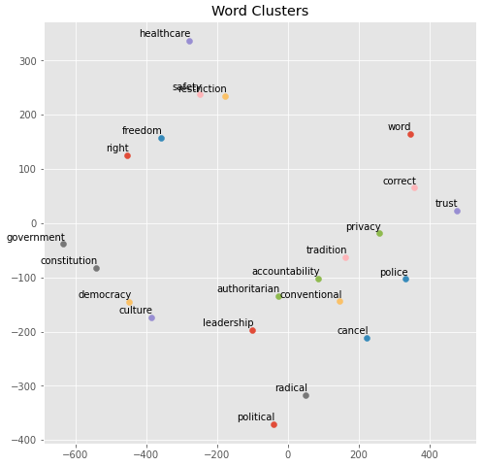
 | Republican CBOW
 | word | freedom | trust | radical | democracy | privacy | safety | right | police | healthcare | government | restriction | accountability | correct | political | cancel | culture | constitution | conventional | authoritarian | tradition | leadership
0 | statement | liberty | convince | islam | nation | inalienable | estate | righters | clause | medicine | land | requirement | port | sorry | spectrum | stair | democracy | law | engine | outsider | theme | congressional
1 | quote | religion | defend | discrimination | culture | constitutionally | financial | left | flag | consumer | aca | monopoly | takeover | confuse | discourse | knock | society | rule | pacific | appointee | cyberattacks | platform
2 | logic | religious | stick | ethnic | republic | fundamental | currency | nd | civilian | subsidy | mandate | drug | involuntary | guess | ideology | patch | nation | constitutional | regulator | warrior | kurd | undermine
3 | video | practice | believe | xenophobia | un | supersede | farm | leave | syrian | medicare | military | isps | ice | sarcasm | conservatism | leftover | element | amendment | analyst | tendency | bang | milquetoast
4 | tweet | protection | criticize | authoritarian | society | possess | technology | amendment | officer | socialize | constitution | expenditure | organ | delete | correctness | dust | movement | un | afb | radical | nightmare | populist
5 | behavior | responsibility | inform | activism | leader | enshrine | taxation | constitution | terrorism | insurance | regulation | default | recruitment | sarcastic | affiliation | simultaneously | region | violate | unelected | independent | mentality | eisenhower
6 | story | equality | accept | nazi | element | infringe | welfare | suppose | refugee | product | power | assistance | constraint | downvote | philosophy | allegedly | republic | enforce | oligarch | xenophobia | republicanism | representative
7 | comment | violation | survive | equality | ally | administer | german | freedom | prohibit | mandate | benefit | competition | conservation | infer | identity | deploy | importance | itself | cyberattacks | ideological | valley | senator
8 | argument | individual | deny | homosexual | country | withhold | barrier | movement | communication | competition | federal | barrier | biological | wrong | leftist | covert | un | government | orbit | extremist | independence | chair
9 | truth | gun | paint | apartheid | current | prioritization | environmental | constitutional | baker | universal | protection | entity | accounting | imply | fiscal | dress | country | violation | shithole | ethnic | sin | sweep

