README
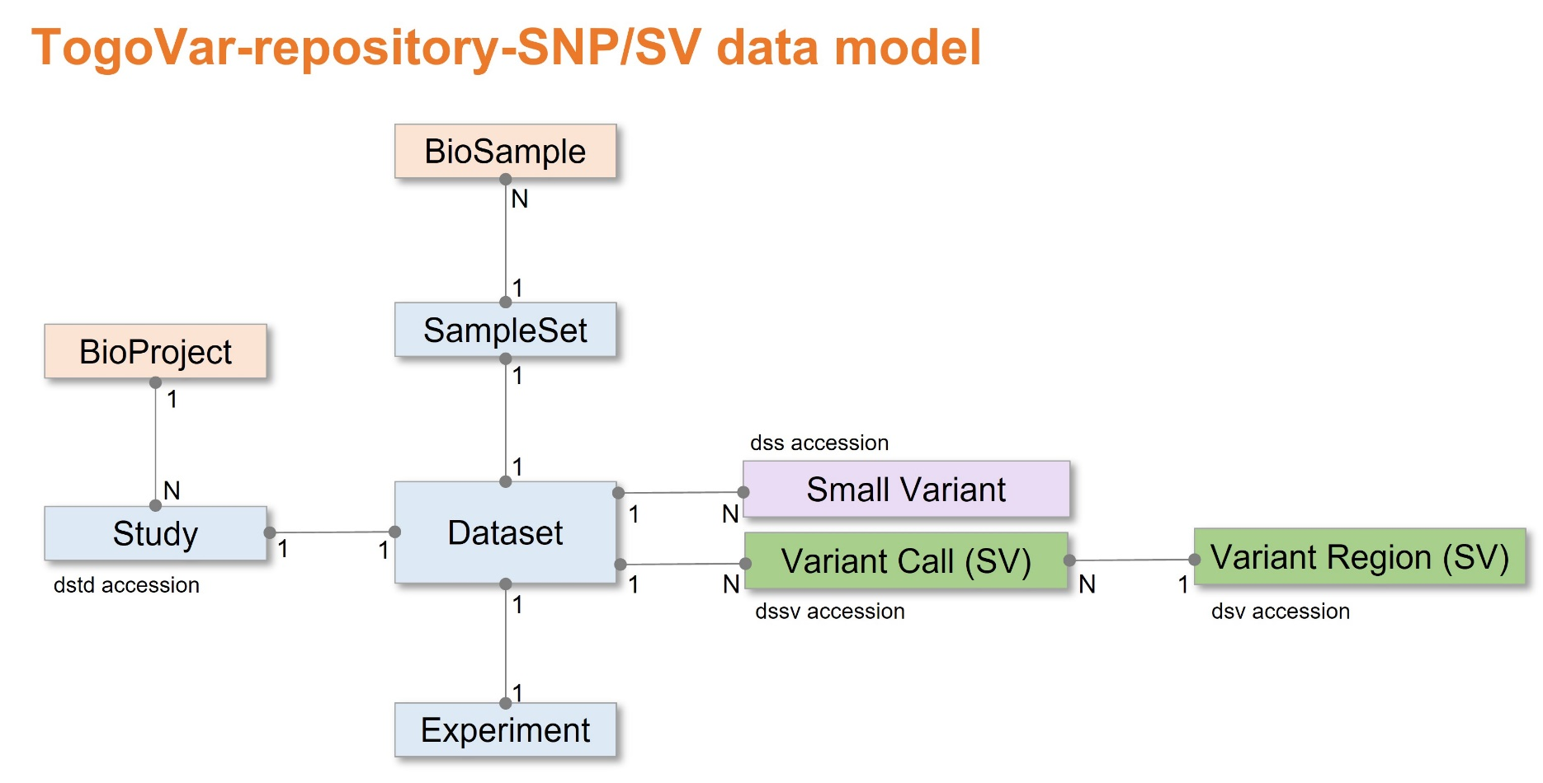
# This is a submission template to TogoVar-repository (https://www.ddbj.nig.ac.jp/togovar).

# TogoVar-repository only accepts human data submissions. Please submit non-human data submissions to European Variation Archive (EVA, https://www.ebi.ac.uk/eva/).
# Submit small variations (<=50bp) including SNV, deletion and insertion to TogoVar-repository-SNP, and structural variations (>50bp) to TogoVar-repository-SV.
# Please submit individual-level variations requiring controlled-access to JGA (Japanese Genotype Phenotype Archive, https://www.ddbj.nig.ac.jp/jga).

# Registration of BioProject and BioSample are necessary for TogoVar-repository submission.
# ORANGE fields are mandatory. Your submission will fail if any mandatory fields are not completed. If information is unavailable for any mandatory field, please enter 'not collected', 'not applicable' or 'missing' as appropriate.
# PALE ORANGE fields are conditionally required. Your submission will fail if any mandatory fields are not completed under certain conditions.
# BLUE fields are optional. Leave optional fields empty if no information is available.
# METADATA: Please describe Study, SampleSet, Sample, Experiment and Dataset metadata in the corresponding sheets in English. Non-ASCII characters are not allowed.
# VARIANTS: - Small variations (<=50bp): Submit one VCF file per Dataset. Multiple Datasets (VCF files) can be submitted. - Structural variations (>50bp): Submit one VCF file per Dataset. Multiple Datasets (VCF files) can be submitted. Instead of VCF files, you can submit SVs in "Variant Call (SV)" sheet. Variant Region (SV) is optional.
# To view definition, see https://www.ddbj.nig.ac.jp/togovar/metadata-e.html
# CAUTION: Be aware that Excel may automatically apply formatting to your data. In particular, take care with dates, incrementing autofills and special characters like / or -. Doublecheck that your text file is accurate before uploading to TogoVar-repository.
# TO MAKE A SUBMISSION:
# 1. Register a BioProject and BioSample(s).
# 2. Complete this template table.
# 3. Send the file to jvar@ddbj.nig.ac.jp by email attachment.
# 4. Upload large VCF files to ftp-private.ddbj.nig.ac.jp. See https://www.ddbj.nig.ac.jp/upload-e.html
# If you have any questions, please contact us at https://www.ddbj.nig.ac.jp/contact-ddbj-e.html

 | Required
 | Conditionally-required
 | Optional
 | Uneditable

1 | Add rows with unique numeric IDs if needed.

Last updated | 2024-07-05
Version | v1.4

TogoVar-repository consists of two parts. - short genetic variations <=50bp (SNP) - large structural variations >50bp (SV) TogoVar-repository-SNP and -SV correspond to NCBI dbSNP and dbVar, respectively. TogoVar-repository archives SNP/SV variations by a common data model. TogoVar-repository assigns 'dstd' accessions. TogoVar-repository-SNP variants are assigned 'dss' accessions and will be assigned ss/rs accessions in next dbSNP build after data release. TogoVar-repository-SV variant calls are assigned 'dssv' accessions and variant regions are assigned 'dsv' accessions. Public data are exchanged among TogoVar-repository-SNP/dbSNP/EVA and TogoVar-repository-SV/dbVar/EVA. In addition to TogoVar-repository websites, please refer to the NCBI variation resource pages. dbSNP metadata: https://www.ncbi.nlm.nih.gov/snp/docs/submission/hts_submission_formatting_intro_meta_formatting dbSNP VCF format: https://www.ncbi.nlm.nih.gov/snp/docs/submission/vcf_submission_guidelines/ dbVar data model: https://www.ncbi.nlm.nih.gov/dbvar/content/overview/ dbVar VCF format: https://www.ncbi.nlm.nih.gov/core/assets/dbvar/files/dbVar_VCF_Submission.pdf

