README
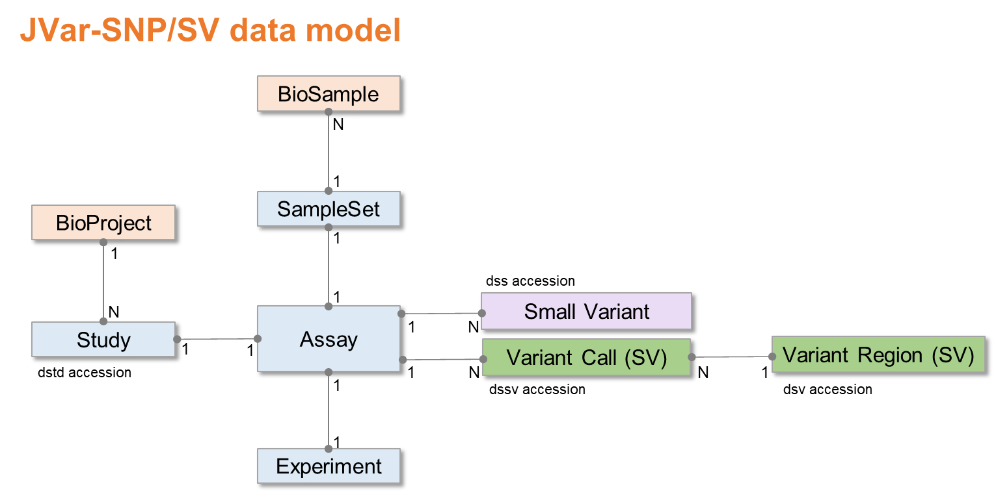
# This is a submission template to JVar (Japan Variation Database, https://www.ddbj.nig.ac.jp/jvar).

# JVar only accepts human data submissions. Please submit non-human data submissions to European Variation Archive (EVA, https://www.ebi.ac.uk/eva/).
# Submit small variations (<=50bp) including SNV, deletion and insertion to JVar-SNP, and structural variations (>50bp) to JVar-SV.
# Please submit individual-level variations requiring controlled-access to JGA (Japanese Genotype Phenotype Archive, https://www.ddbj.nig.ac.jp/jga).

# Registration of BioProject and BioSample are necessary for JVar submission.
# ORANGE fields are mandatory. Your submission will fail if any mandatory fields are not completed. If information is unavailable for any mandatory field, please enter 'not collected', 'not applicable' or 'missing' as appropriate.
# PALE ORANGE fields are conditionally required. Your submission will fail if any mandatory fields are not completed under certain conditions.
# BLUE fields are optional. Leave optional fields empty if no information is available.
# METADATA: Please describe Study, SampleSet, Sample, Experiment and Assay metadata in the corresponding sheets in English. Non-ASCII characters are not allowed.
# VARIANTS: - Small variations (<=50bp): Submit one VCF file per Assay. Multiple Assays (VCF files) can be submitted. Instead of VCF files, you can submit variants in "Small Variant" sheet. - Structural variations (>50bp): Submit one VCF file per Assay. Multiple Assays (VCF files) can be submitted. Instead of VCF files, you can submit SVs in "Variant Call (SV)" sheet. Variant Region (SV) is optional.
# To view definition, see https://www.ddbj.nig.ac.jp/jvar/metadata-e.html
# CAUTION: Be aware that Excel may automatically apply formatting to your data. In particular, take care with dates, incrementing autofills and special characters like / or -. Doublecheck that your text file is accurate before uploading to JVar.
# TO MAKE A SUBMISSION:
# 1. Register a BioProject and BioSample(s).
# 2. Complete this template table.
# 3. Send the file to jvar@ddbj.nig.ac.jp by email attachment.
# 4. Upload large VCF files to ftp-private.ddbj.nig.ac.jp. See https://www.ddbj.nig.ac.jp/upload-e.html
# If you have any questions, please contact us at https://www.ddbj.nig.ac.jp/contact-ddbj-e.html

 | Required
 | Conditionally-required
 | Optional
 | Uneditable

1 | Add rows with unique numeric IDs if needed.

Last updated | 2023-06-10
Version | v1.2

JVar consists of two parts. - short genetic variations <=50bp (JVar-SNP) - large structural variations >50bp (JVar-SV) JVar-SNP and -SV correspond to NCBI dbSNP and dbVar, respectively. JVar archives SNP/SV variations by a common data model. JVar assigns 'dstd' accessions. JVar-SNP variants are assigned 'dss' accessions and will be assigned ss/rs accessions in next dbSNP build after data release. JVar-SV variant calls are assigned 'dssv' accessions and variant regions are assigned 'dsv' accessions. Public data are exchanged among JVar-SNP/dbSNP/EVA and JVar-SV/dbVar/EVA. In addition to JVar websites, please refer to the NCBI variation resource pages. dbSNP metadata: https://www.ncbi.nlm.nih.gov/snp/docs/submission/hts_submission_formatting_intro_meta_formatting dbSNP VCF format: https://www.ncbi.nlm.nih.gov/snp/docs/submission/vcf_submission_guidelines/ dbVar data model: https://www.ncbi.nlm.nih.gov/dbvar/content/overview/ dbVar VCF format: https://www.ncbi.nlm.nih.gov/core/assets/dbvar/files/dbVar_VCF_Submission.pdf

