Sheet1
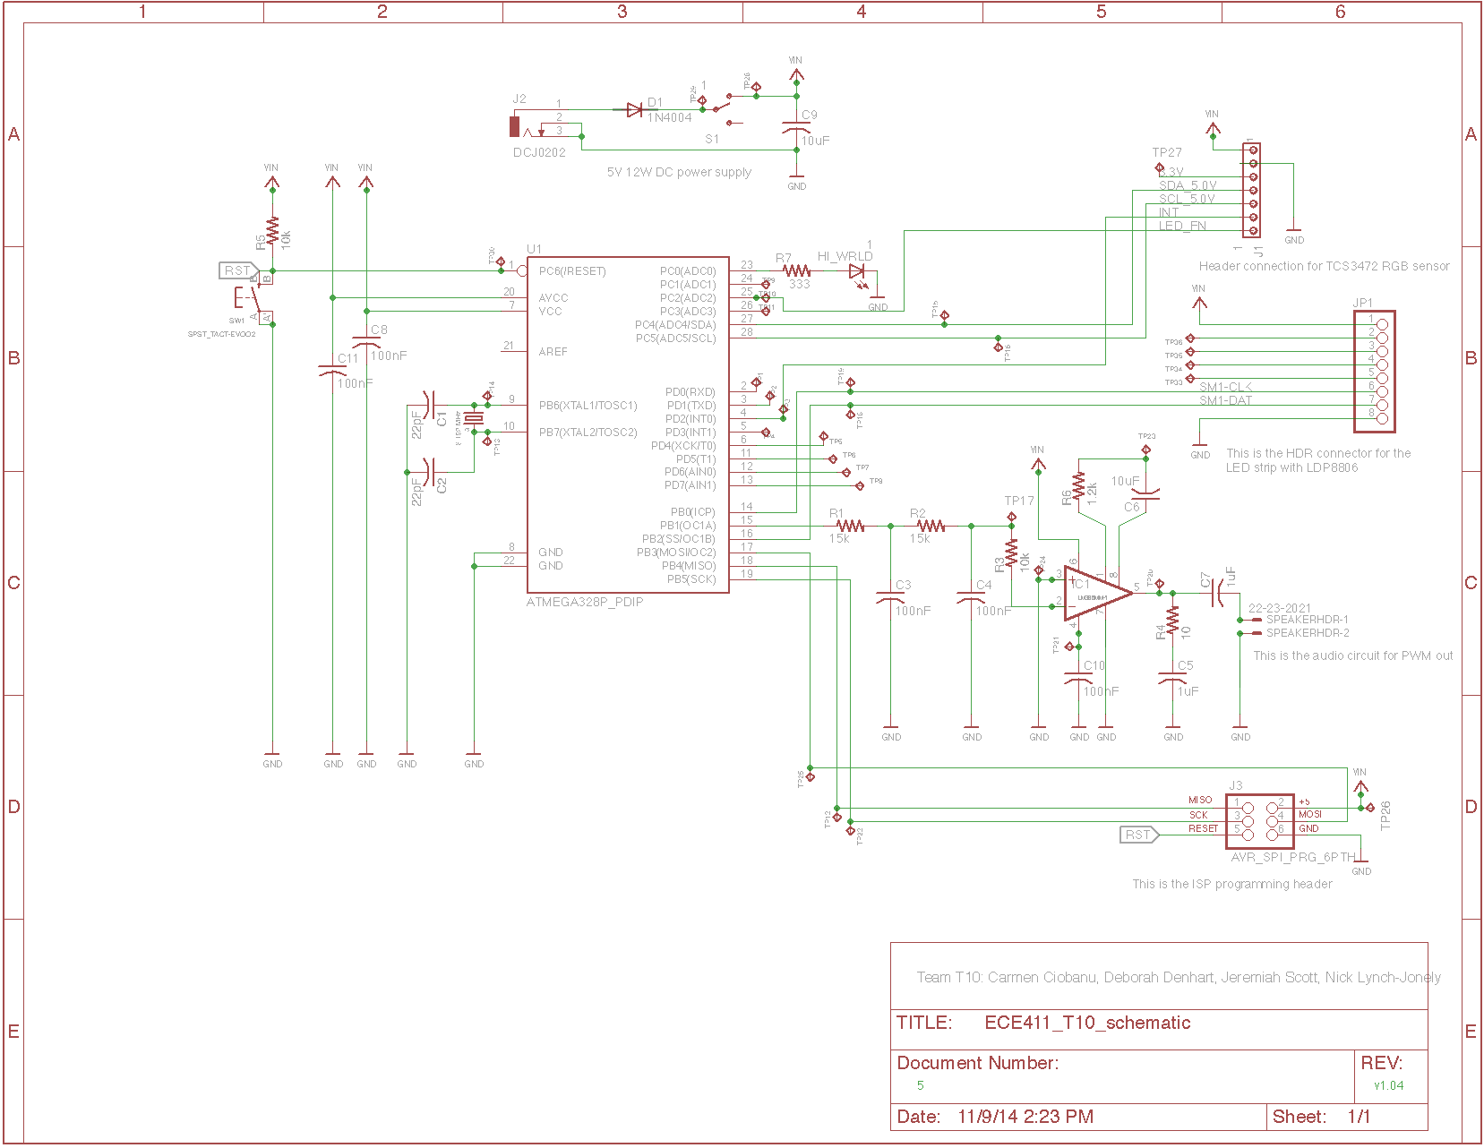
 |  |  |  | ECE411 Practicum T10 BOM for Infinity Mirror Project

Quantity | Part Number | Value | Package | Description | Manufacturer | Manufacturer Part Number | Distributor | Distributor Part Number | Cost Each | Cost Extended | Product Link
1 | JP1 |  | 1X08 | PIN HEADER | Sullins Connector Solutions | PPTC081LFBN-RC | Digi-Key | S7006-ND | $0.860 | $0.86 | Product Link
1 | HI_WRLD | 1 | SML1206 | LED | Lite-On Inc | LTST-C150KGKT | Digi-Key | 160-1404-1-ND | $0.390 | $0.39 | Product Link
1 | J1 | 1 | 10X07MTA | AMP connector | TE Connectivity | 640456-7 | Digi-Key | A19472-ND | $0.360 | $0.36 | Product Link
1 | S1 | 1 | SWITCH-SPST-SMD-A | SPDT Switch | Apem Inc | MA12RTR | Digi-Key | 679-1847-1-ND | $1.100 | $1.10 | Product Link
1 | R6 | 1.2k | M0805 | RESISTOR, American symbol | Panasonic | ERJ-P6WF1201V | Digi-Key | P16886CT-ND | $0.840 | $0.84 | Product Link
1 | R4 | 10 | M0805 | RESISTOR, American symbol | Vishay Dale | RCA080510R0FKEA | Digi-Key | 541-2219-1-ND | $0.400 | $0.40 | Product Link
5 | C3, C4, C8, C10, C11 | 100nF | C0805 | CAPACITOR, American symbol | Kemet | C0805C104J5RACTU | Digi-Key | 399-1171-1-ND | $0.160 | $0.80 | Product Link
2 | R3, R5 | 10k | M0805 | RESISTOR, American symbol | Panasonic | ERJ-6ENF1002V | Digi-Key | P10.0KCCT-ND | $0.100 | $0.20 | Product Link
2 | C6, C9 | 10uF | C0805 | CAPACITOR, American symbol | Kemet | C0805C106K8PACTU | Digi-Key | 399-4925-1-ND | $0.210 | $0.42 | Product Link
2 | R1, R2 | 15k | R0805 | RESISTOR, American symbol | Panasonic | ERJ-6ENF1502V | Digi-Key | P15.0KCCT-ND | $0.100 | $0.20 | Product Link
1 | D1 | 1N4004 | DO41-10 | DIODE | Fairchild Semiconductors | 1N4004 | Digi-Key | 1N4004FSCT-ND | $0.180 | $0.18 | Product Link
2 | C5, C7 | 1uF | C0805 | CAPACITOR, American symbol | Kemet | C0805C105J3RACTU | Digi-Key | 399-10060-1-ND | $1.030 | $2.06 | Product Link
1 | SPEAKERHDR | 22-23-2021 | 22-23-2021 | .100 (2.54mm) Center Header - 2 Pin" | Molex Inc | 22232021 | Digi-Key | WM4200-ND | $0.200 | $0.20 | Product Link
2 | C1, C2 | 22pF | C0805 | CAPACITOR, American symbol | Kemet | C0805C220J5GACTU | Digi-Key | 399-1113-1-ND | $0.100 | $0.20 | Product Link
1 | R7 | 333 | M0805 | RESISTOR, American symbol | Panasonic | ERJ-6ENF3320V | Digi-Key | P332CCT-ND | $0.100 | $0.10 | Product Link
1 | Q1 | 8.192 MHz | HC49/S | CRYSTAL | TXC CORPORATION | 9B-8.192MAAJ-B | Digi-Key | 887-1262-ND | $0.390 | $0.39 | Product Link
1 | U1 | ATMEGA328P_PDIP | DIL28-3 | uC used in the Arduino | Atmel | ATMEGA328P-PU | Digi-Key | ATMEGA328P-PU-ND | $3.740 | $3.74 | Product Link
1 | J3 | AVR_SPI_PRG_6PTH | 2X3 | AVR ISP 6 Pin | 3M | 961206-6404-AR | Digi-Key | 3M9459-ND | $0.420 | $0.42 | Product Link
1 | J2 | DCJ0202 | DCJ0202 | DC POWER JACK | CUI Inc | PJ-102AH | Digi-Key | CP-102AH-ND | $1.180 | $1.18 | Product Link
1 | IC1 | LM386MM-1 | MMSOP08 | Low Voltage Audio Power Amplifier | Texas Instruments | LM386MMX-1/NOPB | Digi-Key | LM386MMX-1/NOPBCT-ND | $1.020 | $1.02 | Product Link
1 | S2 | TAC_SWITCHSMD | TACTILE-SWITCH-SMD | Momentary Switch | Panasonic | EVQ-Q2B03W | Digi-Key | P12932SCT-ND | $0.400 | $0.40 | Product Link
 |  |  |  |  |  |  |  |  |  | $15.46

