Detailed Results
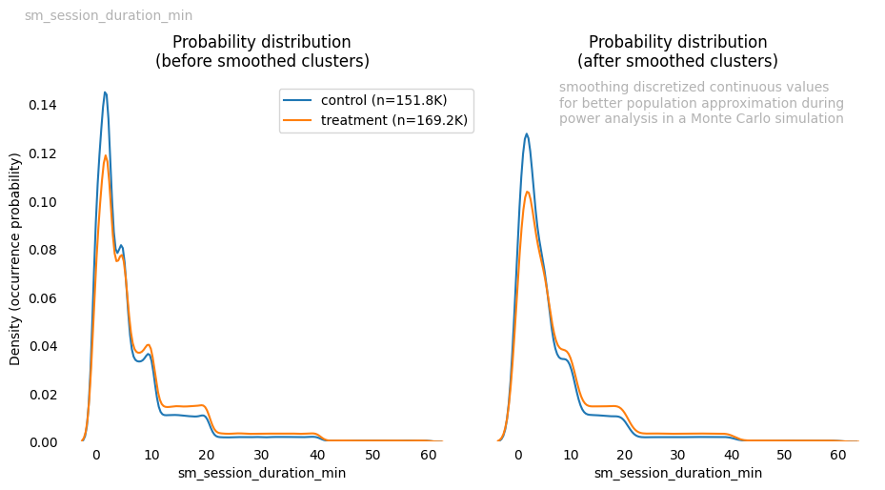
BINARY VARIABLES

Statistic | Description
test_used | Z-test for proportions
test_purpose | Tests difference in proportions
effect_used | Cohen's h
prop | Successes proportion of control and treatment groups
rel_impr | Relative improvement
abs_impr | Absolute improvement
pval | Test p-value
effect | Cohen's h effect size (magnitude of proportions difference)
ci_diff | 95% CI for the proportions difference
power | Test power for the two-sample z-test
mde_gap | Gap between MDE and observed effect size

Metric | pm_apply_click_conversion
prop | [c_0.085, t_0.124]
rel_impr | 46.7%
abs_impr | 4.0%
pval | 0.000
effect | 0.13 (small)
ci_diff | [0.037, 0.042]
power | 1.00
mde_gap | 0.0%

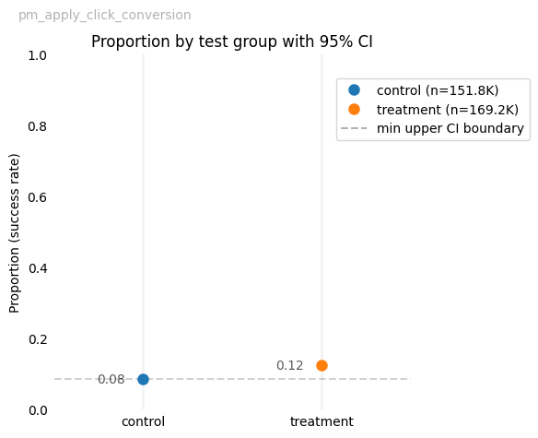

Metric | sm_email_signup
prop | [c_0.125, t_0.182]
rel_impr | 44.8%
abs_impr | 5.6%
pval | 0.000
effect | 0.16 (small)
ci_diff | [0.054, 0.059]
power | 1.00
mde_gap | 0.0%

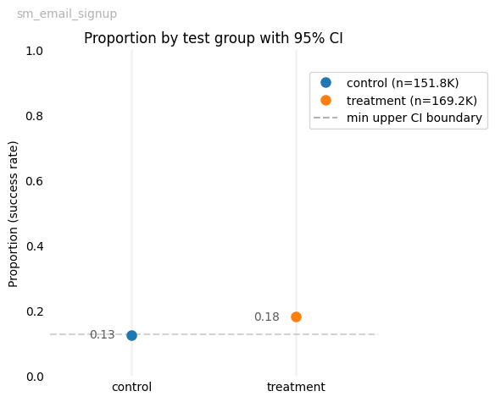

Metric | sm_create_cv
prop | [c_0.064, t_0.082]
rel_impr | 27.2%
abs_impr | 1.8%
pval | 0.000
effect | 0.07 (small)
ci_diff | [0.016, 0.019]
power | 1.00
mde_gap | 0.0%

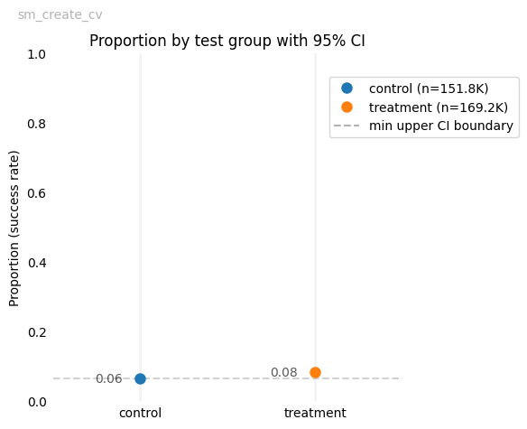

Metric | sm_return_visit_7d
prop | [c_0.204, t_0.271]
rel_impr | 32.9%
abs_impr | 6.7%
pval | 0.000
effect | 0.16 (small)
ci_diff | [0.064, 0.070]
power | 1.00
mde_gap | 0.0%

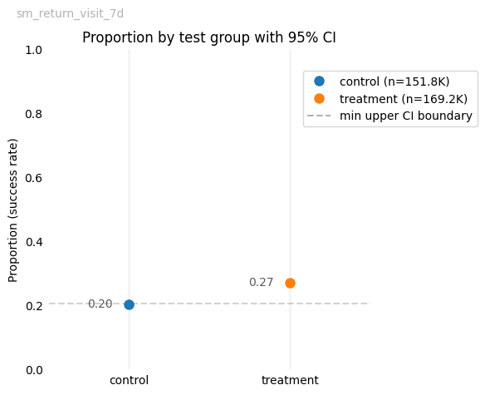

ZERO_INFLATED VARIABLES

Statistic | Zeros Description | Non-zeros Description
prop | Total proportion of categories respectively
categs | Categories being compared
mde_gap | Gap between MDE and observed effect size (both Cohen's w)
effect_used | Cramer's V, Cohen's w (for power analysis) | Cliff's Delta
test_used | Chi-squared test | Brunner-Munzel test
pval | Test p-value | Test p-value
power | Test power for the two-sample chi-squared test | Monte Carlo-based test power estimate
effect | Cramer's V effect size (association strength) | Cliff's Delta effect size (magnitude of group dominance)
test_purpose | Tests association between categories | Tests dominance between groups

Metric | sm_jobs_applied_count (zeros) | sm_jobs_applied_count (non-zeros)
prop | 1.1%, 98.9%
categs | Non-zero value, Zero value
mde_gap | 0.0%
pval | 0.000 | 0.000
power | 1.00 | 1.00
effect | 0.03 (negligible) | 0.15 (t over c)

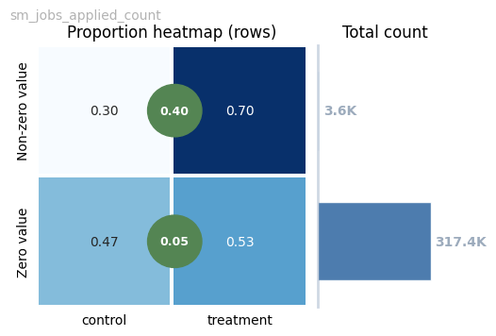
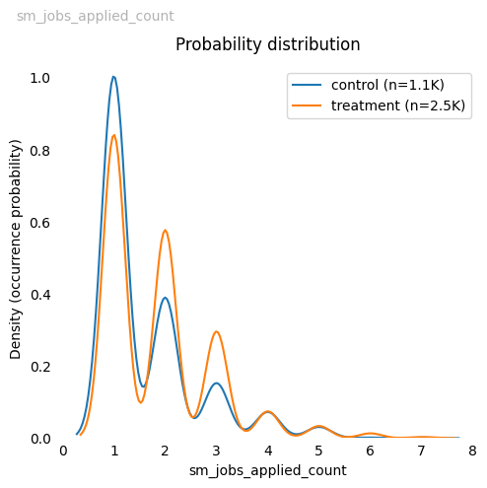

Metric | sm_job_saves_count (zeros) | sm_job_saves_count (non-zeros)
prop | 35.8%, 64.2%
categs | Non-zero value, Zero value
mde_gap | 0.0%
pval | 0.000 | 0.000
power | 1.00 | 1.00
effect | 0.05 (negligible) | 0.06 (t over c)

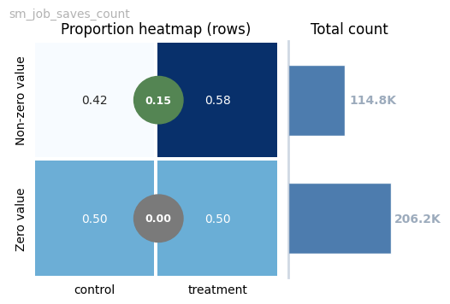
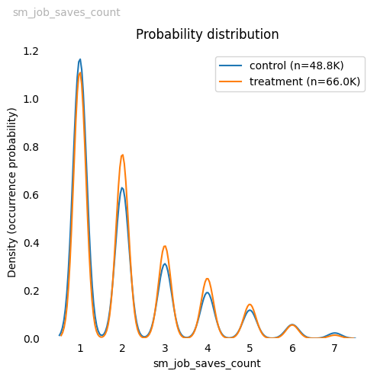

NON_TO_LOW_ZERO_INFLATED VARIABLES

Statistic | Description
test_used | Brunner-Munzel test
test_purpose | Tests dominance between groups
effect_used | Cliff's Delta
pval | Test p-value
effect | Cliff's Delta effect size (magnitude of group dominance)
power | Monte Carlo-based test power estimate

Metric | sm_session_duration_min
pval | 0.000
effect | 0.12 (t over c)
power | 1.00

