Tasks
A task should be done by only 1-2 students. Duplicate tasks are not recommended Each member should work on at least 5 tasks

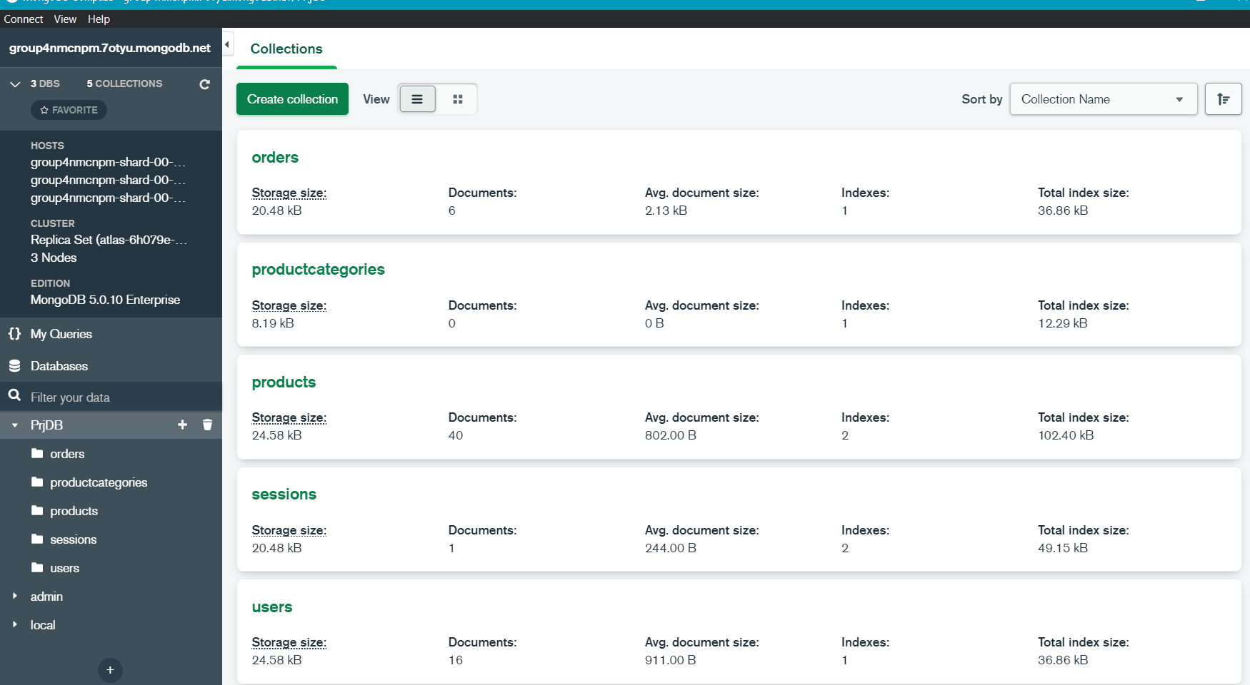
No | Student ID | Full name | Task Description | Hours | Evidence (screenshots of chat messages, of Git commits... proving that you perform and finish the task)
1 | 20127347 | Nguyễn Đình Thuận | add item to cart | 1
2 | 20127347 | Nguyễn Đình Thuận | load products from database | 1
3 | 20127347 | Nguyễn Đình Thuận | load product detail from database | 2
4 | 20127347 | Nguyễn Đình Thuận | filter | 1
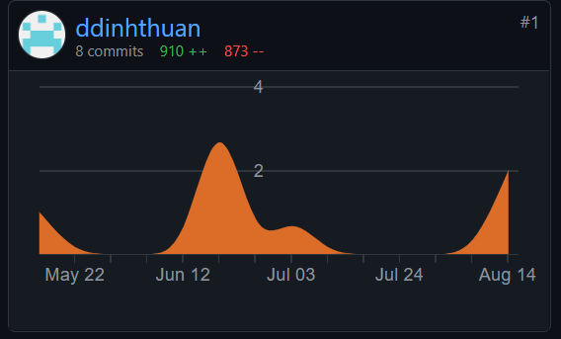
5 | 20127347 | Nguyễn Đình Thuận | remove item from cart | 2
6 | 20127347 | Nguyễn Đình Thuận | delete all item in cart | 1
7 | 20127347 | Nguyễn Đình Thuận | admin(add category) | 4
8 | 20127347 | Nguyễn Đình Thuận | seller(add product) | 4
9 | 20127347 | Nguyễn Đình Thuận | manage database | 4
10 | 20127347 | Nguyễn Đình Thuận | design database | 10
11 | 20127348 | Nguyễn Minh Thuận | Login (backend) | 4
12 | 20127348 | Nguyễn Minh Thuận | Register (backend) | 4
13 | 20127348 | Nguyễn Minh Thuận | Search products (backend) | 3
14 | 20127348 | Nguyễn Minh Thuận | post a comment into a product | 2
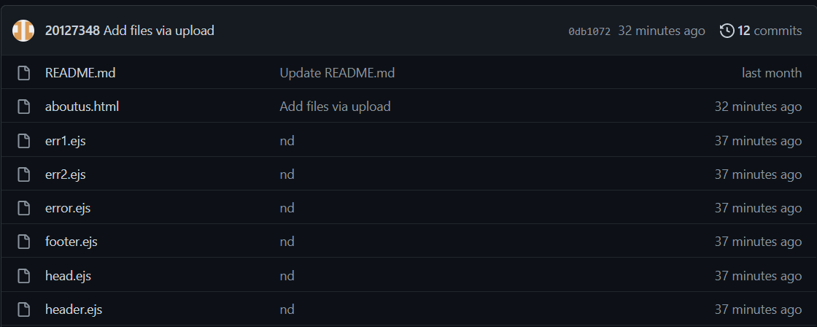
15 | 20127348 | Nguyễn Minh Thuận | Rating product | 2
16 | 20127348 | Nguyễn Minh Thuận | Header page | 1
17 | 20127348 | Nguyễn Minh Thuận | Footer page | 1
18 | 20127348 | Nguyễn Minh Thuận | Error pages | 2
19 | 20127348 | Nguyễn Minh Thuận | About us page | 2 | 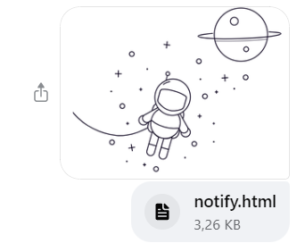
20 | 20127348 | Nguyễn Minh Thuận | Re Css pages | 12 | 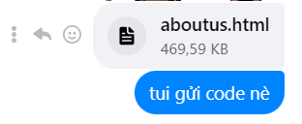 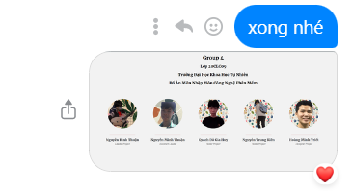
21 | 20127401 | Quách Đỗ Gia Huy | account page | 3
22 | 20127401 | Quách Đỗ Gia Huy | add category page | 4
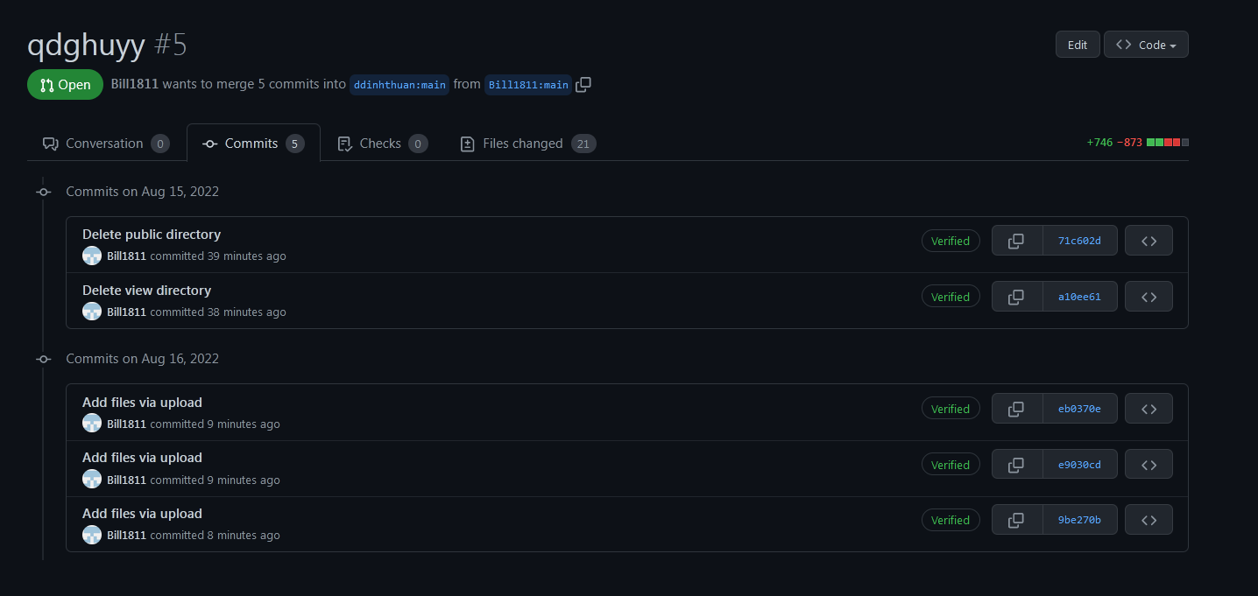
23 | 20127401 | Quách Đỗ Gia Huy | add product page | 4
24 | 20127401 | Quách Đỗ Gia Huy | register page | 3
25 | 20127401 | Quách Đỗ Gia Huy | login page | 3
26 | 20127401 | Quách Đỗ Gia Huy | shop router | 2
27 | 20127401 | Quách Đỗ Gia Huy | auth router | 2
28 | 20127401 | Quách Đỗ Gia Huy | create mongodb cluster | 2
29 | 20127401 | Quách Đỗ Gia Huy | find some product and add to database | 3
30 | 20127401 | Quách Đỗ Gia Huy | write test report | 5
31 | 20127217 | Nguyễn Trung Kiên | view cart | 3
32 | 20127217 | Nguyễn Trung Kiên | change item number | 4 | 
33 | 20127217 | Nguyễn Trung Kiên | payment | 4
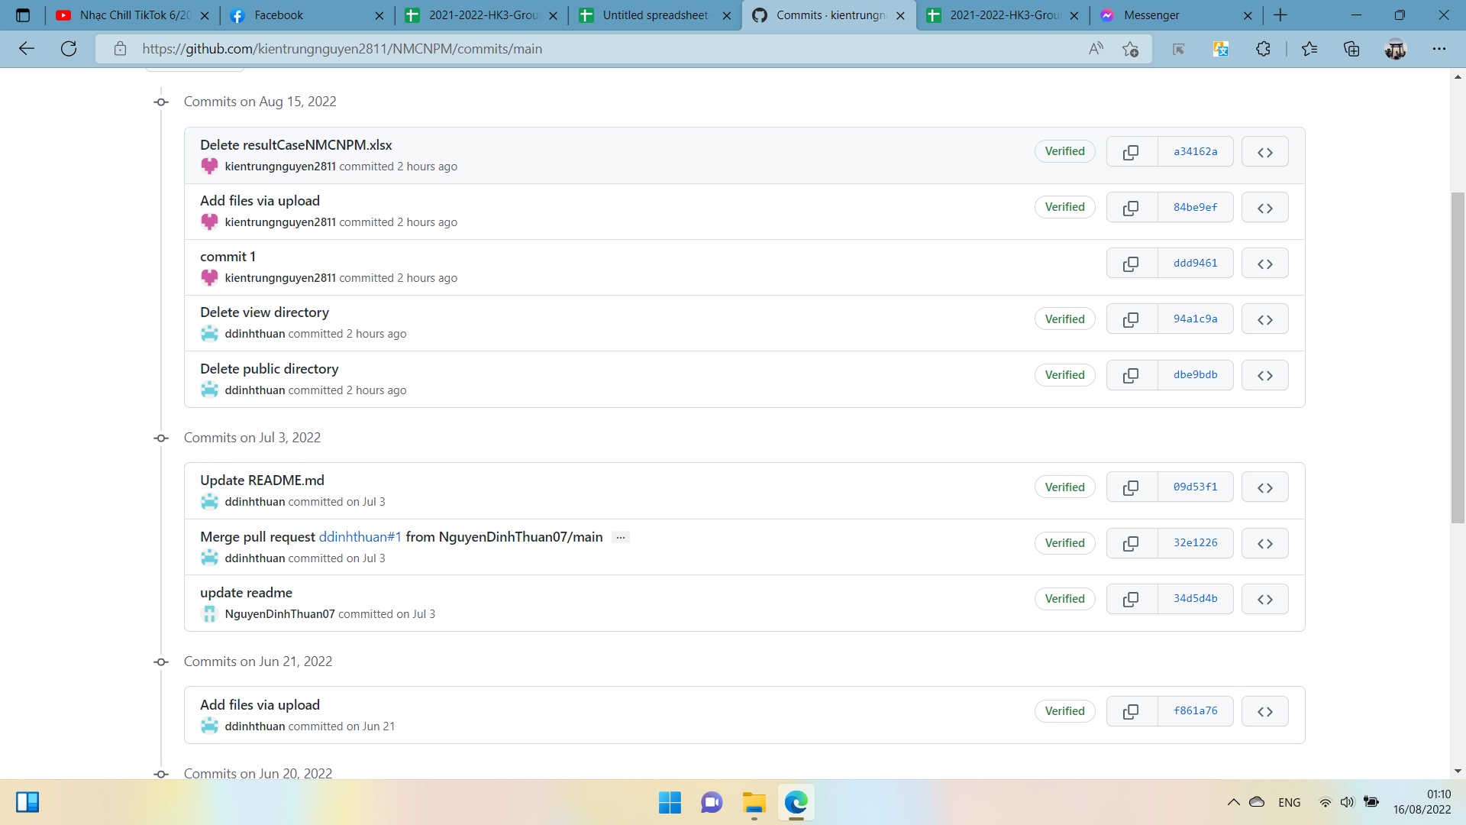
34 | 20127217 | Nguyễn Trung Kiên | change account info | 2
35 | 20127217 | Nguyễn Trung Kiên | change password | 2
36 | 20127217 | Nguyễn Trung Kiên | search result | 3
37 | 20127217 | Nguyễn Trung Kiên | cart page | 5
38 | 20127217 | Nguyễn Trung Kiên | payment page | 5
39 | 20127217 | Nguyễn Trung Kiên | write testcase | 2
40 | 20127217 | Nguyễn Trung Kiên | test all function | 3
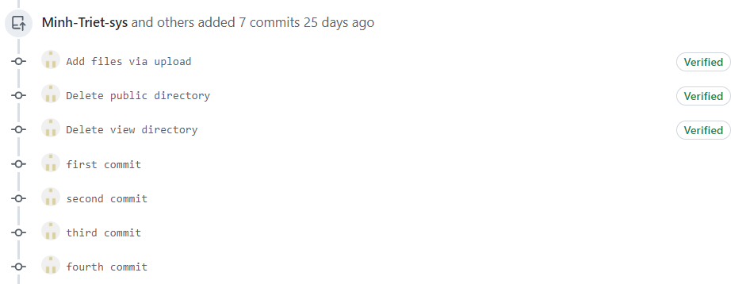
41 | 20127652 | Hoàng Minh Triết | Main page | 2022-02-03
42 | 20127652 | Hoàng Minh Triết | Product detail page | 3
43 | 20127652 | Hoàng Minh Triết | Change account info | 2
44 | 20127652 | Hoàng Minh Triết | Order page | 2
45 | 20127652 | Hoàng Minh Triết | Shipping info page | 2
46 | 20127652 | Hoàng Minh Triết | Change password page | 2
47 | 20127652 | Hoàng Minh Triết | Forgot password page | 2
48 | 20127652 | Hoàng Minh Triết | List product page | 2
49 | 20127652 | Hoàng Minh Triết | Verify email page | 2
50 | 20127652 | Hoàng Minh Triết | Loader | 1
51 | 20127652 | Hoàng Minh Triết | page header | 1
52
53
54
55
56
57
58
59
60
61
62
63
64
65
66
67
68
69
70
71
72
73
74
75
76
77
78
79
80
81
82
83
84
85
86
87
88
89
90
91
92
93
94
95
96
97
98
99
100

