main
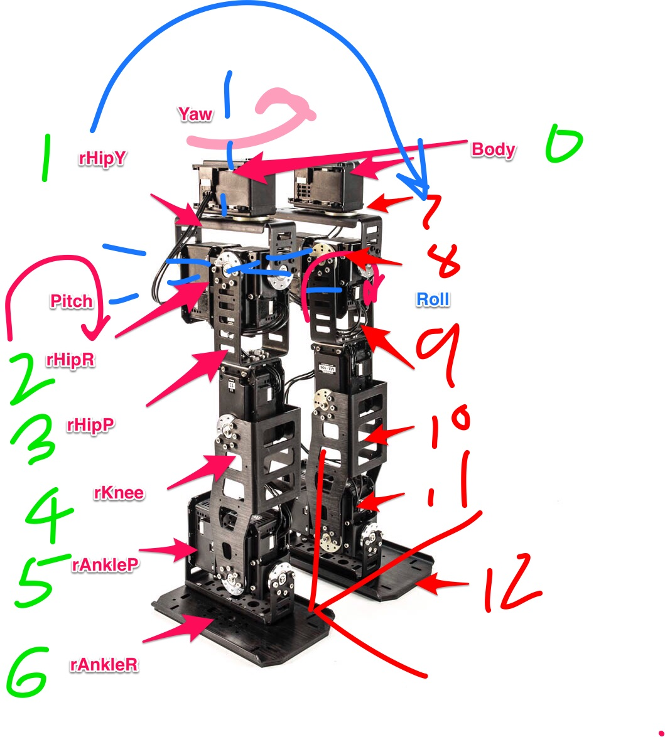
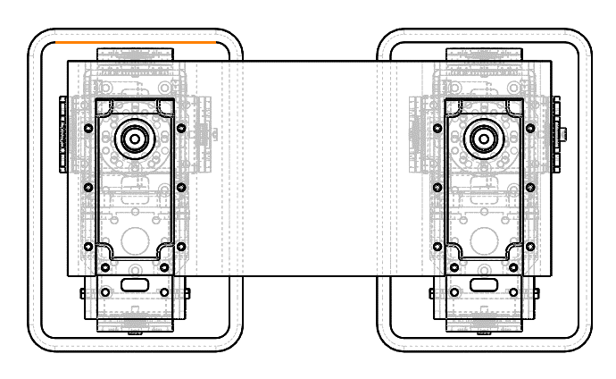

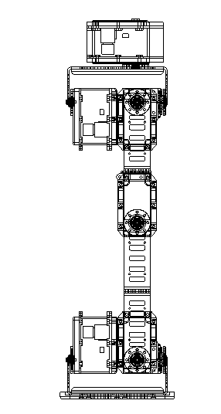
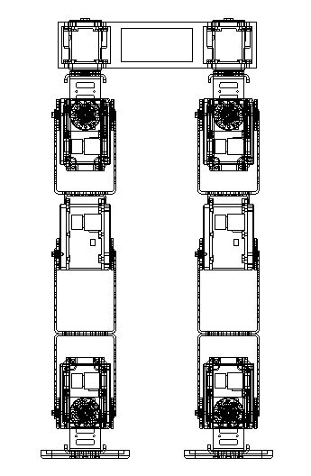

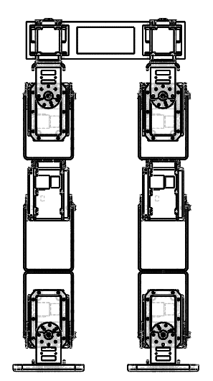
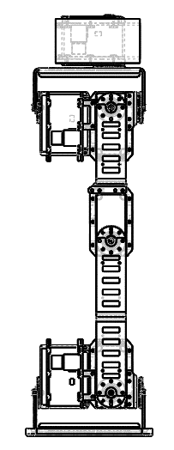

torso
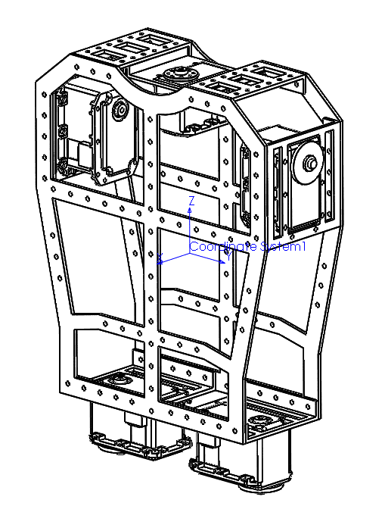
robot configuration
torso
Paramter | Code name | Value | Vector x(mm) | Vector y(mm) | Vector z(mm) | Matrix
Self ID | N/A | 0
Sister ID | sister | inf
Child ID | child | 1
Parent ID | mother | inf
Position in World Coordinates | p |  | 0 | 0 | 311.5mm
Attitude in World Coordinates | R |  |  |  |  | E
Linear Velocity in World Coordinates | v |  | 0 | 0 | 0
Angular Velocity in World Coordinates | w |  | 0 | 0 | 0
Joint Angle | q | N/A
Joint Velocity | dq | N/A
Joint Acceleration | ddq | N/A
Joint Axis Vector(Parent Frame) | a | N/A
Joint Relative Position(Parent Frame) | b | N/A
Shape(Vertex Information, Link Local)
Shape(Vertice Information(Point Connections))
Mass | m | 891.54
Center of Mass | c |  | -0.35 | 0 | 0
Moment of Inertia | I |  |  |  |  | Ixx = 11460642.48 | Ixy = -0.03 | Ixz = -31682.31
 |  |  |  |  |  | Iyx = -0.03 | Iyy = 8235005.21 | Iyz = -0.01
 |  |  |  |  |  | Izx = -31682.31 | Izy = -0.01 | Izz = 3978238.73

Link0
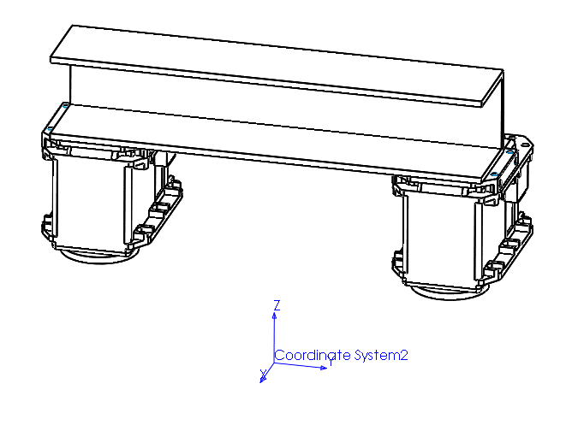
robot configuration
robot body
Paramter | Code name | Value | Vector x(mm) | Vector y(mm) | Vector z(mm) | Matrix
Self ID | N/A | 0
Sister ID | sister | inf
Child ID | child | 1
Parent ID | mother | inf
Position in World Coordinates | p |  | 0 | 0 | 311.5mm
Attitude in World Coordinates | R |  |  |  |  | E
Linear Velocity in World Coordinates | v |  | 0 | 0 | 0
Angular Velocity in World Coordinates | w |  | 0 | 0 | 0
Joint Angle | q | N/A
Joint Velocity | dq | N/A
Joint Acceleration | ddq | N/A
Joint Axis Vector(Parent Frame) | a | N/A
Joint Relative Position(Parent Frame) | b | N/A
Shape(Vertex Information, Link Local)
Shape(Vertice Information(Point Connections))
Mass | m | 351.92
Center of Mass | c |  | -12.96 | 0 | 70.6
Moment of Inertia | I |  |  |  |  | Ixx = 3237824.89 | Ixy = 0.00 | Ixz = -299854.02
 |  |  |  |  |  | Iyx = 0.00 | Iyy = 2051023.87 | Iyz = 0.01
 |  |  |  |  |  | Izx = -299854.02 | Izy = 0.01 | Izz = 1469628.21

Link1
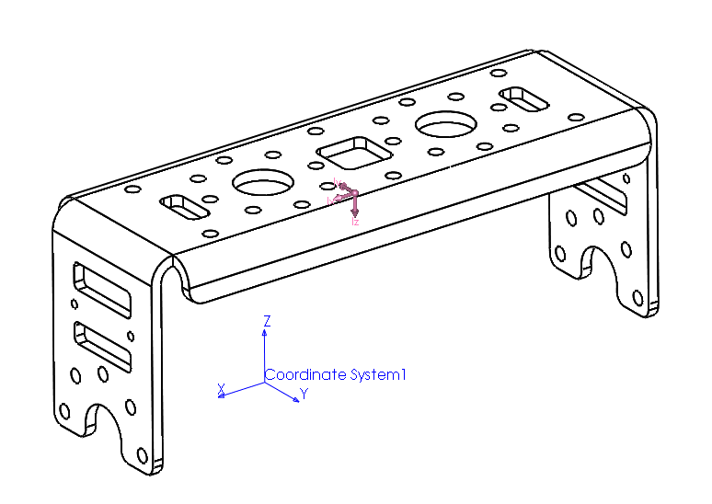
robot configuration
Hip_Yaw
Paramter | Code name | Value | Vector x(mm) | Vector y(mm) | Vector z(mm) | Matrix |  |  | Comment
Self ID | N/A | 1
Sister ID | sister | 7
Child ID | child | 2
Parent ID | mother | 0
Position in World Coordinates | p |  | -0.5 | -65 | 311.5
Attitude in World Coordinates | R |  |  |  |  | E
Linear Velocity in World Coordinates | v |  | 0 | 0 | 0
Angular Velocity in World Coordinates | w |  | 0 | 0 | 0
Joint Angle | q |  | 0
Joint Velocity | dq |  | 0
Joint Acceleration | ddq |  | 0
Joint Axis Vector(Parent Frame) | a |  | 0 | 0 | 1 |  |  |  | inward rotation is positive
Joint Relative Position(Parent Frame) | b |  | -0.5 | -65 | 0
Shape(Vertex Information, Link Local)
Shape(Vertice Information(Point Connections))
Mass | m | 31.03
Center of Mass(Local Frame) | c |  | -19 | 0 | 29.68
Moment of Inertia(Local Frame) | I |  |  |  |  | Ixx = 34809.18 | Ixy = 0.00 | Ixz = -17501.73
 |  |  |  |  |  | Iyx = 0.00 | Iyy = 84282.05 | Iyz = 0.00
 |  |  |  |  |  | Izx = -17501.73 | Izy = 0.00 | Izz = 57997.15

Link2
robot configuration
Hip_Roll
Paramter | Code name | Value | Vector x(mm) | Vector y(mm) | Vector z(mm) | Matrix |  |  | Comment
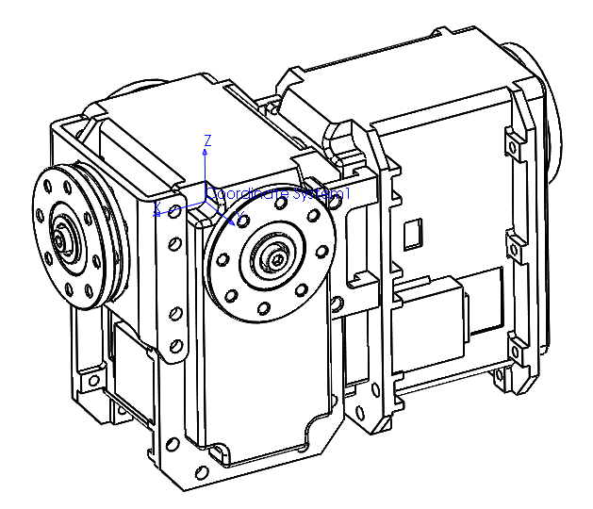
Self ID | N/A | 2
Sister ID | sister | inf
Child ID | child | 3
Parent ID | mother | 1
Position in World Coordinates | p |  | 0 | -65 | 311.5
Attitude in World Coordinates | R |  |  |  |  | E
Linear Velocity in World Coordinates | v |  | 0 | 0 | 0
Angular Velocity in World Coordinates | w |  | 0 | 0 | 0
Joint Angle | q |  | 0
Joint Velocity | dq |  | 0
Joint Acceleration | ddq |  | 0
Joint Axis Vector(Parent Frame) | a |  | -1 | 0 | 0 |  |  |  | outward rotation is positive
Joint Relative Position(Parent Frame) | b |  | 0.5 | 0 | 0
Shape(Vertex Information, Link Local)
Shape(Vertice Information(Point Connections))
Mass | m | 328.31
Center of Mass(Local Frame) | c |  | -19.82 | 0.12 | -14.75
Moment of Inertia(Local Frame) | I |  |  |  |  | Ixx = 213831.90 | Ixy = 24.43 | Ixz = 105389.10
 |  |  |  |  |  | Iyx = 24.43 | Iyy = 521141.43 | Iyz = -765.98
 |  |  |  |  |  | Izx = 105389.10 | Izy = -765.98 | Izz = 400010.41

Link3
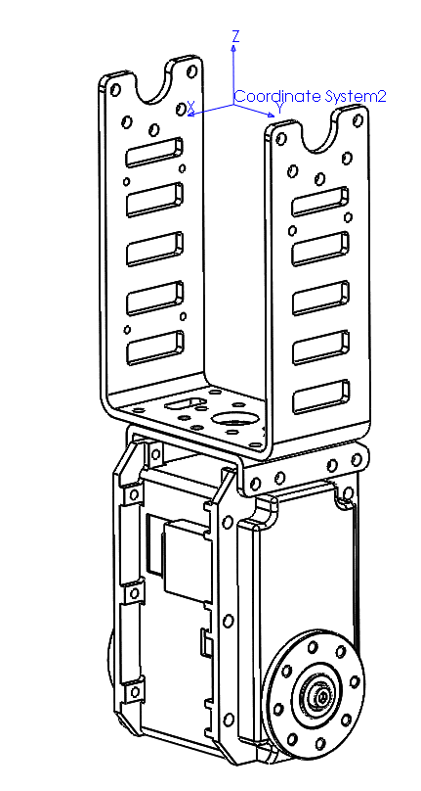
robot configuration
Hip_Roll
Paramter | Code name | Value | Vector x(mm) | Vector y(mm) | Vector z(mm) | Matrix |  |  | Comment
Self ID | N/A | 3
Sister ID | sister | inf
Child ID | child | 4
Parent ID | mother | 2
Position in World Coordinates | p |  | 0 | -65 | 311.5
Attitude in World Coordinates | R |  |  |  |  | E
Linear Velocity in World Coordinates | v |  | 0 | 0 | 0
Angular Velocity in World Coordinates | w |  | 0 | 0 | 0
Joint Angle | q |  | 0
Joint Velocity | dq |  | 0
Joint Acceleration | ddq |  | 0
Joint Axis Vector(Parent Frame) | a |  | 0 | -1 | 0 |  |  |  | forward rotation is positive
Joint Relative Position(Parent Frame) | b |  | 0 | 0 | 0
Shape(Vertex Information, Link Local)
Shape(Vertice Information(Point Connections))
Mass | m | 188.4
Center of Mass(Local Frame) | c |  | -0.05 | 0.22 | -101.5
Moment of Inertia(Local Frame) | I |  |  |  |  | Ixx = 2143574.54 | Ixy = -3.83 | Ixz = 711.60
 |  |  |  |  |  | Iyx = -3.83 | Iyy = 2112714.44 | Iyz = -4497.06
 |  |  |  |  |  | Izx = 711.60 | Izy = -4497.06 | Izz = 61625.62

Link4
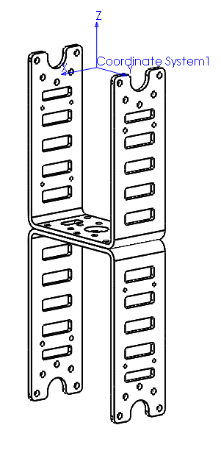
robot configuration
Knee
Paramter | Code name | Value | Vector x(mm) | Vector y(mm) | Vector z(mm) | Matrix |  |  | Comment
Self ID | N/A | 4
Sister ID | sister | inf
Child ID | child | 5
Parent ID | mother | 3
Position in World Coordinates | p |  | 0 | -65 | 185
Attitude in World Coordinates | R |  |  |  |  | E
Linear Velocity in World Coordinates | v |  | 0 | 0 | 0
Angular Velocity in World Coordinates | w |  | 0 | 0 | 0
Joint Angle | q |  | 0
Joint Velocity | dq |  | 0
Joint Acceleration | ddq |  | 0
Joint Axis Vector(Parent Frame) | a |  | 0 | -1 | 0 |  |  |  | forward rotation is positive
Joint Relative Position(Parent Frame) | b |  | 0 | 0 | -126.5
Shape(Vertex Information, Link Local)
Shape(Vertice Information(Point Connections))
Mass | m | 47.12
Center of Mass(Local Frame) | c |  | 0 | 0 | -72
Moment of Inertia(Local Frame) | I |  |  |  |  | Ixx = 335022.64 | Ixy = 0.00 | Ixz = 0.00
 |  |  |  |  |  | Iyx = 0.00 | Iyy = 310771.45 | Iyz = -15.84
 |  |  |  |  |  | Izx = 0.00 | Izy = -15.84 | Izz = 31489.64

Link5
robot configuration
Ankle_Pitch
Paramter | Code name | Value | Vector x(mm) | Vector y(mm) | Vector z(mm) | Matrix |  |  | Comment
Self ID | N/A | 5
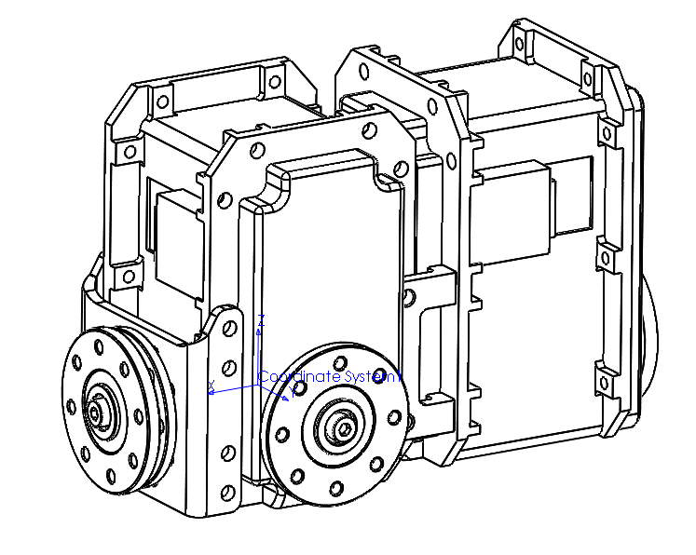
Sister ID | sister | inf
Child ID | child | 6
Parent ID | mother | 4
Position in World Coordinates | p |  | 0 | -65 | 41
Attitude in World Coordinates | R |  |  |  |  | E
Linear Velocity in World Coordinates | v |  | 0 | 0 | 0
Angular Velocity in World Coordinates | w |  | 0 | 0 | 0
Joint Angle | q |  | 0
Joint Velocity | dq |  | 0
Joint Acceleration | ddq |  | 0
Joint Axis Vector(Parent Frame) | a |  | 0 | -1 | 0 |  |  |  | forward rotation is positive
Joint Relative Position(Parent Frame) | b |  | 0 | 0 | -144
Shape(Vertex Information, Link Local)
Shape(Vertice Information(Point Connections))
Mass | m | 328.12
Center of Mass(Local Frame) | c |  | -19.85 | 0.13 | 14.76
Moment of Inertia(Local Frame) | I |  |  |  |  | Ixx = 213831.76 | Ixy = -24.43 | Ixz = -105400.76
 |  |  |  |  |  | Iyx = -24.43 | Iyy = 521030.11 | Iyz = 778.15
 |  |  |  |  |  | Izx = -105400.76 | Izy = 778.15 | Izz = 399899.08

Link6
robot configuration
Ankle_Roll
Paramter | Code name | Value | Vector x(mm) | Vector y(mm) | Vector z(mm) | Matrix |  |  | Comment
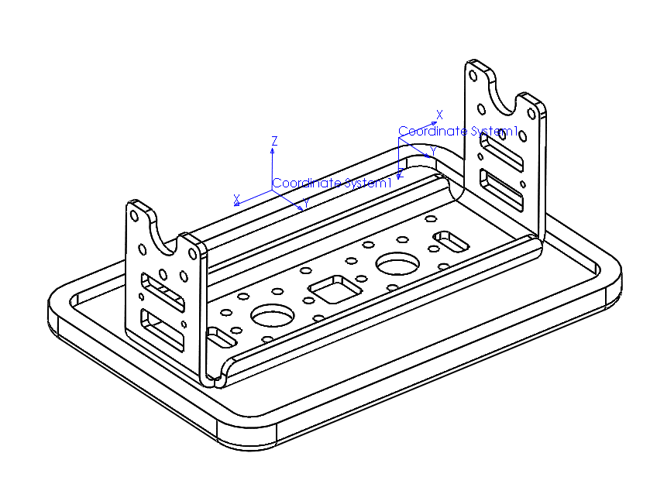
Self ID | N/A | 6
Sister ID | sister | inf
Child ID | child | inf
Parent ID | mother | 5
Position in World Coordinates | p |  | 0 | -65 | 41
Attitude in World Coordinates | R |  |  |  |  | E
Linear Velocity in World Coordinates | v |  | 0 | 0 | 0
Angular Velocity in World Coordinates | w |  | 0 | 0 | 0
Joint Angle | q |  | 0
Joint Velocity | dq |  | 0
Joint Acceleration | ddq |  | 0
Joint Axis Vector(Parent Frame) | a |  | 1 | 0 | 0 |  |  |  | inward rotation is positive
Joint Relative Position(Parent Frame) | b |  | 0 | 0 | 0
Shape(Vertex Information, Link Local)
Shape(Vertice Information(Point Connections))
Mass | m | 86.03
Center of Mass(Local Frame) | c |  | -19.51 | 0 | -35.34
Moment of Inertia(Local Frame) | I |  |  |  |  | Ixx = 149606.29 | Ixy = 11.77 | Ixz = 59301.21
 |  |  |  |  |  | Iyx = 11.77 | Iyy = 258640.73 | Iyz = 0.00
 |  |  |  |  |  | Izx = 59301.21 | Izy = 0.00 | Izz = 183593.61

Link11
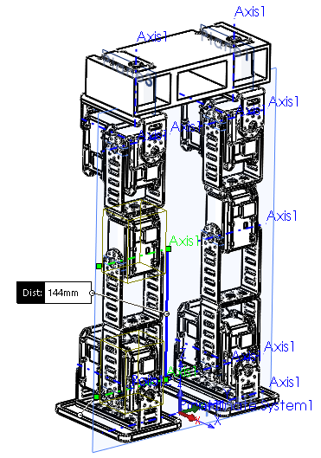
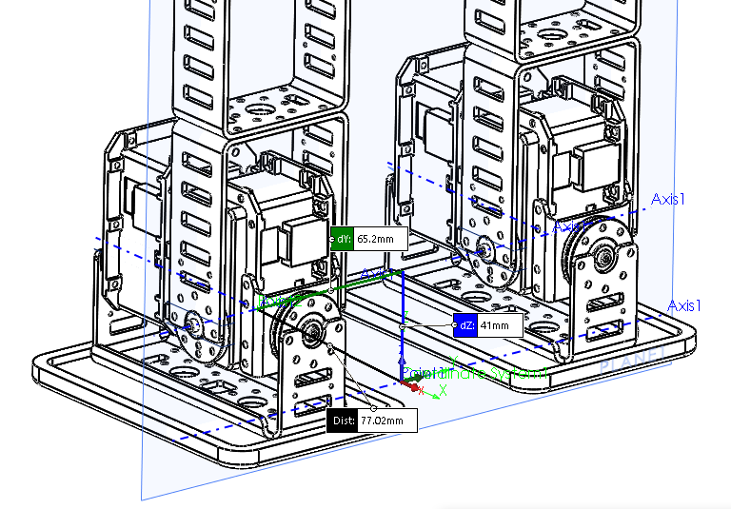
robot configuration
Ankle_Pitch
Paramter | Code name | Value | Vector x(mm) | Vector y(mm) | Vector z(mm) | Matrix |  |  | Comment
Self ID | N/A | 11
Sister ID | sister | inf
Child ID | child | 12
Parent ID | mother | 10
Position in World Coordinates | p |  | 0 | 65 | 41
Attitude in World Coordinates | R |  |  |  |  | E
Linear Velocity in World Coordinates | v |  | 0 | 0 | 0
Angular Velocity in World Coordinates | w |  | 0 | 0 | 0
Joint Angle | q |  | 0
Joint Velocity | dq |  | 0
Joint Acceleration | ddq |  | 0
Joint Axis Vector(Parent Frame) | a |  | 0 | -1 | 0 |  |  |  | forward rotation is positive
Joint Relative Position(Parent Frame) | b |  | 0 | 0 | -144
Shape(Vertex Information, Link Local)
Shape(Vertice Information(Point Connections))
Mass | m | 328.12
Center of Mass(Local Frame) | c |  | -19.85 | 0.13 | 14.76
Moment of Inertia(Local Frame) | I |  |  |  |  | Ixx = 213831.76 | Ixy = -24.43 | Ixz = -105400.76
 |  |  |  |  |  | Iyx = -24.43 | Iyy = 521030.11 | Iyz = 778.15
 |  |  |  |  |  | Izx = -105400.76 | Izy = 778.15 | Izz = 399899.08

