Table 17
Table 66. Register Name: config35 – Address: 0x23, Default: 0xFFFF
Register Name | Addr (Hex) | Bit | Name | Function | Default Value | 0x01FF
config35 | 0x23 | 15:0 | sleep_cntl | This controls the routing of the SLEEP pin signal to different blocks. Assertion means that the SLEEP signal will be sent to the block. These bits do not override the SIF bits, just the SLEEP signal from the pin. When asserted, bit15 through bit9 = Not used bit8 = Allows the Band gap over R to sleep (BUG… in this PG it is hooked to bit7) bit7 = Allows the Bias OP Amp to sleep bit6 = Allows the TEMP Sensor to sleep bit5 = Allows the PLL to sleep bit4 = Allows the CLK_RECV to sleep bit3 = Allows DACD to sleep bit2 = Allows DACC to sleep bit1 = Allows DACB to sleep bit0 = Allows DACA to sleep | 0xFFFF | 0x01FF
Table 67. Register Name: config36 – Address: 0x24, Default: 0x0000
Register Name | Addr (Hex) | Bit | Name | Function | Default Value | 0x0020
config36 | 0x24 | 15:13 | reserved | Reserved | 000 | 000
 |  | 12:7 | reserved | Reserved | 000000 | 000000
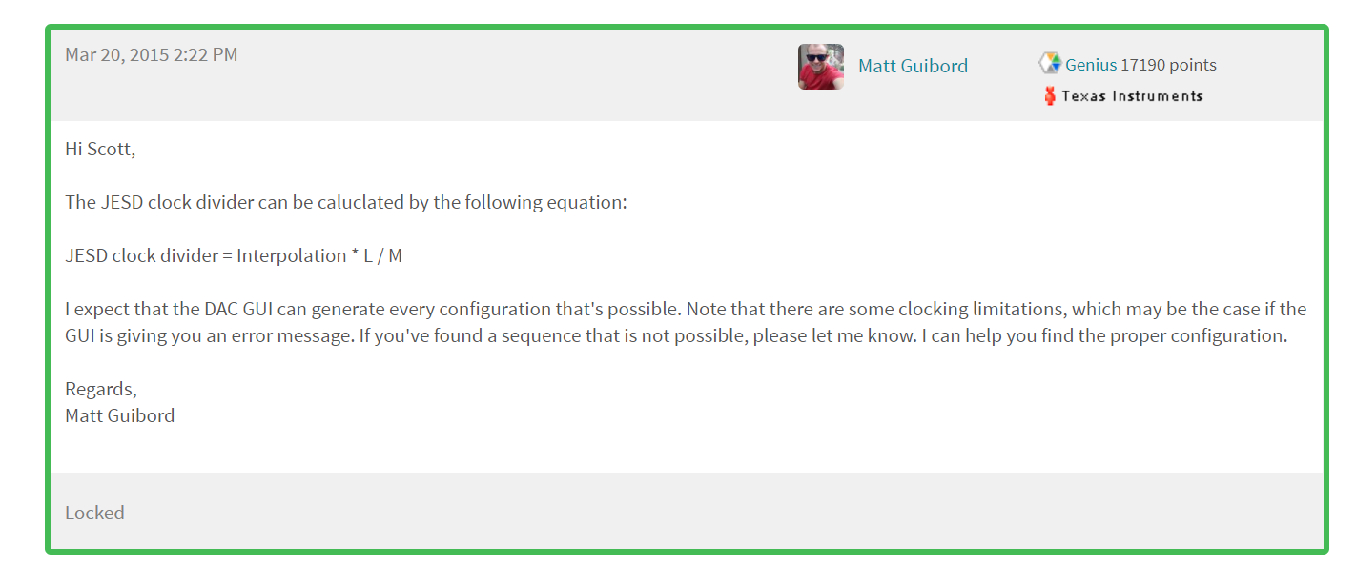
 |  | 6:4 | cdrvser_ sysref_mode | Determines how SYSREF is used to sync the clock dividers in the device. 000 = Don’t use SYSREF pulse 001 = Use all SYSREF pulses 010 = Use only the next SYSREF pulse 011 = Skip one SYSREF pulse then use only the next one 100 = Skip one SYSREF pulse then use all pulses. | 000 | 010
 |  | 3:2 | reserved | Reserved | 00 | 00
 |  | 1:0 | reserved | Reserved | 00 | 00
Table 68. Register Name: config37 – Address: 0x25, Default: 0x8000
Register Name | Addr (Hex) | Bit | Name | Function | Default Value | 0x6000
config37 | 0x25 | 15:13 | clkjesd_ div | This controls the amount of dividing down the DACCLK gets to generate the JESD clock. It is independent of the interpolation because of the different JESD interfaces. “000” : DACCLK “001” : div2 “010” : div4 “011” : div8 “100” : div16 “101” : div32 “110” : always 1 “111” : always 0 | 100 | 011 | 4*4/2=8
 |  | 12:10 | reserved | Reserved | 000 | 000
 |  | 9:7 | reserved | Reserved | 000 | 000
 |  | 6:4 | reserved | Reserved | 000 | 000
 |  | 3:1 | reserved | Reserved | 000 | 000
 |  | 0 | reserved | Reserved | 0 | 0

Table 22
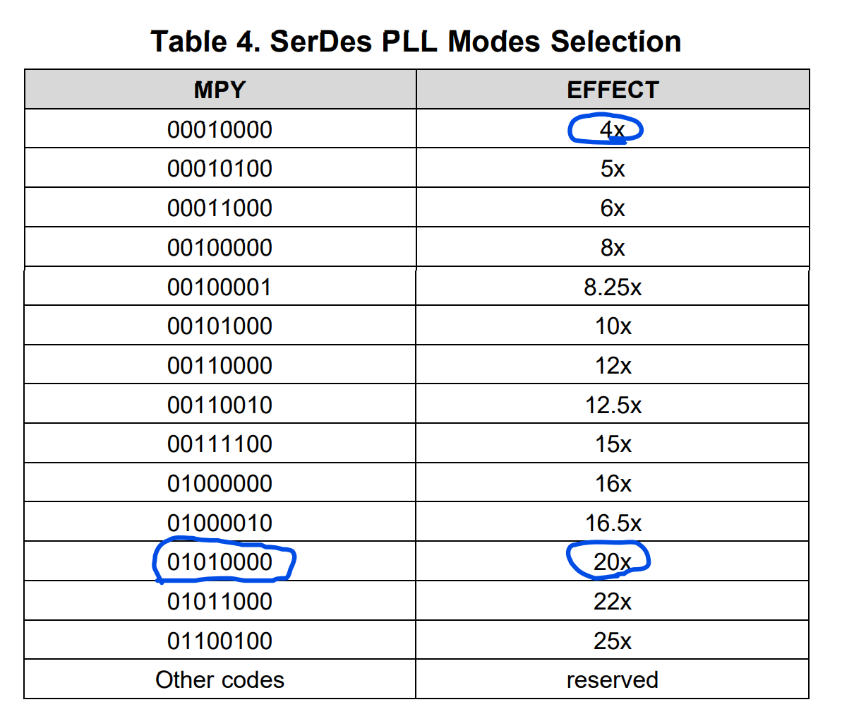
Table 90. Register Name: config59 – Address: 0x3B, Default: 0x0000
Register Name | Addr (Hex) |  | Bit |  |  | Name |  |  | Function |  | Default Value |  | 0xA000
config59 | 0x3B |  | 15 |  |  | serdes_ clk_sel |  |  | Select either the DAC PLL output or the DACCLK from the pins to be the SerDes PLL reference divider input clock. |  | 0 |  | 1 | 0 For External In |  | 1 For DAC PLL Out
 |  |  | 14:11 |  |  | serdes_ refclk_div |  |  | The divide amount for the serdes PLL reference clock divider. The divider amount is serdes_refclk_div plus one. |  | 0x0 |  | 0x4 | /5
 |  |  | 10:2 |  |  | reserved |  |  | Reserved |  | 000000000 |  | 000000000
 |  |  | 1:0 |  |  | reserved |  |  | Reserved |  | 00 |  | 00
Table 91. Register Name: config60 – Address: 0x3C, Default: 0x0000
Register Name | Addr (Hex) | Bit |  |  | Name |  |  | Function |  |  |  | Default Value | 0x1220
config60 | 0x3C | 15 |  |  | ENDIVCLK |  |  | enables output of a divide-by-5 of PLL clock. |  |  |  | 0 | 0
 |  | 14:13 |  |  | reserved |  |  | reserved |  |  |  | 00 | 00
 |  | 12:11 |  |  | LB |  |  | specify loop bandwidth settings. |  |  |  | 00 | 10
 |  | 10 |  |  | SLEEPPLL |  |  | puts the PLL into sleep state when high. |  |  |  | 0 | 0
 |  | 9 |  |  | VRANGE |  |  | select between high and low VCO. |  |  |  | 0 | 1
 |  | 8:1 |  |  | MPY |  |  | select PLL multiply factor between 4 and 25. |  |  |  | 0000000 | 00010000 | x4
 |  | 0 |  |  | reserved |  |  | reserved. |  |  |  | 0 | 0 |  | rw_cfgpll | Control the PLL of the SerDes. Bit15 – ENDIVCLK, enables output of a divide-by-5 of PLL clock. Bit14:13 – reserved. Bit12:11 – LB, specify loop bandwidth settings. Bit10 – SLEEPPLL, puts the PLL into sleep state when high. Bit9 – VRANGE, select between high and low VCO. Bit8:1 – MPY, select PLL multiply factor between 4 and 25. Bit0 – reserved.
Table 92. Register Name: config61 – Address: 0x3D, Default: 0x0000
Register Name | Addr (Hex) | Bit |  | Name |  |  | Function |  |  | Default Value |  |  | 0x0088
config61 | 0x3D | 15 |  | reserved |  |  | Reserved |  |  | 0 |  |  | 0
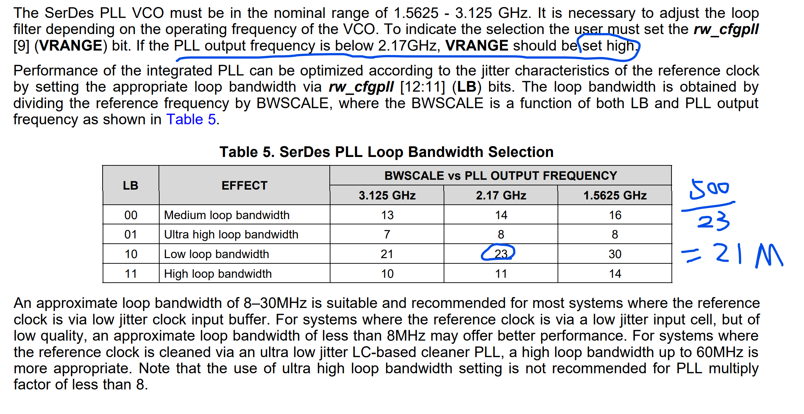
 |  | 14:0 |  | rw_cfgrx0 |  |  | Upper 15 bits of the configuration info for SerDes receivers. Bit14:1 – TESTPATT, Enables and selects verification of one of three 2 PRBS patterns, a user defined pattern or a clock test pattern. Bit11 – reserved Bit10 – reserved Bit9:8 – reserved Bit7 – ENOC, enable samplers offset compensation. Bit6 – EQHLD, hold the equalizer in its current status. Bit5:3 – EQ, enable and configure the equalizer to compensate the loss in the transmission media. Bit2:0 – CDR, configure the clock/data recovery algorithm. |  |  | 000000000000000 |  |  | 100000010001000 | TEST 2UI 01

