Sheet2
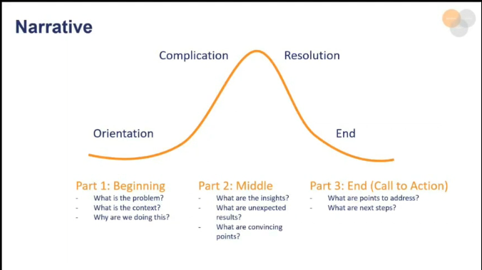

24 min on video for story example
45 min on vide for story example
53 min on video for tips
https://www.tableau.com/learn/webinars/bentleytableau-may-webinar-storytelling-your-data

