Analytics Dashboard
⛏️ UNDERGROUND MINE SAFETY & RESCUE ANALYTICS DASHBOARD
Live IoT Telemetry, AI Hazard Prediction & Structural Diagnostics | Generated: 2026-09-14 15:57:56

MINE SAFETY RATING |  | TOTAL TELEMETRY CYCLES |  | CRITICAL HAZARD EVENTS |  | PEAK CARBON MONOXIDE |  | PEAK METHANE (CH4) |  | MAX SEISMIC VIBRATION
35.4% |  | 1,040 |  | 475 |  | 485.6 ppm |  | 74.2 ppm |  | 1.5600 g
Overall Health Rating |  | Data Records Logged |  | 45.7% Critical Rate |  | Warn >=50, Crit >=100 |  | Warn >=50, Crit >=100 |  | Warn >=0.5g, Crit >=1.0g

📈 MULTI-PARAMETRIC VISUAL ANALYTICS & TELEMETRY PROGRESSION
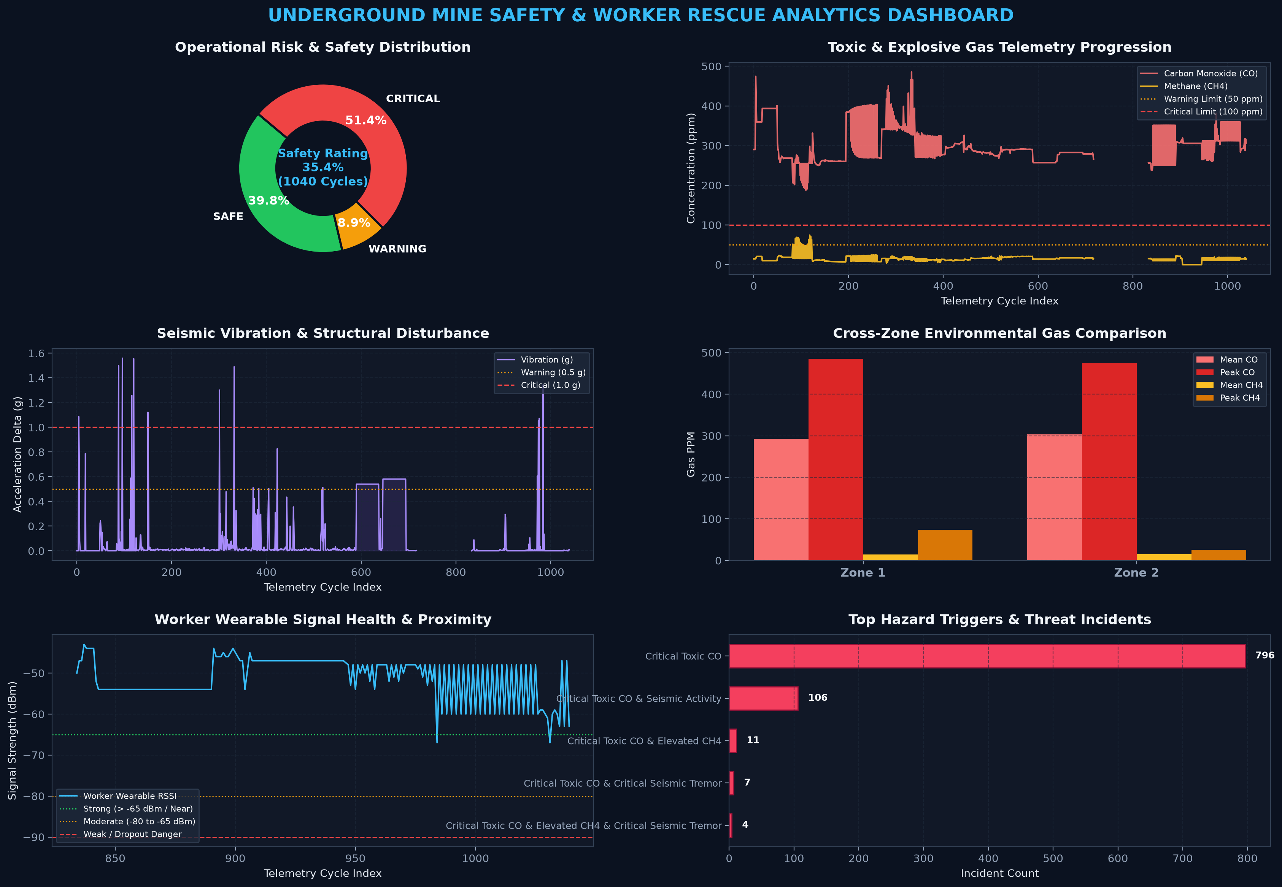

📋 CROSS-ZONE REAL-TIME TELEMETRY & HEALTH SCORECARD
Mine Zone | Readings | SAFE % | WARNING % | CRITICAL % | CO Mean (ppm) | CO Max (ppm) | CH4 Mean (ppm) | CH4 Max (ppm) | Vib Max (g) | Mean RSSI | Hazard Evaluation
Zone 1 | 243 | 32.1% | 1.6% | 66.3% | 292.71 | 485.64 | 14.52 | 74.23 | 1.56 | -50.2 | HIGH HAZARD / CRITICAL
Zone 2 | 797 | 36.4% | 9.8% | 39.4% | 303.08 | 474.55 | 15.11 | 25 | 1.49 | -51.9 | HIGH HAZARD / CRITICAL

Executive Summary
Operational Risk Distribution
⛏️ MINE SAFETY & RESCUE EXECUTIVE REPORT
Operational Safety Metric | Recorded Value | Context / Engineering Benchmark
Total Telemetry Readings Logged | 1040 | Total telemetry cycles processed from wireless nodes
Overall Mine Safety Health Score | 35.4% | Percentage of operational time in SAFE condition
Total SAFE Readings | 368 | Records within safe operational environmental limits
Total WARNING Incidents | 82 | Records requiring proactive ventilation or monitoring
Total CRITICAL Emergencies | 475 | Records demanding immediate worker alert & evacuation
Peak Carbon Monoxide (CO) | 485.64 ppm | Threshold: Warn >=50.0 ppm, Crit >=100.0 ppm (Mean: 300.35 ppm)
Peak Methane Gas (CH4) | 74.23 ppm | Threshold: Warn >=50.0 ppm, Crit >=100.0 ppm (Mean: 14.95 ppm)
Peak Seismic Vibration | 1.5600 g | Threshold: Warn >=0.5 g, Crit >=1.0 g (Mean: 0.0987 g)
Average Worker Signal (RSSI) | -51.3 dBm | Worker wearable LoRa link signal quality indicator
Report Generation Timestamp | 2026-09-14 15:57:54 | Real-time AI Model analytical synchronization

🔍 KEY AI DIAGNOSTIC FINDINGS
Finding Description
• URGENT: 475 critical hazard instances recorded. Active safety measures must be audited.
• Methane levels surged to a maximum of 74.23 ppm. Flammable gas buildup requires booster fan engagement.
• Carbon Monoxide reached 485.64 ppm. Combustion / smoldering source inspection recommended.
• Seismic vibration peaked at 1.5600 g. Structural tunnel integrity checks advised along fault zones.
• Worker wearable signal is STRONG, indicating close proximity to node receivers.

📋 ACTIONABLE RESCUE DIRECTIVES & SOPS
Protocol Name | Standard Operating Procedure Directive | Status
Ventilation Control | Maintain continuous air sweep; increase extraction if CH4 > 40 ppm or CO > 35 ppm. | ACTIVE / ENFORCED
Evacuation Readiness | Keep emergency escape routes along Zone 1 clear of obstructions with lit pathway markers. | ACTIVE / ENFORCED
Wearable Watchdog | Ensure worker panic button & bidirectional acoustic buzzer alerts remain synchronized. | ACTIVE / ENFORCED
Sensor Calibration | Conduct baseline auto-zeroing routine on MQ-7 and MQ-4 gas sensors every shift. | ACTIVE / ENFORCED

Zone Risk Analysis
Zone Gas Concentrations (Mean & Peak)
Mine Zone | Readings | SAFE Count | SAFE % | WARNING Count | WARNING % | CRITICAL Count | CRITICAL % | CO Mean (ppm) | CO Max (ppm) | CO Std Dev | CH4 Mean (ppm) | CH4 Max (ppm) | CH4 Std Dev | Vib Mean (g) | Vib Max (g) | Mean RSSI (dBm) | Zone Hazard Evaluation
Zone 1 | 243 | 78 | 32.1% | 4 | 1.6% | 161 | 66.3% | 292.71 | 485.64 | 50.17 | 14.52 | 74.23 | 13.86 | 0.0571 | 1.56 | -50.2 | HIGH HAZARD / CRITICAL
Zone 2 | 797 | 290 | 36.4% | 78 | 9.8% | 314 | 39.4% | 303.08 | 474.55 | 42.32 | 15.11 | 25 | 5.17 | 0.1135 | 1.49 | -51.9 | HIGH HAZARD / CRITICAL

Worker Proximity & Exposure
Worker Proximity Range Breakdown
Mine Zone | Worker Detected Cycles | Close Proximity (RSSI >= -65 dBm) | Mid Range (-65 to -80 dBm) | Far Range (< -80 dBm) | High-Hazard Proximity Cycles | Proximity Risk Index
Zone 1 | 66 | 66 | 0 | 0 | 0 | SAFE DISTANCE
Zone 2 | 132 | 130 | 2 | 0 | 3 | ELEVATED EXPOSURE

