Points
Countries | Need | ICT Infrastructure | Corruption
Sudan | 9 | 1 | 2
South Sudan | 8 | 2 | 1
Sierra Leone | 7 | 4 | 8 | >> Reference only
Niger | 6 | 3 | 5 | High need will get more points
Honduras | 5 | 6 | 4 | High infrastructure will get more points
El Salvador | 4 | 7 | 8 | High corruption will get low points
Zimbabwe | 3 | 5 | 4
Philippines | 2 | 8 | 6
Colombia | 1 | 9 | 9

Preparedness based scoring | POINTS |  |  | WEIGHTS
Countries | Need (9 indicates more need/ indicates country ranks high on need) | ICT Infrastructure (higher points indicate better readiness) | Corruption (1 means the most corrupt) | Need | Infrastructure | Corruption | Total Points
Sudan | 9 | 1 | 2 | 50% | 25% | 25% | 5.3
South Sudan | 8 | 2 | 1 | 50% | 25% | 25% | 4.8 | >> For Sprint 1, taken weighted average as shown in table 3 for need, infra access and corruption
Sierra Leone | 7 | 4 | 8 | 50% | 25% | 25% | 6.5 | >> More points are rewarded to countries with high need, better ICT Infrasrtucture preparedness and lower corruption
Niger | 6 | 3 | 5 | 50% | 25% | 25% | 5.0 | >> We have taken a simple average
Honduras | 5 | 6 | 4 | 50% | 25% | 25% | 5.0 | >> The country with the highest score
El Salvador | 4 | 7 | 8 | 50% | 25% | 25% | 5.8 | >> The highest score wins, Sierra Leone
Zimbabwe | 3 | 5 | 4 | 50% | 25% | 25% | 3.8
Colombia in South America has the lowest need, highest preparedness and low corruption
Philippines | 2 | 8 | 6 | 50% | 25% | 25% | 4.5 | Explanation for the index: Higher points are awarded to the the country with higher needs and ICT infrastructure. Lower points are awarded to the country with higher corruption. To calculate the composite index we take the weighted average of need, infrastructure and corruption. The distribution of weights is in this order: Need is given 50% (0.5) weight, infrastructure is given 25% (0.25) and corruption 25% (0.25). The country with the highest score indicates the country where the funds need to be deployed.
Colombia | 1 | 9 | 9 | 50% | 25% | 25% | 5.0

Need based scoring | Need (9 the neediest- least schools connected) | Infra (9 is worst infra) | Corruption (9 is worst corruption) |  |  |  |  | According to our calculations. Sierra Leone gets the highest points. In comparison to other countries,It is high on need, lies somewhere in the middle on the ICT infrastructure hierarchy and has lower corruption.
Sudan | 9 | 9 | 8 | 8.75
South Sudan | 8 | 8 | 9 | 8.25
Sierra Leone | 7 | 6 | 2 | 5.5
Niger | 6 | 7 | 5 | 6
Honduras | 5 | 4 | 6 | 5
El Salvador | 4 | 3 | 2 | 3.25
Zimbabwe | 3 | 5 | 6 | 4.25
Philippines | 2 | 2 | 4 | 2.5
Colombia | 1 | 1 | 1 | 1

Philppines has lower need than other countries but scores high on the corruption metric
Need based scoring by continent
 | Need | Infrastructure | Corruption
Sudan | 9 | 9 | 8
South Sudan | 8 | 8 | 9
Sierra Leone | 7 | 6 | 2
Niger | 6 | 7 | 5
Zimbabwe | 5 | 5 | 6

 | Need | Infrastructure | Corruption
Honduras | 5 | 4 | 6 | 12.5
El Salvador | 4 | 3 | 2 | 4

How do countries in Africa rank on each of the three metrics?
How do countries in Central America rank on each of the three metrics?
 | Need | Infrastructure | Corruption
Philippines | 2 | 2 | 4 | 0
 | Need | Infrastructure | Corruption
Colombia | 1 | 1 | 1 | 0

 | POINTS |  |  | WEIGHTS
Countries | Need (9 indicates more need/ indicates country ranks high on need) | ICT Infrastructure (higher points indicate better readiness) | Corruption (1 means the most corrupt) | Need | Infrastructure | Corruption | Total Points
Sudan | 9 | 1 | 2 | 50% | 25% | 25% | 5.3
South Sudan | 8 | 2 | 1 | 50% | 25% | 25% | 4.8
Sierra Leone | 7 | 4 | 8 | 50% | 25% | 25% | 6.5
Niger | 6 | 3 | 5 | 50% | 25% | 25% | 5.0
Honduras | 5 | 6 | 4 | 50% | 25% | 25% | 5.0
El Salvador | 4 | 7 | 8 | 50% | 25% | 25% | 5.8
Zimbabwe | 3 | 5 | 4 | 50% | 25% | 25% | 3.8
Philippines | 2 | 8 | 6 | 50% | 25% | 25% | 4.5
Colombia | 1 | 9 | 9 | 50% | 25% | 25% | 5.0

ITU Methodology
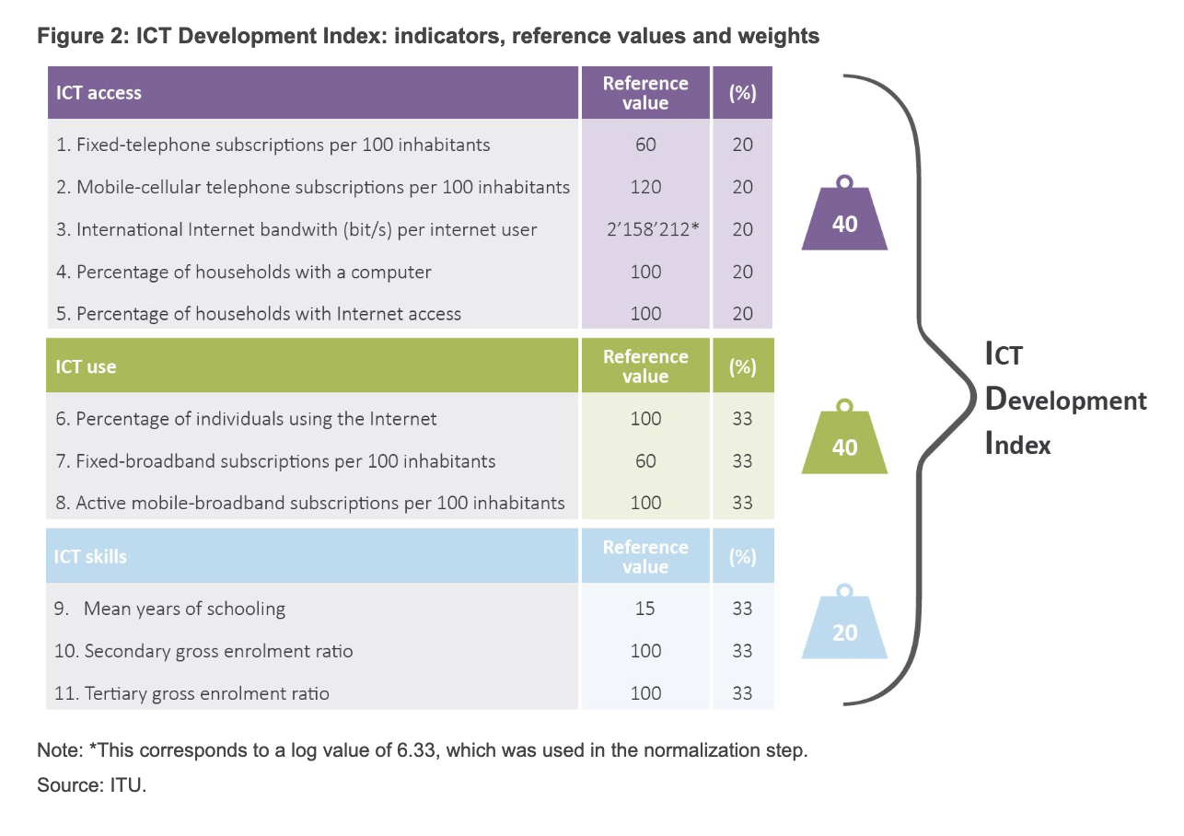
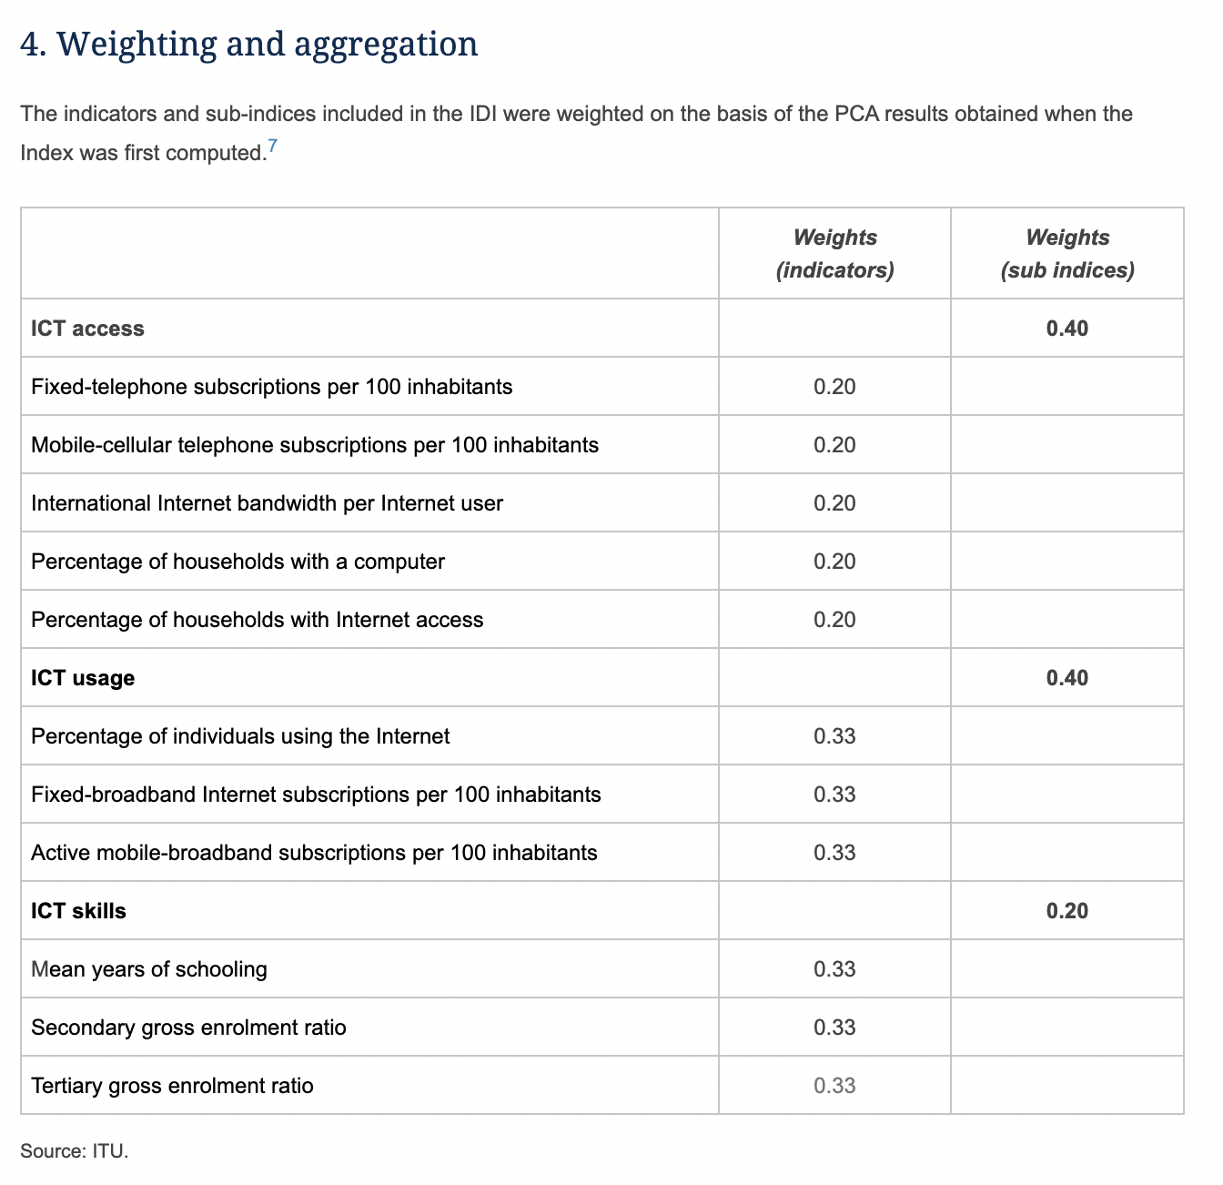
https://projectconnect.unicef.org/map

https://www.itu.int/en/ITU-D/Statistics/Pages/publications/mis2017/methodology.aspx

