Blad1
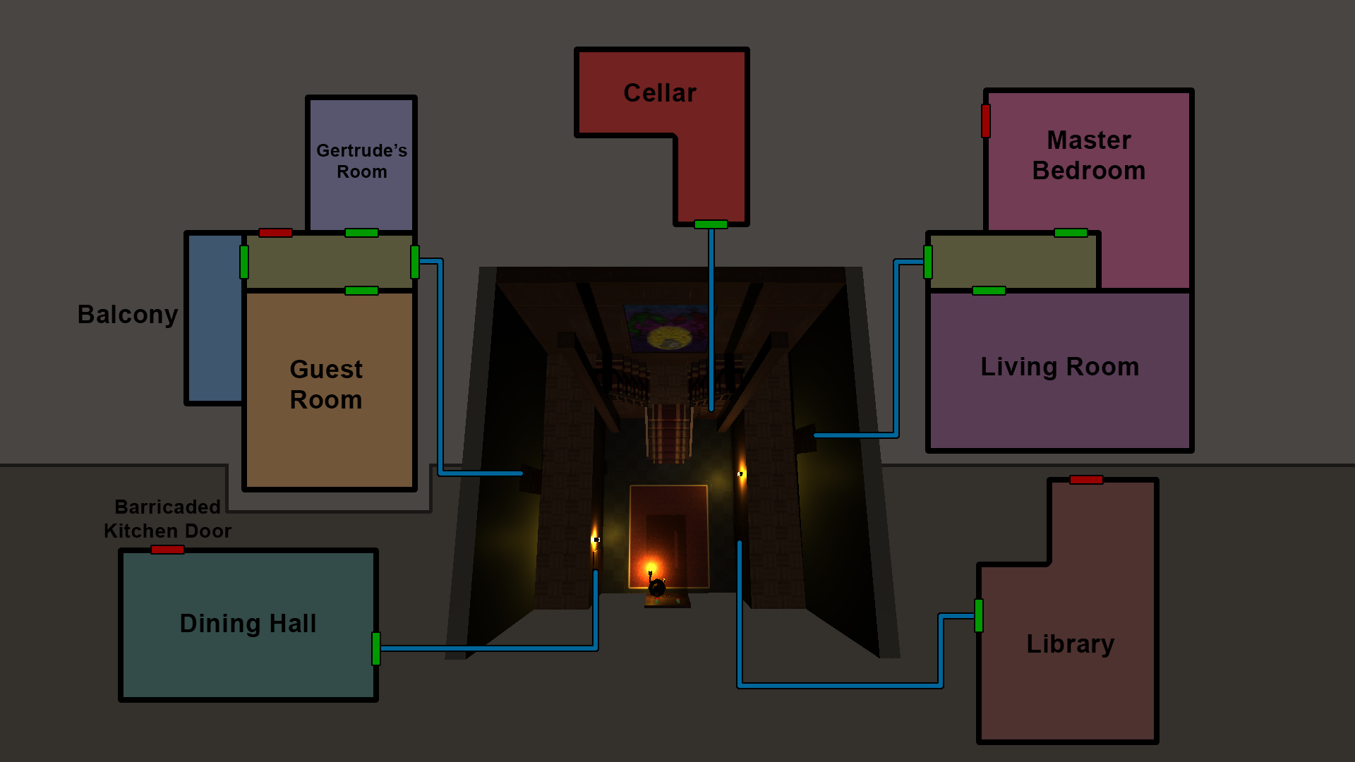
Från | Till | Vector3 | Från | Till | Vector3
MainHall | Cellar |  | Cellar | MainHall
MainHall | Library |  | Library | MainHall
MainHall | DiningHall |  | DiningHall | MainHall
MainHall | CorridorRight |  | CorridorRight | MainHall
MainHall | CorridorLeft |  | CorridorLeft | MainHall
CorridorRight | LivingRoom |  | LivingRoom | CorridorRight
CorridorRight | MasterBedroom |  | MasterBedroom | CorridorRight
CorridorLeft | Getrude'sRoom |  | Getrude'sRoom | CorridorLeft
CorridorLeft | GuestRoom |  | GuestRoom | CorridorLeft
CorridorLeft | Balcony |  | Balcony | CorridorLeft

