Sheet1
BASIC METRIC CALCULATIONS
Fundamental Rates
Formula: Rate = (Number of Events / Number of Emails Sent) × 100
Campaign | Email Open Rate | Click-Through Rate | Credential Submission Rate | Data Entry Rate
A | 82% | 47% | 18% | 5%
B | 80% | 60% | 30% | 10%
C | 90% | 75% | 15% | 10%

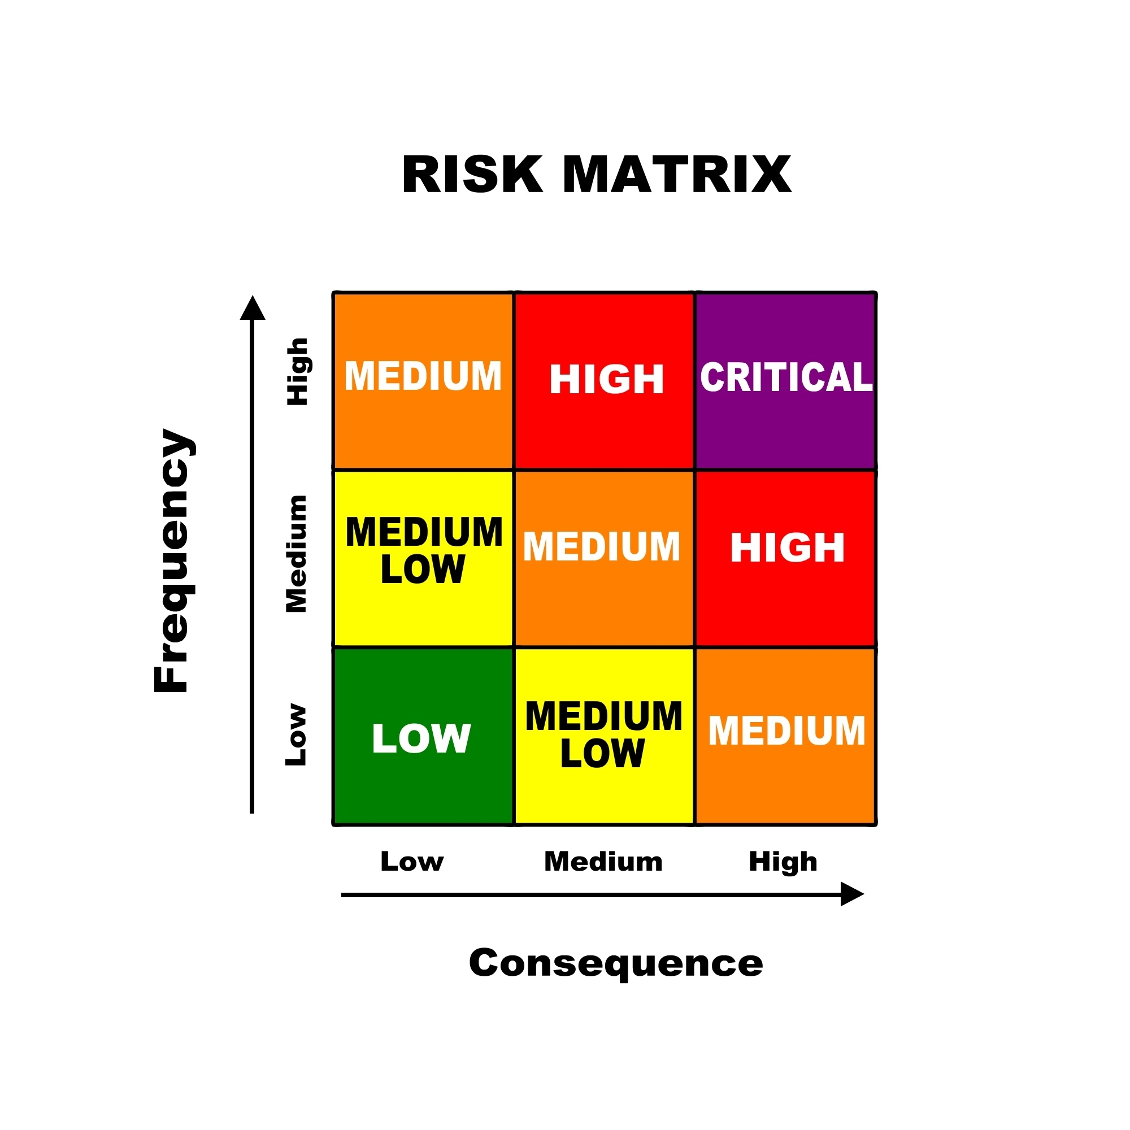

Risk Assessment Matrix
Campaign | Overall Risk Score | Financial Exposure | Priority Level | Recommended Action
A | MEDIUM-HIGH | $156,600,000 | 2 | Enhanced Training
B | CRITICAL | $652,500,000 | 1 | IMMEDIATE MFA, Zero Trust
C | HIGH | $104,400,000 | 2 | Executive Training

Key Quantitative Findings:
Risk Metric | Value | Industry Avg | Severity
Overall Credential Theft Rate | 22.10% | 15.30% | HIGH
Maximum Campaign Success Rate | 30% | 18.70% | CRITICAL
Annualized Loss Expectancy | $652.5M | $285M | SEVERE
MFA Implementation ROI | 724175% | 350% | EXCELLENT

Proposed Security Investment Portfolio:
Control | Cost | Risk Reduction | Net Benefit | ROI | Priority
MFA Implementation | $90,000 | $651.8M | $651.7M | 724175% | 1
Enhanced Training | $100,000 | $391.5M | $391.4M | 391400% | 2
Email Filtering | $50,000 | $130.5M | $130.4M | 260800% | 3

