Percentiles
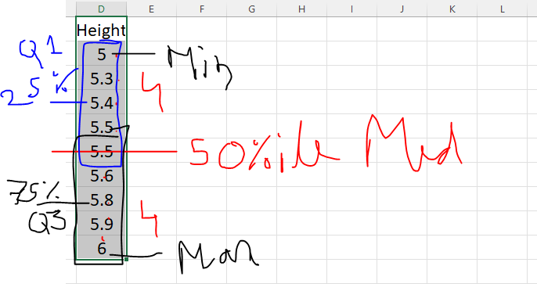
 | Height |  | Height
 | 5.9 |  | 5
 | 5.5 |  | 5.3
 | 5.3 |  | 5.4
 | 5 |  | 5.5
 | 5.8 |  | 5.5
 | 5.6 |  | 5.6
 | 5.4 |  | 5.8
 | 5.5 |  | 5.9
 | 6 |  | 6

 | Percentiles
Q1 | 25 | 5.4
Q2 | 50 | 5.5
Q3 | 75 | 5.8
Max |  | 6
Min |  | 5

