Sheet1
ENGR211 Lab2 Calculations | Sean Lai | 4/13/20

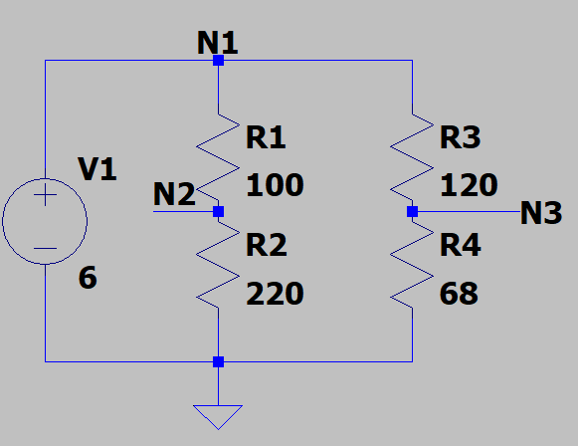
 | Circuit Schematic | Find:
 |  | Voltage @ N1, N2, N3;
 |  | Currents I(V1), I(R1), I(R2), I(R3), I(R4)

 |  | Given Resistances: |  | Equivalent Resistances: |  | Given voltage:
 |  | R_1 | 100 | R_12 | 320 | V_1 | 6
 |  | R_2 | 220 | R_34 | 188
 |  | R_3 | 120 | R_eq | 118.42519685
 |  | R_4 | 68

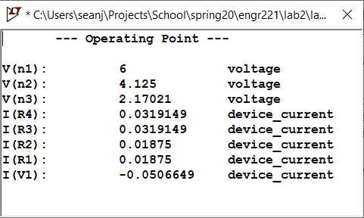
 |  | Calculated values: |  | LTSpice output:
 |  | element | hand-calc
 |  | I(V1) | -0.050664893617
 |  | I(R1) | 0.01875
 |  | I(R2) | 0.01875
 |  | I(R3) | 0.031914893617
 |  | I(R4) | 0.031914893617
 |  | V_1 | 6
 |  | V_N2 | 4.125
 |  | V_N3 | 2.170212766

 |  | note: I(V1) is negative by PSC

 |  | Discussion:
 |  | My hand calcs are done in excel with exact values so the % error differences as displayed are really only a function of the choice of decimal precision. As you can see above, the numbers from each method are the same. R_eq was calculated preemptively to assist in solving for the unknown currents and voltages.

