AFopen
ENGR 221 Lab 4 | Sean Lai | 5/1/20
A-F open circuit (Figure 5)
Note: used 1A source in LT spice so that voltage and resistance between two points have the same value

Given Values: |  | R_AF Calculations
name | value | name | calc(excel) | LTSPice out | % error
R1 | 100 | R24 | 50
R2 | 20 | RBD | 25
R3 | 50 | R67 | 150
R4 | 30 | RDF | 100
R5 | 300 | RAF | 225 | 225 | 0
R6 | 25
R7 | 125
 |  | R_CD Calculations
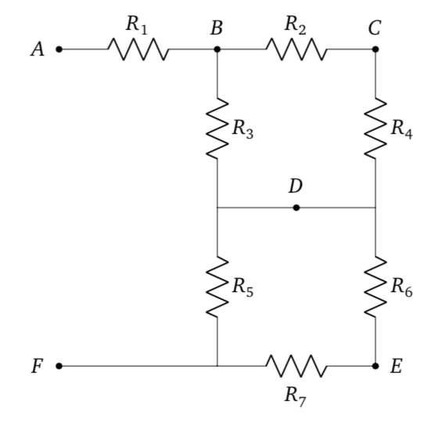
 |  | name | calc(excel) | LTSPice out | % error
 |  | R23 | 70
 |  | RCD | 21 | 21 | 0

 |  | R_DF Calculations (taken from R_AF calcs)
 |  | name | calc(excel) | LTSPice out | % error
 |  | RDF | 100 | 100 | 0

AFshort
ENGR 221 Lab 4 | Sean Lai | 5/1/20
A-F short circuit (Figure 6)
Note: Base resistor values and some intermediate values are references from "AFopen" sheet.
Note: used 1A source in LT spice so that voltage and resistance between two points have the same value

Given Values: |  | R_AF Calculations
name | value | name | calc(excel) | LTSPice out | % error
R1 | 100 | RAF | 0 | 0 | 0
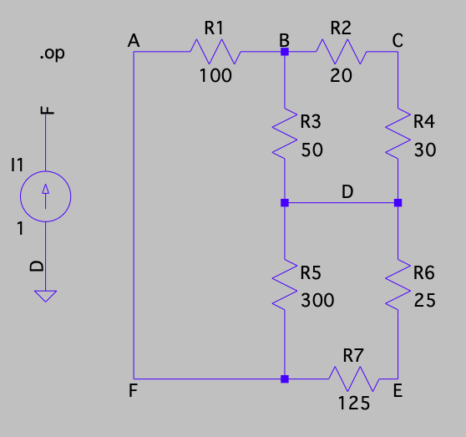
R2 | 20
R3 | 50
R4 | 30 | R_CD Calculations
R5 | 300 | name | calc(excel) | LTSPice out | % error
R6 | 25 | R67 | 150
R7 | 125 | R567 | 100
 |  | R1567 | 200
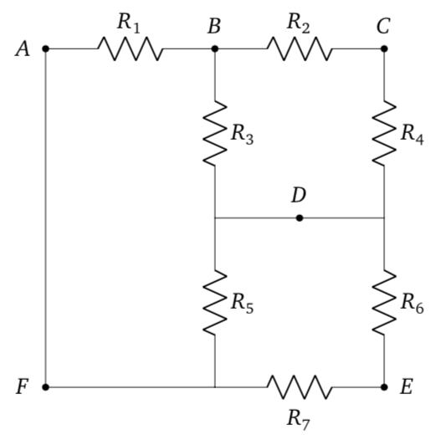
 |  | R31567 | 40
 |  | R231567 | 60
 |  | RCD | 20 | 20 | 0

 |  | R_CD Calculations
 |  | name | calc(excel) | LTSPice out | % error
 |  | R67 | 150
 |  | R24 | 50
 |  | R234 | 25
 |  | R1324 | 125
 |  | R231567 | 60
 |  | RDF | 55.555555556 | 55.5556 | 8.0000000007E-05
 |  |  |  |  |  | LTSpice circuit with test source used to obtain RDF.
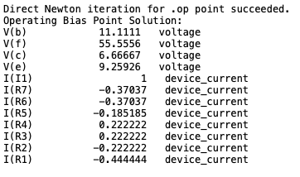

 |  | Log for operating point analysis of 1A current source across D-F, with D chosen as ground. Voltage at F, V(f), is an analog for equivalent resistance between points A and F. note: Output on Mac devices is obtained by analyzing an error log, hence the different callout at the top of the log.

