Selection Creteria
STEPS | Difference
0 | BBG Screening
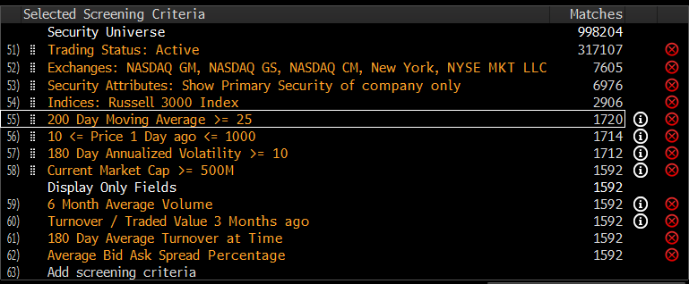

1 | Run Screen "Sigma002TradingUniverse" from EQS BLOOMBERG
2 | "ACTION > Output > Excel: Snapshot"
3 | Copy the Output Excel spreadsheet to "stock_universe_xxxx_xx_xx.xlsx", "Filter 1" tab, Col A:J
4 | Filter on Col K "180D ATAT" by "> 5,000,000"
5 | Copy result to "Filter 2" tab with No-link
6 | Filter on Col I "Avg Bid Ask Sprd" by "<=0.15"
7 | Copy result to "Filter 3" tab with No-link, Col A:N
8 | Col O:Q calculate the zscore of Vol,%Spread,MarketCap. Col R calculates combined Zscore with ratio 30%/50%/20%
9 | Rank on "Combined Zscore" col R and copy the top 500 largest Zscore to "Final" tab

