Analysis 4
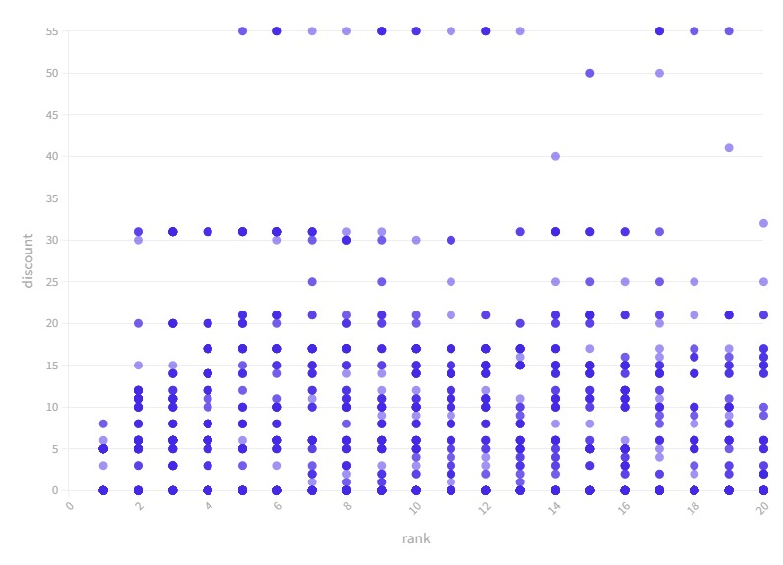
Table 08
Row Labels | Count of brand
1 | 138
dadev | 1
daburhoney | 23
apis | 38
indigenoushoney | 74
thehoneyshop | 2
(blank)
Grand Total | 138

OBSERVATIONS
The scatter plot above shows discount versus rank of the products.
Each dot on the scatter plot represents one or more products available in a particular combination of rank and discount offered.
The dot color captures the number of products available in that combination. Darker the color of the dot, the higher the number of products available in that particular combination.
Majority of the products on which discounts are offered are ranked in the 10th to 20th band. The maximum discount offered on the top branded products is 8%.
Table 08 shows that the search frequency of Indigenous honey is the highest among the rank 1 products. It offers only two product variants (each weighing 530 grams) compared to the most searched brand, Dabur, which brings a wide variety of honey with different sizes, and packaging styles. 89.7% of the Indigenous brand's search appearances are made by its 'Ayurvedic Immunity Booster for Weight Loss, Cough, and Digestive Disorders' honey.
Does the presence of keywords in product titles have an influence on search rank? Yes, that generates better results for the users.

