72F_Cycle_Data
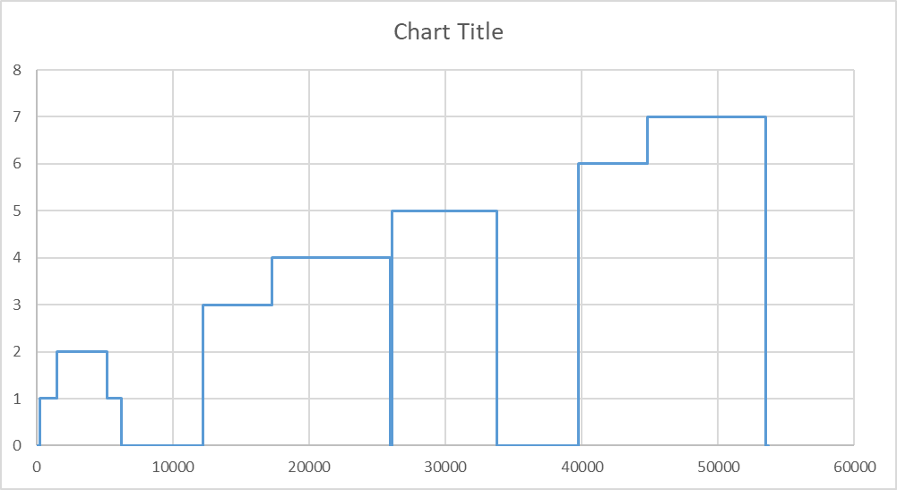
 | 72F UDDS
 | Test ID |  | Cycle duration [s] | Cycle distance [mi] | HV Batt (500A) EC [Wh/mi] | HV Batt (1000 A) Start WP2 [Wh] | HV Batt (1000 A) End WP2 [Wh] | HV Batt (1000 A) WP2 [Wh] | Start SOC [%] | End SOC [%] | HV Batt (1000A) Δ WP2 [Wh/mi] | FRE [Wh] | UBE [Wh] | RAF1 | # of HS cycles | Scaling Factor K | SCT Equivalent UDDS Factor | DC Discharge EC ECdc [Wh/mi] | Range [mi] | AC EC Ecac [Wh/mi]
1st | 62009013 | 1 |  | 7.4527 | 163.4 |  |  |  | 97.33 | 95.70
 | 62009013 | 2
 | 62005018 | 1
 | 62005018 | 2
2nd | 62006032 | 1
 | 62006032 | 2
 | 62006034 | 1
 | 62006034 | 2
3rd | 62006040 | 1
 | 62006040 | 2
 | 62006040 | 1
 | 62006040 | 2

 | 72F HWY
 | Test ID |  | Cycle duration [s] | Cycle distance [mi] | HV Batt (500A) EC [Wh/mi] | HV Batt (1000 A) Start WP2 [Wh] | HV Batt (1000 A) End WP2 [Wh] | HV Batt (1000 A) WP2 [Wh] | Start SOC [%] | End SOC [%] | HV Batt (1000A) Δ WP2 [Wh/mi] | FRE [Wh] | UBE [Wh] | RAF1 | # of HS cycles | Scaling Factor K |  | DC Discharge EC ECdc [Wh/mi] | Range [mi] | AC EC Ecac [Wh/mi]
1st | 62005016
 | 62005018
2nd | 62006032
 | 62006034
3nd | 62006040
 | 62006040

 | 72F US06
 | Test ID |  | Cycle duration [s] | Cycle distance [mi] | HV Batt (500A) EC [Wh/mi] | HV Batt (1000 A) Start WP2 [Wh] | HV Batt (1000 A) End WP2 [Wh] | HV Batt (1000 A) WP2 [Wh] | Start SOC [%] | End SOC [%] | HV Batt (1000A) Δ WP2 [Wh/mi] | FRE [Wh] | UBE [Wh] | RAF1 | # of HS cycles | Scaling Factor K |  | DC Discharge EC ECdc [Wh/mi] | Range [mi] | AC EC Ecac [Wh/mi]
1st | 62005016
 | 62005018
2nd | 62006032
 | 62006034
3rd | 62006040

 | SSS @65 mph
 | Test ID |  | Cycle duration [s] | Cycle distance [mi] | HV Batt (500A) EC [Wh/mi] | HV Batt (1000 A) Start WP2 [Wh] | HV Batt (1000 A) End WP2 [Wh] | HV Batt (1000 A) WP2 [Wh] | Start SOC [%] | End SOC [%] | HV Batt (1000A) Δ WP2 [Wh/mi] | FRE [Wh] | UBE [Wh] | RAF1 | # of HS cycles | Scaling Factor K |  | DC Discharge EC ECdc [Wh/mi] | Range [mi] | AC EC Ecac [Wh/mi]
1st | 62005017
 | 62005019
2nd | 62006033
 | 62006035
3rd | 62006040

