DEBIX Model A GPIO Pin MUX
 | Note: | ①Default: Functional definition DEBIX used (Defined in schematics)
 |  | ②ALT_NAME: alternative function name
Select | J2 | Default | CPU PAD Name | CPU PAD/Pin | ALT0/000 | ALT1/001 | ALT2/010 | ALT3/011 | ALT4/100 | ALT5/101 | ALT6/110
POE_VA1 | Pin01 | POE_VA1 | - | -
POE_VB1 | Pin03 | POE_VB1 | - | -
GND | Pin05 | GND | - | -
GND | Pin07 | GND | - | -
 | Pin09 | UART2_RXD | UART2_RXD | AF6 | UART2_RX | ECSPI3_MISO |  | GPT1_COMPARE3 |  | GPIO5_IO24 |  | UART2_RX | ECSPI3_MISO | GPT1_COMPARE3 | GPIO5_IO24
 | Pin11 | UART2_TXD | UART2_TXD | AH4 | UART2_TX | ECSPI3_SS0 |  | GPT1_COMPARE2 |  | GPIO5_IO25 |  | UART2_TX | ECSPI3_SS0 | GPT1_COMPARE2 | GPIO5_IO25
 | Pin13 | UART3_RXD | UART3_RXD | AE6 | UART3_RX | UART1_CTS_B | USDHC3_RESET_B | GPT1_CAPTURE2 | CAN2_TX | GPIO5_IO26 |  | UART3_RX | UART1_CTS_B | USDHC3_RESET_B | GPT1_CAPTURE2 | CAN2_TX | GPIO5_IO26
 | Pin15 | UART3_TXD | UART3_TXD | AJ4 | UART3_TX | UART1_RTS_B | USDHC3_VSELECT | GPT1_CLK | CAN2_RX | GPIO5_IO27 |  | UART3_TX | UART1_RTS_B | USDHC3_VSELECT | GPT1_CLK | CAN2_RX | GPIO5_IO27
 | Pin17 | UART4_RXD | UART4_RXD | AJ5 | UART4_RX | UART2_CTS_B | PCIE_CLKREQ_B | GPT1_COMPARE1 | I2C6_SCL | GPIO5_IO28 |  | UART4_RX | UART2_CTS_B | PCIE_CLKREQ_B | GPT1_COMPARE1 | I2C6_SCL | GPIO5_IO28
 | Pin19 | UART4_TXD | UART4_TXD | AH5 | UART4_TX | UART2_RTS_B |  | GPT1_CAPTURE1 | I2C6_SDA | GPIO5_IO29 |  | UART4_TX | UART2_RTS_B | GPT1_CAPTURE1 | I2C6_SDA | GPIO5_IO29
 | Pin21 | I2C4_SCL | I2C4_SCL | AF8 | I2C4_SCL | PWM2_OUT | PCIE_CLKREQ_B | ECSPI2_MISO |  | GPIO5_IO20 |  | I2C4_SCL | PWM2_OUT | PCIE_CLKREQ_B | ECSPI2_MISO | GPIO5_IO20
 | Pin23 | I2C4_SDA | I2C4_SDA | AD8 | I2C4_SDA | PWM1_OUT |  | ECSPI2_SS0 |  | GPIO5_IO21 |  | I2C4_SDA | PWM1_OUT | ECSPI2_SS0 | GPIO5_IO21
 | Pin25 | I2C6_SCL | SAI5_RXFS | AC14 | AUDIOMIX_SAI5_RX_SYNC | AUDIOMIX_SAI1_TX_DATA00 | PWM4_OUT | I2C6_SCL |  | GPIO3_IO19 |  | AUDIOMIX_SAI5_RX_SYNC | AUDIOMIX_SAI1_TX_DATA00 | PWM4_OUT | I2C6_SCL | GPIO3_IO19
 | Pin27 | I2C6_SDA | SAI5_RXC | AD14 | AUDIOMIX_SAI5_RX_BCLK | AUDIOMIX_SAI1_TX_DATA01 | PWM3_OUT | I2C6_SDA | AUDIOMIX_PDM_CLK | GPIO3_IO20 |  | AUDIOMIX_SAI5_RX_BCLK | AUDIOMIX_SAI1_TX_DATA01 | PWM3_OUT | I2C6_SDA | AUDIOMIX_PDM_CLK | GPIO3_IO20
 | Pin29 | GPIO1_IO11 | GPIO1_IO11 | D8 | GPIO1_IO11 |  | PWM2_OUT |  | USDHC3_VSELECT | CCM_PMIC_READY |  | GPIO1_IO11 | PWM2_OUT | USDHC3_VSELECT | CCM_PMIC_READY
 | Pin31 | CAN1_TXD | SAI5_RXD1 | AD16 | AUDIOMIX_SAI5_RX_DATA01 | AUDIOMIX_SAI1_TX_DATA03 | AUDIOMIX_SAI1_TX_SYNC | AUDIOMIX_SAI5_TX_SYNC | AUDIOMIX_PDM_BIT_STREAM01 | GPIO3_IO22 | CAN1_TX | AUDIOMIX_SAI5_RX_DATA01 | AUDIOMIX_SAI1_TX_DATA03 | AUDIOMIX_SAI1_TX_SYNC | AUDIOMIX_SAI5_TX_SYNC | AUDIOMIX_PDM_BIT_STREAM01 | GPIO3_IO22 | CAN1_TX
 | Pin33 | CAN1_RXD | SAI5_RXD2 | AF16 | AUDIOMIX_SAI5_RX_DATA02 | AUDIOMIX_SAI1_TX_DATA04 | AUDIOMIX_SAI1_TX_SYNC | AUDIOMIX_SAI5_TX_BCLK | AUDIOMIX_PDM_BIT_STREAM02 | GPIO3_IO23 | CAN1_RX | AUDIOMIX_SAI5_RX_DATA02 | AUDIOMIX_SAI1_TX_DATA04 | AUDIOMIX_SAI1_TX_SYNC | AUDIOMIX_SAI5_TX_BCLK | AUDIOMIX_PDM_BIT_STREAM02 | GPIO3_IO23 | CAN1_RX
 | Pin35 | CAN2_TXD | SAI5_RXD3 | AE14 | AUDIOMIX_SAI5_RX_DATA03 | AUDIOMIX_SAI1_TX_DATA05 | AUDIOMIX_SAI1_TX_SYNC | AUDIOMIX_SAI5_TX_DATA00 | AUDIOMIX_PDM_BIT_STREAM03 | GPIO3_IO24 | CAN2_TX | AUDIOMIX_SAI5_RX_DATA03 | AUDIOMIX_SAI1_TX_DATA05 | AUDIOMIX_SAI1_TX_SYNC | AUDIOMIX_SAI5_TX_DATA00 | AUDIOMIX_PDM_BIT_STREAM03 | GPIO3_IO24 | CAN2_TX
 | Pin37 | CAN2_RXD | SAI5_MCLK | AF14 | AUDIOMIX_SAI5_MCLK | AUDIOMIX_SAI1_TX_BCLK | PWM1_OUT | I2C5_SDA |  | GPIO3_IO25 | CAN2_RX | AUDIOMIX_SAI5_MCLK | AUDIOMIX_SAI1_TX_BCLK | PWM1_OUT | I2C5_SDA | GPIO3_IO25 | CAN2_RX
GND | Pin39 | GND | - | -

POE_VA2 | Pin02 | POE_VA2 | - | -
POE_VB2 | Pin04 | POE_VB2 | - | -
VDD_5V | Pin06 | VDD_5V | - | -
VDD_5V | Pin08 | VDD_5V | - | -
ONOFF | Pin10 | ONOFF | ONOFF | G22 | snvsmix.ONOFF
SYS_nRST | Pin12 | SYS_nRST | - | -
 | Pin14 | ECSPI1_SS0 | ECSPI1_SS0 | AE20 | ECSPI1_SS0 | UART3_RTS_B | I2C2_SDA | AUDIOMIX_SAI7_TX_SYNC |  | GPIO5_IO09 |  | ECSPI1_SS0 | UART3_RTS_B | I2C2_SDA | AUDIOMIX_SAI7_TX_SYNC | GPIO5_IO09
 | Pin16 | ECSPI1_MOSI | ECSPI1_MOSI | AC20 | ECSPI1_MOSI | UART3_TX | I2C1_SDA | AUDIOMIX_SAI7_RX_BCLK |  | GPIO5_IO07 |  | ECSPI1_MOSI | UART3_TX | I2C1_SDA | AUDIOMIX_SAI7_RX_BCLK | GPIO5_IO07
 | Pin18 | ECSPI1_MISO | ECSPI1_MISO | AD20 | ECSPI1_MISO | UART3_CTS_B | I2C2_SCL | AUDIOMIX_SAI7_RX_DATA00 |  | GPIO5_IO08 |  | ECSPI1_MISO | UART3_CTS_B | I2C2_SCL | AUDIOMIX_SAI7_RX_DATA00 | GPIO5_IO08
 | Pin20 | ECSPI1_SCLK | ECSPI1_SCLK | AF20 | ECSPI1_SCLK | UART3_RX | I2C1_SCL | AUDIOMIX_SAI7_RX_SYNC |  | GPIO5_IO06 |  | ECSPI1_SCLK | UART3_RX | I2C1_SCL | AUDIOMIX_SAI7_RX_SYNC | GPIO5_IO06
 | Pin22 | ECSPI2_SS0 | ECSPI2_SS0 | AJ22 | ECSPI2_SS0 | UART4_RTS_B | I2C4_SDA |  | CCM_CLKO2 | GPIO5_IO13 |  | ECSPI2_SS0 | UART4_RTS_B | I2C4_SDA | CCM_CLKO2 | GPIO5_IO13
 | Pin24 | ECSPI2_MOSI | ECSPI2_MOSI | AJ21 | ECSPI2_MOSI | UART4_TX | I2C3_SDA | AUDIOMIX_SAI7_TX_DATA00 |  | GPIO5_IO11 |  | ECSPI2_MOSI | UART4_TX | I2C3_SDA | AUDIOMIX_SAI7_TX_DATA00 | GPIO5_IO11
 | Pin26 | ECSPI2_MISO | ECSPI2_MISO | AH20 | ECSPI2_MISO | UART4_CTS_B | I2C4_SCL | AUDIOMIX_SAI7_MCLK | CCM_CLKO1 | GPIO5_IO12 |  | ECSPI2_MISO | UART4_CTS_B | I2C4_SCL | AUDIOMIX_SAI7_MCLK | CCM_CLKO1 | GPIO5_IO12
 | Pin28 | ECSPI2_SCLK | ECSPI2_SCLK | AH21 | ECSPI2_SCLK | UART4_RX | I2C3_SCL | AUDIOMIX_SAI7_TX_BCLK |  | GPIO5_IO10 |  | ECSPI2_SCLK | UART4_RX | I2C3_SCL | AUDIOMIX_SAI7_TX_BCLK | GPIO5_IO10
 | Pin30 | GPIO1_IO12 | GPIO1_IO12 | A5 | GPIO1_IO12 | USB1_PWR |  |  |  | SDMA2_EXT_EVENT01 |  | GPIO1_IO12 | USB1_PWR | SDMA2_EXT_EVENT01
 | Pin32 | GPIO1_IO13 | GPIO1_IO13 | A6 | GPIO1_IO13 | USB1_OC |  |  |  | PWM2_OUT |  | GPIO1_IO13 | USB1_OC | PWM2_OUT
 | Pin34 | GPIO5_IO03 | SPDIF_TX | AE18 | AUDIOMIX_SPDIF1_OUT | PWM3_OUT | I2C5_SCL | GPT1_COMPARE1 | CAN1_TX | GPIO5_IO03 |  | AUDIOMIX_SPDIF1_OUT | PWM3_OUT | I2C5_SCL | GPT1_COMPARE1 | CAN1_TX | GPIO5_IO03
 | Pin36 | GPIO5_IO04 | SPDIF_RX | AD18 | AUDIOMIX_SPDIF1_IN | PWM2_OUT | I2C5_SDA | GPT1_COMPARE2 | CAN1_RX | GPIO5_IO04 |  | AUDIOMIX_SPDIF1_IN | PWM2_OUT | I2C5_SDA | GPT1_COMPARE2 | CAN1_RX | GPIO5_IO04
 | Pin38 | GPIO3_IO21 | SAI5_RXD0 | AE16 | AUDIOMIX_SAI5_RX_DATA00 | AUDIOMIX_SAI1_TX_DATA02 | PWM2_OUT | I2C5_SCL | AUDIOMIX_PDM_BIT_STREAM00 | GPIO3_IO21 |  | AUDIOMIX_SAI5_RX_DATA00 | AUDIOMIX_SAI1_TX_DATA02 | PWM2_OUT | I2C5_SCL | AUDIOMIX_PDM_BIT_STREAM00 | GPIO3_IO21
GND | Pin40 | GND | - | -

Note: |  |  |  |  | J2:
 | Selected Function |  |  |  | 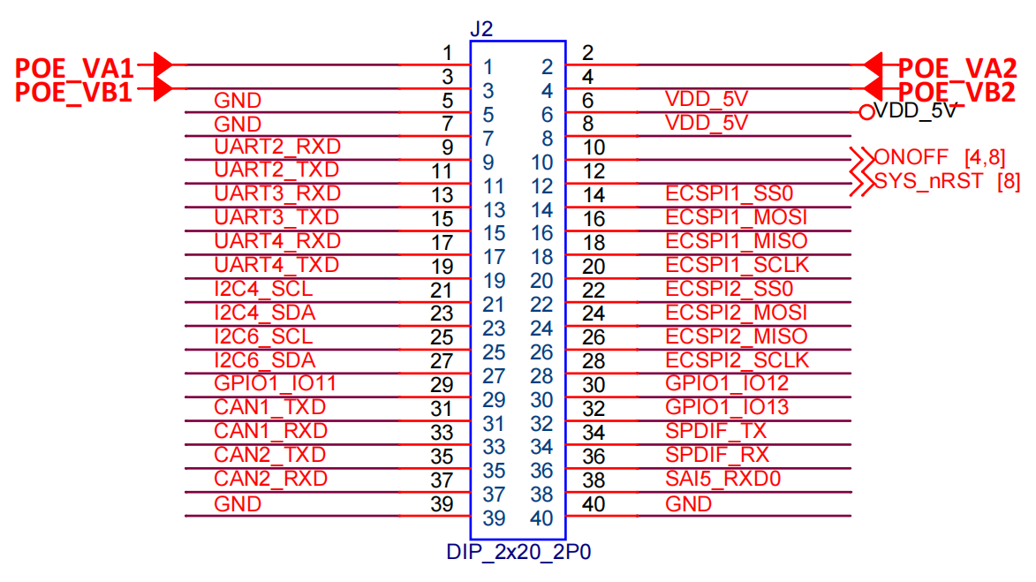
 | Occupied - This function is occupied by another pin.
 | Multiple Options - This function is configurable on multiple pins (mutually exclusive).
 | Exclusive - This function is exclusive to this pin.

