Sheet1
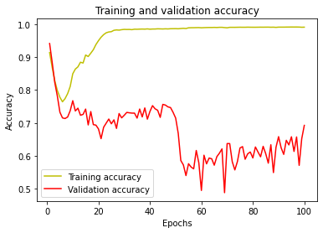
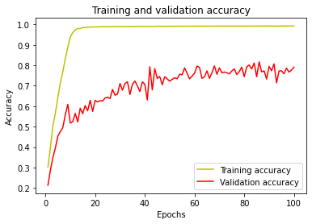
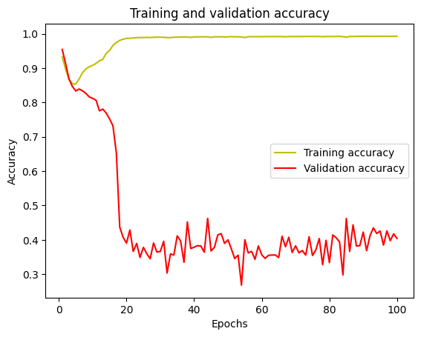
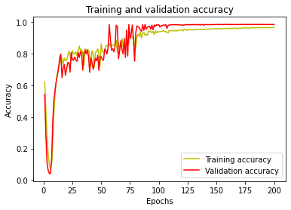
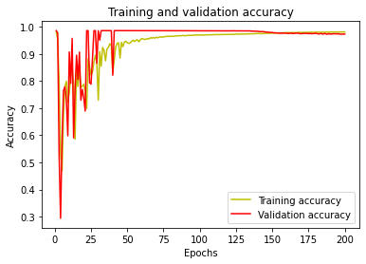
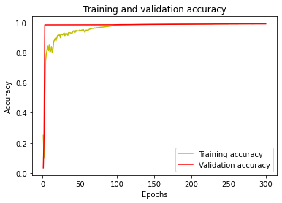
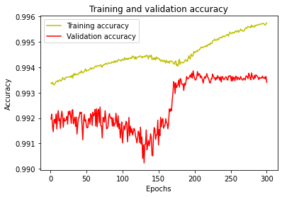
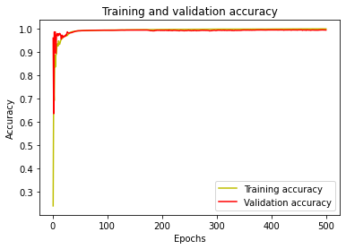
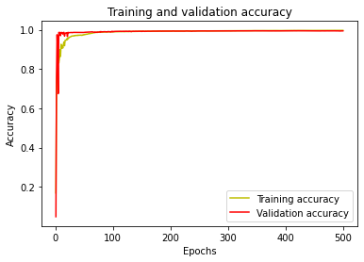
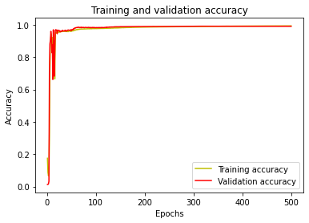
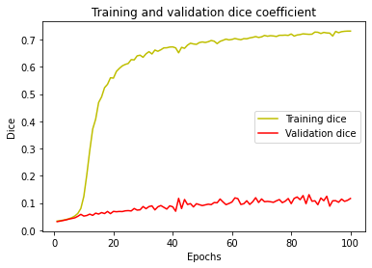
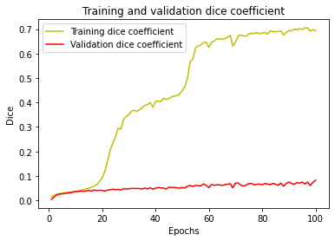
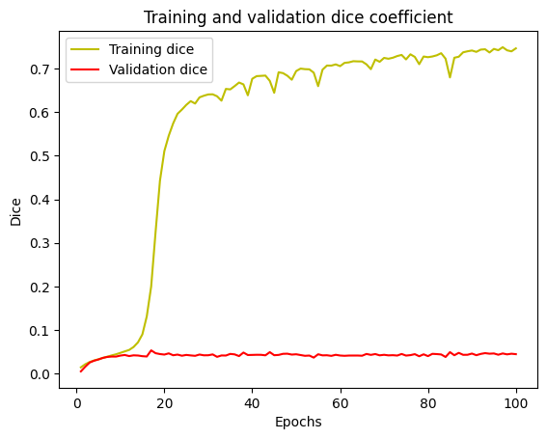
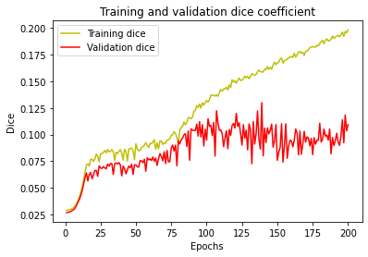
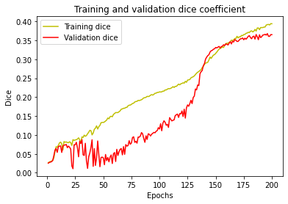
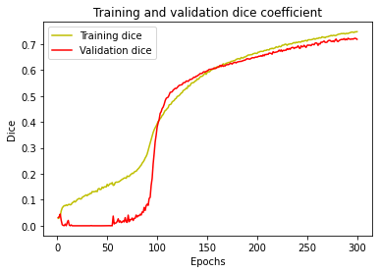
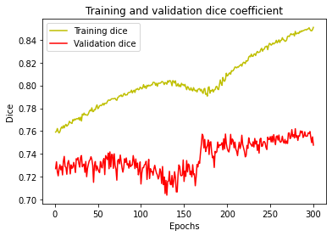
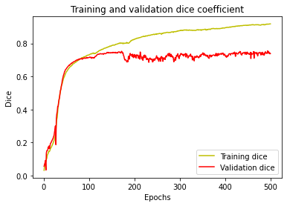
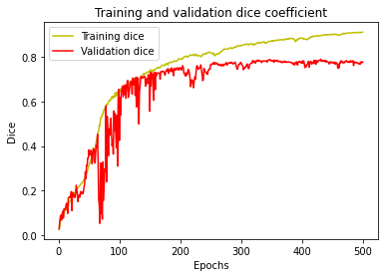
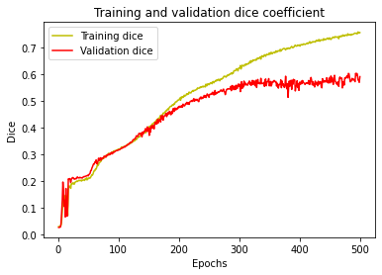
 |  | Intento 1 | Intento 2 | Intento 3 | Intento 4 | Intento 5 | Intento 6 | Intento 6 (extended) | Intento 7 | Intento 8 | Intento 9
Info image | No. imágenes | 56 - 44 train, 12 test | 56 - 44 train, 12 test | 56 - 44 train, 12 test | 56 - 44 train, 12 test | 56 - 44 train, 12 test | 93 - 74 train, 19 test | 93 - 74 train, 19 test | 100 - 80 train, 20 test | 63 - 50 train, 13 test | 63 - 50 train, 13 test
 | Dimensiones | (160,96,128) | (160,96,128) | (160,96,128) | (160,96,128) | (160,96,128) | (160,96,128) | (160,96,128) | (160,96,128) | (160,96,128) | (160,96,128)
 | Canales | 1 | 1 | 1 | 1 | 1 | 1 | 1 | 1 | 1 | 1
Info model | Pesos para clases | No | 0: 0.5, 1: 34.5 | 0: 0.5, 1: 34.5 | 0: 0.5, 1: 34.5 | 0: 0.5, 1: 34.5 | 0: 0.5, 1: 34.5 | 0: 0.5, 1: 34.5 | 0: 0.5, 1: 34.5 | 0: 0.5, 1: 34.5 | 0: 0.5, 1: 34.5
 | Arch unet | 16*2- 32*2- 64*2, 128, 64*2- 32*2- 16*2 | 16*2- 32*2- 64*2, 128, 64*2- 32*2- 16*2 | 16*2- 32*2- 64*2-128*2, 256, 128*2, 64*2- 32*2- 16*2 | 16*2 (sigmoid) - 32*2 (sigmoid)- 64*2 (sigmoid), 128 (relu), 64*2 (relu)- 32*2 (relu)- 16*2 (relu) | 32*2 (sigmoid) - 64*2 (sigmoid)- 128*2 (sigmoid), 256 (relu), 128*2 (relu)- 64*2 (relu)- 32*2 (relu) | 32*2 (sigmoid) - 64*2 (sigmoid)- 128*2 (sigmoid), 256 (relu), 128*2 (relu)- 64*2 (relu)- 32*2 (relu) | 32*2 (sigmoid) - 64*2 (sigmoid)- 128*2 (sigmoid), 256 (relu), 128*2 (relu)- 64*2 (relu)- 32*2 (relu) | 64*2 (sigmoid) - 128*2 (sigmoid)- 256*2 (sigmoid), 512 (sigmoid,relu), 256*2 (relu)- 128*2 (relu)- 64*2 (relu) | 64*2 (sigmoid) - 128*2 (sigmoid)- 256*2 (sigmoid), 512 (sigmoid,relu), 256*2 (relu)- 128*2 (relu)- 64*2 (relu) | 32*2 (sigmoid) - 64*2 (sigmoid)- 128*2 (sigmoid), 256 (relu), 128*2 (relu)- 64*2 (relu)- 32*2 (relu)
 | Optimizador | Adam | Adam | Adam | Adam | Adam | Adam | Adam | Adam | Adam | Adam
 | Learning rate | 0.00001 | 0.00001 | 0.00001 | 0.00001 | 0.00001 | 0.00001 | 0.00001 | 0.00001 | 0.00001 | 0.00001
 | Regularizador | No | No | No | No | No | No | No | No | No | No
 | Epocas | 100 | 100 | 100 | 200 | 200 | 300 | 300 | 500 | 500 | 500
Metrics | Dice | Train: 0.69 - Val: 0.08 | Train: 0.72 - Val: 0.13 | Train: 0.20 - Val: 0.05 | Train: 0.16 - Val: 0.13 | Train: 0.39 - Val: 0.37 | Train: 0.74 - Val: 0.72 | Train: 0.85 - Val: 0.76 | Train: 0.92 - Val: 0.76 | Train: 0.89 - Val: 0.80 | Train: 0.75 - Val: 0.60
 | Accuracy | Train: 0.99 - Val: 0.69 | Train: 0.99 - Val: 0.82 | Train: 0.97 - Val: 0.65 | Train: 0.95 - Val: 0.98 | Train: 0.98 - Val: 0.97 | Train: 0.99 - Val: 0.99 | Train: 0.99 - Val: 0.99 | Train: 0.99 - Val: 0.99 | Train: 0.99 - Val: 0.99 | Train: 0.99 - Val: 0.99
 | Tiempo | 38min | 36min | 31min | 1hr:16min | 2hr:10min | 7hr:10min | 7hr:03min | 2hr:30min | 7hr:30min | 8hr:50min
 | Pérdida | Train: 0.31 - Val: 0.92 | Train: -11.59 - Val: -1.28 | Train: -2.59 - Val: 0.04 | Train: -1.77 - Val: -1.27 | Train: -5.85 - Val: -5.44 | Train: -11.96 - Val: -11.69 | Train: -13.83 - Val: -12.34 | Train: -15.03 - Val: -12.21 | Train: -14.64 - Val: -12.80 | Train: -12.19 - Val: -9.56
Specs | GPU | Tesla T4 16GB | Tesla T4 16GB | Quadro RTX 5000 16GB | Tesla T4 16GB | Tesla T4 16GB | Tesla T4 16GB | Tesla T4 16GB | A100 SXM4 40GB | Tesla V100-SXM2 16GB | Tesla T4 16GB
 | RAM | 24GB | 24GB | 32GB | 24GB | 24GB | 24GB | 24GB | 87GB | 27GB | 24GB
 | Recurso | Colab + | Colab + | Zbook | Colab + | Colab + | Colab + | Colab + | Colab Pro | Colab Pro | Colab +
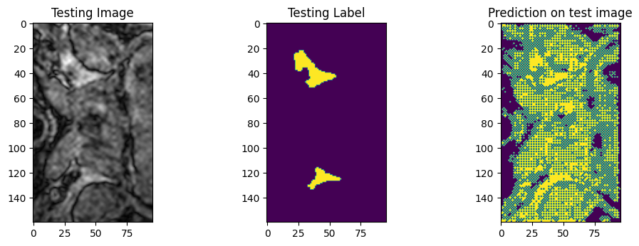
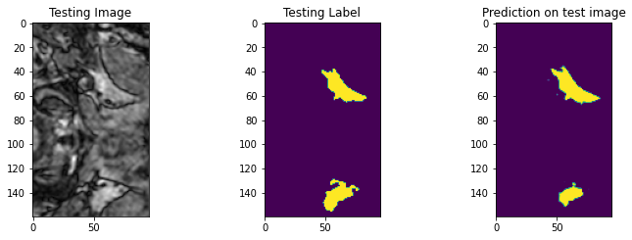
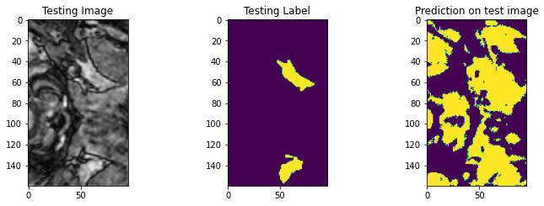
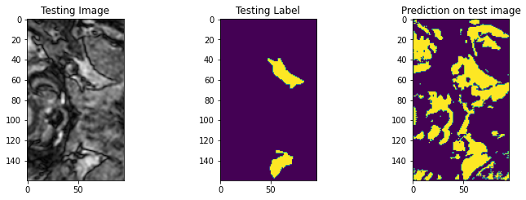
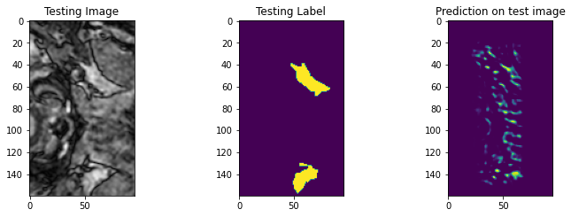
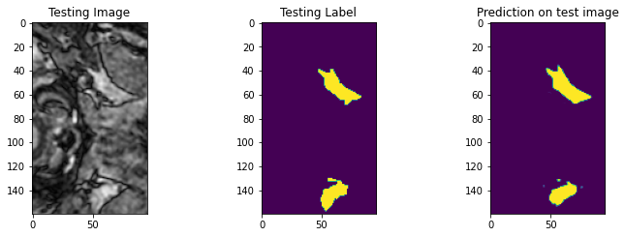
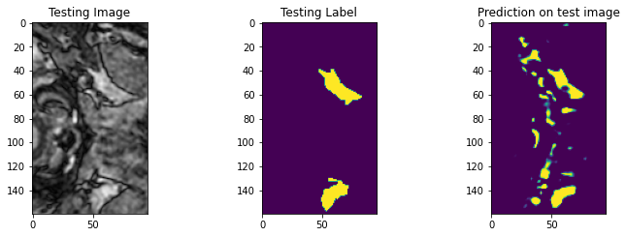
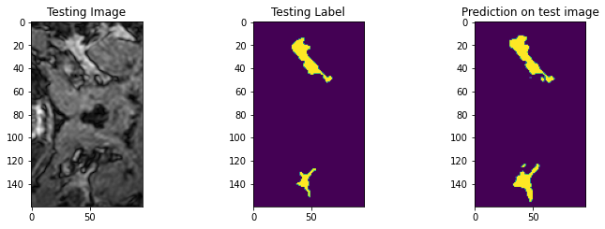
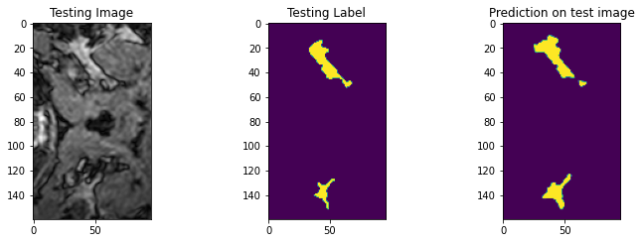
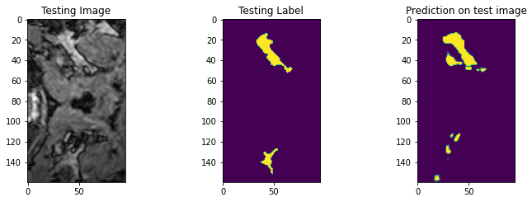
Prediction

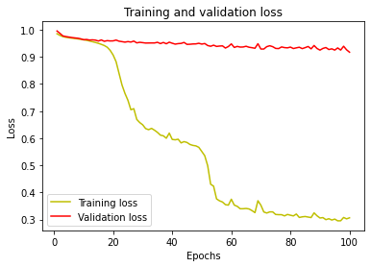
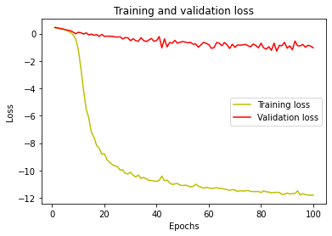
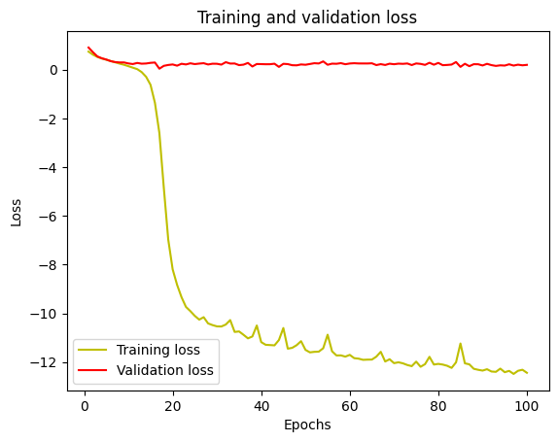
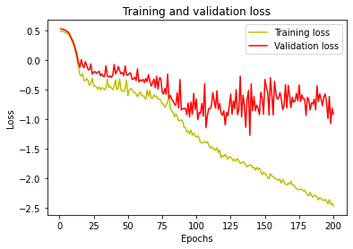
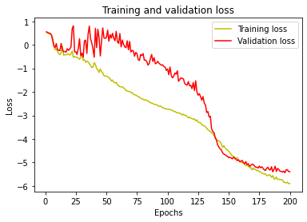
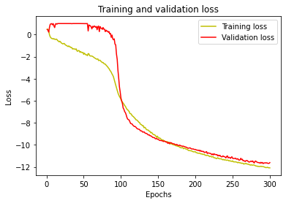
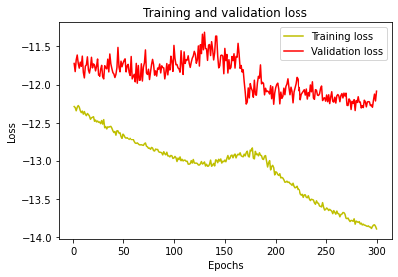
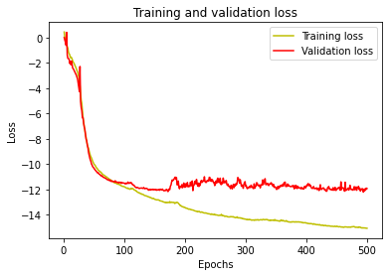
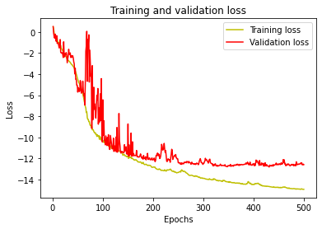
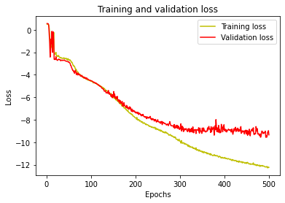
Metrics

