Guidance notes
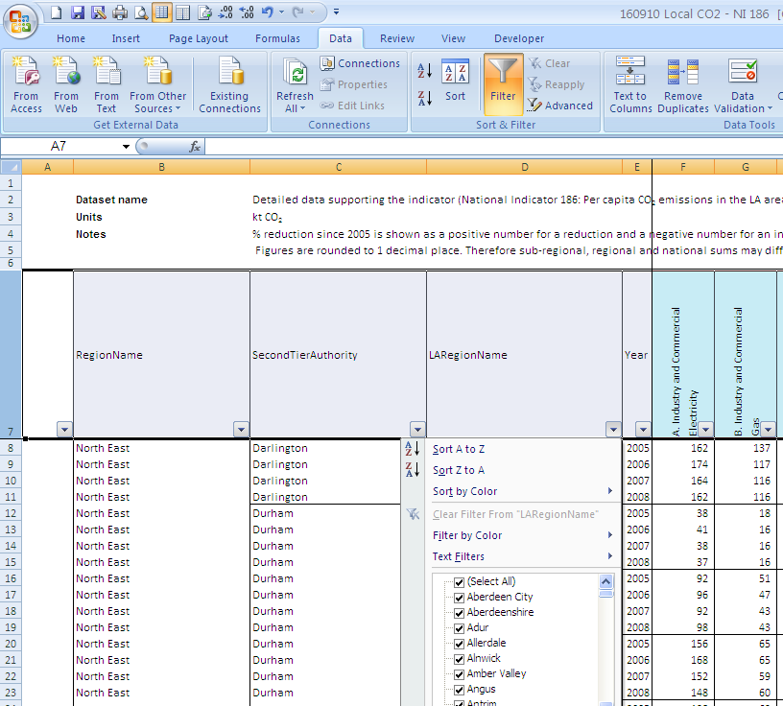
Formatting guide for the analysis of the carbon dioxide emissions at local authority level dataset | Back to Index

The LA CO2 spreadsheet contains some hidden features that, if activated, enable the user to compare the data for different years, for every local authority more easily.

PROCEDURE

In order to compare year on year data for each local authority or to undertake further analysis of the dataset, the steps to follow are as follows:

1. All cells that contain regions, second tier authority and local authority names (B8:D1943 for all worksheets) need to be selected, as shown in Figure 1.

Figure 1 shows how the dataset should look like, after selecting the mentioned cells.
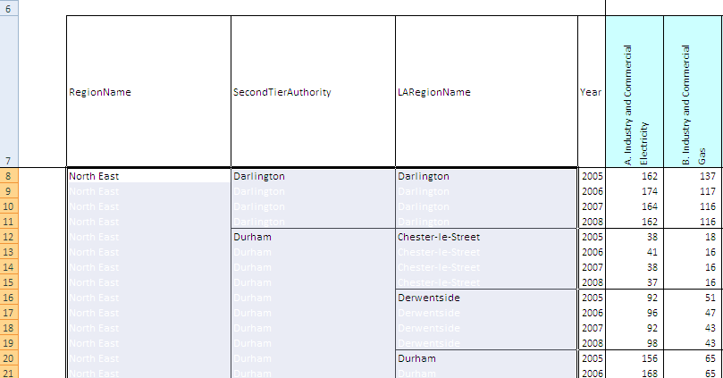

2. As it can be noted from the figure, all the cells that previously looked blank in the dataset, are instead already filled with white ink with the name of the corresponding local authority, second tier authority or region.
To make the names visible, black needs to be selected as the text color.The table, now, should look like Figure 2.

Figue 2: LA datast, after selecting black ink
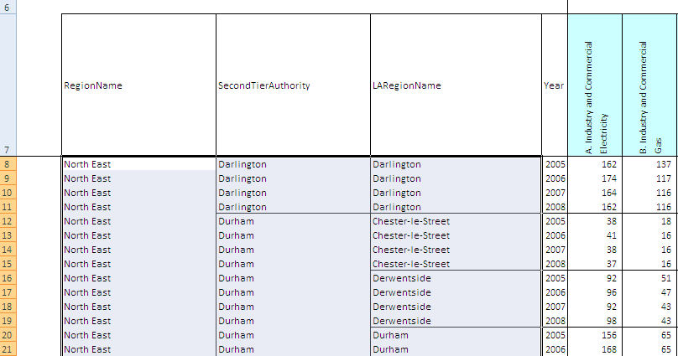

3. To help the analysis, the FILTER function should be activated. This is located in the Data tab of the main Excel menu. Firstly, Row 7, where the main headings are, should be highlighted, and secondly the FILTER function selected.
In this way, it is possible to filter the data depending on the user's needs, as it is shown in Figure 3.

Figure 3: dataset with the activated FILTER option.

