Error Analysis Report
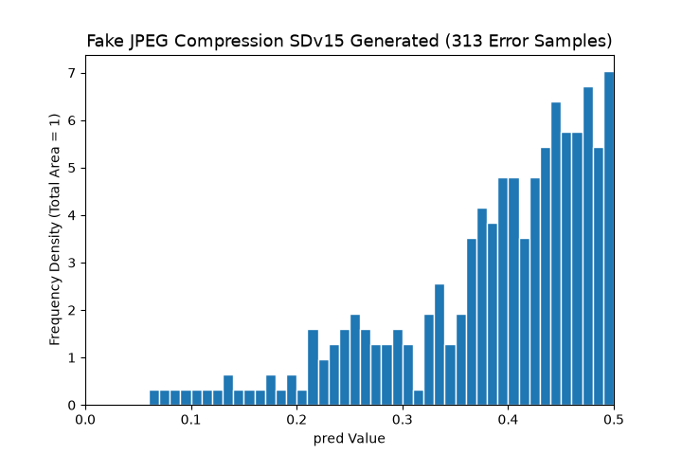
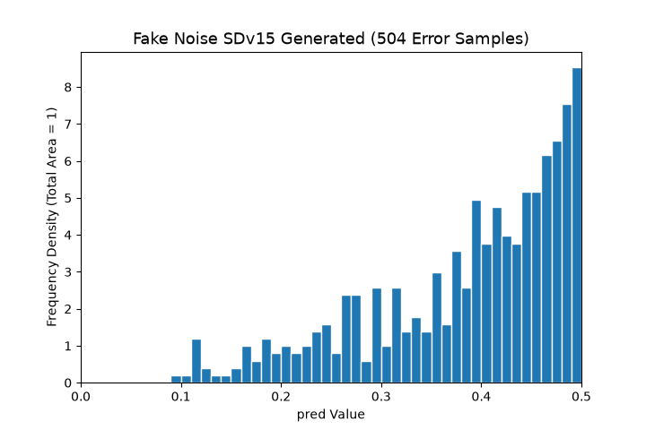
Folder Name | File Name | Total Errors | Total Obvious Errors | Obvious Error Rate
Fake | SDv15 Generated | 2 | 2 | 100.00%
Fake DALLE3 | 202311011943129901ca391019566e.json | 17 | 2 | 11.76%
 | 20231102143933b82206831d45b85d.json | 23 | 6 | 26.09%
 | 2023110215025084768300d30fc34f.json | 23 | 6 | 26.09%
 | 20231103102150b17aad067ad7e034.json | 23 | 6 | 26.09%
 | 202311070924598319e76b1a88ba6c.json | 25 | 6 | 24.00%
Fake JPEG Compression | SDv15 Generated | 313 | 35 | 11.18%
 | Silk Scarf | 4 | 0 | 0.00%
 | Stethoscope | 6 | 0 | 0.00%
 | Belt | 1 | 0 | 0.00%
Fake Noise | SDv15 Generated | 504 | 61 | 12.10%
 | Silk Scarf | 4 | 0 | 0.00%
 | Bag | 2 | 0 | 0.00%
 | Stethoscope | 32 | 1 | 3.12%
 | Workplace | 1 | 0 | 0.00%
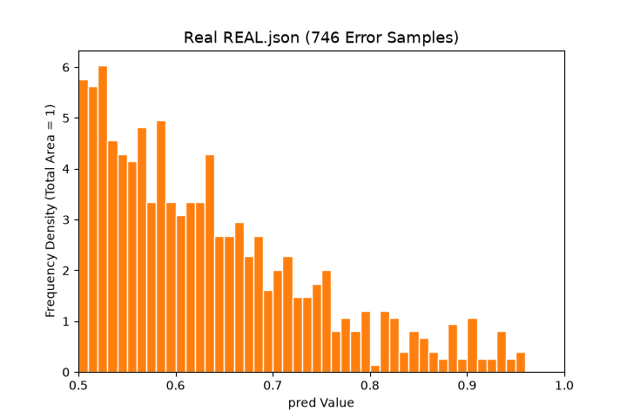
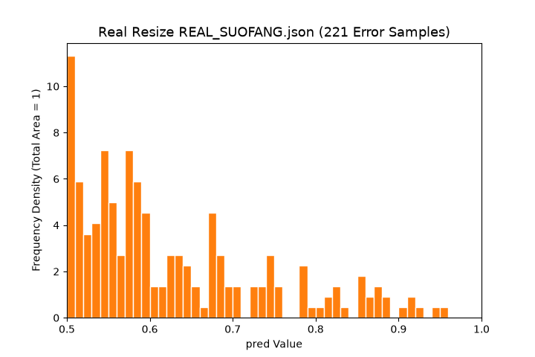
 | Man | 1 | 0 | 0.00%
 | Belt | 11 | 0 | 0.00%
Fake Resize | SDv15 Generated | 170 | 66 | 38.82%
Fake Crop | SDv15 Generated | 3 | 1 | 33.33%
Fake Color Jitter | SDv15 Generated | 4 | 2 | 50.00%
Fake Gaussian Blur | SDv15 Generated | 8 | 0 | 0.00%
Real | REAL.json | 746 | 113 | 15.15%
Real JPEG Compression | REAL_JPEG.json | 128 | 6 | 4.69%
Real Noise | REAL_ZAOSHENG.json | 30 | 1 | 3.33%
Real Resize | REAL_SUOFANG.json | 221 | 33 | 14.93%
Real Crop | REAL_CUT.json | 327 | 32 | 9.79%
Real Color Jitter | REAL_COLOR.json | 137 | 11 | 8.03%
Real Gaussian Blur | REAL_GAOSI.json | 946 | 92 | 9.73%

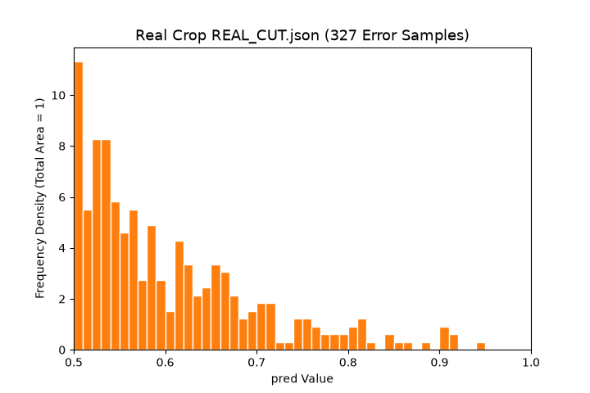
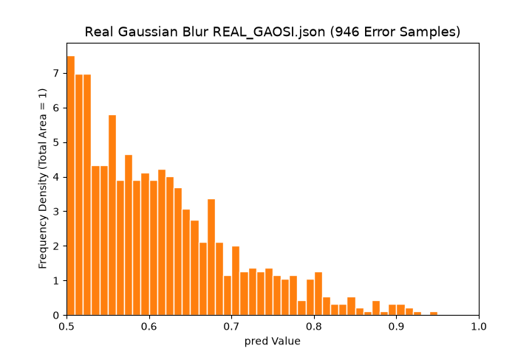
Note: Decision rules (symmetric thresholds 0.25/0.75): Fake images (expected >0.5): error = pred≤0.5; obvious error = pred<0.25 Real images (expected <0.5): error = pred≥0.5; obvious error = pred>0.75 Overall summary: there are 3712 misjudgments in total across all data, of which 482 (13.0%) are obvious errors and 3230 (87.0%) are minor errors — the vast majority of errors are "hesitant" minor errors rather than complete misclassifications.

