Dashboard
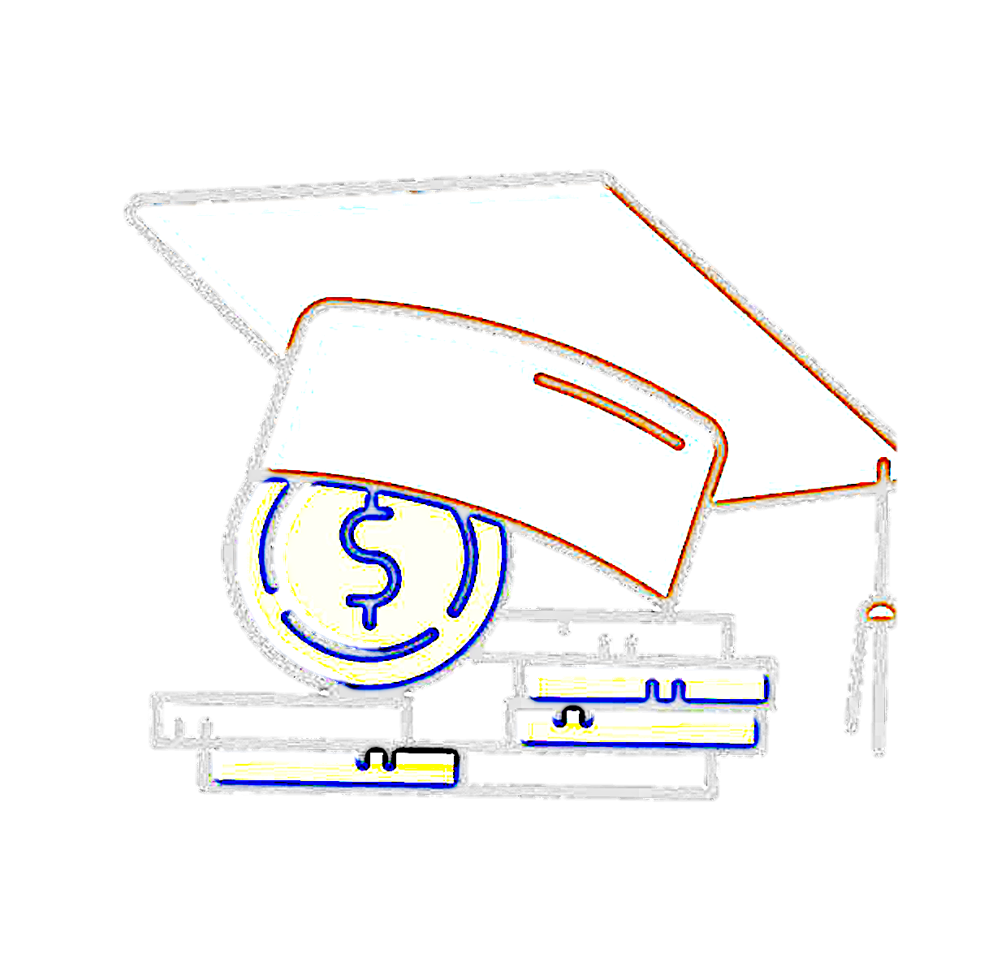

EDUCATION LOAN TRACKING DASHBOARD

Total Principal
Total Interest
Automatic Interest Payment Deduction
Remaining Interest
Total Outstanding

₹ 1,545,312
₹ 52,263
₹ 6,180
₹ 46,083
₹ 1,591,395

Calculate no.of payments based on EMI
Loan Disbursed
 | Total
2023 | ₹ 1,545,312
2024 | ₹ 0
2025 | ₹ 2,000,000
2026 | ₹ 0
Total Outstanding by months with Auto - interest payment
 | Total
January | ₹ 1,563,082.00
February | ₹ 1,577,168.00
March | ₹ 1,591,395.00
April | ₹ 1,605,764.00
May | ₹ 1,620,276.00
June | ₹ 1,634,934.00
July | ₹ 1,649,739.00
August | ₹ 1,664,691.00
September | ₹ 1,679,793.00
October | ₹ 1,695,046.00
November | ₹ 1,710,734.00
December | ₹ 1,726,581.00

22
months approx

₹ 80,000

Loan Composition Breakdown
Interest Charges over Months
 | Total
January | ₹ 15,491.00
February | ₹ 15,631.00
March | ₹ 15,772.00
April | ₹ 15,914.00
May | ₹ 16,058.00
June | ₹ 16,203.00
July | ₹ 16,349.00
August | ₹ 16,497.00
September | ₹ 16,647.00
October | ₹ 16,798.00
November | ₹ 17,233.00
December | ₹ 17,392.00
 | 2024 - March
Automatic Interest Deducation | 6180
Remaining Interest | 46082.865436
Total Principal | 1545312
Total Outstanding by year with Auto - interest payment
 | Total
2023 | ₹ 1,549,136.00
2024 | ₹ 1,726,581.00
2025 | ₹ 4,144,198.00
2026 | ₹ 4,634,040.00

 | 2024 - March
Interest Raised | ₹ 52,263
Principal Amount | ₹ 1,545,312

Education Period
Grace Period to start EMIs

