cost of debt
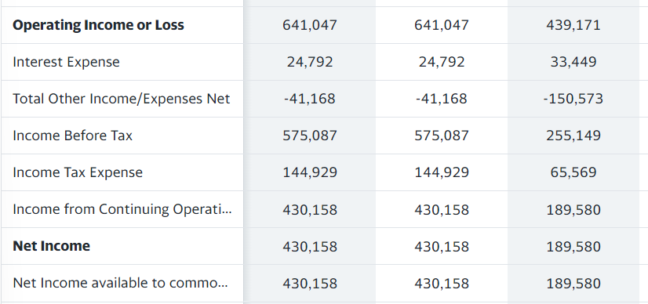
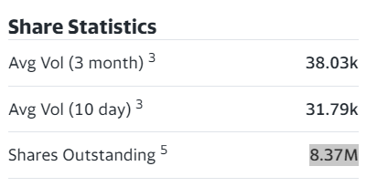
Calculating cost of debt
Short term & Current maturity of long term debt | 905156 | shares outstanding | 8.37M
Long-term Debt | 598817 |  | 8370000
Total Debt | 1503973
Interest Paid | 24792
 |  | market yield | 4.01%
Interest rate | 2%

calculating the tax rate

income before taxes | 575087
income after taxes | 430158
Tax rate | 25%

