Sheet1
Module Name | Assignment | Purpose

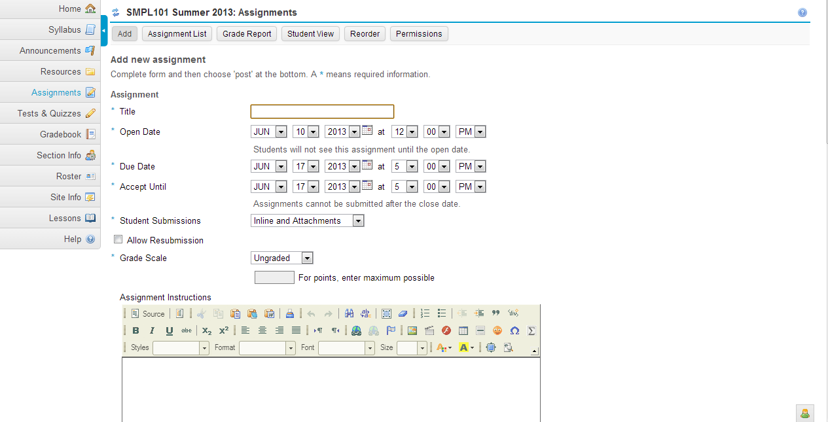
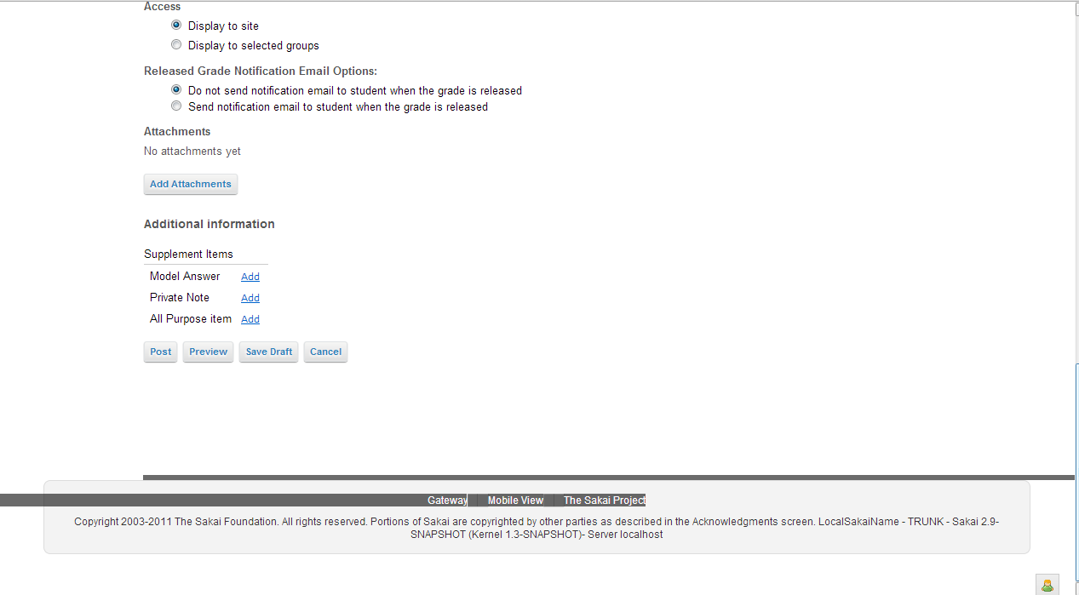
Velocity file | chef_assignments_instructor_new_edit_assignment.vm

Java file | AssignmentAction.java
Package | org.sakaiproject.assignment.tool

Class | public class AssignmentAction extends PagedResourceActionII

Functions

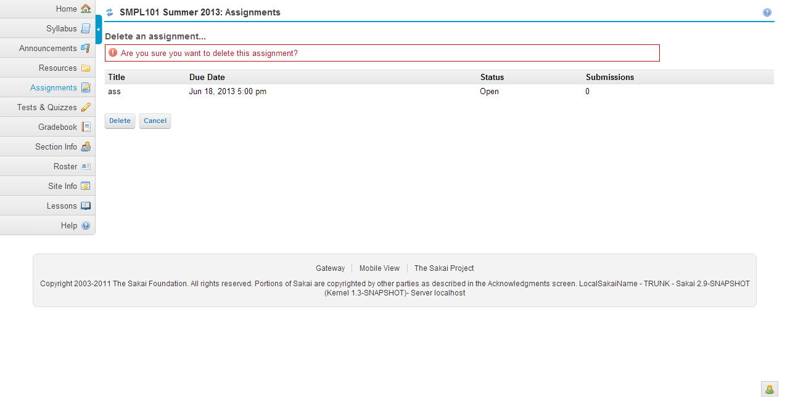
Velocity file | chef_assignments_instructor_delete_assignment.vm

Java file | AssignmentAction.java
Package | org.sakaiproject.assignment.tool

Class | public class AssignmentAction extends PagedResourceActionII

Functions | 1.public void doDelete_assignment(RunData data) | This function is used to delete the assignment from the list.
 | 2.public void doCancel_delete_assignment(RunData data) | This functions is used to cancel the deletion of assignment from the list.

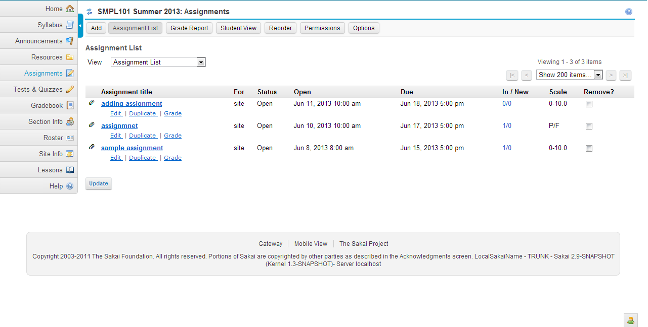
Velocity file | chef_assignments_list_assignments.vm

Java file | AssignmentAction.java
Package | org.sakaiproject.assignment.tool

Class | public class AssignmentAction extends PagedResourceActionII

Functions | 1.public void doDelete_confirm_assignment(RunData data) | This function is used to show the deletion confirmation screen.

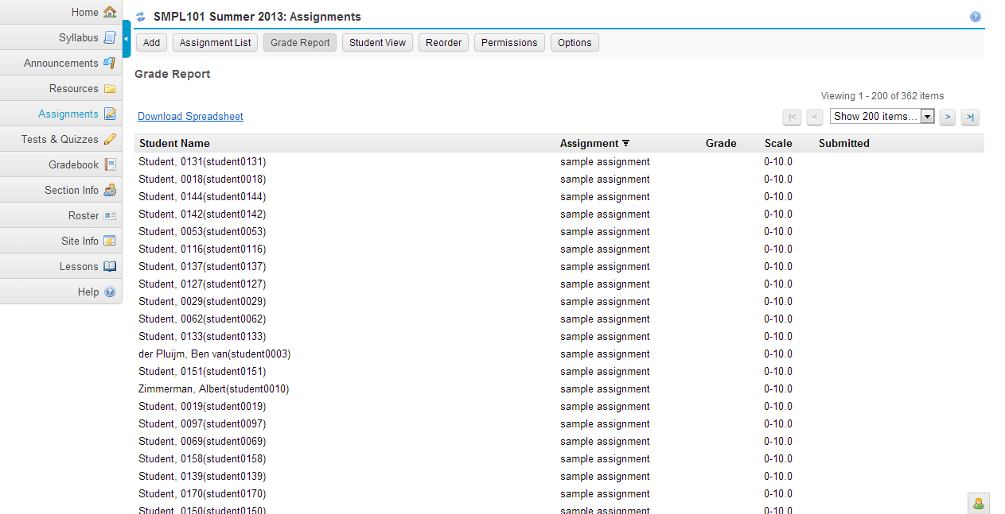
Velocity file | chef_assignments_instructor_report_submissions.vm

Java file | AssignmentAction.java
Package | org.sakaiproject.assignment.tool

Class | public class AssignmentAction extends PagedResourceActionII

Functions | 1.public void doSort_submission(RunData data) | This function is used to sort the submission based on the property given.

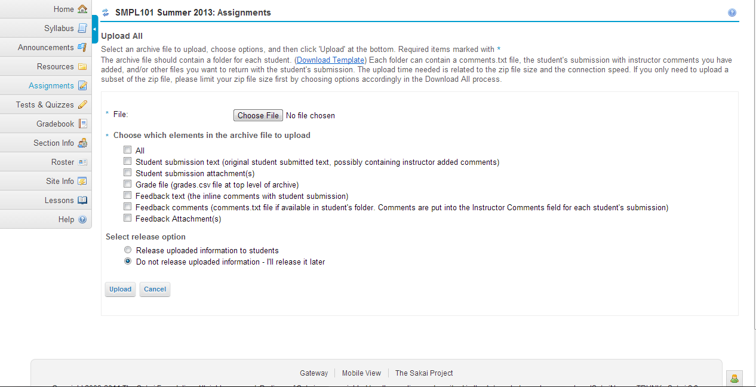
Velocity file | chef_assignments_instructor_uploadAll.vm

Java file | AssignmentAction.java
Package | org.sakaiproject.assignment.tool

Class | public class AssignmentAction extends PagedResourceActionII

Functions | 1.public void doUpload_all(RunData data) | This method is used to select a file and checks the size if the file is too big, it gives the alert message and checks the file format, gives error message only .zip file format will accept.Then checks which elements is choosen to upload the file.
 | 2.public void doDownload_upload_all(RunData data) | This method is used to upload the selected file after checking size,file type etc..
 | 3.public void doCancel_download_upload_all(RunData data) | This method is used to cancel the file upload and return to the submission list page.

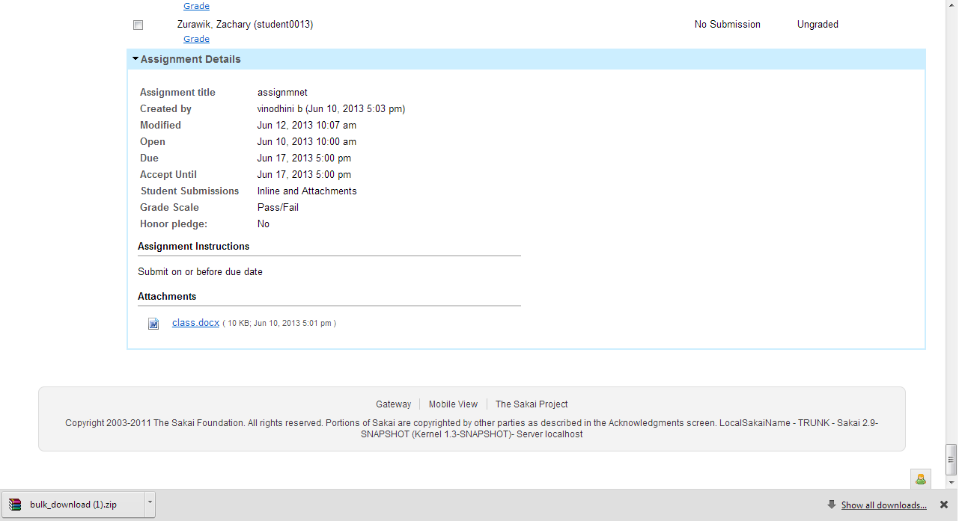
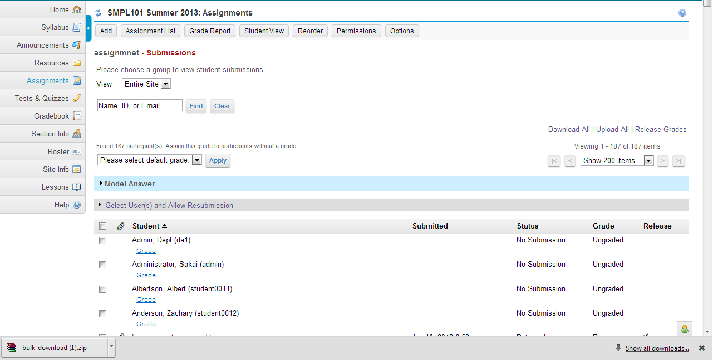
Velocity file | chef_assignments_instructor_list_submissions.vm

Java file | AssignmentAction.java
Package | org.sakaiproject.assignment.tool

Class | public class AssignmentAction extends PagedResourceActionII

Functions | 1.public void doSort_grade_submission(RunData data) | This method is used to sort submission based on the given property in instructor grade view
 | 2.public void doGrade_submission(RunData data) | This method is used to navigate to the grade submission screen.
 | 3.public void doHelp_item(RunData data)

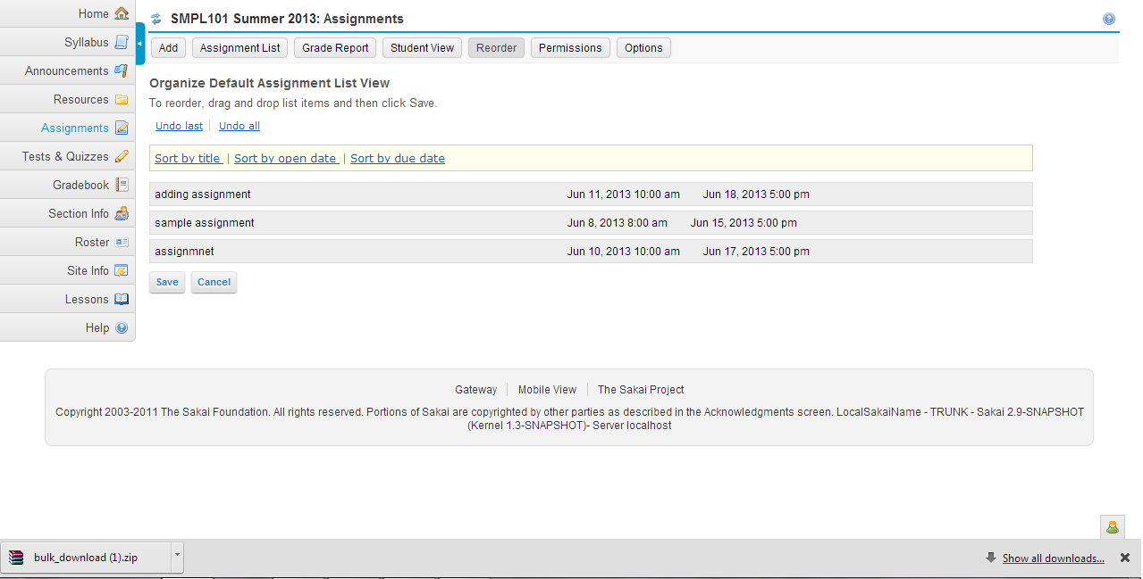
Velocity file | chef_assignments_instructor_reorder_assignment.vm

Java file | AssignmentAction.java
Package | org.sakaiproject.assignment.tool

Class | public class AssignmentAction extends PagedResourceActionII

Functions | 1.public void doSort(RunData data) | This method is used to sort based on the given property like title, open date, due date.

Javascript | reorderer.js | The save and cancel button refer reorderer.js file.

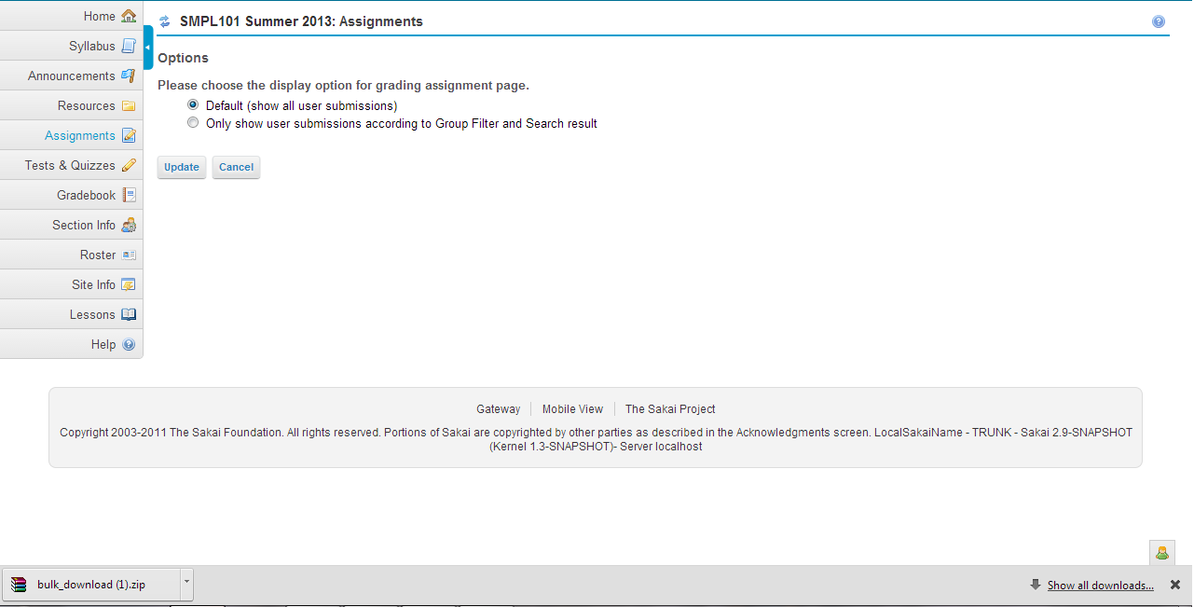
Velocity file | chef_assignments_options.vm

Javascript | assignment.js
Java file | AssignmentAction.java
Package | org.sakaiproject.assignment.tool

Class | public class AssignmentAction extends PagedResourceActionII

Functions | 1.public void doUpdate_options(RunData data) | This method is used to update the changes in option page.
 | 2.public void doCancel_options(RunData data, Context context) | This method is used to cancel the changes in option page.

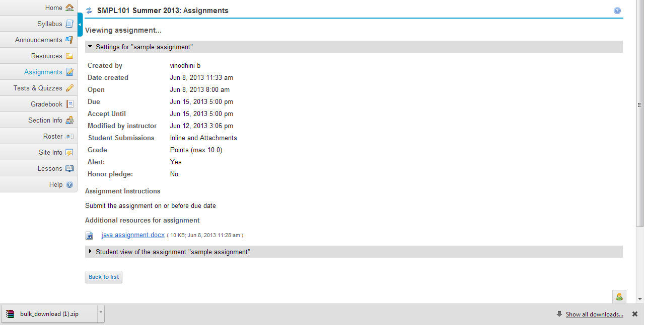
Velocity file | chef_assignments_instructor_view_assignment.vm

Java file | AssignmentAction.java
Package | org.sakaiproject.assignment.tool

Class | public class AssignmentAction extends PagedResourceActionII

Functions | 1.public void doHelp_activity(RunData data)
 | 2.public void doHide_view_assignment(RunData data) | This method is used to hide the assignment content in the view assignment page
 | 3.public void doShow_view_assignment(RunData data) | This method is used to show the assignment content in the view assignment page
 | 4.public void doHide_view_student_view(RunData data) | This method is used to hide the student view in the view assignment page
 | 5.public void doShow_view_student_view(RunData data) | This method is used to show the student view in the view assignment page
 | 6.public void doAttachments(RunData data) | This method is used when we add attachments.It will save the current input in the page and pick the file to attach if needed.
 | 7.public void doPost_assignment(RunData data) | This method is used to post the assignment(Saving)
 | 8.public void doDone_view_assignment(RunData data) | This method is used to end the view assignment process and it will go back to the list.

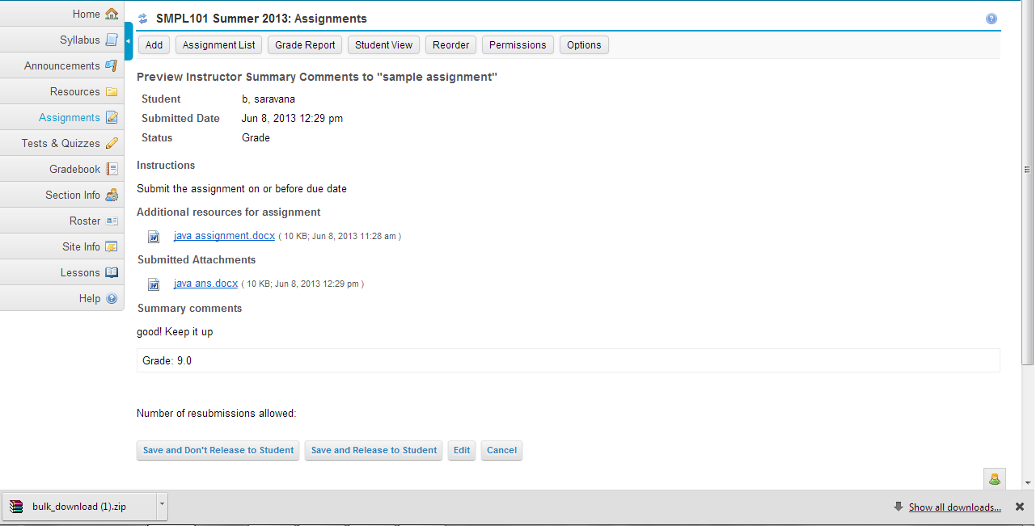
Velocity file | chef_assignments_instructor_preview_grading_submission.vm

Java file | AssignmentAction.java
Package | org.sakaiproject.assignment.tool

Class | public class AssignmentAction extends PagedResourceActionII

Functions | 1.public void doSave_preview_grade_submission(RunData data) | This method is used to save submission with or without grade from preview
 | 2.public void doReturn_preview_grade_submission(RunData data) | This method is used to return submission with or without grade from preview
 | 3.public void doCancel_preview_grade_submission(RunData data) | This method is used to cancel the preview grade process.
 | 4.public void doCancel_preview_to_list_submission(RunData data) | This method is used to cancel the preview grade process

Velocity file | chef_assignments_instructor_preview_assignment.vm
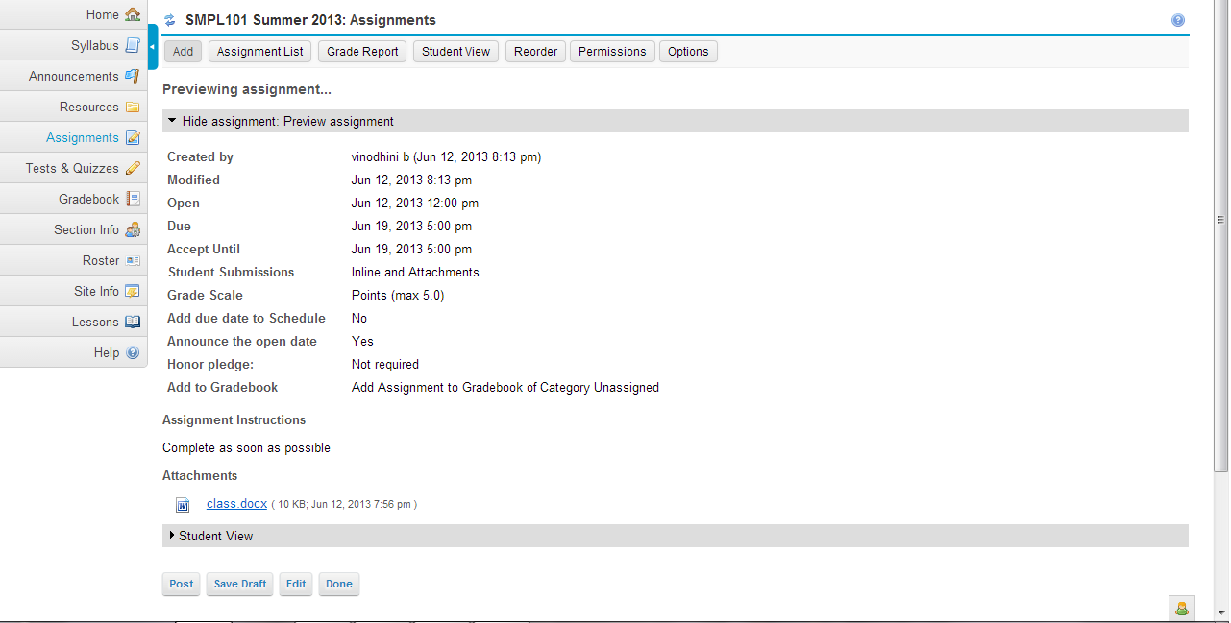
Java file | AssignmentAction.java
Package | org.sakaiproject.assignment.tool

Class | public class AssignmentAction extends PagedResourceActionII

Functions | 1.public void doHide_preview_assignment_assignment(RunData data) | This method is used to hide the preview assignment details.
 | 2.public void doShow_preview_assignment_assignment(RunData data) | This method is used to show the preview assignment details.
 | 3.public void doHide_preview_assignment_student_view(RunData data) | This method is used to hide the preview assignment student view
 | 4.public void doShow_preview_assignment_student_view(RunData data) | This method is used to show the preview assignment student view.

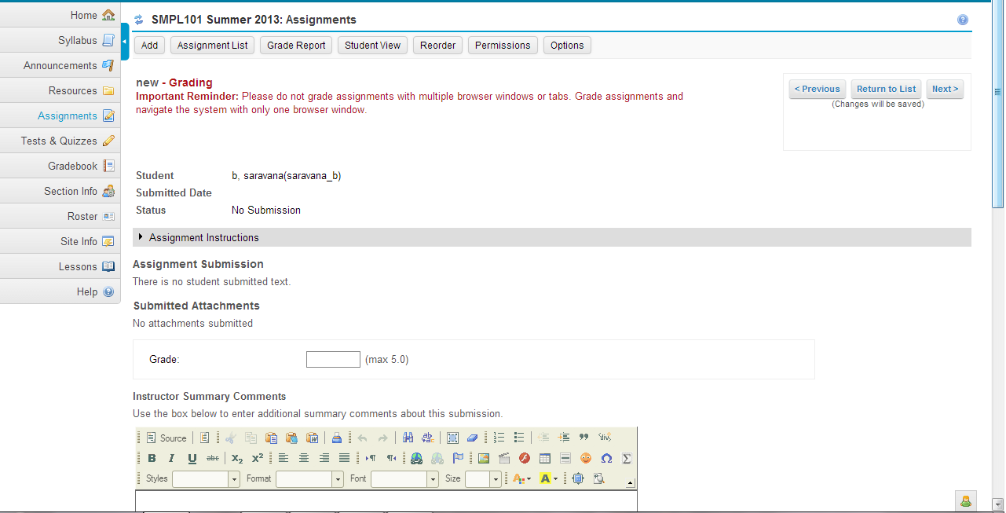
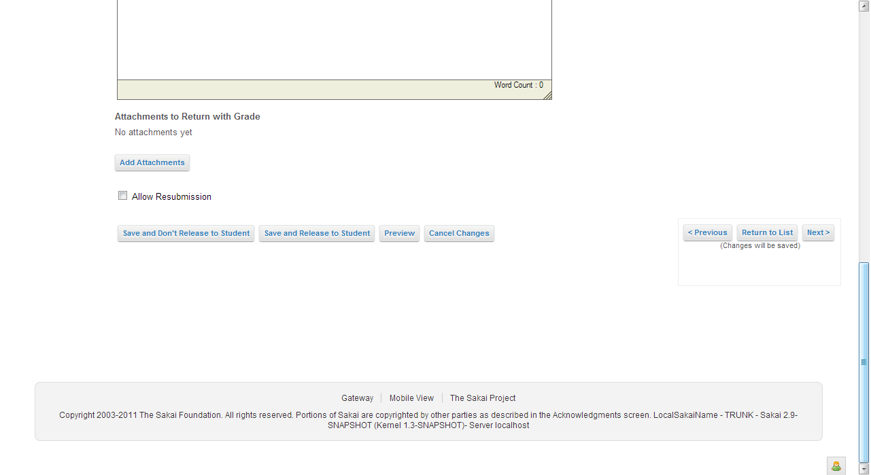
Velocity file | chef_assignments_instructor_grading_submission.vm

Java file | AssignmentAction.java
Package | org.sakaiproject.assignment.tool

Class | public class AssignmentAction extends PagedResourceActionII

Functions

Velocity file | chef_assignments_instructor_student_list_submissions.vm

Java file | AssignmentAction.java
Package | org.sakaiproject.assignment.tool

Class | public class AssignmentAction extends PagedResourceActionII

Functions | 1.public void doShow_student_submission(RunData data) | This method is used to show the student submissions.
 | 2.public void doHide_student_submission(RunData data) | This method is used to hide the student submissions.
 | 3.public void doGrade_submission(RunData data) | This method is used to naviagte to the grade submission screen.
 | 4.public void doView_submission(RunData data) | This method is used to view the content of one specific assignment submission.

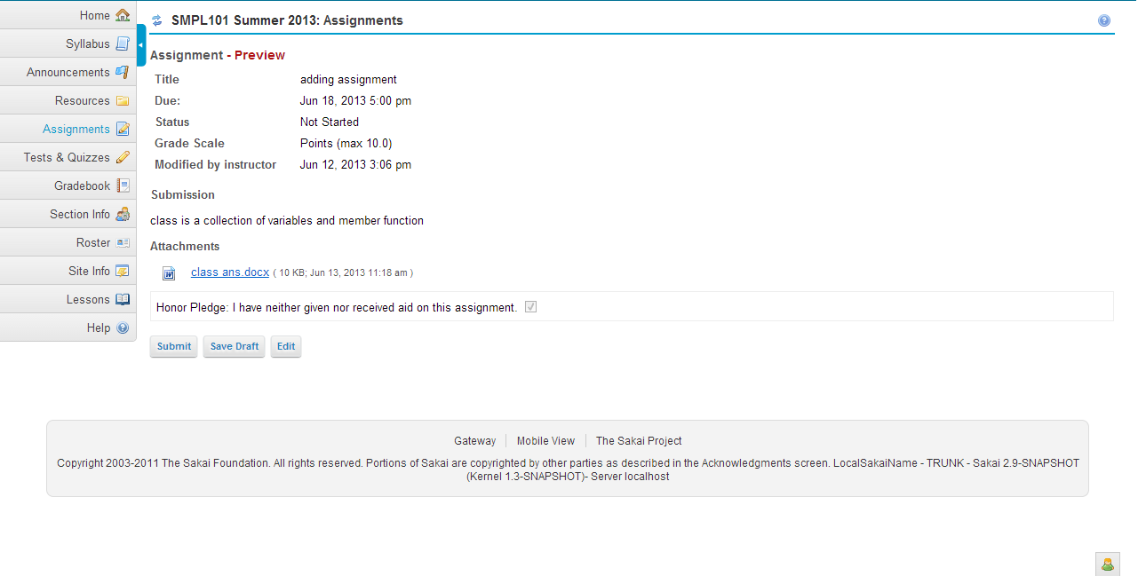
Velocity file | chef_assignments_student_preview_submission.vm

Java file | AssignmentAction.java
Package | org.sakaiproject.assignment.tool

Class | public class AssignmentAction extends PagedResourceActionII

Functions | 1.public void doRead_add_submission_form(RunData data)
 | 2.public void doSave_submission(RunData data)
 | 3.public void doPost_submission(RunData data)
 | 4.public void doCancel_show_submission(RunData data)

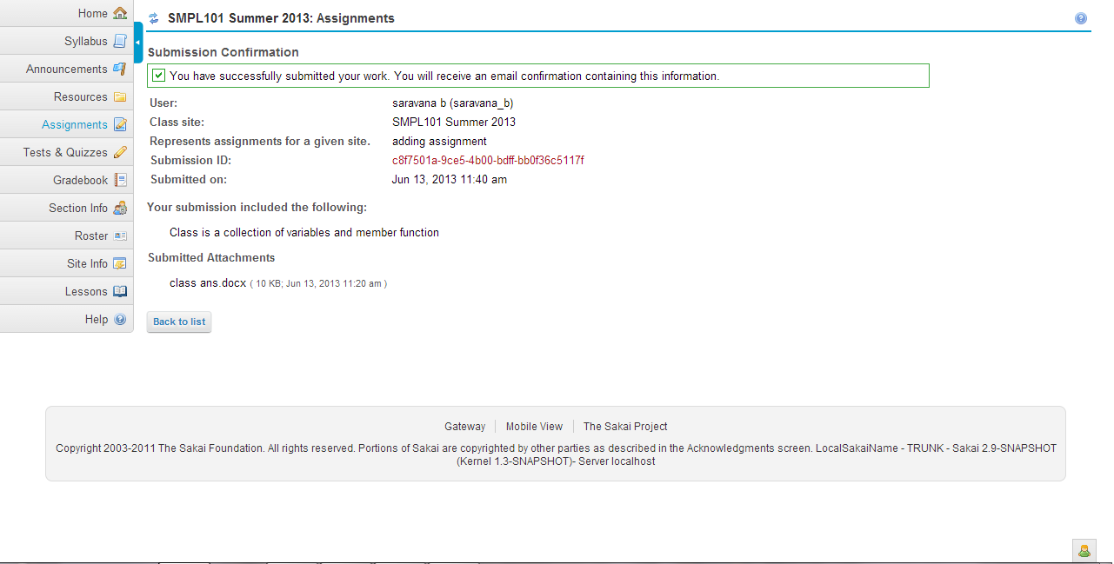
Velocity file | chef_assignments_student_view_submission_confirmation.vm

Java file | AssignmentAction.java
Package | org.sakaiproject.assignment.tool

Class | public class AssignmentAction extends PagedResourceActionII

Functions | public void doConfirm_assignment_submission(RunData data) | This method is used to confirm the submission and return to list view

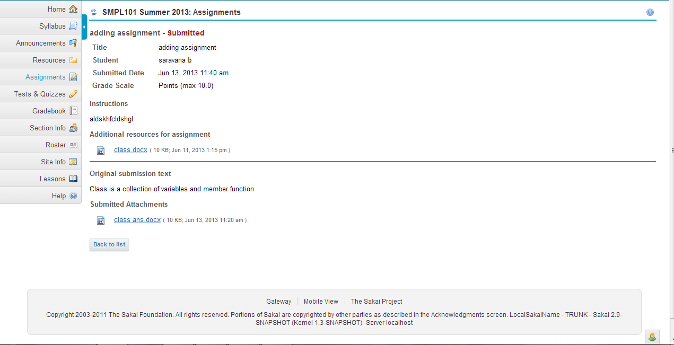
Velocity file | chef_assignments_student_view_assignment.vm |  | Database
 |  |  | asn_ap_item_access_t
Java file | AssignmentAction.java |  | asn_ap_item_t
Package | org.sakaiproject.assignment.tool |  | asn_ma_item_t
 |  |  | asn_note_item_t
Class | public class AssignmentAction extends PagedResourceActionII |  | asn_sup_attach_t
 |  |  | asn_sup_item_t
Functions | 1.public void doCancel_student_view_assignment(RunData data) | This method is used to end the user view assignment process and redirect him to the assignment list view | assignment_assignment
 |  |  | assignment_content
 |  |  | assignment_submission

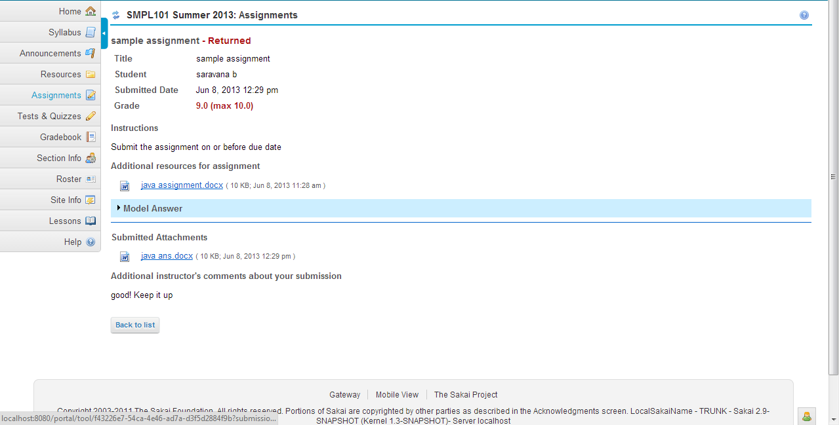
Velocity file | chef_assignments_student_view_grade.vm

Java file | AssignmentAction.java
Package | org.sakaiproject.assignment.tool

Class | public class AssignmentAction extends PagedResourceActionII

Functions | 1.public void doCancel_view_grade(RunData data) | This method is used to cancel the student view grade process

