Sheet1
Glossary |  | Purpose | Database
 |  |  | osp_help_glossary
Package | org.theospi.portfolio.help.model |  | osp_help_glossary_desc
Interface1 | Glossary.java

Package | org.theospi.portfolio.help.model;
Implementation | DbGlossary.java

Class | DbGlossary

Functions | 1.public GlossaryEntry load(Id id)
 | 2. protected GlossaryEntry load(Id id, boolean deep)
 | 3. protected GlossaryEntry find(Id id)
 | 4.protected GlossaryDescription loadDescription(Id entryId)
 | 5. public GlossaryEntry find(String keyword, String worksite) | Find the keyword in the glossary. return null if not found.
 | 6. public Collection findAll(String keyword, String worksite) | Returns the list of all GlossaryEntries with two parameters keyword and worksite
 | 7.public Collection findAll(String worksite) | Returns the list of all GlossaryEntries with one parameter worksite
 | 8. public Collection findAll()
 | 9. public Collection findAllGlobal()
 | 10. public GlossaryEntry addEntry(GlossaryEntry newEntry) | This method is used to add the entry in the list
 | 11.public void removeEntry(GlossaryEntry entry) | This method is used to remove the entry in the list
 | 12.public void updateEntry(GlossaryEntry entry) | This method is used to update the entry already exists in the list
 | 13.protected void updateCache(GlossaryEntry entry, boolean remove)
 | 14.public Set getSortedWorksiteTerms(String worksiteId)
 | 15.protected Map getWorksiteGlossary(String worksiteId)
 | 16.protected Map getWorksiteGlossary(String worksiteId, boolean checkCache)
 | 17.public void checkCache()
 | 18.public boolean isPhraseStart(String phraseFragment, String worksite)
 | 19.public void importResources(String fromContext, String toContext, List resourceIds)
 | 20. public void init()
 | 21. protected void addUpdateTermCache(GlossaryEntry entry)
 | 22. protected void removeCachedEntry(Id entryId)
 | 23.public void update(Observable o, Object arg)
 | 24. private class GlossaryTxSync extends TransactionSynchronizationAdapter
 | 25.public void afterCompletion(int status)

Interface2 | HelpManager.java
Implementation | HelpManagerImpl.java

Class | HelpManagerImpl

Functions | 1.public GlossaryEntry searchGlossary(String keyword)
 | 2.public boolean isPhraseStart(String phraseFragment)
 | 3.public GlossaryEntry addEntry(GlossaryEntry newEntry)
 | 4.public void removeEntry(GlossaryEntry entry)
 | 5. public void updateEntry(GlossaryEntry entry)
 | 6. public boolean isMaintainer()
 | 7.public Collection getWorksiteTerms()
 | 8.public Collection getWorksiteTerms(String workSite)
 | 9. public boolean isGlobal()
 | 10.protected boolean entryExists(GlossaryEntry entry)
 | 11.protected boolean entryExists(GlossaryEntry entry, String worksite)
 | 12. public String packageForDownload(Map params, OutputStream out) throws IOException
 | 13. public void packageGlossaryForExport(Id worksiteId, OutputStream os) throws IOException
 | 14.public void putWorksiteTermsIntoZip(Id worksiteId, ZipOutputStream zout) throws IOException
 | 15.protected void storeFileInZip(ZipOutputStream zos, Reader in,String entryName) throws IOException
 | 16.public Node getNode(Id artifactId)
 | 17.public void importTermsResource(String resourceId, boolean replaceExisting) throws IOException, UnsupportedFileTypeException, JDOMException
 | 18.public void importTermsResource(Id worksiteId, String resourceId, boolean replaceExisting) throws IOException, UnsupportedFileTypeException, JDOMException
 | 19.public void importTermsStream(Id worksiteId, InputStream inStream, boolean replaceExisting) throws UnsupportedFileTypeException, JDOMException, IOException
 | 20.public List extractEntries(Document document) throws UnsupportedFileTypeException
 | 21.protected Id getToolId()
 | 22.public void removeFromSession(Object obj)

Screen | GlossaryBase.java
Class | GlossaryBase

Functions | 1.public int hashCode()

Screen | GlossaryDescription.java
Class | GlossaryDescription | The data members of this class defines corresponding getters and setters method

Screen | GlossaryEntry.java
Class | GlossaryEntry | The data members of this class defines corresponding getters and setters method

Contructor | 1.public GlossaryEntry() | Constructor with no parameters
 | 2.public GlossaryEntry(String term, String description) | Constructor with two parameters term and description

Functions | 1.public void setTerm(String term) | This method defines that the term title limited to 255 characters.
 | 2.public void setDescription(String description) | This method defines that the short description limited to 255 characters
 | 3.public String toString() | This method returns in a string that is textually represent format.

Screen | GlossaryUploadForm.java
Class | GlossaryUploadForm | The data members of this class defines corresponding getters and setters method

Screen | TermComparator.java
Class | TermComparator

Functions | public int compare(Object o1, Object o2) | Compares its two arguments for order. Returns a negative integer, zero, or a positive integer as the first argument is less than, equal to or greater than the second.

Package | org.theospi.portfolio.help.impl
Screen | GlossaryEntityProducer.java
Class | public class GlossaryEntityProducer extends EntityProducerBase implements EntityTransferrer

Functions | 1.public void init()
 | 2.public void transferCopyEntities(String fromContext, String toContext, List ids)
 | 3.public String[] myToolIds()
 | 4. public void transferCopyEntities(String fromContext, String toContext, List ids, boolean cleanup)

Package | org.theospi.portfolio.help.impl
Screen | GlossaryHttpAccess.java
Class | public class GlossaryHttpAccess extends OspHttpAccessBase

Functions | protected void checkSource(Reference ref, ReferenceParser parser) throws EntityPermissionException, EntityNotDefinedException, EntityAccessOverloadException, EntityCopyrightException

Package | org.theospi.portfolio.help.control
Screen | GlossaryTag.java
Class | public class GlossaryTag extends BodyTagSupport | The data members of this class defines corresponding getters and setters method

Functions | 1. public int doStartTag() throws JspException
 | 2.public int doAfterBody() throws JspException
 | 3. protected Set getTerms()
 | 4. public HelpManager getHelpManager()

Package | org.theospi.portfolio.help.helper
Screen | HelperTagHelp.java
Class | public class HelpTagHelper

Functions | 1. static public void renderHelp(Reader reader, int charCount, Writer writer, GlossaryEntry[] terms, boolean firstOnly, boolean hover, boolean link) throws IOException
 | 2.static protected void handleLast(Writer out, StringBuilder buf, GlossaryEntry[] terms,boolean inPhrase, Collection foundWords, boolean firstOnly, boolean hover, boolean link) throws IOException
 | 3.static public HelpManager getHelpManager()
 | 4. static protected boolean isPhraseStart(String phrase, GlossaryEntry[] terms) | Checks to see if the phrase matches the beginning of any terms
 | 5.static protected GlossaryEntry searchGlossary(String phrase, GlossaryEntry[] terms)
 | 6. static protected void outputPhrase(Writer out, StringBuilder buf, Collection foundWords, GlossaryEntry[] terms, boolean firstOnly, boolean hover, boolean link) throws IOException
 | 7. static protected String getMarkup(String originalTerm, GlossaryEntry entry, boolean hover, boolean link)
 | 8. static protected String replaceQuotes(String description) | This method replaces the string
 | 9.static protected boolean isWordBoundary(char c) | This method matches white space and \p{Punct} is for any punctuation

Package | org.theospi.portfolio.help.jsf.component
Screen | GlossaryComponent.java
Class | public class GlossaryComponent extends UIOutput

Constructor | public GlossaryComponent() | Constructor with no arguments

Package | org.theospi.portfolio.help.jsf.renderer
Screen | GlossaryRenderer.java
Class | public class GlossaryRenderer extends Renderer

Functions | 1.public boolean supportsComponentType(UIComponent component)
 | 2.public void encodeBegin(FacesContext context, UIComponent component) throws IOException
 | 3.public void encodeEnd(FacesContext context, UIComponent component) throws IOException
 | 4.protected Set getTerms(Map requestMap)

Packages | org.theospi.portfolio.help.jsf.tag
Screen | GlossaryTag.java
Class | public class GlossaryTag extends UIComponentTag | The data members of this class defines corresponding getters and setters method

Functions | 1.public String getComponentType()
 | 2.public String getRendererType()
 | 3.protected void setProperties(UIComponent component)

controller class1
Package | org.theospi.portfolio.help.control
File | GlossaryController.java
Class | public class GlossaryController implements Controller | The data member of this class defines corresponding getter and setter method.

Functions | 1.public ModelAndView handleRequest(Object requestModel, Map request, Map session, Map application, Errors errors)

Controller class2
Package | org.theospi.portfolio.help.control
File | GlossaryEditController.java
Class | public class GlossaryEditController extends HelpController implements LoadObjectController

Functions | 1.public Object fillBackingObject(Object incomingModel, Map request,Map session, Map application) throws Exception
 | 2.public ModelAndView handleRequest(Object requestModel, Map request, Map session, Map application, Errors errors)

Package | org.theospi.portfolio.help.control
File | GlossaryEntryValidator.java
Class | public class GlossaryEntryValidator extends ValidatorBase

Functions | 1.public boolean supports(Class clazz)
 | 2.public void validate(Object obj, Errors errors)

Controller Class3
Package | org.theospi.portfolio.help.control
File | GlossaryImportController.java
Class | public class GlossaryImportController extends HelpController implements Validator, CancelableController, FormController | The data members of this class defines corresponding getters and setters method.

Functions | 1.public ModelAndView handleRequest(Object requestModel, Map request, Map session,Map application, Errors errors)
 | 2. public Map referenceData(Map request, Object command, Errors errors)
 | 3.public boolean supports(Class clazz)
 | 4.public void validate(Object obj, Errors errors)
 | 5. public boolean isCancel(Map request)
 | 6.public ModelAndView processCancel(Map request, Map session, Map application, Object command, Errors errors) throws Exception

Controller Class4
Package | org.theospi.portfolio.help.control
File | GlossaryListController.java
Class | public class GlossaryListController extends HelpController | The data members of this class defines corresponding getters and setters method.

Functions | 1.public ModelAndView handleRequest(Object requestModel, Map request, Map session, Map application, Errors errors)
 | 2. protected int getTermIndex(List terms, String termId)

Controller class5
Package | org.theospi.portfolio.help.control
File | GlossaryRemoveController.java
Class | public class GlossaryRemoveController extends HelpController

Functions | 1.public ModelAndView handleRequest(Object requestModel, Map request, Map session, Map application, Errors errors)

Controller class5
Package | org.theospi.portfolio.help.control
File | HelpController.java
Class | public class HelpController implements Controller | The data members of this class defines corresponding getters and setters method.

Functions | public ModelAndView handleRequest(Object requestModel, Map request, Map session, Map application, Errors errors)


JSP file

GlossaryTerm.jsp | This jsp file will display the term and description and close button

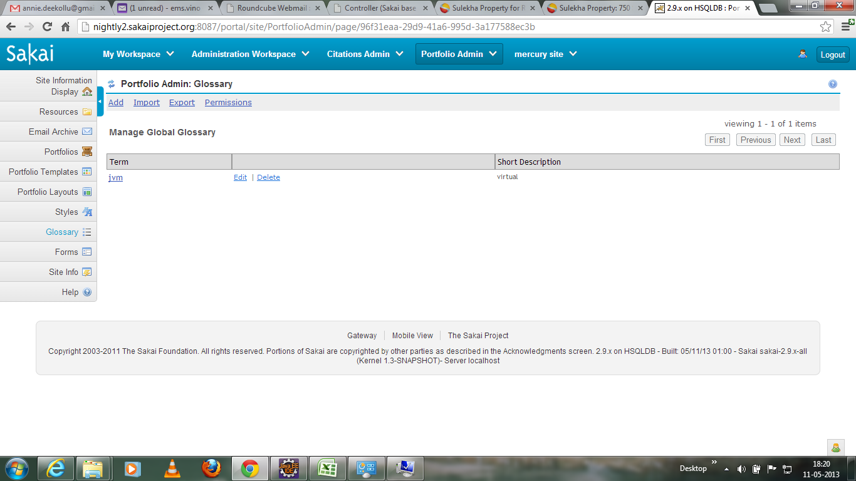
listTerm.jsp | This jsp file display the list of terms in the glossary

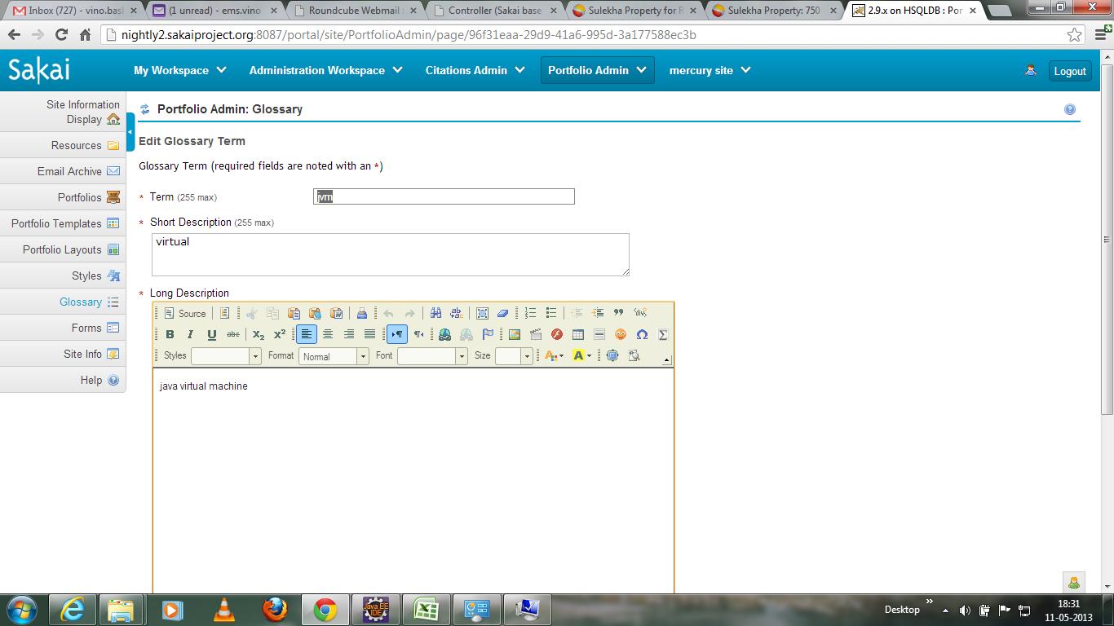
editGlossaryTerm.jsp | Ths jsp file will display the edit term page.

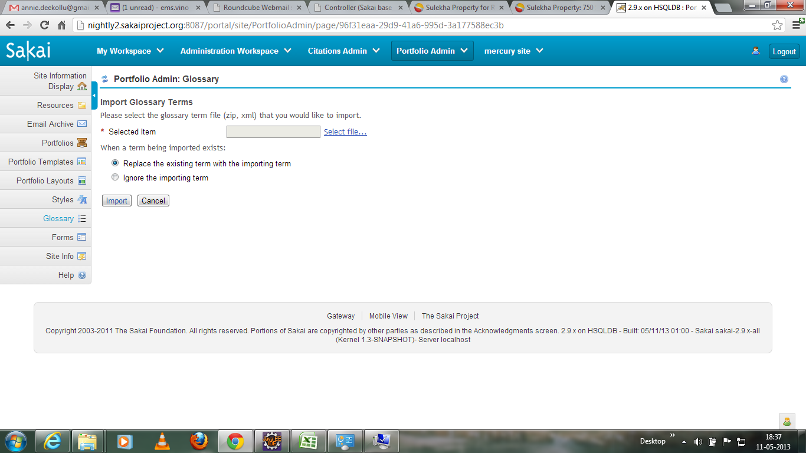
importGlossary.jsp | This jsp file display the import glossary page.

