Sheet1
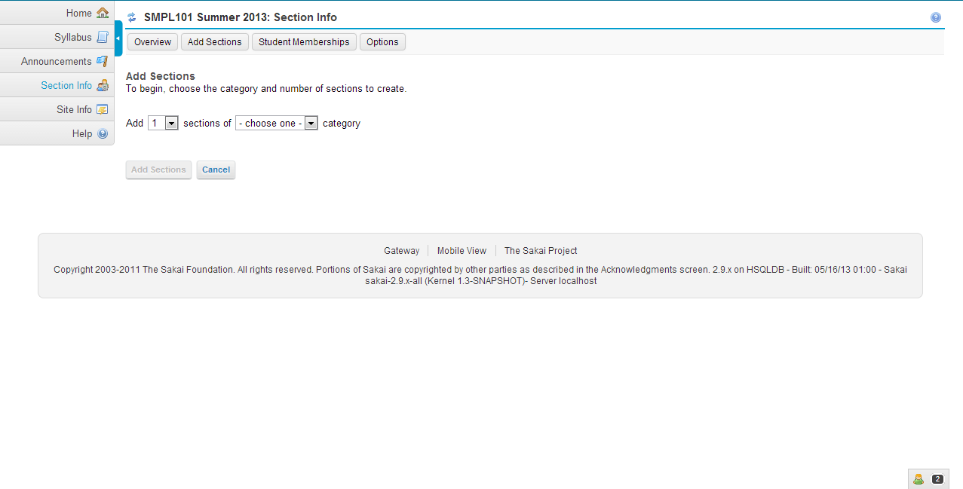
Module Name | Sections
 |  |  | Database
JSP file | addSections.jsp | In this jsp file navMenu.jspf,globalMessages.jspf and sectionEditor.jspf files are included. | CM_SEC_CATEGORY_T
 |  |  | CM_MEETING_T
Java file | AddSectionsBean.java
Package | org.sakaiproject.tool.section.jsf.backingbean;

Class | public class AddSectionsBean extends CourseDependentBean implements SectionEditor, Serializable | The data members of this class has corresponding getters and setters method.

Functions | 1.public void init()
 | 2.public void processChangeNumSections(ValueChangeEvent event) | addSections jsp file calls this method. It responds to the change in add number of sections drop down in the user interface
 | 3.public void processChangeSectionsCategory(ValueChangeEvent event) | addSections jsp file calls this method. It responds to the change in category drop down in the user interface
 | 4.public void processAddMeeting(ActionEvent action)
 | 5.private void populateSections()
 | 6.private boolean isDuplicateSectionTitle(String title, Collection existingSections) | This method is used to checks whether a string is currently being used as a title for another section.
 | 7.public String addSections() | addSections jsp file calls this method. Adds the sections, or generates validation messages for bad inputs.
 | 8.protected boolean validationFails() | In this method all validations have to be done.Eg:Existing section name , limited size,invalid time or not..
 | 9.protected boolean isEndTimeWithoutStartTime(LocalMeetingModel meeting) | This method checks whether an end time has been entered without a start time.
 | 10.public static boolean isEndTimeBeforeStartTime(LocalMeetingModel meeting) | This method checks whether two times, as expressed by string start and end times and booleans indicating am/pm,express times where the end time proceeds a start time.
 | 11.protected boolean isInvalidTime(String str) | This method checks whether a string can represent a valid time.
 | 12.private static boolean outOfRange(String str, int len, int low, int high) | This method returns true if the string is longer than len, less than low, or higher than high.
 | 13.private boolean isInvalidMaxEnrollments(LocalSectionModel sectionModel)
 | 14.protected void initDaysOfWeek()

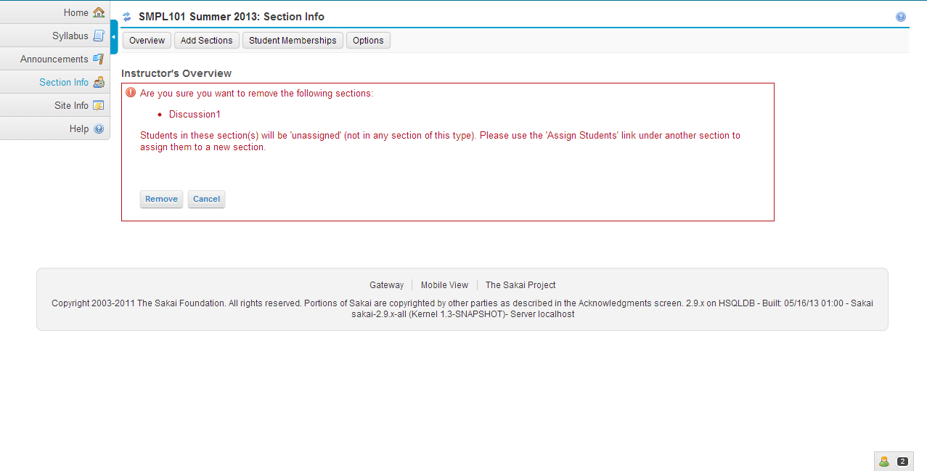
JSP file | deleteSections.jsp | In this jsp file navMenu.jspf file is included.

Javafile | OverviewBean.java
Package | org.sakaiproject.tool.section.jsf.backingbean

Class | public class OverviewBean extends FilteredSectionListingBean implements Serializable

Functions | 1.public void init()
 | 2.protected Comparator<SectionDecorator> getComparator()
 | 3.public String confirmDelete()
 | 4.public String deleteSections() | deleteSections.jsp calls this method.This method is used to delete the sections.
 | 5.public boolean isDeleteRendered()
 | 6.public boolean isExternallyManaged()
 | 7.public List getSectionsToDelete()
 | 8.public boolean isSortAscending()
 | 9.public void setSortAscending(boolean sortAscending)
 | 10.public String getInstructions()

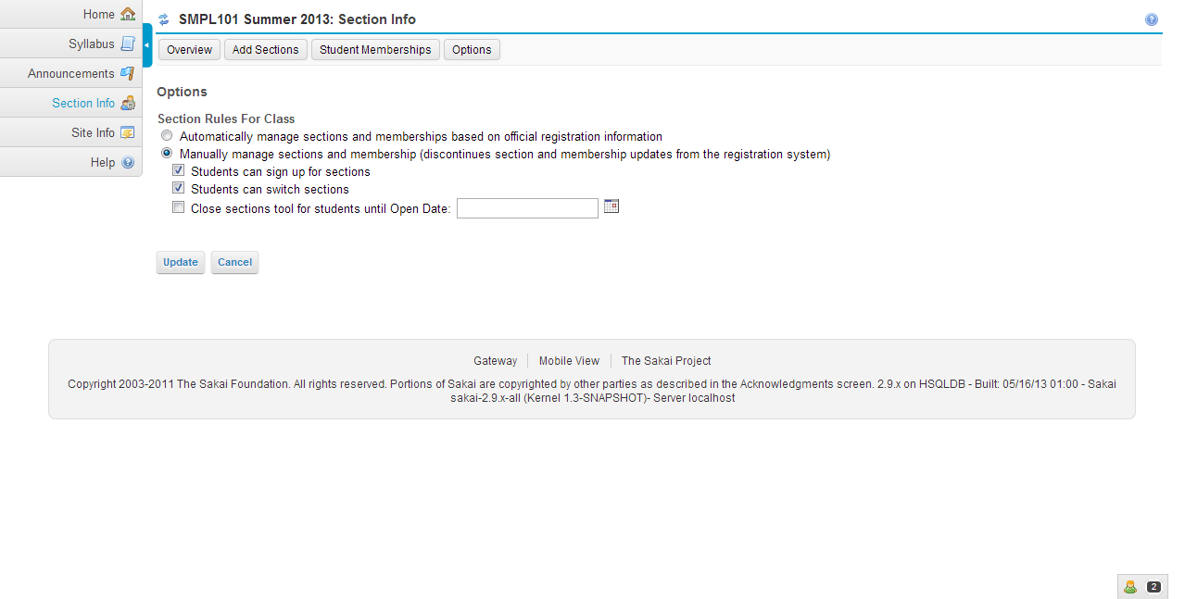
JSP file | Options.jsp | In this jsp file navMenu.jspf and global Messages.jspf are included.

Javafile | OptionsBean.java
Package | org.sakaiproject.tool.section.jsf.backingbean

Class | public class OptionsBean extends CourseDependentBean implements Serializable

Functions | 1.public void init()
 | 2.public String confirmExternallyManaged() | Options.jsp calls this method.
 | 3.public String update() | Options.jsp calls this method.This method is used to update any settings for sections.
 | 4.public String update(boolean checkForConfirmation)
 | 5.public boolean isSelfRegister()
 | 6.public void setSelfRegister(boolean selfRegister)
 | 7.public boolean isSelfSwitch()
 | 8.public void setSelfSwitch(boolean selfSwitch)
 | 9.public boolean isOpenSwitch()
 | 10.public void setOpenSwitch(boolean openSwitch)
 | 11.public String getManagement()
 | 12.public void setManagement(String management)
 | 13.public boolean isConfirmMode()
 | 14.public void setConfirmMode(boolean confirmMode)
 | 15.public boolean isManagementToggleEnabled()
 | 16.public String getOpenDate()
 | 17.public void setOpenDate(String date)

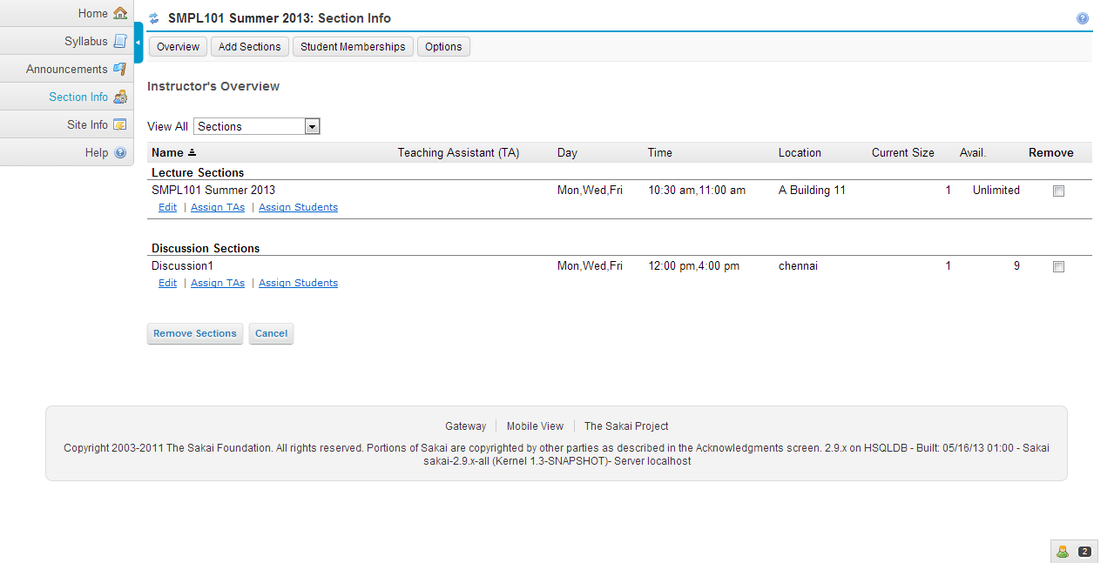
JSP file | Overview.jsp | In this jsp file navMenu.jspf,globalMessages.jspf and sectionFilter.jspf files are included

Java file | OverviewBean.java
Package | org.sakaiproject.tool.section.jsf.backingbean

Class | public class OverviewBean extends FilteredSectionListingBean implements Serializable

Functions | 1.public void init()
 | 2.protected Comparator<SectionDecorator> getComparator()
 | 3.public String confirmDelete() | This method invoked in Overviewjsp.It is used to remove the section.
 | 4.public String deleteSections()
 | 5.public boolean isDeleteRendered() | This method invoked in Overviewjsp.
 | 6.public boolean isExternallyManaged()
 | 7.public List getSectionsToDelete()
 | 8.public String getSortColumn()
 | 9.public boolean isSortAscending()
 | 10.public void setSortAscending(boolean sortAscending)
 | 11.public void setSortColumn(String sortColumn)
 | 12.public String getInstructions()

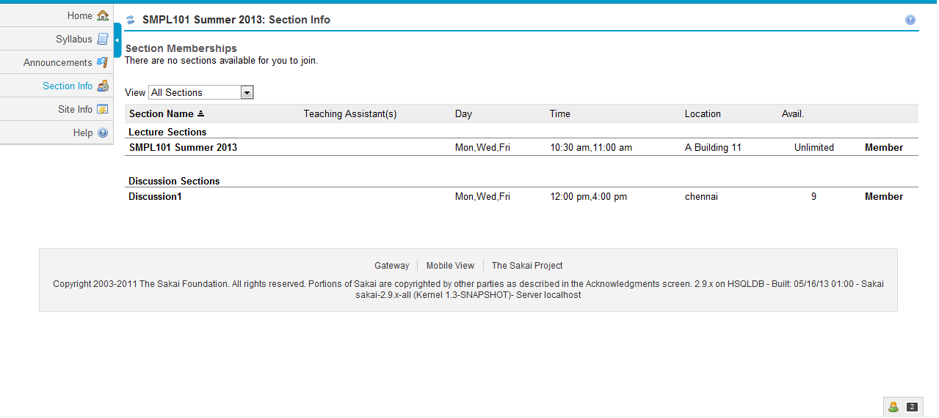
JSP File | StudentView.jsp
 |  | In this jsp file globalMessages.jspf file is included.
Java file | StudentViewBean.java
Package | org.sakaiproject.tool.section.jsf.backingbean

Class | public class StudentViewBean extends EditStudentSectionsBean implements Serializable | This class controls the student view page. The data members sortcolumn,filter and instruction of this class defines corresponding getters and setters method

Constructor | public StudentViewBean() | Constructor without parameters. This constructor initializes the sortcolumn , sortAscending datamembers of this class
Functions | 1.public void init()
 | 2.private String generateInstructions(boolean joinableSectionsExist, boolean switchableSectionsExist)
 | 3.public void processJoinSection(ActionEvent event) | This method invoked in StudentView.jsp
 | 4.public void processSwitchSection(ActionEvent event) | This method invoked in StudentView.jsp
 | 5.public boolean isExternallyManaged()
 | 6.public boolean isJoinAllowed()
 | 7.public boolean isSwitchAllowed()
 | 8.public String getInstructions()
 | 9.public boolean isSortAscending()
 | 10.public void setSortAscending(boolean sortAscending)
 | 11. public void refresh()

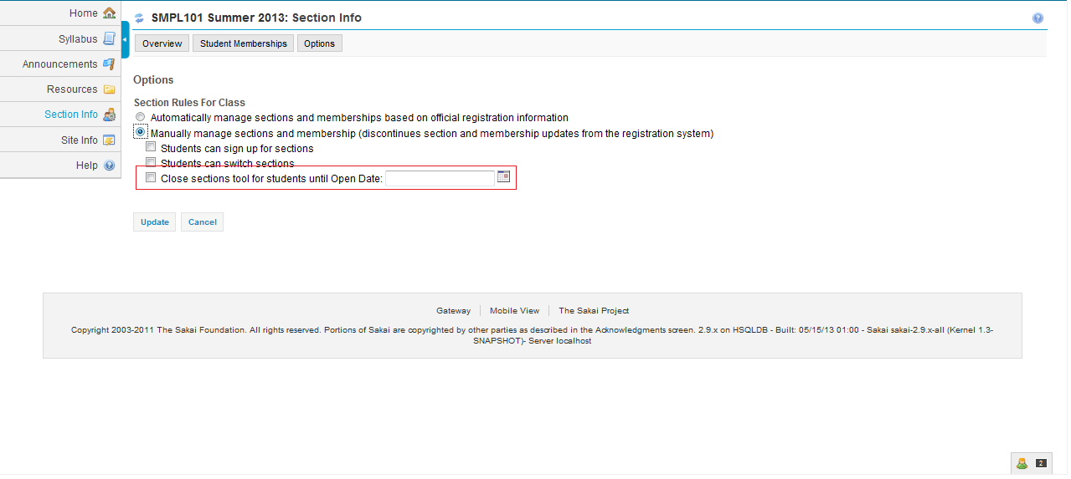
JSP File | Closed.jsp

Java file | OptionsBean.java
Package | org.sakaiproject.tool.section.jsf.backingbean

Class | public class OptionsBean extends CourseDependentBean implements Serializable

Functions | 1.public String getOpenDate() 2.public void setOpenDate(String date) | The opendate() is used in the closed.jsp. This method is used for the selection for the date from the calendar.It will create a calendar.

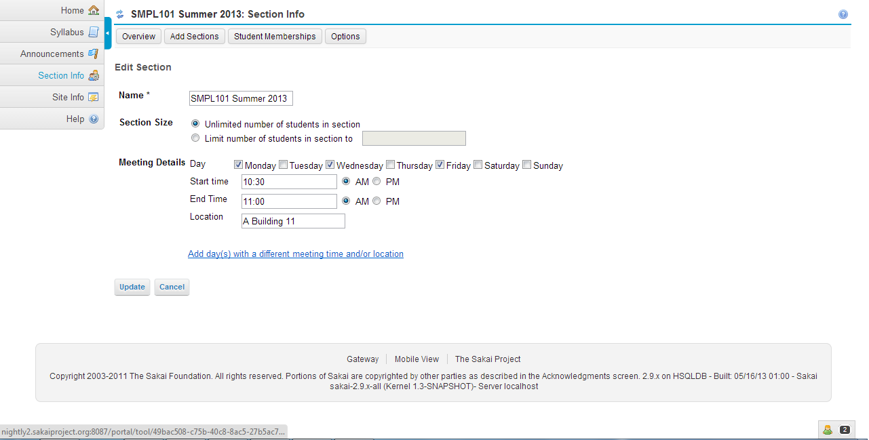
 |  | In this jsp file navMenu.jspf,globalMessages.jspf and sectionEditor.jspf files are included.
JSP File | editSection.jsp

Java file | EditSectionBean.java
Package | org.sakaiproject.tool.section.jsf.backingbean

Class | public class EditSectionBean extends AddSectionsBean implements SectionEditor, Serializable

Functions | 1.public void init()
 | 2.public void processAddMeeting(ActionEvent action)
 | 3.protected boolean validationFails() | This method is used for validation.It will check everything . For example checking the title ,limited size, start time and end time for the meetings.
 | 4.public String update() | This method is used to edit the existing section and updated it.
 | 5.private boolean isDuplicateSectionTitle() | This method is used to check whether the title already existed or not. It returns true if the title is a duplicate of another section.
 | 6.private boolean isInvalidMaxEnrollments()
 | 7.public String getSectionUuid()
 | 8.public void setSectionUuid(String sectionUuid)
 | 9.public LocalSectionModel getSection()
 | 10.public void setSection(LocalSectionModel section)
 | 11.public List<CourseSection> getSections()
 | 12.public String getRowStyleClasses()
 | 13.public List getMeetings()
 | 14.public String getElementToFocus()
 | 15.public void setElementToFocus(String scrollDepth)

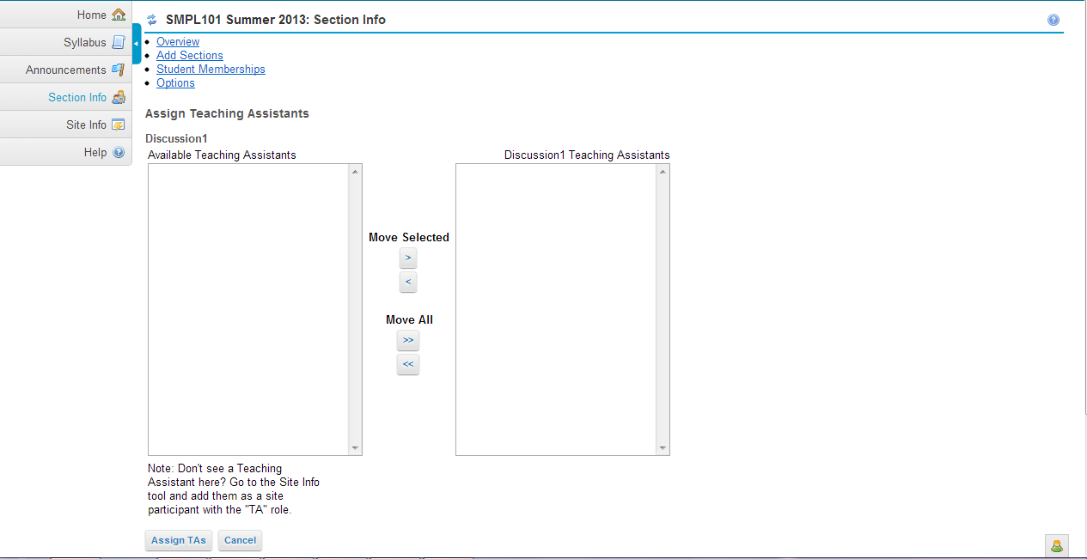
JSP file | editManagers.jsp | In this jsp file navMenu.jspf,globalMessages.jspf and transferButtons.jspf files are included.

Java file | EditManagersBean.java
Package | org.sakaiproject.tool.section.jsf.backingbean

Class | public class EditManagersBean extends CourseDependentBean implements Serializable | The data members SelectedUsers,availableUsers and sectionUuid of this class defines corresponding getters and setters method

Functions | 1.static Comparator sortNameComparator = new Comparator() | This method is used to compare Participation records by users sortNames.
 | 2.protected SectionDecorator initializeFields()
 | 3.protected void populateSelectedUsers(List participationRecords) | This method is used to build the list of selected user which is in right-side list box.
 | 4.public void init()
 | 5.public String update() | This method invoked in editManagers.jsp.It is used for updation.
 | 6.public String cancel() | This method is used for cancellation.
 | 7.protected Set<String>(String componentId)
 | 8.public String getSectionTitle()
 | 9.public boolean isExternallyManaged()
 | 10.public String getSectionDescription()
 | 11.public String getAbbreviatedSectionTitle()

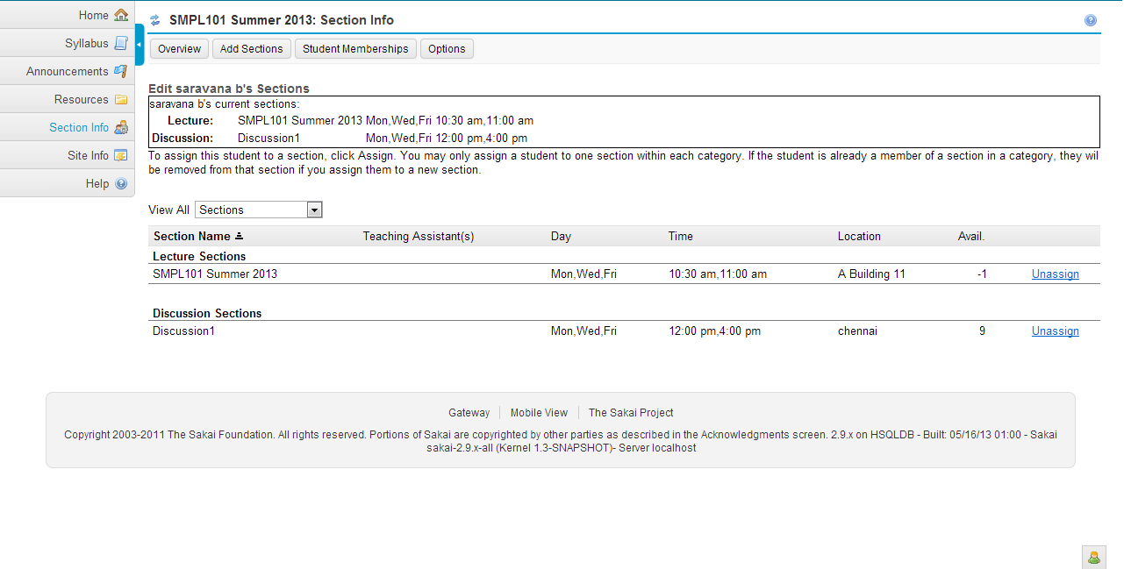
JSP file | editStudentSections.jsp | In this jsp file navMenu.jspf and globalMessages.jspf files are included.

Java file | editStudentSectionsBean.java
Package | org.sakaiproject.tool.section.jsf.backingbean

Class | public class EditStudentSectionsBean extends FilteredSectionListingBean implements Serializable | The datamembers of this class defines corresponding getters and setters method.

Constructor | public EditStudentSectionsBean() | Constructor without parameters.This constructor is used to initialize a variable showNegativeSpots.

Functions | 1.public void init()
 | 2.protected boolean isEnrolledInSection(Set enrolledSections, CourseSection section)
 | 3.protected boolean isEnrolledInOtherSection(Set enrolledSections, CourseSection section)
 | 4.protected void checkMaxEnrollments(String sectionUuid) | This method is used to check the enrollments. Whether it exceeds the limit or not.If means warning will come.
 | 5.protected Comparator<SectionDecorator> getComparator() | This method is used to compare and sort the values.
 | 6.public void processJoinSection(ActionEvent event) | This method is used to join the section.
 | 7.public void processDrop(ActionEvent event) | This method is used to unjoin the section.
 | 8.public void setStudentUid(String studentUid) | This method sets the student id to use in displaying the page.
 | 9.public String getStudentName()
 | 10.public String getUnassignedValue()
 | 11.public List<SectionDecorator> getEnrolledSections()

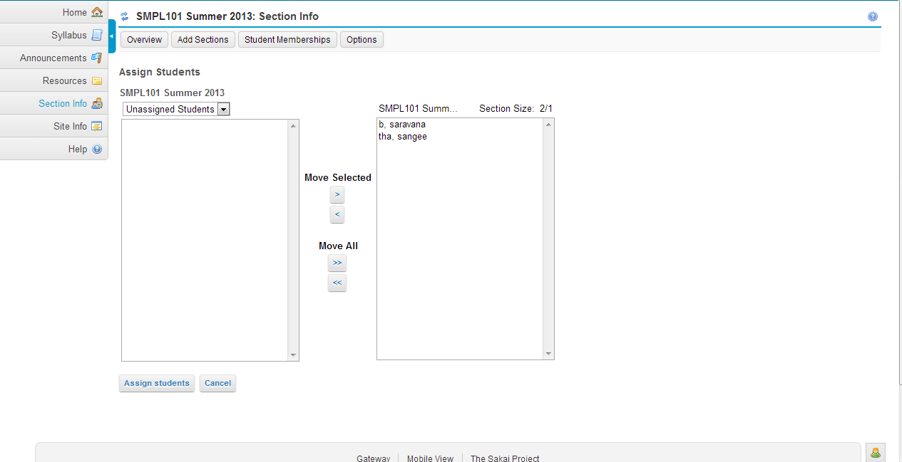
JSP file | editStudents.jsp | In this Jsp file navMenu.jspf,globalMessages.jspf and transferButtons.jspf files are included.

Java file | EditStudentsBean.java
Package | org.sakaiproject.tool.section.jsf.backingbean

Class | public class EditStudentsBean extends EditManagersBean implements Serializable | The datamember availableSectionUuid of this class defines corresponding getters and setters method.

Functions | 1.public void init()
 | 2.public void processChangeSection(ValueChangeEvent event)
 | 3.public String update() | This method is invoked in editStudents.jsp.It is used for updation.
 | 4.private String update_with_override()
 | 5.private String update_without_override()
 | 6.public List getAvailableSectionItems()
 | 7.public Integer getSectionMax()

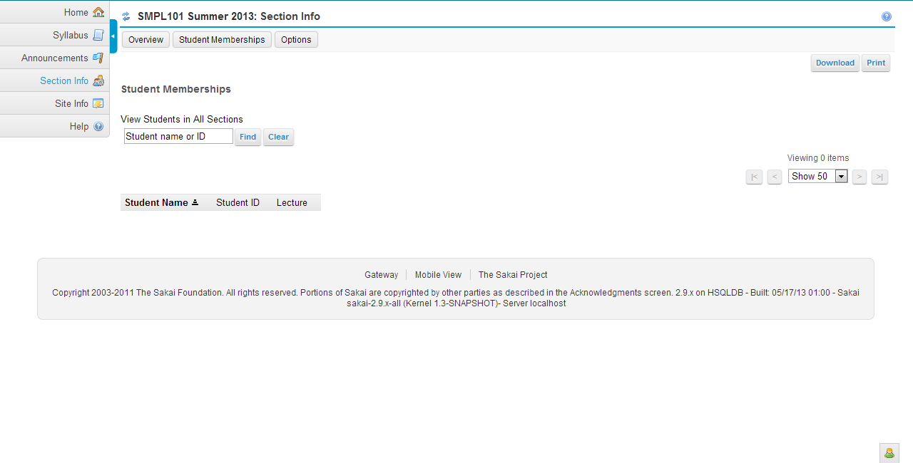
JSP file | roster.jsp | In this jsp file navMenu.jspf and globalMessages.jspf files are included.

Java file | rosterbean.java
Package | org.sakaiproject.tool.section.jsf.backingbean

Class | class RosterBean extends CourseDependentBean implements Serializable

Functions | 1. public void init()
 | 2.private void decorateEnrollments(List<EnrollmentRecord> siteStudents, SectionEnrollments sectionEnrollments, List<CourseSection> assignedSections)
 | 3.private List<CourseSection> findAssignedSections()
 | 4.private Comparator<EnrollmentDecorator> getComparator()
 | 5.public HtmlDataTable getRosterDataTable()
 | 6.public void setRosterDataTable(HtmlDataTable rosterDataTable)
 | 7.public void search(ActionEvent event)
 | 8.public void clearSearch(ActionEvent event)
 | 9.public List getEnrollments()
 | 10.public int getEnrollmentsSize()
 | 11.public boolean isExternallyManaged()
 | 12.public String getSearchText()
 | 13.public void setSearchText(String searchText)
 | 14.public List getFilterItems()
 | 15. public void export(ActionEvent event)
 | 16.private String getSectionTutorsAsString(String section)
 | 17.protected String getDownloadFileName(String rawString)

JSP file | login.jsp

Java file | LoginBean.java
Package | org.sakaiproject.tool.section.jsf.backingbean.standalone

Class | public class LoginBean extends CourseDependentBean | The datamembers of this class defines corresponding getters and setters method.

Constructor | public LoginBean() | Constructor without parameters.In this constructor datamember username of this class in initialized.

Functions | 1.public String processSetUserNameAndContext() | This method invoked in login.jsp

JSP file | config.jsp

Java file | ConfigBean.java
Package | org.sakaiproject.tool.section.jsf.backingbean.standalone

Class | public class ConfigBean extends CourseDependentBean

Functions | 1.public String updateConfigAllManual() | config.jsp invokes this method.
 | 2.public String updateConfigAllAutomatic() | config.jsp invokes this method.
 | 3.public String updateConfigOptionalAll() | config.jsp invokes this method.
 | 4.public String updateConfigOptionalMultiple() | config.jsp invokes this method.
 | 5.private ServletContext getServletContext()

JSPF file | navMenu.jsp

Java file | NavMenuBean.java
Package | org.sakaiproject.tool.section.jsf.backingbean

Class | public class NavMenuBean extends CourseDependentBean

Constructor | public NavMenuBean()

Functions | 1.public boolean isSectionEnrollmentMangementEnabled()
 | 2.public void setSectionEnrollmentMangementEnabled(boolean sectionEnrollmentMangementEnabled)
 | 3.public boolean isSectionManagementEnabled()
 | 4.public void setSectionManagementEnabled(boolean sectionManagementEnabled)
 | 5.public boolean isSectionOptionsManagementEnabled()
 | 6.public void setSectionOptionsManagementEnabled(boolean sectionOptionsManagementEnabled)
 | 7.public boolean isSectionTaManagementEnabled()
 | 8.public void setSectionTaManagementEnabled(boolean sectionTaManagementEnabled)

JSPF file | globalMessages.jspf
JSPF file | transferButtons.jspf
JSPF file | sectionEditor.jspf
JSPF file | sectionFilter.jspf

