FRont End
sakai-archive-tool/src/webapp/vm/archive/

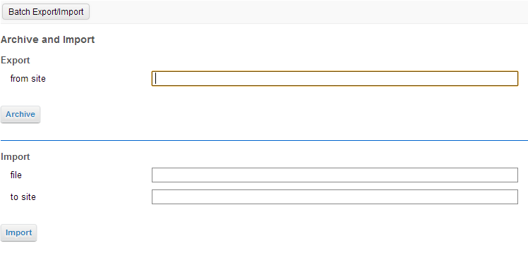
chef_archive.vm

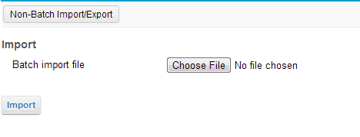
chef_batch_archive.vm

